TT3
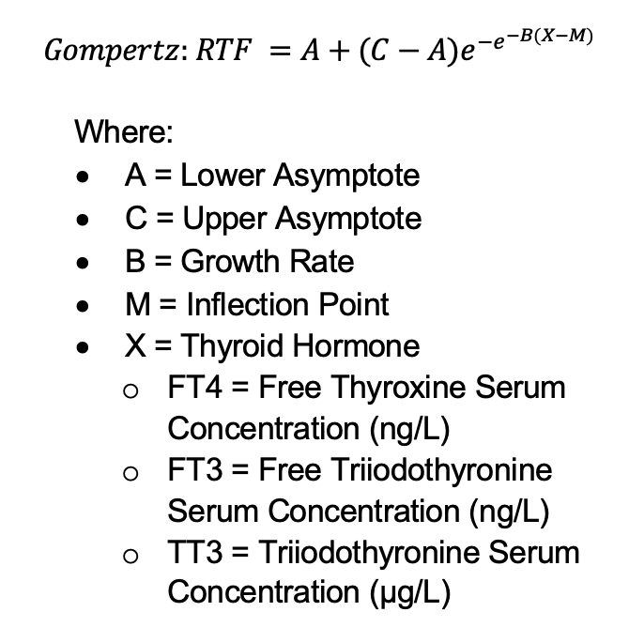
Height (in) | Weight (lbs) | Lower Asymptote | Upper Asymptote | Growth Rate | Inflection Point
55-75 | 90-320 | -0.000615114 | 1.9347287683 | 3.5790181321 | 1.1770867518

TSH
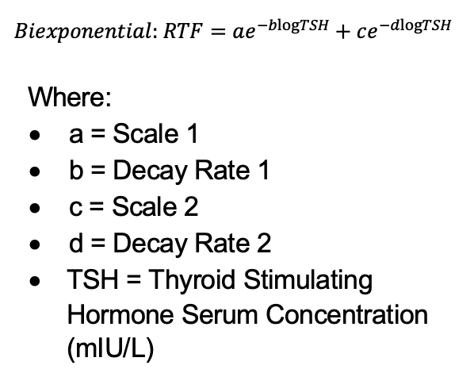
Height (in) | Weight (lbs) | Scale 1 | Decay Rate 1 | Scale 2 | Decay Rate 2
55 | 90 | 1.1599859593 | 7.433403776 | 1.0752140818 | 2.6459475589
55 | 170 | 1.7255227787 | 7.4227581028 | 1.2376328806 | 2.6451028037
60 | 90 | 1.4576714551 | 7.4240773619 | 1.1661270921 | 2.6455947078
60 | 210 | 2.1767954223 | 7.4034298007 | 1.3443060593 | 2.6443692646
65 | 100 | 1.8844280482 | 7.4559358711 | 1.2786001041 | 2.6473819687
65 | 240 | 2.570009081 | 7.4131137741 | 1.4272324911 | 2.6451384142
70 | 110 | 2.480529786 | 7.4303599631 | 1.4097345753 | 2.6459998007
70 | 280 | 3.060167461 | 7.4378736253 | 1.518766988 | 2.6464038213
75 | 120 | 3.2839388329 | 7.4335543082 | 1.5602812816 | 2.646875766
75 | 320 | 3.5472155087 | 7.4667520279 | 1.6018677472 | 2.6482712029

