TT3
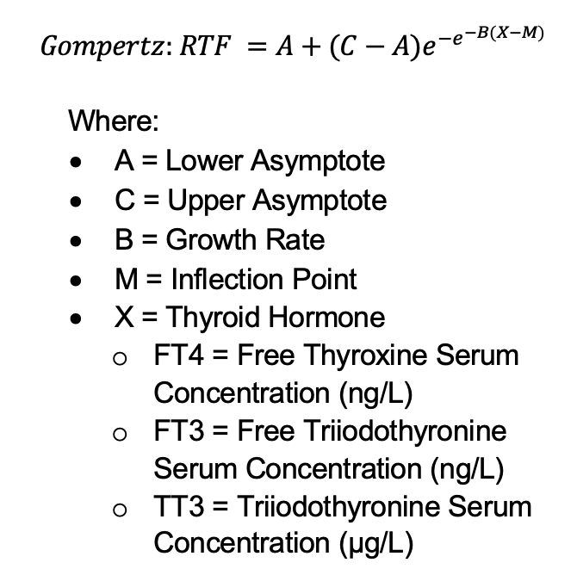
Height (in) | Weight (lbs) | Lower Asymptote | Upper Asymptote | Growth Rate | Inflection Point
60-80 | 100-360 | -0.000585442 | 1.9282625338 | 3.7556898776 | 1.1258856783

TSH
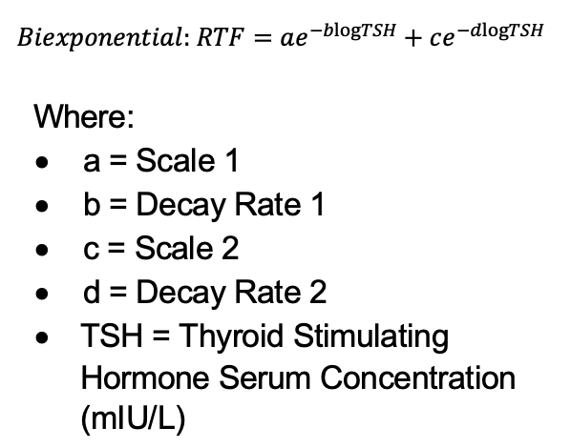
Height (in) | Weight (lbs) | Scale 1 | Decay Rate 1 | Scale 2 | Decay Rate 2
60 | 100 | 1.5348144659 | 7.4688055877 | 1.1905096268 | 2.6471428076
60 | 210 | 1.7332205142 | 7.4646850297 | 1.243858595 | 2.6474330631
65 | 110 | 1.8362973376 | 7.4429238058 | 1.2669082322 | 2.6451528039
65 | 240 | 2.1470803718 | 7.4714356206 | 1.3419633606 | 2.64773865
70 | 120 | 2.1889740616 | 7.4582011203 | 1.348194325 | 2.645960484
70 | 280 | 2.6390896558 | 7.4405696605 | 1.4420847297 | 2.645365295
75 | 130 | 2.5363777949 | 7.4271675219 | 1.4209326347 | 2.644343707
75 | 320 | 3.2217267642 | 7.4530499333 | 1.5487413278 | 2.6464159532
80 | 150 | 3.0167518054 | 7.4269282119 | 1.5101744647 | 2.6439200485
80 | 360 | 3.8287767683 | 7.4486784491 | 1.643782029 | 2.6451456663

