ContextAreas_Map
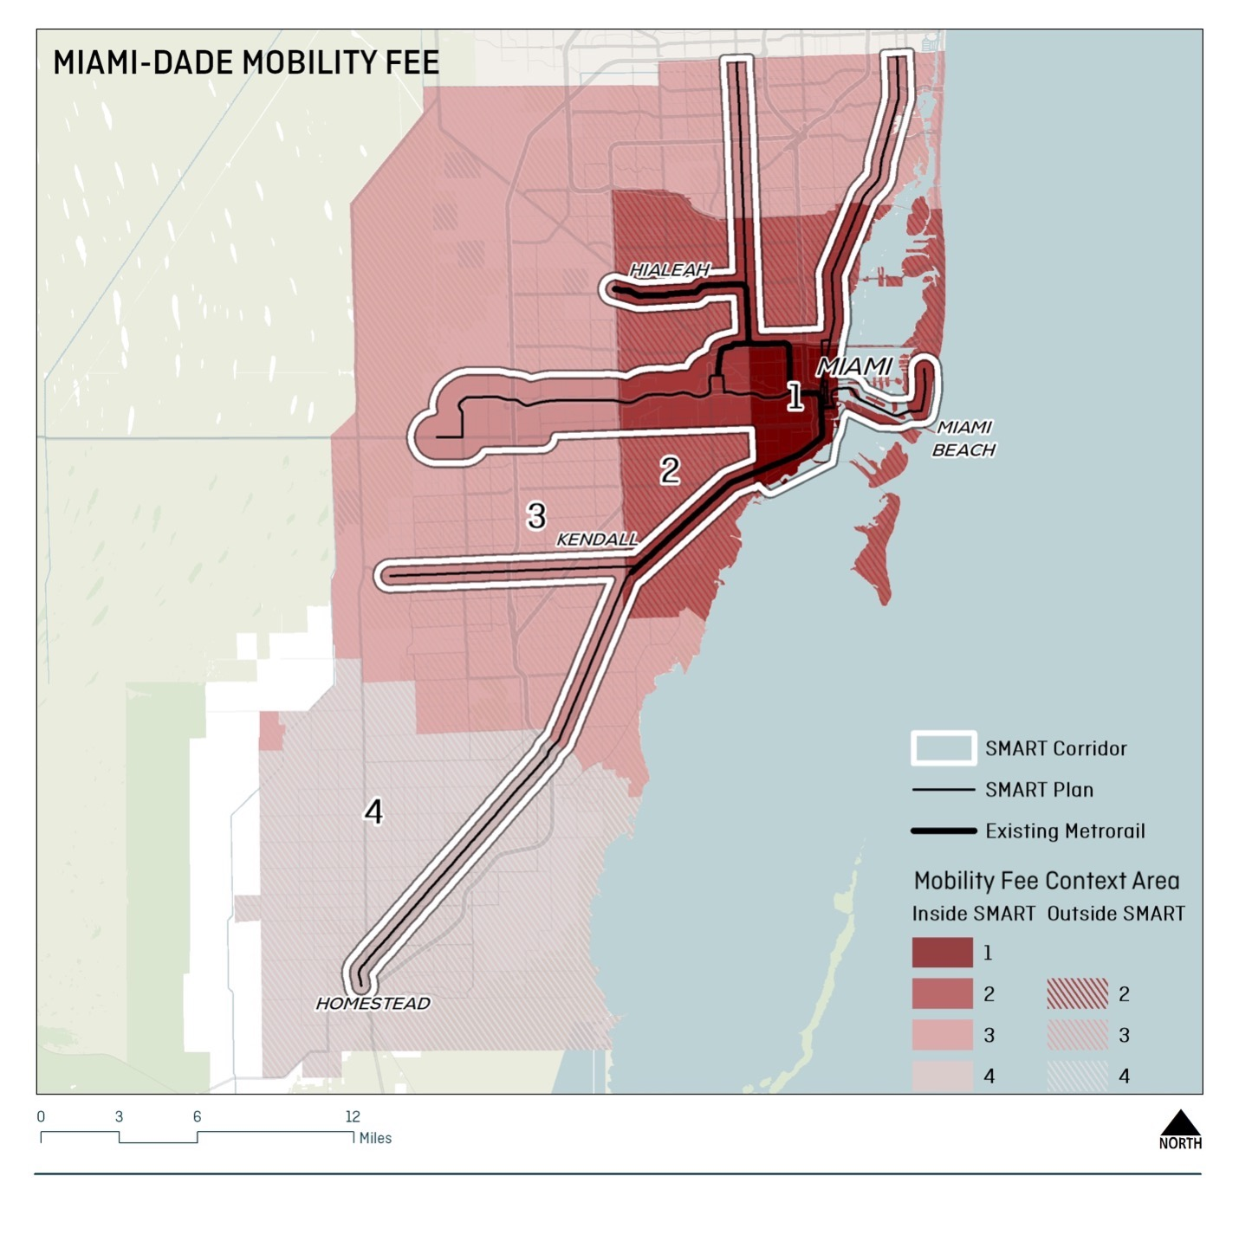

RIFvMIF (Simple)
Mobility Fee and RIF assessments

 | Single Family Fee by Context Area (unit) |  |  |  |  |  |  | Multifamily Low Rise Fee by Area (unit) |  |  |  |  |  | Office by Context Area (1,000 sf) |  |  |  |  |  | Retail by Context Area (1,000 sf)
 |  |  | Current Fee | Road | Transit | Walk Bike | MDMF |  | Current Fee | Road | Transit | Walk Bike | MDMF |  | Current Fee | Road | Transit | Walk Bike | MDMF |  | Current Fee | Road | Transit | Walk Bike | MDMF
 |  | Ring 1 In | $9,544 | $7,843 | $1,584 | $111 | $9,538 | Ring 1 In | $6,701 | $6,082 | $1,228 | $86 | $7,396 | Ring 1 In | $13,259 | $9,582 | $3,259 | $205 | $13,045 | Ring 1 In | $14,048 | $6,217 | $2,114 | $133 | $8,464
 |  | Ring 2 In | $9,544 | $8,623 | $1,707 | $73 | $10,403 | Ring 2 In | $6,701 | $6,687 | $1,323 | $57 | $8,067 | Ring 2 In | $13,259 | $12,867 | $2,539 | $110 | $15,516 | Ring 2 In | $14,048 | $8,348 | $1,647 | $71 | $10,067
 |  | Ring 3 In | $9,544 | $9,218 | $976 | $44 | $10,239 | Ring 3 In | $6,701 | $7,148 | $757 | $34 | $7,939 | Ring 3 In | $13,259 | $13,881 | $1,486 | $67 | $15,434 | Ring 3 In | $14,048 | $9,007 | $964 | $43 | $10,014
 |  | Ring 4 In | $9,544 | $7,980 | $1,528 | $42 | $9,550 | Ring 4 In | $6,701 | $6,188 | $1,184 | $33 | $7,405 | Ring 4 In | $13,259 | $12,057 | $2,367 | $64 | $14,488 | Ring 4 In | $14,048 | $7,823 | $1,536 | $41 | $9,400
 |  | Ring 1 Out | $9,544 | $6,214 | $844 | $137 | $7,194 | Ring 1 Out | $6,701 | $4,819 | $654 | $106 | $5,579 | Ring 1 Out | $13,259 | $11,307 | $886 | $164 | $12,357 | Ring 1 Out | $14,048 | $7,337 | $575 | $106 | $8,017
 |  | Ring 2 Out | $9,544 | $8,549 | $434 | $70 | $9,053 | Ring 2 Out | $6,701 | $6,629 | $336 | $54 | $7,020 | Ring 2 Out | $13,259 | $12,776 | $648 | $105 | $13,530 | Ring 2 Out | $14,048 | $8,289 | $420 | $68 | $8,778
 |  | Ring 3 Out | $9,544 | $9,488 | $429 | $41 | $9,958 | Ring 3 Out | $6,701 | $7,357 | $333 | $32 | $7,722 | Ring 3 Out | $13,259 | $14,212 | $645 | $62 | $14,919 | Ring 3 Out | $14,048 | $9,221 | $419 | $40 | $9,680
 |  | Ring 4 Out | $9,544 | $9,787 | $607 | $39 | $10,433 | Ring 4 Out | $6,701 | $7,589 | $471 | $30 | $8,090 | Ring 4 Out | $13,259 | $14,638 | $936 | $58 | $15,632 | Ring 4 Out | $14,048 | $9,497 | $607 | $38 | $10,142

Office (1,000 sf)
Retail (1,000 sf)
Single Family Dwelling Unit
Multifamily Dwelling Unit

SMART Plan In Fee by Ring and Mode
 | Road | Transit | Walk Bike | #REF!
Ring 1 In | $7,843 | $1,584 | $111 | 1
Ring 2 In | $8,623 | $1,707 | $73
Ring 3 In | $9,218 | $976 | $44
Ring 4 In | $7,980 | $1,528 | $42

SMART Plan Out Fee by Ring and Mode

 |  |  | IN |  | OUT
 | Class II arterial add 2 lanes |  | LOS | Cost / VMC | LOS | VMC
 |  | Ring 1 | E | $403 | E | $403
 |  | Ring 2 | E | $403 | E | $403
 |  | Ring 3 | E | $403 | E | $403
 |  | Ring 4 | E | $403 | E | $403

RIFvMIF (Detailed)
Mobility Fee and RIF assessments

 |  | Single Family Fee by Context Area (unit) |  |  |  |  |  | Multifamily Low Rise Fee by Area (unit) |  |  |  |  |  | Office by Context Area (1,000 sf) |  |  |  |  |  | Retail by Context Area (1,000 sf)
 |  |  | RIF | Road | Transit | Walk Bike | MDMF |  | RIF | Road | Transit | Walk Bike | MDMF |  | RIF | Road | Transit | Walk Bike | MDMF |  | RIF | Road | Transit | Walk Bike | MDMF
 |  | Ring 1 In SMART Plan | $9,544 | $7,843 | $1,584 | $111 | $9,538 | Ring 1 In SMART Plan | $6,701 | $6,082 | $1,228 | $86 | $7,396 | Ring 1 In SMART Plan | $13,259 | $9,582 | $3,259 | $205 | $13,045 | Ring 1 In SMART Plan | $14,048 | $4,637 | $1,577 | $99 | $6,313
 |  | Ring 2 In SMART Plan | $9,544 | $8,623 | $1,707 | $73 | $10,403 | Ring 2 In SMART Plan | $6,701 | $6,687 | $1,323 | $57 | $8,067 | Ring 2 In SMART Plan | $13,259 | $12,867 | $2,539 | $110 | $15,516 | Ring 2 In SMART Plan | $14,048 | $6,227 | $1,229 | $53 | $7,509
 |  | Ring 3 In SMART Plan | $9,544 | $9,218 | $976 | $44 | $10,239 | Ring 3 In SMART Plan | $6,701 | $7,148 | $757 | $34 | $7,939 | Ring 3 In SMART Plan | $13,259 | $13,881 | $1,486 | $67 | $15,434 | Ring 3 In SMART Plan | $14,155 | $6,718 | $719 | $32 | $7,469
 |  | Ring 4 In SMART Plan | $9,544 | $7,980 | $1,528 | $42 | $9,550 | Ring 4 In SMART Plan | $6,701 | $6,188 | $1,184 | $33 | $7,405 | Ring 4 In SMART Plan | $13,259 | $12,057 | $2,367 | $64 | $14,488 | Ring 4 In SMART Plan | $14,155 | $5,835 | $1,146 | $31 | $7,011
 |  | Ring 2 Out SMART Plan | $9,544 | $8,549 | $434 | $70 | $9,053 | Ring 2 Out SMART Plan | $6,701 | $6,629 | $336 | $54 | $7,020 | Ring 2 Out SMART Plan | $13,259 | $12,776 | $648 | $105 | $13,530 | Ring 2 Out SMART Plan | $14,048 | $8,289 | $420 | $68 | $8,778
 |  | Ring 3 Out SMART Plan | $9,544 | $9,488 | $429 | $41 | $9,958 | Ring 3 Out SMART Plan | $6,701 | $7,357 | $333 | $32 | $7,722 | Ring 3 Out SMART Plan | $13,259 | $14,212 | $645 | $62 | $14,919 | Ring 3 Out SMART Plan | $14,155 | $6,878 | $312 | $30 | $7,220
 |  | Ring 4 Out SMART Plan | $9,544 | $9,787 | $607 | $39 | $10,433 | Ring 4 Out SMART Plan | $6,701 | $7,589 | $471 | $30 | $8,090 | Ring 4 Out SMART Plan | $13,259 | $14,638 | $936 | $58 | $15,632 | Ring 4 Out SMART Plan | $14,155 | $7,084 | $453 | $28 | $7,565

Single Family Dwelling Unit
Multifamily Dwelling Unit
Office (1,000 sf)
Retail (1,000 sf)

SMART Plan In Fee by Ring and Mode
 | Road | Transit | Walk Bike | #REF!
Ring 1 In SMART Plan | $7,843 | $1,584 | $111 | 1
Ring 2 In SMART Plan | $8,623 | $1,707 | $73
Ring 3 In SMART Plan | $9,218 | $976 | $44
Ring 4 In SMART Plan | $7,980 | $1,528 | $42

SMART Plan Out Fee by Ring and Mode

 |  |  | IN |  | OUT
 | Class II arterial add 2 lanes |  | LOS | Cost / VMC | LOS | VMC
 |  | Ring 1 | E | $403 | E | $403
 |  | Ring 2 | E | $403 | E | $403
 |  | Ring 3 | E | $403 | E | $403
 |  | Ring 4 | E | $403 | E | $403

