Loan Boarding Data
DEAL NAME | CRYSTAL SPRINGS RESORT |  |  |  | Use for New Loans and Modifications
Loan Build Report
 |  |  | Check here if this is a modification. |  | ¨
Date of Submission |  | 2026-05-14
 |  | ¨ | Preliminary Submission
 |  | ¨ | Final Submission
Serviced by |  | ¨ | XXX

Loan Data

 | Loan Document Location | Field Name | Information | Notes
 |  | Servicer Loan Number | TBD
 |  | Principal Loan Number | TBD |  |  | RBC CM Rating
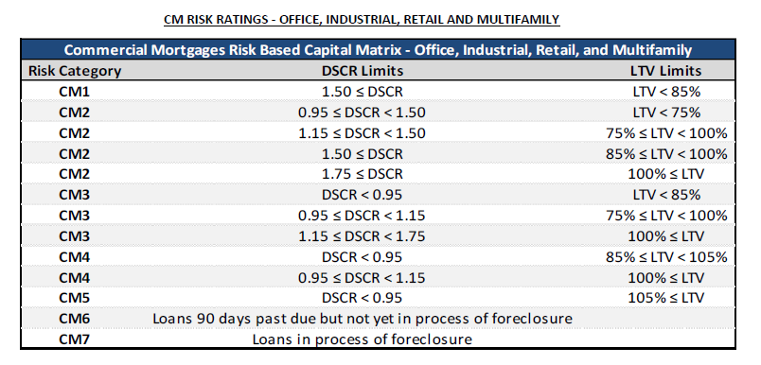
 |  | Portfolio | choose one |  |  |  | Total
 |  | Debt Stack Type | A Note | This is a senior mortgage and there will be a $23M B-Note retained by Blackstone |  | Total Outstanding Loan | #REF!
 |  | Debt Stack Position | 1 | This is a senior mortgage and there will be a $23M B-Note retained by Blackstone
 |  | Condo/Coop | N/A | * |  | Property NOI | $21,397,628
 |  | Primary Loan Servicer | #REF! |  |  | Total NOI | $21,397,628
 |  | Origination Type | #REF! | only use on initial acquisition of loan
 |  | Modification Type | N/A | only use on modifications |  | Property Value | $232,000,000
 |  | Assumable Flag | TRUE | Borrower shall not be permitted to effect an assumption of the Loan without Lender’s express written consent, which Lender may approve or disapprove in its sole and absolute discretion and for any or no reason. Lender may condition such Loan assumption on any terms and conditions as Lender shall determine in its sole and absolute discretion
 |  | Origination/Note Date | #REF! | * Date of document signing |  | Spread | #REF!
 |  | Anticipated/Actual Funding Date | #REF! | * Date of cash sent out |  | Index/Rate Cap | #REF!
 |  | Amortization Date | #REF! | Loan is interest only |  | Coupon | #REF!
 |  | Amortization Term | #REF! | Loan is interest only
 |  | First Payment Due Date | #REF! | * the date a payment is expected the first time |  | 25-Yr Am DS | #REF!
 |  | Interest Accrual Begins Date | #REF! | Following the first month, interest begins to accrue on the 1st and ends on the last day of the month
 |  | Int Only Flag | #REF! | * choose yes if the current status is i/o |  | DSCR | #REF!
 |  | Original Interest-Only Period (Mos.) | #REF! | number of payments before loan switches to an amortizing payment |  | LTV | #REF!
 |  | Interest Paid to Date | #REF! | * formula, last day before the interest accrual begins date
 |  | Maturity Date | #REF! |  |  | CM Rating | CM1
 |  | Loan Term | #REF! | *
 |  | Original Maturity Extension Times Allowed | #REF! | Number of Extension Allowed
 |  | Original Maturity Extensions (# months) | #REF! | Months per Extension
 |  | Fully Extended Maturity Date | #REF! | formula - maturity date + # Extension * Extension length - if a loan has maturity extensions built into the documents, this is the final maturity date if all were exercised
 |  | Maturity/ARD Balance | #REF! | "Loan" Definition
 |  | Funding Program | #REF! | *
 |  | Commitment Amount | #REF! | *
 |  | Current Amount Being Funded | #REF! | * actual principal cash being sent out
 |  | Purchase Price | #REF!
 |  | Original GAAP Book Value | #REF! | formula, current amount being funded
 |  | Original SAP Book Value | #REF! | formula, current amount being funded
 |  | Payment Frequency | 1 | * based on frequency type
 |  | Interest Type | #REF!
 |  | Rate calc method | #REF!
 |  | Interest Rate | #REF!
 |  | Does loan have a sub-service fee? | No
 |  | Loan Sub-Servicer | N/A
 |  | Sub-Service Fee Rate (Netted out of Payment) | N/A | * enter as a whole number, e.g. 5% is 5.0
 |  | Next Payment Due Date | #REF! | * formula, first payment due date
 |  | Payment Frequency Type | #REF!
 |  | Payment Type | #REF!
 |  | Annual Payment Amount (P&I) | 0.00 | * if loan is I/O, this can be left as zero
 |  | Monthly Payment Amount (P&I) | 0.00 | * if loan is I/O, this can be left as zero
 |  | Remaining Amort Term | #REF! | * for modifications
 |  | Remaining Loan Term | #REF! | * for modifications
 |  | Original Index Rate | 3.63 | *
 |  | Interest Rate Index | #REF! | *
 |  | Index Rounding Code | #REF! | *
 |  | Index Rounding Position | #REF! | * use .xx1 with the 1 where the rounding should go. eg. If rate is 4.5325, and assuming round up, .1 would be 4.6; .01 would be 4.54; .001 would be 4.533
 |  | Holiday Calendar to be used for setting Rate | #REF! | *
 |  | Index Determ Date (prior to Effective Date) | #REF!
 |  | First Rate Adjustment | #REF! | *
 |  | Rate Adjustment Frequency | #REF!
 |  | Interest Rate Margin | #REF! | * e.g. 200 bps would be 2.0, 4% would be 4.0
 |  | Interest Rate Ceiling | #REF! | change to a number if there is a ceiling
 |  | Benchmark Adjustment Rate | #REF! | * this may be zero if not defined in document
 |  | Index Rate Floor | #REF! | * this may be zero if not defined in document
 |  | Interest Rate Floor | #REF! | if not defined in document, it is margin plus index floor
 |  | ARM Information, expand if needed |  | Red Fields are for ARM info, skip if rate is fixed
 |  | Insurance Cap Purchased Flag | No
 |  | Index Rate Trigger for Int Cap Contract (strike price) | #REF!
 |  | Insurance Rate Cap Start Date | #REF!
 |  | Insurance Rate Cap End Date | #REF!
 |  | Late Charge Calc | #REF!
 |  | # of Grace Days | #REF!
 |  | Rate Reset During Life of Loan | #REF!
 |  | Effective Date of First Rate Reset | #REF! | Adjustable rate deal at constant spread
 |  | Call Date, if any | N/A | this would be used if there is a call only option
 |  | First Prepayment Option | #REF! | Prepayment Penalty
 |  | Prepayment Details | #REF!
 |  | Prepayment Start Date | #REF!
 |  | Prepayment End Date | #REF!
 |  | Default Interest Rate | #REF! | "Default Rate" definition

 |  | Senior Loan Balance | #REF!
 |  | Senior Loan Commitment Amount | #REF!
 |  | Senior Loan Annual Debt Service | #REF!
 |  | Senior Loan Monthly Debt Service | #REF!
 |  | Senior Loan Lien Holder(s) | Sixth Street Partners
 |  | Interest Type | #REF!
 |  | Rate calc method | #REF!
 |  | Interest Rate Index | SOFR Term 1 month | *
 |  | Interest Rate Margin | #REF! | * e.g. 200 bps would be 2.0, 4% would be 4.0
 |  | Senior Loan Interest Rate | #REF! | enter as a whole number, e.g. 5% is 5.0
 |  | Senior Loan LTV Ratio | #REF!
 |  | Senior Loan Underwritten NCF DSCR | #REF!
 |  | Senior Loan Underwritten NOI Debt Yield | #REF!

 |  | B-Note Debt Balance | #REF!
 |  | B-Note Commitment Amount | #REF!
 |  | B-Note Annual Debt Service | #REF!
 |  | B-Note Monthly Debt Service | #REF!
 |  | B-Note Lien Holder(s) | Blackstone
 |  | Interest Type | #REF!
 |  | Rate calc method | #REF!
 |  | Interest Rate Index | SOFR Term 1 month | *
 |  | Interest Rate Margin | #REF! | * e.g. 200 bps would be 2.0, 4% would be 4.0
 |  | B-Note Debt Interest Rate | #REF! | enter as a whole number, e.g. 5% is 5.0
 |  | B-Note Loan LTV Ratio | #REF!
 |  | B-Note Loan Underwritten NCF DSCR | #REF!
 |  | B-Note Loan Underwritten NOI Debt Yield | #REF!

 |  | Total Debt Balance | #REF!
 |  | Total Debt Commitment Amount | #REF!
 |  | Total Debt Annual Debt Service | #REF!
 |  | Total Debt Monthly Debt Service | #REF!
 |  | Total Debt LTV Ratio | #REF!
 |  | Total Debt Underwritten NCF DSCR | #REF!
 |  | Total Debt Underwritten NOI Debt Yield | #REF!
 |  | Debt Stack Info, expand if needed |  | Purple fields are for Debt Stack loans, skip if the loan is a whole loan (no related loans)
 |  | Future Additional Debt Permitted (Y/N) | No
 |  | Future Debt Permitted Type | N/A

 |  | Construction Info, expand if needed | No | Blue fields are for Construction loans, skip if not a construction loan

 |  | Letter of Credit (Y/N) | No | *

Type any comments here. For modifications please identify what all is changing.

Collateral Boarding Data
DEAL NAME | CRYSTAL SPRINGS RESORT
\ | TBD
Principal Loan Number | TBD

Property Data
 |  | If multiple collateral, add columns
 | Property Number | 1 (Primary Collateral) | Notes
 | Property Name | CRYSTAL SPRINGS RESORT | *
 | Property Type and Sub-Type | Lodging - Hospitality - Full Service | *
 | Location | Suburban | *
 | Street Address | Various | See addresses to the right | PROPERTY ADDRESSES
 | 2nd Street Address if needed |  |  | Crystal Springs Golf Course & Grand Cascade Lodge, Reflections Spa: 3 Wild Turkey Way & 1 Crystal Springs Road, Hamburg, New Jersey 07419
 | City | Various | See addresses to the right | Minerals Hotel, Elements Spa, & Minerals Golf Club: 2 Chamonix Drive, Vernon, New Jersey 07462
 | State | NJ | * | Wild Turkey Golf Course, Cascades Golf Club and Clubhouse: 1 Wild Turkey Way, Hamburg, New Jersey 07419
 | Zip | Various | See addresses to the right | Ballyowen Golf Course & Clubhouse: 105-137 Wheatsworth Road, Hamburg, New Jersey 07419
 | County | Sussex | * | Black Bear Golf Course, Clubhouse and Leadbetter Golf Academy: 142-143 Route 23, Franklin, New Jersey 07416
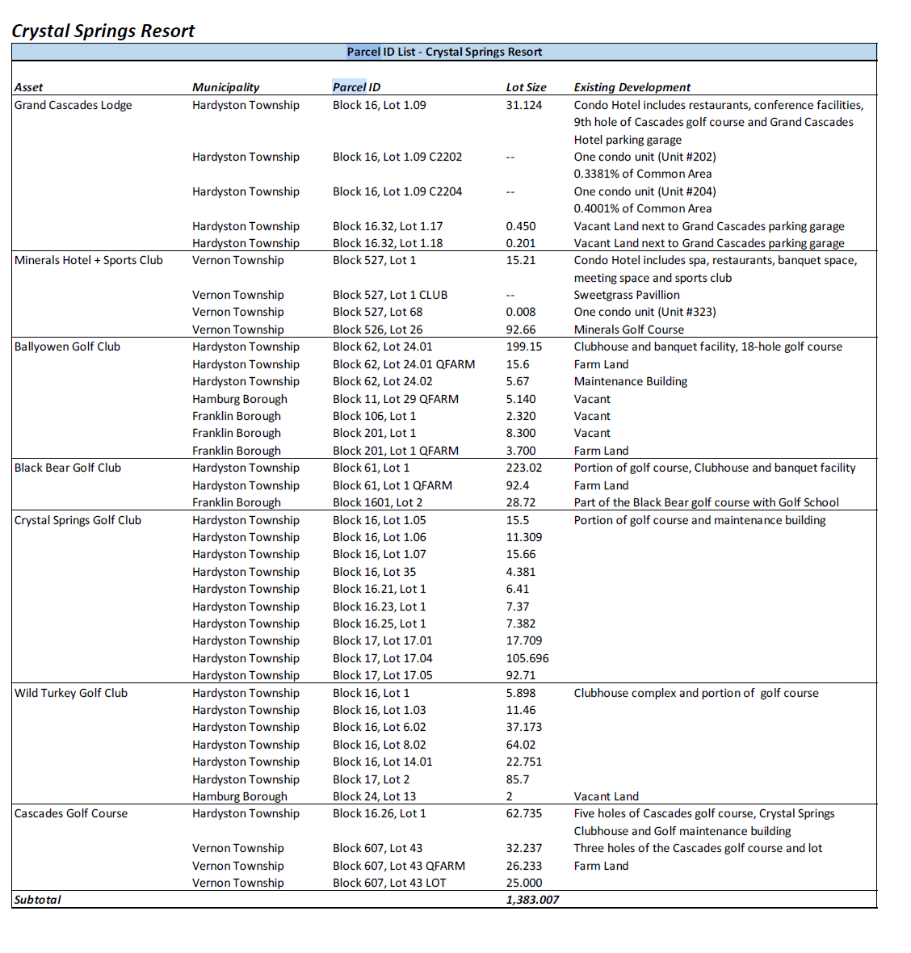
 | Parcel # | Various | See addresses to the right
 | Lien Position | 1 | *
 | Ownership Interest | Fee Simple | *
 | Year Built | 1995 | *
 | Year Renovated | 2001
 | Gross Square Feet | 648,408 | *
 | Net Square Fee (Net Rentable Area) | 648,408
 | Number of Units | 453 | *
 | Number of Rooms (Hotels) | 453 | *
 | MAI Property Valuation Date | 2026-04-29 | *
 | MAI Property Value | 232,000,000.00 | Appraised As-Is
 | Stabilized Property Value (if Construction) | 284,000,000.00 | Appraised Stabilized
 | LTV Ratio (%) | #REF! | *
 | Occupancy as of Date | 2025-12-31 | Hotel Occupancy
 | Percent Occupied | 53% | Hotel Occupancy
 | Tenancy | Multiple Tenants
 | Largest Tenant | N/A | Use for Single or Largest Tenant
 | Second Largest Tenant | N/A | Use for Second Largest Tenant
 | Third Largest Tenant | N/A | Use for Third Largest Tenant
 | Average In Place Rents | $441 | Hotel Average Daily Rate
 | Ground Lease Expiration Date | N/A | *
 | Ground Lease Extension Terms | N/A
 | Annual Ground Lease Payment as of the Cut-off Date ($) | 0.00
 | Annual Ground Rent Increases (Y/N) | N/A
 | Statement Date | 2025-12-31
 | Total Revenues | 106,001,305.39
 | Total Expenses | 83,952,611.24
 | Net Operating Income | 22,048,694.15
 | Net Cash Flow | 22,048,694.15
 | Financial Statement Type | FY 2025 Financials
 | Underwritten Replacement / FF&E Reserve | 3,194,380.90
 | Underwritten NOI Debt Yield (%) | #REF!
 | Underwritten DSCR | #REF!

* minimum required to build

Type any comments here.

