Introduction
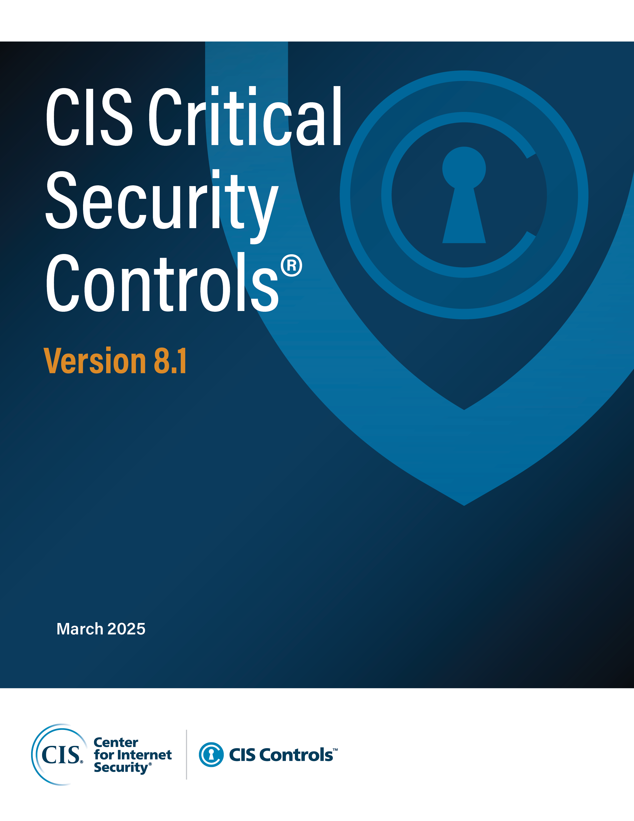

Contact Information
CIS
31 Tech Valley Drive
East Greenbush, NY 12061
518.266.3460
controlsinfo@cisecurity.org

Editors
Sarah Day
Josh Franklin
Valecia Stocchetti

Contributors
Charity Otwell
Robin Regnier
Thomas Sager

