Elasticity_Data
How to run the elastic demand
1) Solve the reference case
- Select the reference case (generally no constraint or tax on CO2 emissions).
- In the Run Control Panel, select the option “Write B Price for Elast Dem (as shown in figure 1).
In the DemoS_007 this option is already selected.
2) Build an alternative scenario with elasticity
- Including CO2 emission constraint or tax, etc
- The elastic demand is allowedd adding these parameters:
COM_ELAST: Elasticity of demand indicating how much the demand rises/falls in response to a unit change in the marginal cost of meeting a demand that is elastic. COM_VOC: Possible variation of demand in both directions when using the elastic demand formulation.
COM_STEP: Number of steps to use for the approximation of change of producer/consumer surplus when using the elastic demand formulation. (e.g. 10)
3) Solve the alternative scenarios
- Solve the alternative scenario with CO2 constraint of tax (e.g. DemoS_007a)
- Solve the alternative scenario with CO2 and elastic demand (e.g. DemoS_007b)
In the FE Case Manager, Basic Price box:
- In the REF scenario No Elast Dem
- In the alternative scenario will be checked the with the B price (SEE fIGURE 2)
* update values and insert new parameters for elastic demands (new scenario)
 |  |  |  |  |  |  |  |  | Figure 1
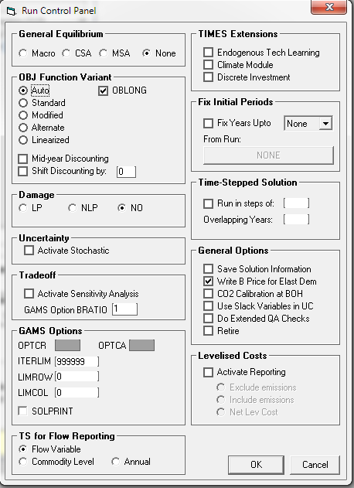
 | ~TFM_INS
 | TimeSlice | LimType | Attribute | Year | Cset_Set | Cset_CN | AllRegions
 |  | UP,LO | COM_VOC | 2006 | DEM |  | 0.15
 |  | UP,LO | COM_VOC | 2030 | DEM |  | 0.15
 |  | UP,LO | COM_VOC | 2050 | DEM |  | 0.30
 |  | UP,LO | COM_VOC | 0 | DEM |  | 5
 |  | UP,LO | COM_STEP | 2006,2050 | DEM |  | 10

 | ~TFM_INS
 | TimeSlice | LimType | Attribute | Year | Cset_Set | Cset_CN | AllRegions
 | ANNUAL | LO,UP | COM_ELAST | 2006 | DEM | DTCAR,DTPUB | -0.03
 | ANNUAL | LO | COM_ELAST | 2015 | DEM | DTCAR,DTPUB | -0.15
 | ANNUAL | UP | COM_ELAST | 2015 | DEM | DTCAR,DTPUB | -0.05
 | ANNUAL | LO | COM_ELAST | 2030 | DEM | DTCAR,DTPUB | -0.30
 | ANNUAL | UP | COM_ELAST | 2030 | DEM | DTCAR,DTPUB | -0.05
 | ANNUAL | LO,UP | COM_ELAST | 2006 | DEM | DRSH | -0.03
 | ANNUAL | LO | COM_ELAST | 2015 | DEM | DRSH | -0.50
 | ANNUAL | UP | COM_ELAST | 2015 | DEM | DRSH | -0.05
 | ANNUAL | LO,UP | COM_ELAST | 2006 | DEM | DRAP,DROT | -0.03
 | ANNUAL | LO | COM_ELAST | 2015 | DEM | DRAP,DROT | -0.30
 | ANNUAL | UP | COM_ELAST | 2015 | DEM | DRAP,DROT | -0.05
 | ANNUAL | LO,UP | COM_ELAST | 2006 | DEM | DCSH | -0.03
 | ANNUAL | LO | COM_ELAST | 2015 | DEM | DCSH | -0.50 | Figure 2
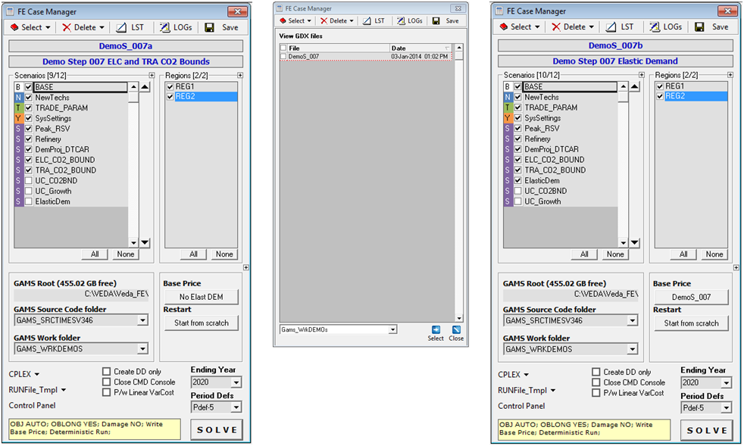
 | ANNUAL | UP | COM_ELAST | 2015 | DEM | DCSH | -0.05
 | ANNUAL | LO,UP | COM_ELAST | 2006 | DEM | DCAP,DCOT | -0.03
 | ANNUAL | LO | COM_ELAST | 2015 | DEM | DCAP,DCOT | -0.30
 | ANNUAL | UP | COM_ELAST | 2015 | DEM | DCAP,DCOT | -0.05
 | ANNUAL | LO,UP | COM_ELAST | 2006 | DEM | DAOT | -0.03
 | ANNUAL | LO | COM_ELAST | 2015 | DEM | DAOT | -0.30
 | ANNUAL | UP | COM_ELAST | 2015 | DEM | DAOT | -0.05
 | ANNUAL | LO,UP | COM_ELAST | 2006 | DEM | DIDM1 | -0.03
 | ANNUAL | LO | COM_ELAST | 2015 | DEM | DIDM1 | -0.30
 | ANNUAL | UP | COM_ELAST | 2015 | DEM | DIDM1 | -0.05
 | ANNUAL | LO,UP | COM_ELAST | 0 | DEM |  | 5.00

