Sheet1
ZARA
Product |  |  |  |  |  |  | Returns |  |  |  | Review & Rating
Product Code | Product Name | Category | Price | Material | Size Availability | Color | Return Status | Reason for Return | Refund Status | Refund Amount | Star Rating | Review Text
4174/308/681 | HARVARD UNIVERSITY POLO SWEATSHIRT | Sweatshirts | $49.90 | 55% Cotton, 45% Polyester | S, M, L | Burgundy | No | Wrong Size | Approved | $69.90 | 5 | Great fit and high quality!
5063/312/719 | ZIPPER CLOTH TOP | Tops | $29.90 | 100% RCS-certified recycled polyester | S, M, L | Brown Vigore | Yes | Changed Mind | Pending | $0.00 | 3 | Runs a little small
6008/510/800 | GATHERED BUCKLE MAXI BUCKET BAG | Bags | $49.90 | 100% Polyurethane | One Size | Black | Yes | Changed Mind | Pending | $139.80 | 4 | Stylish and comfortable, but the fabric is thinner than expected.
1856/081/970 | SNAKE EARRINGS | Accessories | $22.90 | 85% Zinc, 13% Brass, 1% Glass, 1% Ti | One Size | Aged Gold | No | Wrong Size | Approved | $79.80 | 2 | Perfect fit and amazing quality!

writes
contain
Has
Places
Uses
Has
Customer |  |  | Orders |  |  |  | Discount
Name | Email |  | Order Date | Total Amount | Shipping Status |  | Promo Code | Discount % | Valid Until | Minimum Purchase Requirement
Jennifer Wu | jenniferwu@example.com |  | 2024-01-30 | $139.80 | Shipped |  | ZARA20OFF | 20% | 2025-02-15 | $100
Alex Johnson | alex.j@example.com |  | 2024-05-21 | $69.90 | Processing |  | WELCOME10 | 10% | 2024-12-31 | No Minimum
Sophia Chen | sophia.chen@example.com |  | 2024-06-06 | $99.80 | Delivered |  | NEWYEAR15 | 15% | 2024-03-31 | $90
Michael Smith | michael.s@example.com |  | 2024-10-04 | $29.90 | Processing
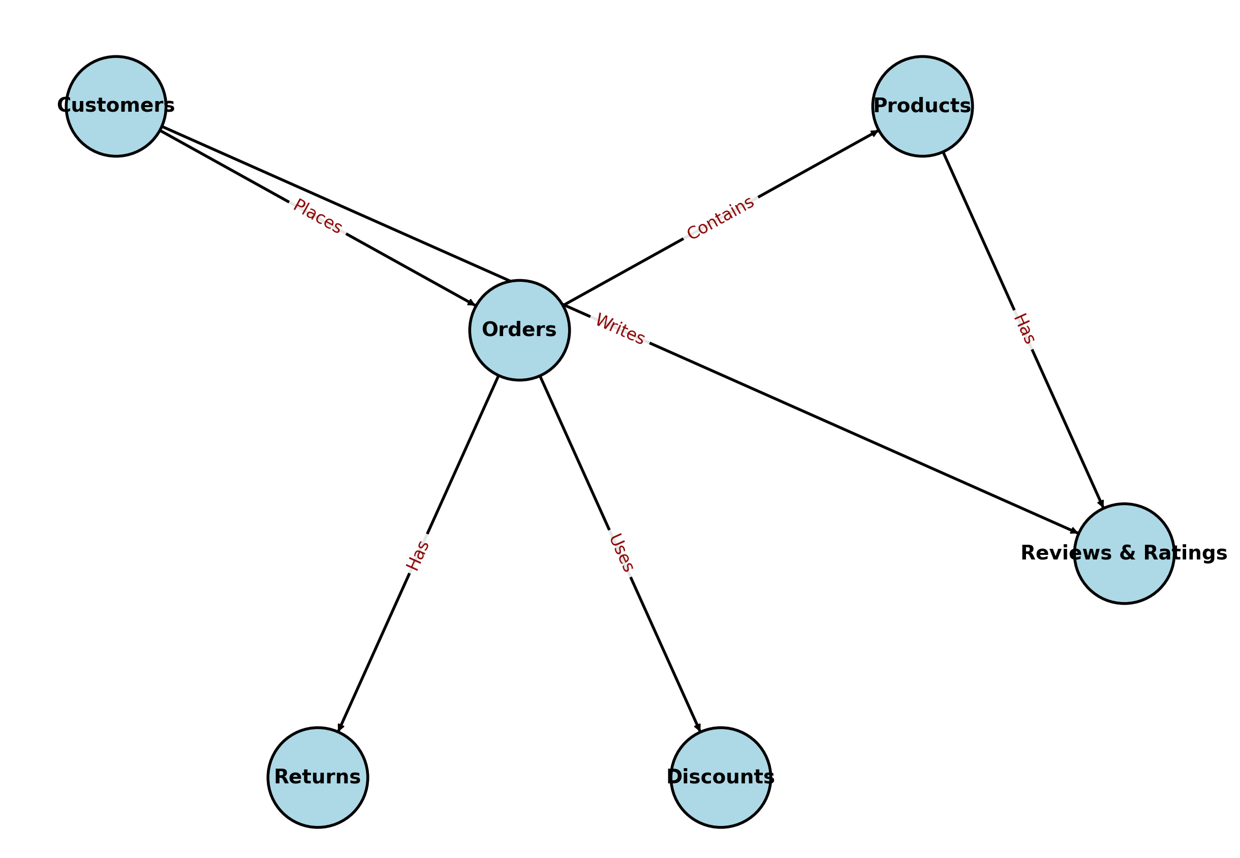
Olivia Davis | olivia.d@example.com
Daniel Lee | daniel.lee@example.com

