Data + Chart Image
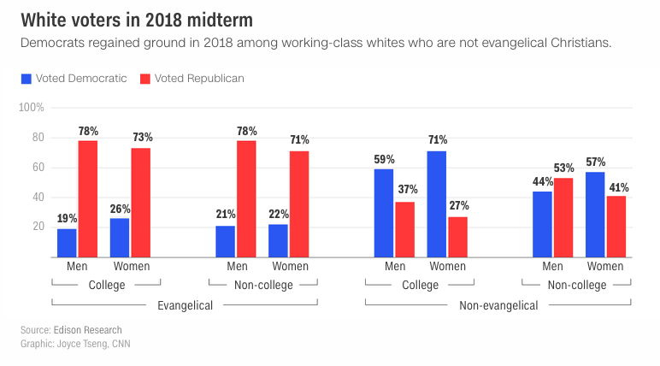
Religion | Education | Gender | Voted D | Voted R
Evangelical | College | Men | 19 | 78
Evangelical | College | Women | 26 | 73
Evangelical | Non-college | Men | 21 | 78
Evangelical | Non-college | Women | 22 | 71
Non-Evangelical | College | Men | 59 | 37
Non-Evangelical | College | Women | 71 | 27
Non-Evangelical | Non-college | Men | 44 | 53
Non-Evangelical | Non-college | Women | 57 | 41

https://www.cnn.com/2018/12/11/politics/the-foundation-of-trumps-coalition-is-cracking/index.html

