Excel Gantt Chart Template
Excel Gantt Chart Template

 |  |  | DUARNATION (days)
Task Name | START DATE | END DATE
Inception Phase | 2016-03-10 | 2016-03-29 | 19
Design Prototype Pages | 2016-03-10 | 2016-03-14 | 4
Make Function List | 2016-03-14 | 2016-03-17 | 3
Create System Request | 2016-03-17 | 2016-03-24 | 7
Create Development Plan | 2016-03-17 | 2016-03-24 | 7
Configure Version Control | 2016-03-17 | 2016-03-24 | 7
Create SRS | 2016-03-17 | 2016-03-29 | 12
LCO Milestone | 2016-03-29 | 2016-03-30 | 1
Elaboration Phase | 2016-03-24 | 2016-04-21 | 27
Design Database | 2016-03-24 | 2016-03-29 | 5
Design Architecture | 2016-03-24 | 2016-04-03 | 9
Configure Enviroment | 2016-03-29 | 2016-04-03 | 4
Identify Use Cases | 2016-03-29 | 2016-04-12 | 13
Build Sample System | 2016-04-04 | 2016-04-12 | 8
Deploy Sample System | 2016-04-13 | 2016-04-17 | 4
Test Sample System | 2016-04-18 | 2016-04-21 | 3
LCA Milestone | 2016-04-21 | 2016-04-22 | 1
Construction Phase | 2016-04-22 | 2016-05-19 | 27
Transition Phase | 2016-05-20 | 2016-06-02 | 12

Excel Timeline Template
Excel Timeline Template

Enter Your Project Details Here
DATE | DESCRIPTION | POSITION
5/10/15 | Kick Off | 1
6/7/15 | Milestone 1 | 2
7/21/15 | Milestone 2 | 1
8/1/15 | Checkpoint A | 4
9/20/15 | Milestone 3 | 3
10/30/15 | Milestone 4 | 2
12/20/15 | Checkpoint B | 3
1/30/16 | Milestone 5 | 4
2/10/16 | Milestone 6 | 1
3/30/16 | Milestone 7 | 2 |  |  | `
5/20/16 | Checkpoint C | 3
5/30/16 | Sign Off | 1

Make beautiful timelines in PowerPoint for important meetings. |  |  |  | Download #1 Free timeline add-in for PowerPoint

 |  |  |  | www.officetimeline.com

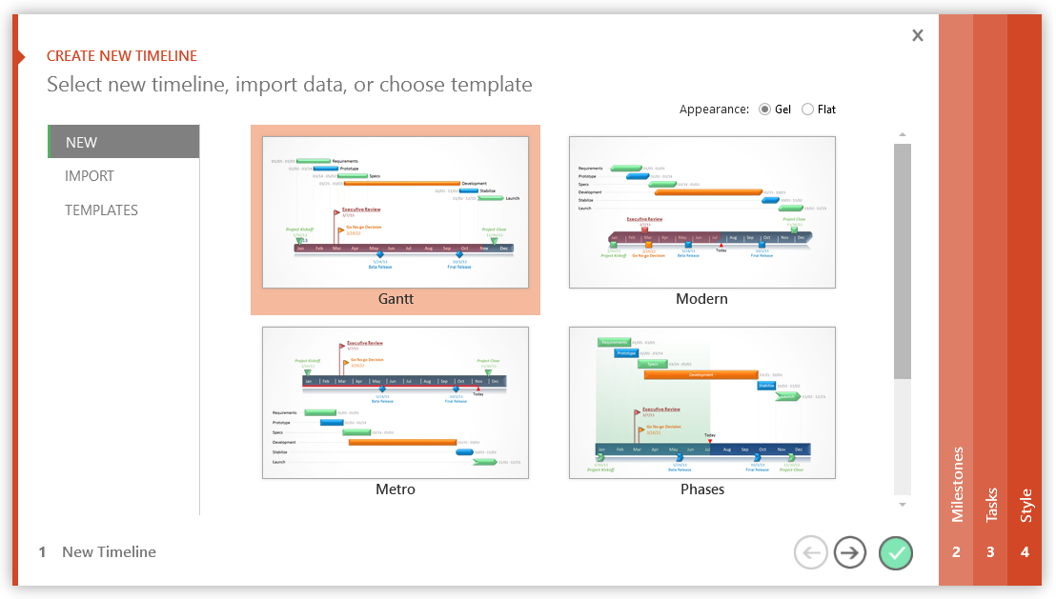

 |  |  | Project Milestone Update

3 Easy steps to instantly turn Excel data into a PowerPoint slide
1. Download Office Timeline Plus Edition for PowerPoint.
2. Open PowerPoint and click on NEW Timeline from the Office Timeline tab inside of PowerPoint. Copy your Excel table paste it into Office Timeline Plus.
3. Click the green check mark to instantly produce you timeline slide.

 |  | https://www.officetimeline.com/download

