Cost Curve
MEOH - Sahil Chawla
Historic |  |  |  |  | Guided
Date | Realized Price | Adj EBITDA/Production |  | Production |  | 2021 | 6.7 | 2022- | 9.3 | Future | 11.2
Q1 2016 | 230 | 21.96 | 36 | 1.639 | Price | Adj EBITDA/Production | EBITDA | Adj EBITDA/Production | EBITDA | Adj EBITDA/Production | EBITDA
Q2 2016 | 223 | 21.47 | 38 | 1.77 | 275 | 78.36 | 525.00 | 80.65 | 750.00 | 80.36 | 900.00
Q3 2016 | 236 | 42.31 | 74 | 1.749 | 300 | 97.01 | 650.00 | 99.46 | 925.00 | 98.21 | 1,100.00
Q4 2016 | 278 | 75.02 | 139.455 | 1.859 | 350 | 134.33 | 900.00 | 137.10 | 1,275.00 | 136.16 | 1,525.00
FY 2016 | 241.75 | 40.97 | 287.455 | 7.017 | 400 | 171.64 | 1,150.00 | 174.73 | 1,625.00 | 176.34 | 1,975.00
Q1 2017 | 365 | 143.09 | 267 | 1.866
Q2 2017 | 327 | 107.81 | 174 | 1.614 | ŷ = 0.74626X - 126.86508 |  |  | ŷ = 0.75266X - 126.33508 |  | ŷ = 0.76877X - 131.88627
Q3 2017 | 307 | 81.02 | 143 | 1.765
Q4 2017 | 350 | 130.79 | 254 | 1.942
FY 2017 | 337.25 | 116.60 | 838 | 7.187
Q1 2018 | 402 | 157.49 | 306 | 1.943
Q2 2018 | 405 | 166.87 | 275 | 1.648
Q3 2018 | 413 | 168.88 | 293 | 1.735
Q4 2018 | 401 | 104.51 | 197 | 1.885
FY 2018 | 405.25 | 148.52 | 1071 | 7.211
Q1 2019 | 331 | 107.30 | 194 | 1.808
Q2 2019 | 326 | 80.22 | 146 | 1.82
Q3 2019 | 272 | 48.99 | 90 | 1.837
Q4 2019 | 256 | 64.03 | 136 | 2.124
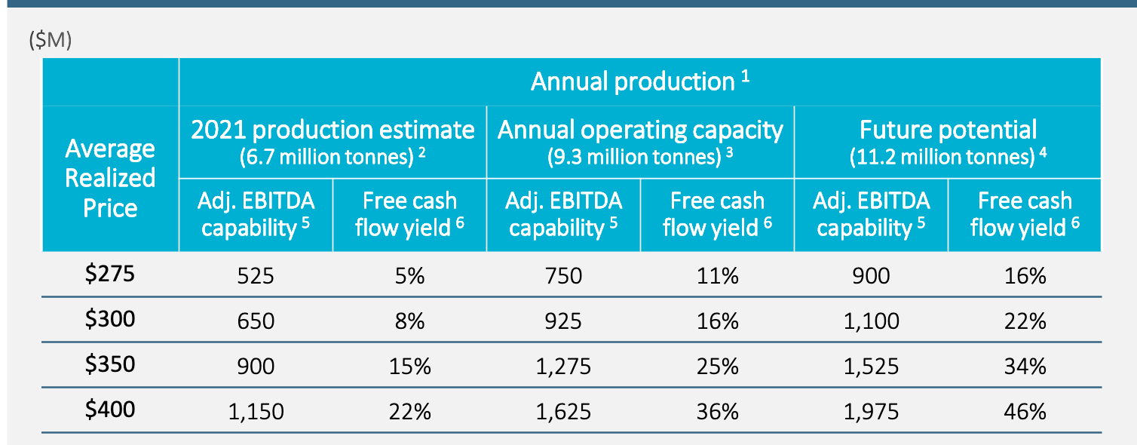
FY 2019 | 296.25 | 74.58 | 566 | 7.589
Q1 2020 | 267 | 68.76 | 138 | 2.007
Q2 2020 | 211 | 19.66 | 32 | 1.628
Q3 2020 | 217 | 29.15 | 40 | 1.372
Q4 2020 | 282 | 84.63 | 136 | 1.607
FY 2020 | 244.25 | 52.31 | 346 | 6.614

ŷ = 0.67732X - 120.27093

Valuation
MEOH - Sahil Chawla
 |  |  | Current Price Input | Indirect row input (75-80)
 |  |  | 2016-2019 MEOH Prices | 75
 |  |  | if 80: Input methnol price: | 350
 |  |  |  |  |  | 2021 | 2022 | 2023 | 2024
Current Price 2/21/2021 | $37.24 |  |  |  | Input Methanol Price | 232 | 334 | 409 | 302 |  |  | IRR to Peak
Shares Outstanding | 76.20 |  |  |  | 2016-2019 Cycle | 232 | 334 | 409 | 302 |  |  | EV/EBITDA
Market Cap | 2,837.59 |  |  |  | 2012-2015 Cycle | 375 | 437 | 449 | 318 |  |  | Peak EBITDA | 1,000 | <- Changes first row
Cash | 833.84 |  |  |  | 2015-2018 Cycle | 310 | 234 | 337 | 409 |  |  | EV | 5,381.71
Debt | 3,085.61 |  |  |  |  |  |  |  |  |  |  | Multiple | 6 | <- Changes all
Minority interest | 292.36 |  |  |  |  | 2021 | 2022 | 2023 | 2024 | Average EBITDA |  | Implied EV | 6,000
Enterprise Value | 5,381.71 |  |  |  | Adj EBITDA (input) | 309 | 954 | 1,390 | 946 | 899
 |  |  |  |  | 2016-2019 Cycle | 309 | 954 | 1,390 | 946 |  |  | Years Until Peak | SP | 1 | 2 | 3 | 4 | 5 | 6 | 7
 |  |  |  |  | 2012-2015 Cycle | 1,026 | 1,546 | 1,619 | 1,063 |  |  | Input | $57.71 | 11% | 6% | 4% | 3% | 2% | 2% | 2%
 |  |  |  |  | 2015-2018 Cycle | 702 | 383 | 978 | 1,727 |  |  | 2016-2019 Cycle | $57.71 | 55% | 24% | 16% | 12% | 9% | 8% | 6%
Interest Earned | (2.10) |  |  |  | 300 Flat | 395 | 484 | 502 | 606 |  |  | 2012-2015 Cycle | $67.21 | 80% | 34% | 22% | 16% | 13% | 10% | 9%
Quick Ratio (MRQ) | 1.68 |  |  |  | 250 Flat | 188 | 242 | 257 | 297 |  |  | 2015-2018 Cycle | $71.69 | 93% | 39% | 24% | 18% | 14% | 12% | 10%
ROIC (Avg 2016-2019) | 11% |  |  |  | Adj EBITDA (RBC) | 645 | 616 |  |  |  |  | 300 Flat | $25.17 | -32% | -18% | -12% | -9% | -8% | -6% | -5%
Growth Capex | 787.98 |  |  |  | Adj EBITDA (BARCAP) | 680 | 715 |  |  |  |  | 250 Flat | $12.35 | -67% | -42% | -31% | -24% | -20% | -17% | -15%
Bitcoin owned | 0 |  |  |  | EV/EBITDA (curr) | 17.44 | 5.64 | 3.87 | 5.69

 |  |  |  |  |  | 2021 | 2022 | 2023 | 2024 | Average EPS |  | P/E
 |  |  |  |  | EPS (input) | (0.64) | 5.25 | 9.52 | 5.71 | 4.96 |  | EPS | 10 | <- Changes first row
Multiple (CapIQ) | TTM | FWD |  |  | 2016-2019 Cycle | (0.64) | 5.25 | 9.52 | 5.69 |  |  | Multiple | 8 | <- Changes all
EV/EBITDA | 16 | 7 |  |  | 2012-2015 Cycle | 4.74 | 11.01 | 12.19 | 6.56 |  |  | SP | $76.16
P/E | #N/A | 25 |  |  | 2015-2018 Cycle | 2.04 | 1.22 | 5.54 | 12.54
 |  |  |  |  | 300 Flat | (0.13) | 1.85 | 2.09 | 3.38 |  |  | Years Until Peak | SP | 1 | 2 | 3 | 4 | 5 | 6 | 7
 |  |  |  |  | 250 Flat | (1.33) | 0.44 | 0.65 | 1.60 |  |  | Input | $76.16 | 105% | 43% | 27% | 20% | 15% | 13% | 11%
 |  |  |  |  | EPS (RBC) | 1.04 | 0.83 |  |  |  |  | 2016-2019 Cycle | $76.15 | 104% | 43% | 27% | 20% | 15% | 13% | 11%
 |  |  |  |  | EPS (BARCAP) | 1.58 | 1.89 |  |  |  |  | 2012-2015 Cycle | $97.53 | 162% | 62% | 38% | 27% | 21% | 17% | 15%
 |  |  |  |  | P/E (curr) | (58.46) | 7.09 | 3.91 | 6.52 |  |  | 2015-2018 Cycle | $100.30 | 169% | 64% | 39% | 28% | 22% | 18% | 15%
 |  |  |  |  |  |  |  |  |  |  |  | 300 Flat | $27.03 | -27% | -15% | -10% | -8% | -6% | -5% | -4%
 |  |  |  |  |  |  |  |  |  |  |  | 250 Flat | $12.81 | -66% | -41% | -30% | -23% | -19% | -16% | -14%
 |  |  |  |  |  | 2021 | 2022 | 2023 | 2024
 |  |  |  |  | FCF Yield (input) | 2% | 11% | 19% | 13%
 |  |  |  |  | 2016-2019 Cycle | 2% | 11% | 19% | 11%
 |  |  |  |  | 2012-2015 Cycle | 13% | 21% | 23% | 13%
 |  |  |  |  | 2015-2018 Cycle | 8% | 4% | 11% | 24%
 |  |  |  |  | 300 Flat | 4% | 6% | 7% | 11%
 |  |  |  |  | 250 Flat | 0% | 2% | 2% | 5%
 |  |  |  |  |  |  |  |  |  |  |  | Methanol Price | 250 | 300 | 350 | 400 | 450
 |  |  |  |  |  |  |  |  |  |  |  | Average EPS | $0.34 | $1.80 | $3.49 | $5.37 | $10.21
 |  |  |  |  |  |  |  |  |  |  |  | Peak EPS | $1.60 | $3.38 | $5.24 | $7.67 | $7.49
 |  |  |  |  |  |  |  |  |  |  |  | P/E (Avg) | 109.53 | 20.69 | 10.67 | 6.93 | 3.65
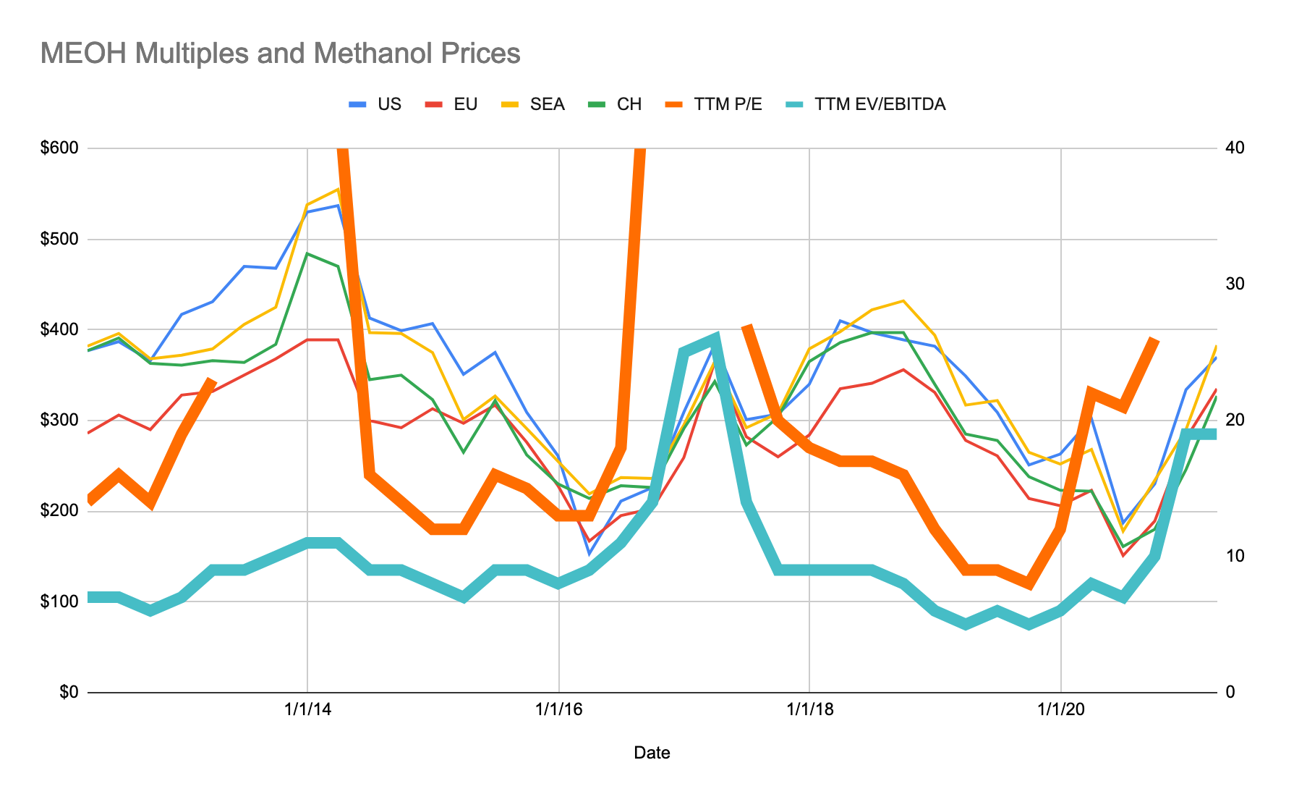
 |  |  |  |  |  |  |  |  |  |  |  | P/E (Peak) | 23.28 | 11.02 | 7.11 | 4.86 | 4.97

 |  |  |  |  |  |  |  |  |  |  | Works only if E3 = 80

 |  |  |  |  |  |  |  |  |  |  | Based on Peak EPS |  | Methanol Price
 |  |  |  |  |  |  |  |  |  |  |  | $76.16 | 250 | 300 | 350 | 400 | 450
 |  |  |  |  |  |  |  |  |  |  | P/E | 4 | $6.40 | $13.52 | $21.66 | $30.68 | $40.85
 |  |  |  |  |  |  |  |  |  |  |  | 6 | $9.61 | $20.27 | $32.50 | $46.02 | $61.27
 |  |  |  |  |  |  |  |  |  |  |  | 8 | $12.81 | $27.03 | $43.33 | $61.36 | $81.70
 |  |  |  |  |  |  |  |  |  |  |  | 10 | $16.01 | $33.79 | $54.16 | $76.70 | $102.12
 |  |  |  |  |  |  |  |  |  |  |  | 12 | $19.21 | $40.55 | $64.99 | $92.05 | $122.55

 |  |  |  |  |  |  |  |  |  |  | Based on AVG EPS |  | Methanol Price
 |  |  |  |  |  |  |  |  |  |  |  | $2.74 | 250 | 300 | 350 | 400 | 450
 |  |  |  |  |  |  |  |  |  |  | P/E | 4 | $1.37 | $7.19 | $13.96 | $21.48 | $29.95
 |  |  |  |  |  |  |  |  |  |  |  | 6 | $2.05 | $10.78 | $20.93 | $32.21 | $44.93
 |  |  |  |  |  |  |  |  |  |  |  | 8 | $2.74 | $14.37 | $27.91 | $42.95 | $59.91
 |  |  |  |  |  |  |  |  |  |  |  | 10 | $3.42 | $17.97 | $34.89 | $53.69 | $74.89
 |  |  |  |  |  |  |  |  |  |  |  | 12 | $4.11 | $21.56 | $41.87 | $64.43 | $89.86

