Sheet2
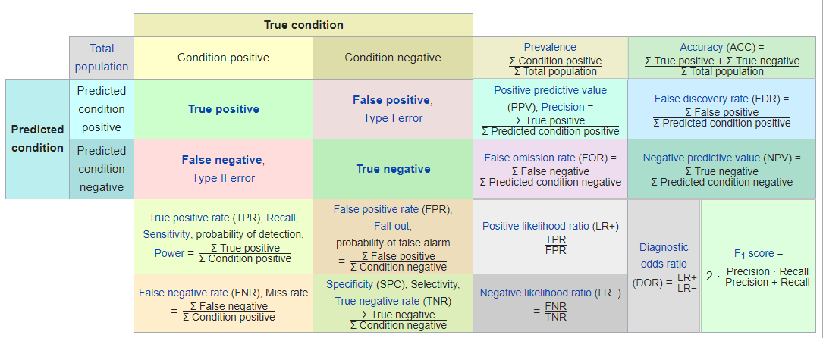
Confusion matrix of Logistic
 | Actual_Creditworthy | Actual_Non-Creditworthy
Predicted_Creditworthy | 95 | 22 | 81.20%
Predicted_Non-Creditworthy | 10 | 23 | 30.30% | 69.70%
 | 90.48% | 48.89%
 |  | 51.11%
Confusion matrix of Decision_Tree
 | Actual_Creditworthy | Actual_Non-Creditworthy
Predicted_Creditworthy | 91 | 24 | 79.13%
Predicted_Non-Creditworthy | 14 | 21 | 40.00% | 60.00%
 | 86.67% | 53.33%
 |  | 46.67%
Confusion matrix of Forest
 | Actual_Creditworthy | Actual_Non-Creditworthy
Predicted_Creditworthy | 102 | 28 | 78.46%
Predicted_Non-Creditworthy | 3 | 17 | 15.00% | 85.00%
 | 97.14% | 62.22%
 |  | 37.78%
Confusion matrix of Boosted
 | Actual_Creditworthy | Actual_Non-Creditworthy
Predicted_Creditworthy | 100 | 26 | 79.37%
Predicted_Non-Creditworthy | 5 | 19 | 20.83% | 79.17%
 | 95.24% | 57.78%
 |  | 42.22%

