作業レポート
業務報告書 (2025/12/01～2026/02/18)

【業務振り返り (AI生成)】
【AIレビュー生成制限】APIの無料枠制限（クォータ）に達しました。時間を置いて再度お試しください。 エラー詳細: 429 You exceeded your current quota, please check your plan and billing details. For more information on this error, head to: https://ai.google.dev/gemini-api/docs/rate-limits. To monitor your current usage, head to: https://ai.dev/rate-limit. * Quota exceeded for metric: generativelanguage.googleapis.com/generate_content_free_tier_input_token_count, limit: 0, model: gemini-2.0-flash * Quota exceeded for metric: generativelanguage.googleapis.com/generate_content_free_tier_requests, limit: 0, model: gemini-2.0-flash * Quota exceeded for metric: generativelanguage.googleapis.com/generate_content_free_tier_requests, limit: 0, model: gemini-2.0-flash Please retry in 41.006740271s. [links { description: "Learn more about Gemini API quotas" url: "https://ai.google.dev/gemini-api/docs/rate-limits" } , violations { quota_metric: "generativelanguage.googleapis.com/generate_content_free_tier_input_token_count" quota_id: "GenerateContentInputTokensPerModelPerMinute-FreeTier" quota_dimensions { key: "model" value: "gemini-2.0-flash" } quota_dimensions { key: "location" value: "global" } } violations { quota_metric: "generativelanguage.googleapis.com/generate_content_free_tier_requests" quota_id: "GenerateRequestsPerMinutePerProjectPerModel-FreeTier" quota_dimensions { key: "model" value: "gemini-2.0-flash" } quota_dimensions { key: "location" value: "global" } } violations { quota_metric: "generativelanguage.googleapis.com/generate_content_free_tier_requests" quota_id: "GenerateRequestsPerDayPerProjectPerModel-FreeTier" quota_dimensions { key: "model" value: "gemini-2.0-flash" } quota_dimensions { key: "location" value: "global" } } , retry_delay { seconds: 41 } ]

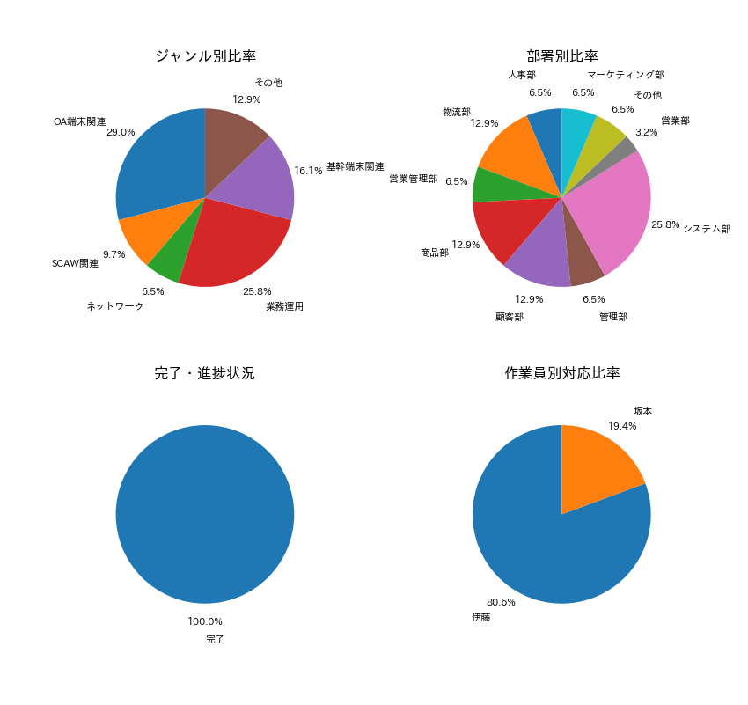

【項目別集計】
カテゴリ | 件数
OA端末関連 | 9
SCAW関連 | 3
ネットワーク | 2
業務運用 | 8
基幹端末関連 | 5
その他 | 4

