Sheet2
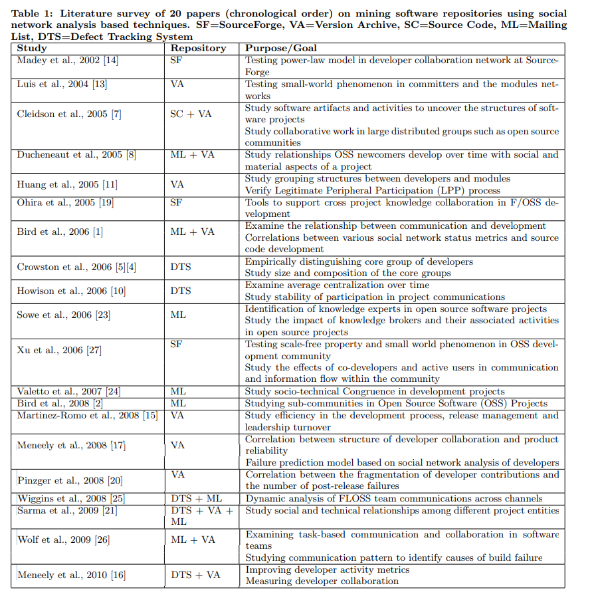
In: https://dl.acm.org/doi/pdf/10.1145/1953355.1953381

