Data
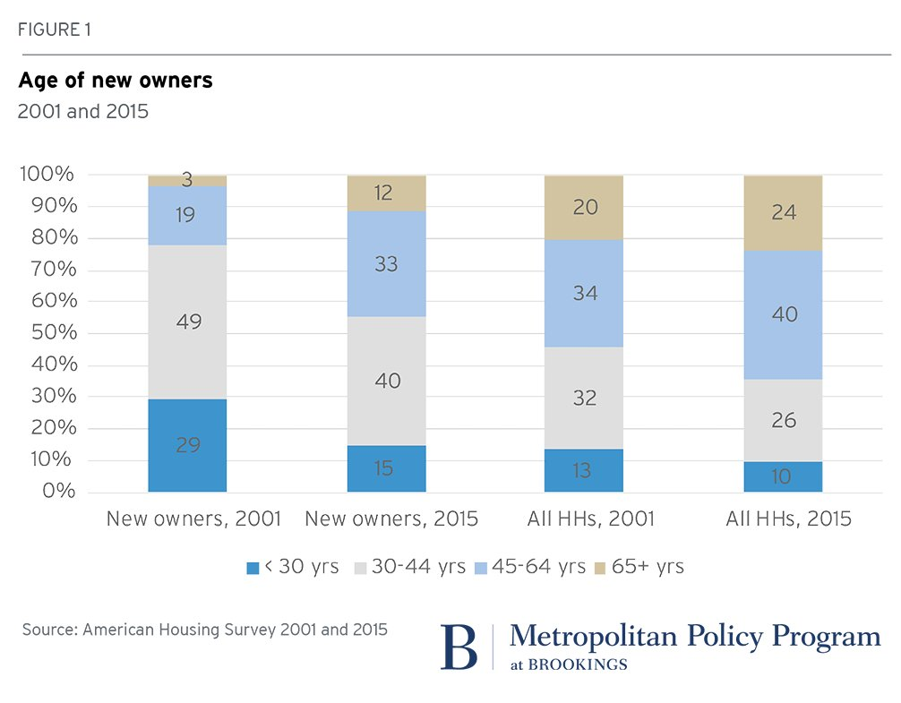
 |  |  |  |  |  | https://twitter.com/BrookingsInst/status/919024972076539905?ref_src=twsrc%5Etfw
 |  | <30 | 30-44 | 45-64 | 65+
New owners | 2001 | 29 | 49 | 19 | 3
 | 2015 | 15 | 40 | 33 | 12
 |  | 0 | 0 | 0 | 0
All Households | 2001 | 13 | 32 | 34 | 20
 | 2015 | 10 | 26 | 40 | 24

