Cover
We at CSG Pro hope you will find the color schemes included in this workbook useful. We will add more over time and if you have a favorite scheme of your own you would like to share with the community, let us know and we will add that to the collection.



CSG Pro = Power BI Pro

CCC Graph
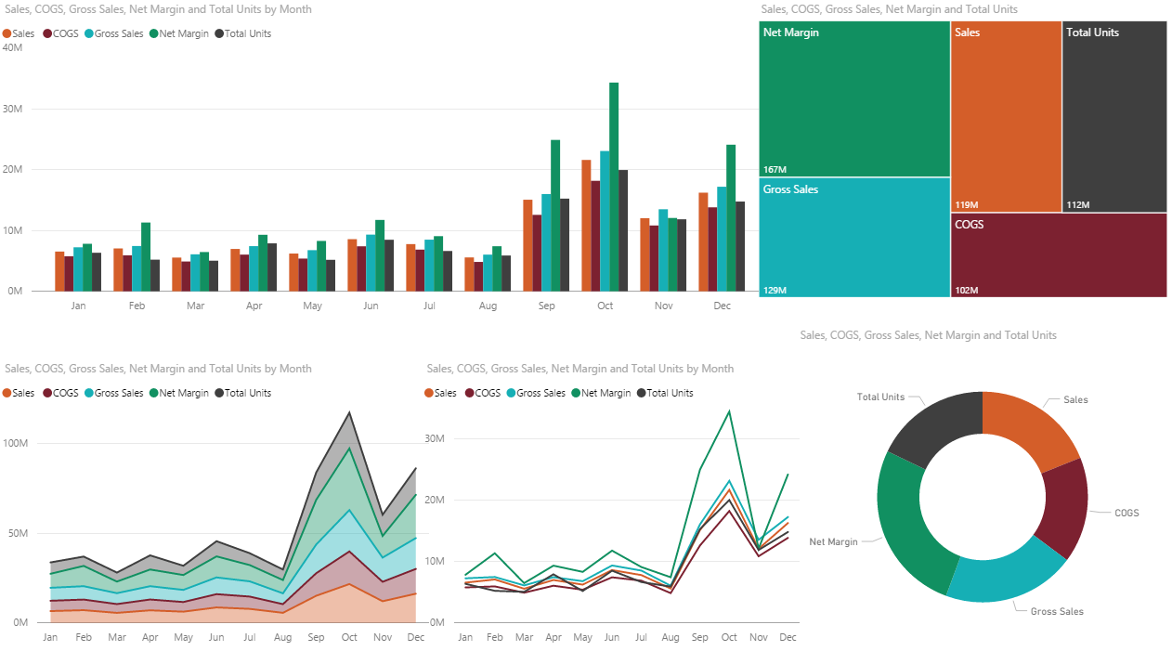
CCC Graph
D45E29 | Source: | http://www.colourlovers.com
7C2130
16AFB5
119061
3F3F3F

Sail
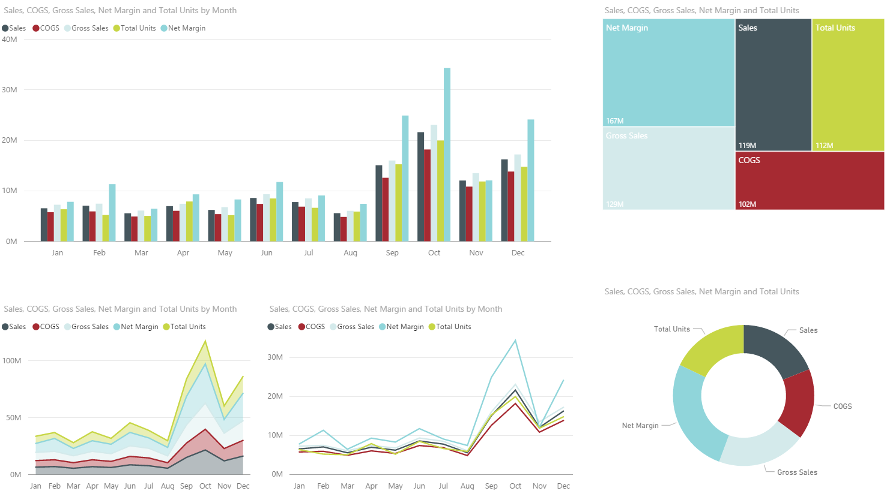
Sail
46575E
A62A32
D4EAEB
90D5DA
C7D645

BBSI
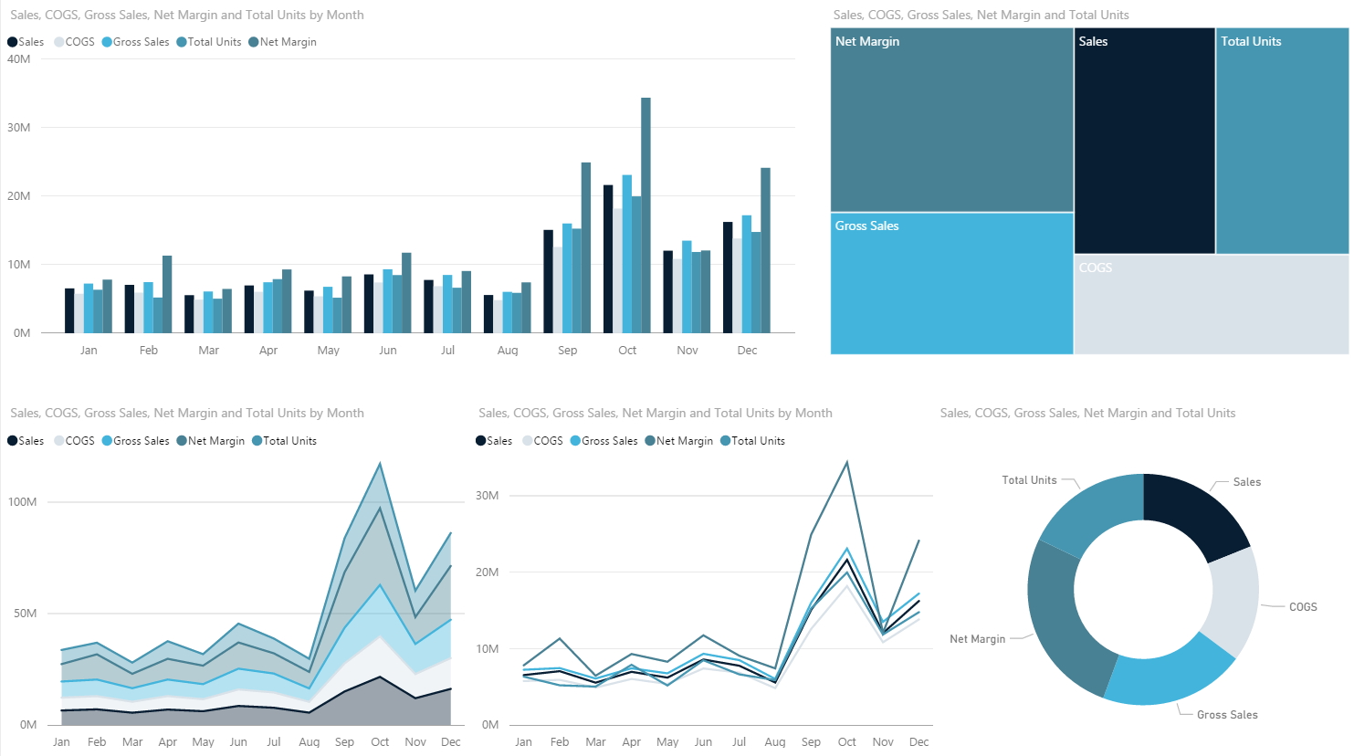
BBSI
071E33
DAE2E9
43B5DC
4696B1
498194

Hospital
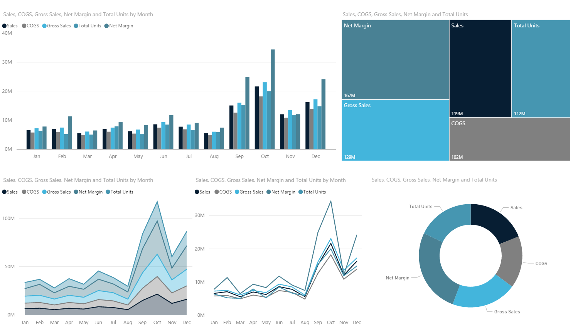
071E33
808080
43B5DC
4696B1
498194

Perfect Launch
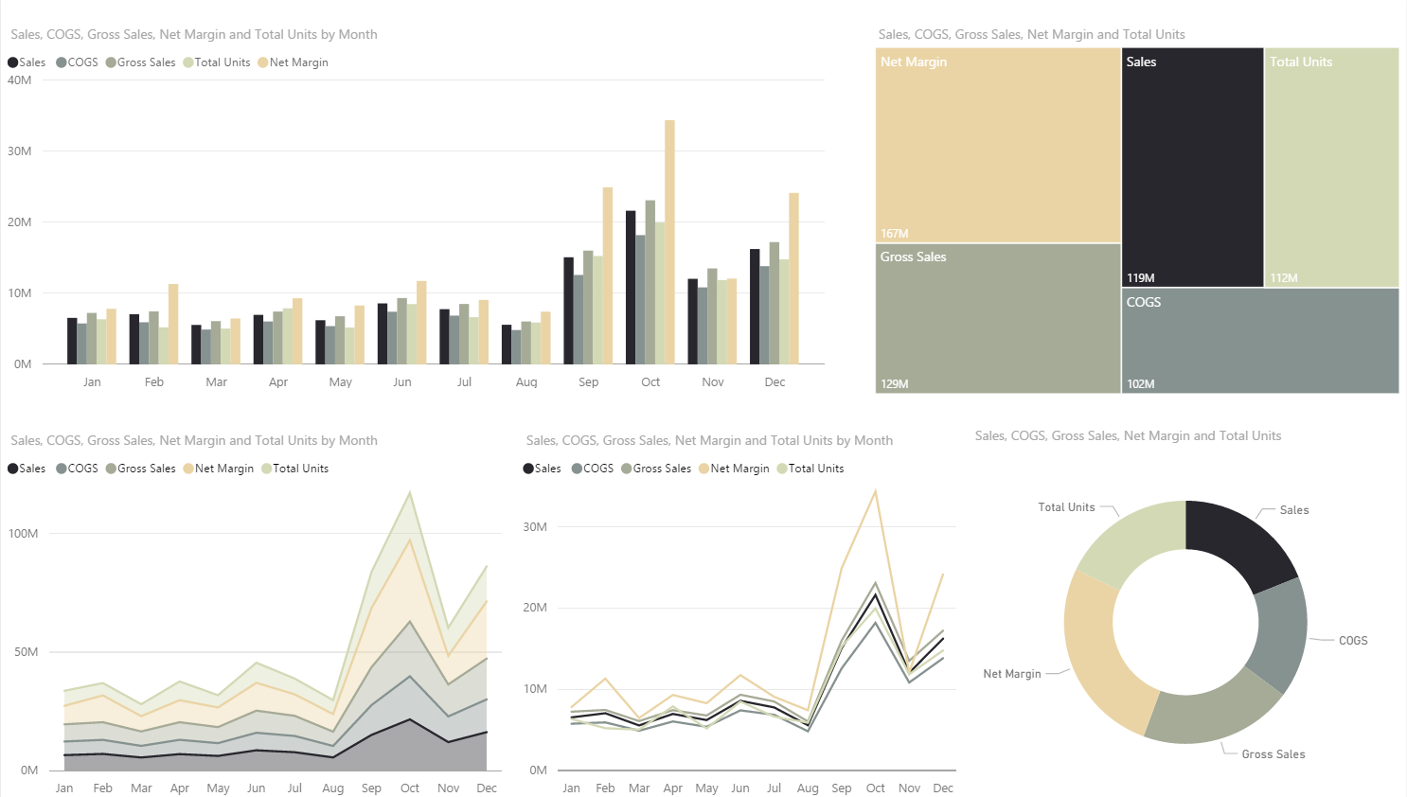
Perfect Launch
28272D
869290
A6AB97
D3D9B5
EAD4A5

Paschka
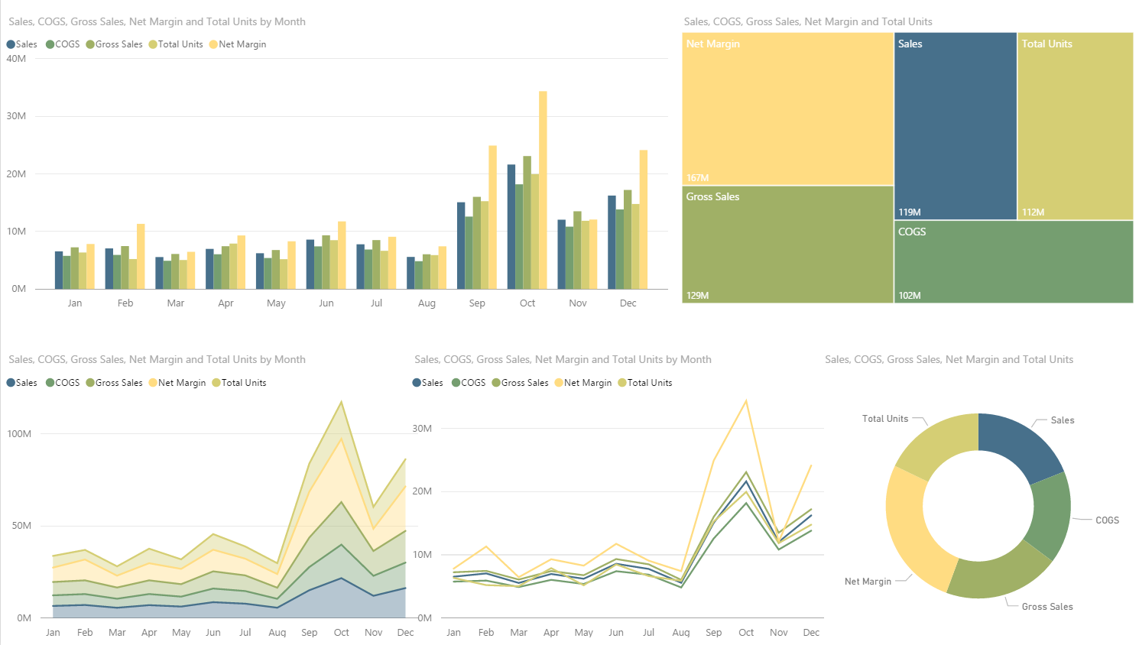
47708B
759E70
A0B066
D5CE74
FFDC82

Awsome Earth
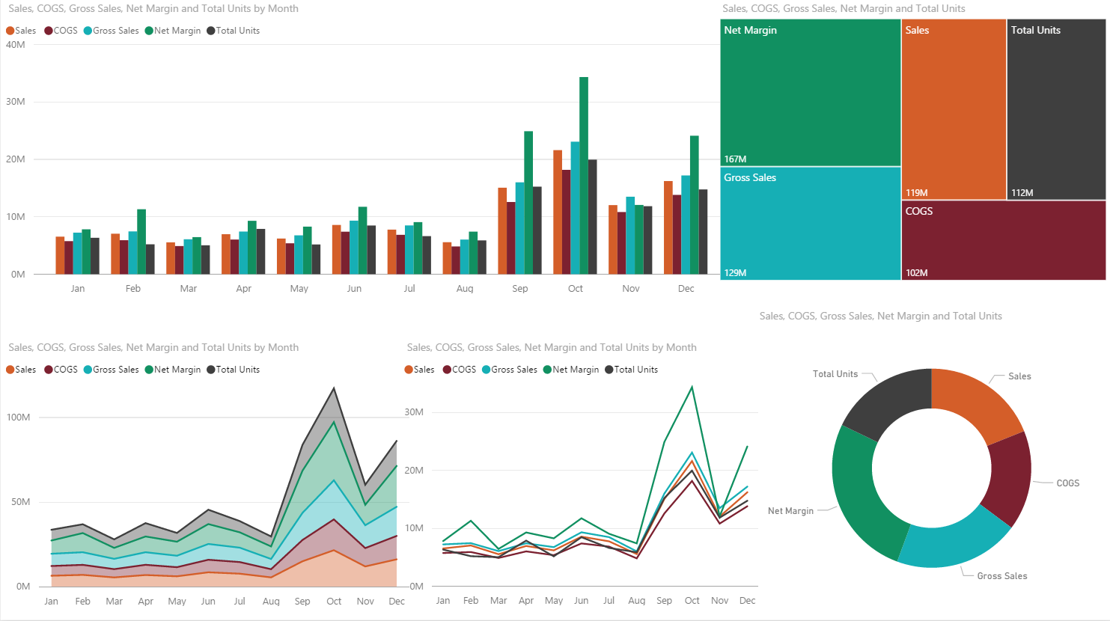
E8CF78
C96718
31530A
D38408
B31706

Duller's
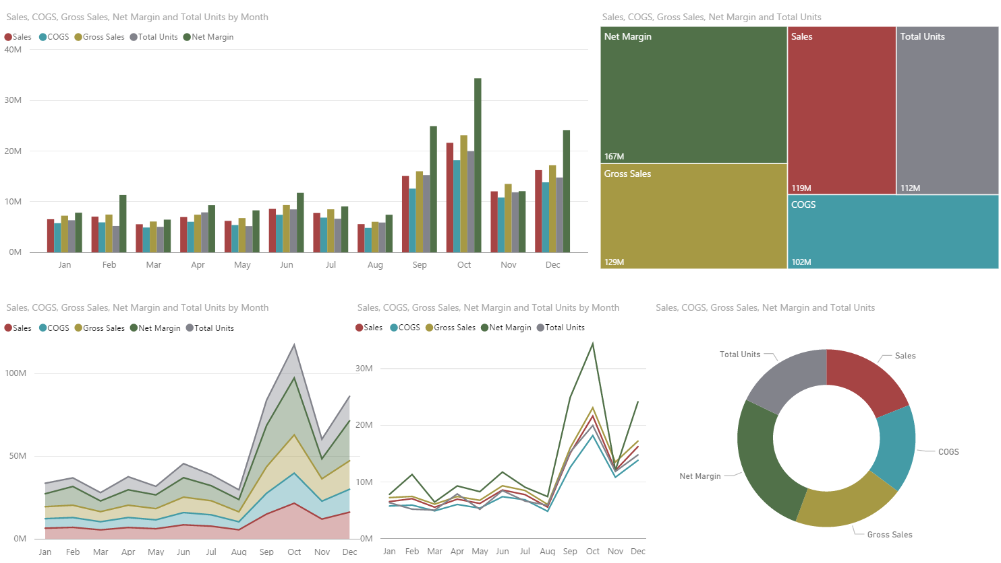
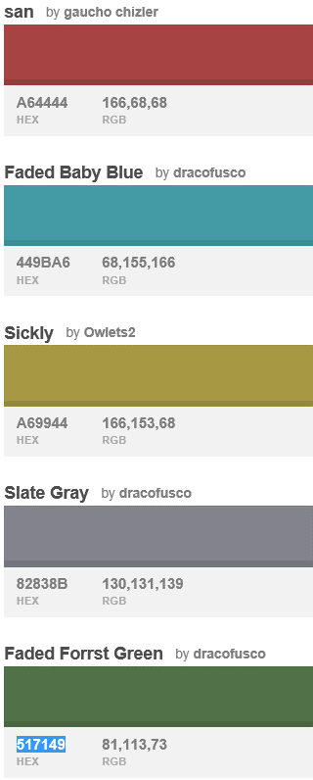
A64444

449BA6

A69944

82838B

517149

Rothsby
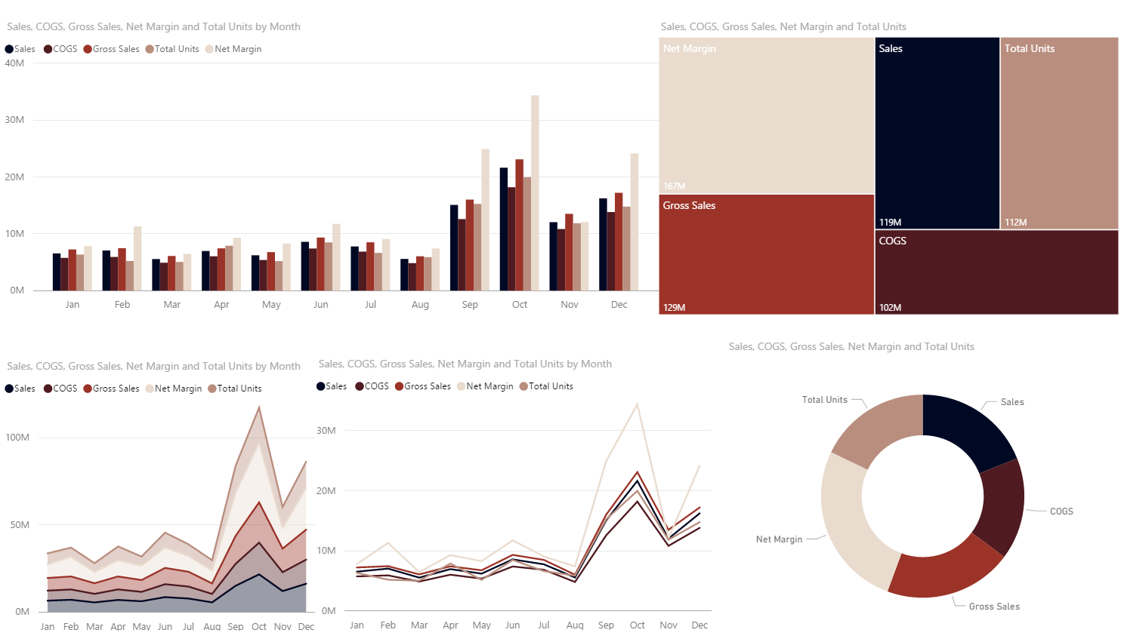

000924

4F1A20

9B3328

B98E7E

E9DBCE

Duller's 59-65
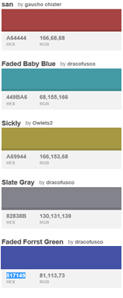
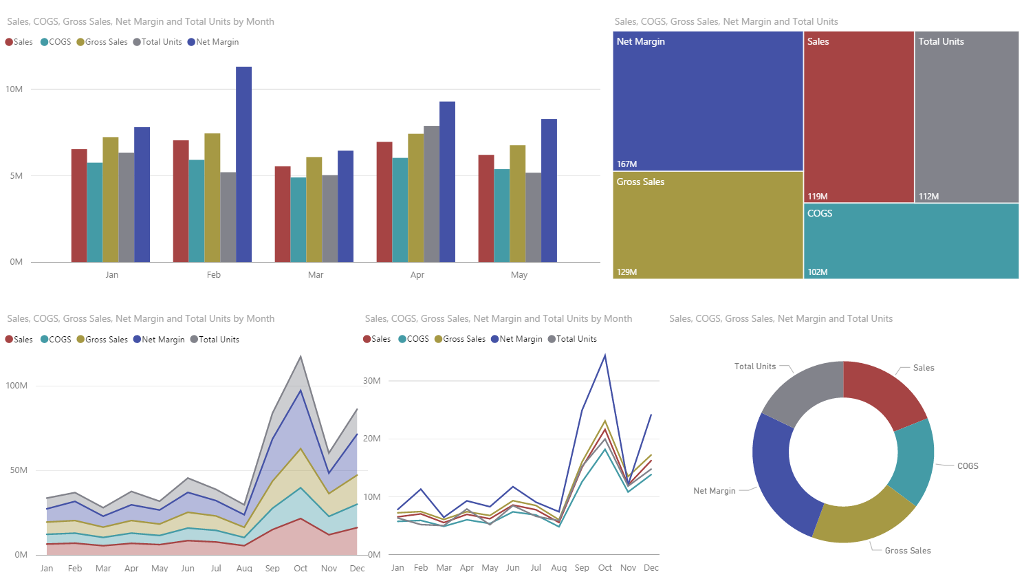

A64444

449BA6

A69944

82838B

4452A6

Peltier
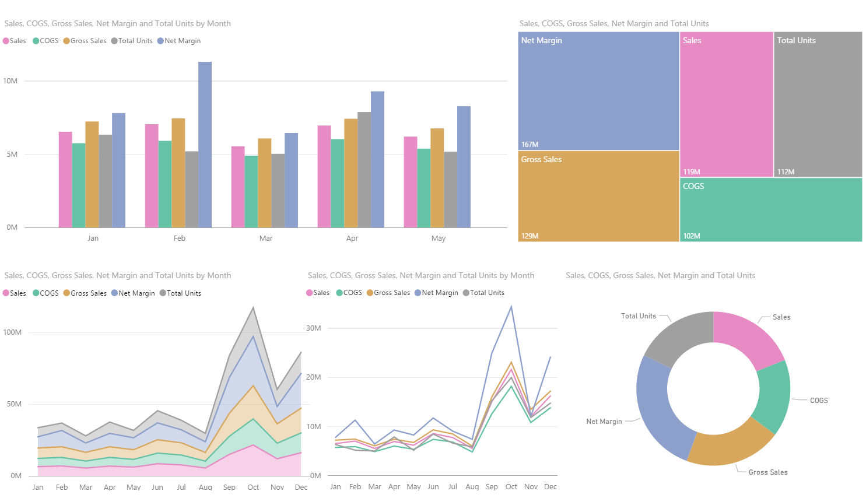
 | R | G | B | H | S | V
66C2A5 | 102 | 194 | 165 | 161 | 47 | 76
FC9062 | 252 | 141 | 98 | 18 | 61 | 99
8DA0CB | 141 | 160 | 203 | 258 | 21 | 80
E78BC4 | 231 | 138 | 195 | 323 | 40 | 91
A8D854 | 166 | 216 | 84 | 82 | 61 | 85
FFD92F | 255 | 217 | 47 | 49 | 82 | 100
D8A75E | 216 | 167 | 94 | 36 | 56 | 85
A0A0A0 | 160 | 160 | 160 | 0 | 0 | 63

 | http://peltiertech.com/using-colors-in-excel-charts/

