Sheet1
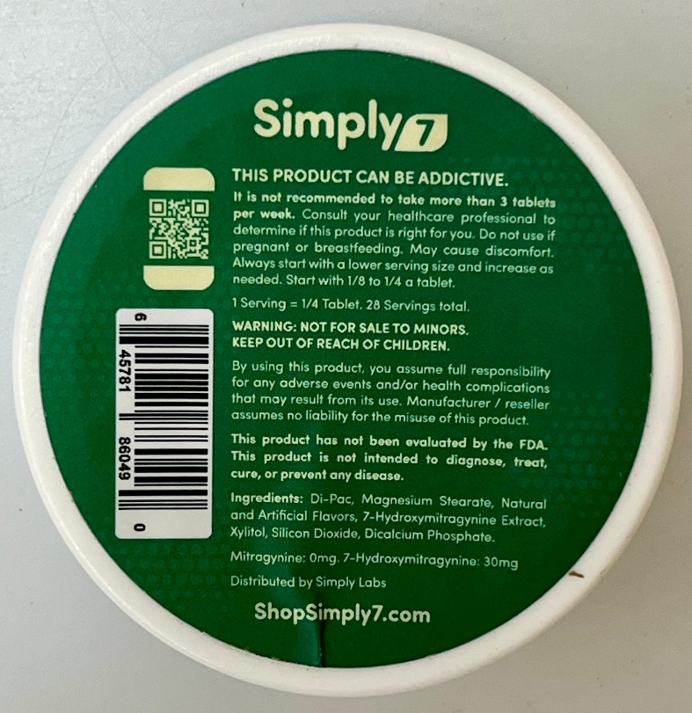
gemma | llama | qwen | deepseek
Simply |  | Simply7 | Simply7
THIS PRODUCT CAN BE ADDITIVE. | * THIS PRODUCT CAN BE ADDICTIVE. | THIS PRODUCT CAN BE ADDICTIVE. | THIS PRODUCT CAN BE ADDICTIVE.
It is not recommended to take more than 3 tablets per week. Consult your healthcare professional to determine if this product is right for you. Do not use if pregnant or breastfeeding. May cause discomfort. | * It is not recommended to take more than 3 tablets per week. Consult your healthcare professional before taking this product. Do not use if pregnant or breastfeeding. May cause discomfort. Always start with a lower dose and increase as needed. Start with 1/8 to 1/4 a tablet. | It is not recommended to take more than 3 tablets per week. Consult your healthcare professional to determine if this product is right for you. Do not use if pregnant or breastfeeding. May cause discomfort. Always start with a lower ring size and increase as needed. Start with 1/8 to 1/4 a tablet. | It is not recommended to take more than 3 tablets per week. Consult your healthcare professional to determine if this product is right for you. Do not use if pregnant or breastfeeding. May cause discomfort. Always start with a lower serving size and increase as needed. Start with 1/8 to 1/4 a tablet.
 | * 1 Serving = 1/4 Tablet. 28 Servings total. | 1 Serving = 1/4 Tablet. 28 Servings total. | 1 Serving = 1/4 Tablet. 28 Servings total.
 | * WARNING: NOT FOR SALE TO MINORS. KEEP OUT OF REACH OF CHILDREN. | WARNING: NOT FOR SALE TO MINORS. KEEP OUT OF REACH OF CHILDREN. | WARNING: NOT FOR SALE TO MINORS. KEEP OUT OF REACH OF CHILDREN.
 |  | 6 45781 86049 0
 | * By using this product, you assume full responsibility for any adverse events and/or health complications that may result from its use. Manufacturer/retailer assumes no liability for the misuse of this product. | By using this product, you assume full responsibility for any adverse events and/or health complications that may result from its use. Manufacturer / reseller assumes no liability for the misuse of this product. | By using this product, you assume full responsibility for any adverse events and/or health complications that may result from its use. Manufacturer / reseller assumes no liability for the misuse of this product.
 | * This product has not been evaluated by the FDA. This product is not intended to diagnose, treat, cure, or prevent any disease. | This product has not been evaluated by the FDA. This product is not intended to diagnose, treat, cure, or prevent any disease. | This product has not been evaluated by the FDA. This product is not intended to diagnose, treat, cure, or prevent any disease.
Ingredients: Di-Pac, Magnesium Stearate, Natural Cure, Silicon Dioxide, Dicalcium Phosphate. | * Ingredients: Di-Pac, Magnesium Stearate, Natural and Artificial Flavors, 7-Hydroxymitragynine Extract, Xylitol, Silicon Dioxide, Dicalcium Phosphate. | Ingredients: Di-Pac, Magnesium Stearate, Natural and Artificial Flavors, 7-Hydroxyimitrageynine Extract, Xylitol, Silicon Dioxide, Dicalcium Phosphate. | Ingredients: Di-Pac, Magnesium Stearate, Natural and Artificial Flavors, 7-Hydroxymitragynine Extract, Xylitol, Silicon Dioxide, Dicalcium Phosphate.
Mitragynine: 0mg, 7-Hydroxymitragynine: 30mg | * Mitragynine: 0mg. 7-Hydroxymitragynine: 30mg. | Mitragynine: 0mg, 7-Hydroxyimitrageynine: 30mg | Mitragynine: 0mg. 7-Hydroxymitragynine: 30mg
Distributed by Simply Labs | * Distributed by Simply Labs. | Distributed by Simply Labs | Distributed by Simply Labs
ShopSimply.com | * ShopSimply7.com. | ShopSimply7.com | ShopSimply7.com

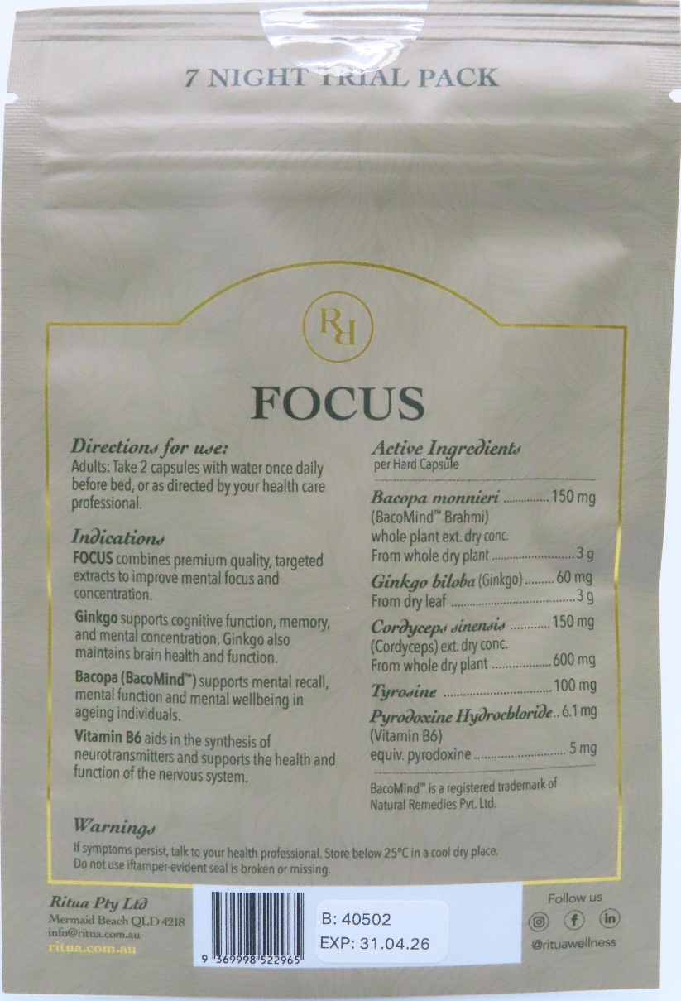
FOCUS | * **FOCUS** | 7 NIGHT TRIAL PACK | 7 NIGHT TRIAL PACK
Directions for use | Directions for use: Adults, take 2 capsules with water once daily before bed, or as directed by your healthcare professional. | R1
Adults take 2 capsules with water once daily | Indications: FOCUS combines premium quality, targeted extracts to improve mental focus and concentration. | FOCUS | FOCUS
before bed, or as directed by your health care professional. | Ingredients: Bacopa monnieri (Bacopa), Ginkgo biloba (Ginkgo), Tyrosine, Pyrodoxine (Vitamin B6), Bacopa monnieri (Bacopa). | Directions for use: | **Direction for use:**
Active Ingredients | Warning: If you experience any adverse effects, discontinue use and consult a healthcare professional. Do not use if you are pregnant, breastfeeding, or under 25 years old. | Adults: Take 2 capsules with water once daily before bed, or as directed by your health care professional. | Adults: Take 2 capsules with water once daily before bed, or as directed by your health care professional.
Bacomin® | The background of the image is white, suggesting that the product is being displayed in a clean and neutral environment. Overall, the image appears to be a product label or packaging for a dietary supplement or health product. | Indications: | **Indications**
Night Capsule | Here is a summary of the image in a few sentences: | FOCUS combines premium quality targeted extracts to improve mental focus and concentration. | FOCUS combines premium quality, targeted extracts to improve mental focus and concentration.
7 mg | The image shows a white plastic bag with a label on it, which contains information about the product's directions for use, indications, ingredients, and warnings. The product is called FOCUS and appears to be a dietary supplement or health product. The background of the image is white, suggesting a clean and neutral environment. | Ginkgo supports cognitive function, memory and mental concentration. Ginkgo also maintains brain and heart function. | Ginkgo supports cognitive function, memory, and mental concentration. Ginkgo also maintains brain health and function.
150 mg | Here is the content of the image in a few paragraphs: | Bacopa (Bacomin) supports mental recall, mental function and mental wellbeing in ageing individuals. | Bacopa (Bacomind®) supports mental recall, mental function and mental wellbeing in ageing individuals.
From whole plant | The product is called FOCUS and is described as a dietary supplement or health product. The label on the bag provides instructions for use, including taking 2 capsules with water once daily before bed or as directed by a healthcare professional. The product is indicated to improve mental focus and concentration, and contains a combination of premium quality, targeted extracts. The ingredients listed on the label include Bacopa monnieri (Bacopa), Ginkgo biloba (Ginkgo), Tyrosine, and Pyrodoxine (Vitamin B6). The label also includes a warning that if you experience any adverse effects, you should discontinue use and consult a healthcare professional. Additionally, it is not recommended to use the product if you are pregnant, breastfeeding, or under 25 years old. | Vitamin B6 aids in the synthesis of neurotransmitters and supports the health and function of the nervous system. | Vitamin B6 aids in the synthesis of neurotransmitters and supports the health and function of the nervous system.
dy conc. | The image appears to be a product label or packaging for a dietary supplement or health product. The product is called FOCUS and is described as a dietary supplement or health product. The label on the bag provides instructions for use, including taking 2 capsules with water once daily before bed or as directed by a healthcare professional. The product is indicated to improve mental focus and concentration, and contains a combination of premium quality, targeted extracts. The ingredients listed on the label include Bacopa monnieri (Bacopa), Ginkgo biloba (Ginkgo), Tyrosine, and Pyrodoxine (Vitamin B6). The label also includes a warning that if you experience any adverse effects, you should discontinue use and consult a healthcare professional. Additionally, it is not recommended to use the product if you are pregnant, breastfeeding, or under 25 years old. |  | **Warning**
Ginkgo biloba |  |  | If symptoms persist, talk to your health professional. Store below 25°C in a cool dry place. Do not use if tamper evident seal is broken or missing.
Vitamin B6 |  |  | ---
150 mg |  | Active Ingredients: | **Active Ingredients**
600 mg |  |  | per Hard Capsule
From dry leaf |  | Bacopa monnieri (Bacomin®) whole plant ext. dry conc. 3 g | **Bacopa monnieri** (Bacomind® Baphma)
7 mg |  |  | whole plant extract, dry concentrate
100 mg |  |  | From whole dry plant: 3 g
31.04.26 |  | Ginkgo biloba (Ginkgo) from dry leaf 3 g | **Ginkgo biloba** (Ginkgo)
B: 40502 |  |  | From dry leaf: 60 mg
EXP |  | Coriandrum sativum (Coriander) whole plant ext. dry conc. 600 mg | **Cordyceps sinensis** (Cordyceps) extract, dry concentrate
7 NIGHT CAPSULE |  |  | From whole dry plant: 600 mg
Natural Remedies Pvt. Ltd. |  | Thyroidine 100 mg | **Tyrosinase Inhibitor**
Follow us |  | Pyroxyline Hydrochloride 6.1 mg (Vitamin B6) equi. pyroxyline 5 mg | **Pyridoxine Hydrochloride**
BacoMind® |  | Warnings: | (Thiamin B6)
supports mental recall, |  | If you have any questions, please talk to your health professional. Store below 25°C in a cool dry place. | Vitamin B6
mental function and mental wellbeing. |  | Rina Pty Ltd | (equivalent pyridoxine)
 |  | Married Beach QLD 4111 | 5 mg
 |  | info@rinaspa.com.au | Bacomind® is a registered trademark of Natural Remedies Pvt. Ltd.
 |  | www.rinaspa.com.au | ---
 |  | B: 40502 | **Rituva Pty Ltd**
 |  | EXP: 31.04.26 | Merrivall Beach QLD 4550
 |  | Follow us | info@rituva.com.au
 |  |  | https://rituva.com.au
 |  |  | ---
 |  |  | **B: 40502**
 |  |  | **EXP: 31.04.26**
 |  |  | Follow us
 |  |  | Instagram
 |  |  | LinkedIn

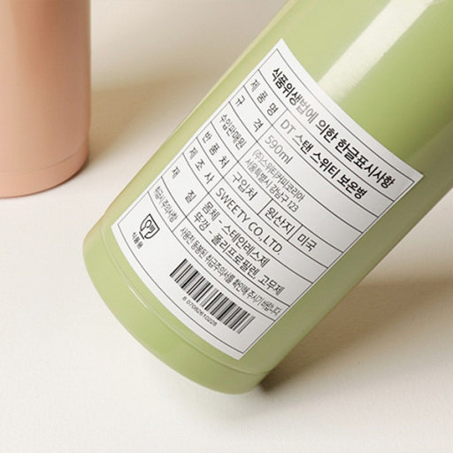
식품생활에 의한 품질사양 | 이 텍스트는 이미지에 표시된 텍스트를 포함하고 있습니다. 텍스트는 한글로 작성되어 있으며, 이미지에 표시된 텍스트를 추출하는 데 사용할 수 있습니다. | 식용유생산방식에 의한 한글표시사항
주 품명 DT 스웨티 보병 |  | 제 1 종
용량 590ml | * 텍스트는 다음과 같습니다. | 제 2 종
제조사 스웨티코리아 | * "한글 텍스트" | 수입원
주소 | * "이미지에 표시된 텍스트" | 분포처
(바코드 번호 포함) | * "텍스트를 추출하는 데 사용할 수 있습니다." | DT 스캔 스위티 보관병
 | * "한글로 작성되어 있습니다." | 500ml
 |  | 대한민국
 | 이 텍스트는 이미지에 표시된 텍스트를 포함하고 있습니다. 텍스트는 한글로 작성되어 있으며, 이미지에 표시된 텍스트를 추출하는 데 사용할 수 있습니다. | 서울특별시 강남구 123
 |  | 입산지
 |  | 미국
 |  | 제 조 사
 |  | 구인자
 |  | 원산지
 |  | SWEETY CO., LTD
 |  | 한국 - 스웨트리포멘트 고모제
 |  | 제 1 종 - 스웨트리포멘트
 |  | 식용유

