Sheet1
Culture | Glottocode | HRAF_ID | Collection | Source | URL | Date | Phases of moon | System note | Text | Image | Other source | Other text | Other text 2 | Notes
Rwandans |  | FO57 | HRAF | Czekanowski, Investigations in the area between the Nile and the Congo |  | 1917 | 5 |  | The lunar month is divided up according to the phases of the moon. Thus they speak of: imboneko, “emerging moon”; kwezi, “waxing moon”; inzoro, “full moon”; mizima, “waning moon”; imfunda, “disappearing moon.”
Nuer |  | FJ22 | HRAF | Evans-Pritchard, The Nuer: a description of the modes of livelihood and political institutions of a Nilotic people |  | 1940 | 2 |  | The only terms applied to the nightly succession of lunar phases are those that describe its appearance just before, and in, fullness. |  |  |  |  | also general terms (2) for low, high tide; uncertain how to code lunation; interstitial times between seasons that have no names
Tanala |  | FY08 | HRAF | Linton, The Tanala, a hill tribe of Madagascar |  | 1933 | 4 |  | The moon, ambolona, is a ball of some shining substance, which moves across the heavens of the middle and under worlds on the same track as the sun. None of my informants had ever heard a myth explaining its changes, although its phaseswere named. The new moon is velombolona, first quarter rimbamborona, full moon vorifotsy, and dark of the moonmatinvolona. There seems to be no name for the last quarter.
Shona |  | FS05 | HRAF | Bullock, The Mashona and the Matabele |  | 1950 | 6 |  | That is one reason why they love the moon and pour out libations to her when she is full ( Jena guru) as well as when she is re-born ( Jedzana). She becomes the old woman who has a good heart, and plays with the children, but when she wanes ( Mindu) she changes, strangely enough, to Rume guru ri no tsamwa—the great old husband who sulks; and when he or she dies, nothing connected either with life or death must be done. There is some confusion about her sex, but usually she is the old wife ( chembere) of the Sun, and Wewa, the Evening Star, is their child. They call the Morning Star by a different name— Nyamasase, or sometimes murongo, the younger wife. |  | https://original-ufdc.uflib.ufl.edu/AA00000228/00001/90 p 68 |  |  | New moon, first "quarter", second "quarter", last "quarter", moon dead, full moon (terms from other source)
Ovambo | ndon1253 | FX08 | HRAF | Loeb, In Feudal Africa |  | 1962 | 3 |  | They have named the phases: Okamuedjona New moon Nomutoto Half moon, light enough Etalambabi Full moon, eyes of deer
Khoi |  | FX13 | HRAF | Schultze, In namaland and the Kalahari |  | 1907 | 6 |  | A more detailed organization of the year is based upon the observation of the phases of the moon. When, after the new moon, the crescent again appears (□kxani˙, vb.) in the western sky, they consider the month //kxãb begun. For the Hottentot the phases of the moon are symbols of his own development and passing away (cf. Folk tale XXX): the crescent which is just appearing and still scarcely recognizable is called *□kxa□m//kxãb, □kxa□m with the meaning “unripe.” The word is also used to designate a fruit which is prematurely born. The narrow glittering crescent in which the moon, as it were, comes alive (that is the original meaning of !gā), is called *! gā˙go//kxãb. The first two quarters have two names that are common to both of them. The first is *gai˙//kxãgai˙ra//kxãb, “the moon that becomes big or old (gai).” The other name is *gā□ai˙ra//kxãb, “the moon that becomes clever (gā□ai).” Thus, they cause the moon to increase in age and wisdom until it ripens into the full moon, *gai//kxãb. In the last quarters only the narrow crescent is characterized as *//ōra//kxãb, “the dying (//ō, -ra, participle of progressive action) moon.”
Nivkh |  | RX02 | HRAF | Shrenk, The peoples of the Amur region |  | 1881 | 8 |  | The Gilyak, indeed, also observe the various phases of the moon, and, to be sure, in a very careful fashion, and they have special designations for the full and new moon ( long tscharntsch —is full, and l. mutsch —is dead), the waxing and waning moon ( padywu-l. and muiw-l. ), the half moon and the quarter moon ( l. putytsch and l. per(ch)kotsch ), and the waxing or waning of these phases of the moon ( padywu-l. putytsch and muiw-l. putytsch, or padywu-l. per(ch)kotsch and muiw-l. per(ch)kotsch) —but for the above-mentioned purpose of predetermining a definite day, this is only an approximate method, and if the sky is overcast for any length of time, as it by no means rarely is in the Amur region, it does not work at all.
Nicobarese |  | AZ07 | HRAF | Man, The Nicobar Islands and their People |  | 1932 | 5 |  | See table specifying "Terms employed for each day and phase of a lunation". 1st quarter, full moon, last quarter, waxing moon, waning moon |  |  |  |  | A separate set of tables for Car Nicobar is organized into 4 categories (waxing moon, whole moon, waning moon, disappearing moon)-- and an additional term for period between last appearance of old moon and first appearance of new moon -- so also 5
Andamans |  | AZ02 | HRAF | Temple, Ethnography |  | 1903 | 4 |  | They are aware of the connection of the phases of the moon with the tides and have names for the four phases of each lunation. They know the four quarters of the compass in reference to the daily position of the sun and have names for the four chief winds that blow (N. W., N. E., S. E., S. W.).
Sama-Bajau |  | OA08 | HRAF | Sather, The Bajau Laut: Adaptation, History and Fate in a Maritime Fishing Society of South-eastern Sabah |  | 1997 | 4 |  | The Bajau Laut describe this time as the period of the ‘young moon’ (anak bulan). / The tenth night (sangpu hali) following no moon marks the beginning of what the villagers call a ‘bright moon’ phase (tellak bulan) / The period that follows is known as the phase of the ‘[late-]rising moon’ (bulan pinaluas).5 Spirits (saitan) and ghosts of the dead (panggua') are thought to be active, and in the village, house doors and windows are barred and lights are kept burning throughout the hours of darkness that precede the moon's rising. Hence, this period is also called bulan panggua', ‘ghost moon’ / As the moon wanes, the cycle enters a ‘dark phase’ called lendoman,6 which continues until the appearance of the new moon. |  |  |  |  | Also name each night: " The Bajau Laut distinguish by numerical terms twenty-nine or thirty nightly changes ( hali ) in a single waxing and waning moon"
Karen |  | AP07 | HRAF | Rajah, Remaining Karen: A study of cultural reproduction and the maintenance of identity |  | 2008 | 4 | not connected | Each month is reckoned from when the new moon appears, which is spoken of as “the rising of the new moon” ( thau la sau), to when there is no moon which is called “the moon dies” ( la si). The month is divided into two halves, corresponding to the waxing and waning phases of the moon, which are marked by the full moon ( la pghe) and no moon ( la si)./ The waxing and waning phases of the moon are again divided in half by the quarter phases of the moon, called la dau' pha'. The Palokhi Karen believe that work — which refers essentially to agricultural work — should not be done on la si, la pghe, and la dau'pha'. Th |  |  |  |  | Same name for two quarters
Saami |  | EP04 | HRAF | Itkonen, The Lapps in Finland up to1945 |  | 1984 | 7 |  | The following compound words and expressions illustrate the phase of the heavenly moon: [unknown]oddâ-m[unknown] annu = new moon, [unknown]sâd'di-m[unknown] annu = growing or new moon, m[unknown] annu leä p[unknown] el[unknown] in = the moon is halfway, nuös'si-m[unknown] annu , K. n[unknown] o h kki-m[unknown] an a = decreasing or waning moon, U. póaves-m[unknown] annu , K. vuamm-m[unknown] an a = old moon, last days of the waning moon, U. m[unknown] ano-kâs'kâ , K. m[unknown] an a -vuedd a = moon-bottom (when the moon is invisible before the new moon), K. m[unknown] an a -j[unknown] ory a ljâs = turn of the moon. 1 C |  |  |  |  | Unclear what "turn of the moon" is -- but we'll count this anyway
Mi'kmaq |  | NJ05 | HRAF | Wallis, The Micmac Indians of Eastern Canada |  | 1955 | 8 |  | The following phases with their names were obtained in 1911–12. By 1950 only five were remembered: new moon; first quarter; half moon; last quarter; full moon.
Delaware |  | NM07 | HRAF | Heckewelder, An account of the history, manners and customs |  | 1819 | 3 |  | They distinguish the phases of the moon by particular names; they say the “new moon,” the “round moon,” (when it is full), and when in its decline, they say it is “half round.”
Yuki |  | NS30 | HRAF | Foster, A summary of Yuki culture |  | 1944 | 4 |  | Phases of the moon were given as follows: new moon, lášk'owal-šimnánhiki (moonlike eyebrows); first quarter, pupúč-haówe-lášk'owal (moon is five days old); full moon, lášk'owal-menikele (moon is getting big); last quarter, lášk'owal-k'olyélike (moon is dying). The translations are probably not literal.
Yuki |  | NS30 | HRAF | Gifford, The Coast Yuki |  | 1965 | 6 | not connected | Various phases of the moon (lashkowe) were named: lashkowe putesh, moon rising; lashkowe yukelet (lashkowe wikis), new moon; lashkowe ulmele, half moon (waxing half moon not distinguished from waning half moon); lashkowe mindel, full moon; lashkowe ûl, waning moon, less than half size; lashkowe koldel, “moon dead”, dark of the moon. The waning moon was said to be dying. When the moon rose red, it was said a bear had caught and injured i |  |  |  |  | No distinction between first and last quarter
Yokuts |  | NS29 | HRAF | Gayton, Yokuts and western Mono ethnography |  | 1948 | 5 |  | hača 'm u 'pιš: new moon [lit., young moon] (J.B.). If the new moon in winter showed the faint circle of its complete sphere, it was said to be “making its house,” and was regarded as a sign of rain. 209 hiam mapι 'nši u 'pιš: full moon (J.B.) hiam katai 'šu u 'pιš: old moon (J.B.) u 'pιs tawi 'ˇoi: waning moon [lit., dying moon] (M.L.); hiam tawi 'tιl: now dying, said of waning moon (M.P.) kamu 'tu u 'pιš: dark of moon [lit., lacking moon] (J.B.) |  |  |  |  | Informant J.B is listed under "Yokuts: Central Foothills." DPLACE data give sout2955 as glottocode for this dialect
Assinboine |  | NF04 | HRAF | Denig, Indian tribes of the Upper Missouri |  | 1930 | 6 |  | These moons suffer no divisions of time except their phases, viz, new moon, increasing moon (first quarter), round moon (full moon), eaten moon (second quarter), half moon, dead moon (invisible).
Maricopa | mari1440 | NT43 | HRAF | Spier, Yuman tribes of the Gila river |  | 1933 | 6 |  | The phases of the moon were named as follows: new moon, hapa'm; first quarter t a ω i g; half moon, t i nyak a i 'g (t i ny a 'm, dark; k a i g, come here); full moon, i ny a muyo'v i g, lit. “[the moon] looks at the sun”; a somewhat uncertain name for the last quarter, pu i nyupai', “disappearing”; the dark phase, tiny a 'm, lit. “dark.” Kutox, the informant, uniformly referred to these phases not by the appearance of the moon, but as it was opposed to or near the sun.
Aranda |  | OI08 | HRAF | Spencer, The Arunta: A study of a stone age people |  | 1927 | 4 |  | The new moon is Atninja kurka utnamma. Half moon is Atninja kurka iwuminta. Three-quarter moon is Atninja urteratera. Full moon is Atninja aluquirta
Northeastern Massim | muyu1244 | OL07 | HRAF | Damon, From Muyuw to the Trobriands |  | 1990 | 3 |  | People pay a great deal of attention to the moon, and its phases provide a sense of regular change all but lost to our own experience. But Muyuw do not systematize their observations, Malinowski writes that Trobrianders count the days of the moon (1927:206–207), Muyuw do not. Several informants told me that the new moon is gagoud and the full moon is kamin. Gagoud translates as “unripe” or “uncooked,” whereas kamin is “cooked.” This sounds suggestive, but investigating it did not lead to a set of important values tied to the moon. Several informants said the “metaphors” (kabebay) “uncooked” and “cooked” were a misuse of language. Most people just say, for example, that a new moon is iton (established), while a full moon is pumupum (round). Sometimes people refer to the moon “at yanay.” Yanay usually refers to the sun directly overhead, that is, noon. With the moon yanay means its first quarter, when at first dark the moon is directly overhead
Chuuk |  | OR19 | HRAF | Goodenough, Native astronomy in the Central Carolines |  | 1953 | 3 |  | The lunar month is divided into three periods, said to be ten days each on Truk. The first, a period of darkness, is feared as the time when ghosts and sorcerers are active. Trukese natives favor the second ten days of relatively full moon during the evening hours for social activities. The lunar month represents the longest day-count kept.
Tongan |  | OU09 | HRAF | Collocott, Supplementary Tongan vocabulary |  | 1925 | 14 |  | Matakila, when the moon begins to appear, and is said to be seen by gods and only afterwards by men. Faka-ua and so on to Faka-valu. There is no Faka-hiva, or higher number, but the moon is then called Tu'u-efiaft, risen at evening, or in the afternoon. Bunifaga, when the moon is bigger than half. Fuofuavale, almost full moon. Katoa-to, full moon, but setting (before day-break?). Fakatau-ata, setting after dawn (ata). Mama-loa, the moon sets just before sun-rise, and rays are seen both of the moon which has just disappeared, and of the sun which is about to appear. Feahoaki, the moon has risen whilst it is still day, and is in the sky when the next day breaks. Uluaki ahoia, the moon is still in the sky when the day breaks. Tafaleu, when the flattening of one side of the moon's disc becomes apparent. Ma'una, the moon is still in the sky when day has broken, but is past the full. This is a night that is noted by the bonito-fishers. Matofitele, the waning of the moon is very apparent. Lekeleka, the moon is very small. Lekeleka mate, the moon has almost disappeared. The writer adds a note that there are 14 names for the phases of the moon. |  | collocott_supplementarytonganvocabulary.pdf
Marquesas |  | OX06 | HRAF | Handy, The native culture in the Marquesas |  | 1923 | 4 |  | The phases of the moon were named as follows: the new moon, mahina hou (new moon), or mahina tu (rising moon); the half moon, or end of the first quarter, mahina kotapa (moon cut off); the full moon, mahina pi (moon full); and the moon in its last quarter, mahina fiti po tano (moon going to dense darkness). |  |  |  |  | synonym? 4 or 5?
Warao |  | SS18 | HRAF | Dieter, Adaptive changes in a tribal economy: a case study of the Winikina-Warao |  | 1973 | 12 |  | 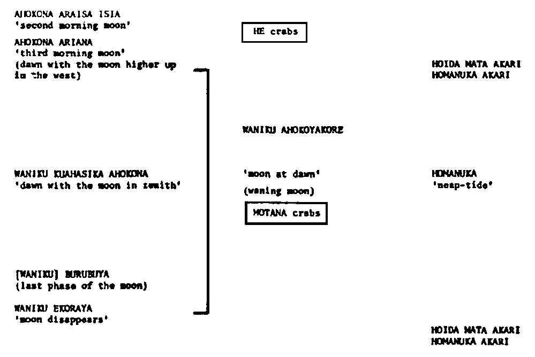 |  |  |  |  | synonyms?
Otavalo Quichua | ecua1249 | SD16 | HRAF | Parsons, Peguche, canton of Otavalo, province of Imbabura: a study of Andean Indians |  | 1945 | 4 |  | New moon = juju luna, “baby moon” (luna minguante or tripping?); luna pura, “full moon”; luna concosión, “waning moon.” At Cayambe the phases of the moon are well observed.
Xavante |  | SP26 | HRAF | Maybury-Lewis, David, Akwẽ-Shavante society |  | 1967 | 4 |  | These in their turn are subdivided into a number (up to five) of moons ( aa m̦õ ), and the period of a moon can be subdivided into its phases, ‘rising’ ( watobro ), waxing ( ĩdzáru ), waning ( ĩdzáru õ ), and ‘setting’ ( dzebre ).
Karaja |  | SP09 | HRAF | Krause, In the wilderness of Brazil: report and results of the Leipzig Araguaia Expedition of 1908 |  | 1911 | 5 |  | They apparently distinguish between five phases of the moon; for these I was given the following names by one Indian: first quarter, āh ănd ŭ ḷō ī́t ă ; not quite full moon, āh ănd ŭ́-l ă ḷ ǟ ḷ ĭ ; full moon, djūl ŭ́m lä ăl ǟl ĭ; last quarter, āh ănd ŭ- ắ ḷ ŭl ǟn ă ; new / 339 cont. / moon, ĭk ṓn ă . Of these, āh ănd ŭ́-l ă ḷ ǟl ĭ means a phase between half and full moon: “they are actually two moons.” Probably they mean the bright moon and the dark moon. This was confirmed for me also by other Indians, but it was impossible to find out anything in greater detail about it. Since the sequence of the phases was not clear to the people themselves, they gave various sequences and often corrected themselves. Beaming with pleasure, they called my attention to the first appearance of the crescent moon.
Bororo |  | SP08 | HRAF | Fabian, Space-time of the Bororo of Brazil |  | 1992 | 5 |  |  |  |  |  |  | have gone with simpler table
Yahgan |  | SH06 | HRAF | Gusinde, The Yahgan: the life and thought of the water nomads of Cape Horn |  | 1937 | 4 |  | Our Fuegians, of course, observe the striking progressive changes of the moon, and they have special terms for its individual phases. Thus, h□nu□a ta□y□gata is the full moon; akušd□ra, the completely invisible new moon; y□rum h□nu□a, the waxing moon; and, finally, h□nu□a h□ku, the waning moon. The word h□ku is probably the same as hakū, “another, the other” /cited in English/, in BD:262
Ona |  | SH04 | HRAF | Gusine, (1931) The Fireland Indians: Vol. 1. The Selk'nam, on the life and thought of a hunting people of the Great Island of Tierra del Fu |  | 1931 | 4 |  | Special designations for the phases of the moon are not lacking, but are only simple descriptions of the recognizable external form. Thus, Kr[unknown] is the general designation for moon, kr[unknown] towh[unknown] n[unknown] en for full moon ( = very large, whole moon), which is also expressed with kr[unknown] ta[unknown] = to be filled, sated (referring to the moon-woman's habit of devouring human beings; cf. p. 868); há[unknown] wen kr[unknown] = waning (diminishing) moon; ma[unknown] á[unknown] nen kr[unknown] = waxing (growing) moon; kr[unknown] n welé[unknown] en = new moon (literally: Mistress Moon hides)
Buli | buli1254 |  | web | Kröger, The notion of the moon in the calendar and religion of the Bulsa (Ghana) | https://journals.openedition.org/span/611 | 1986 | 3 |  | The moon, however, does not play a major role in their religious and ritual life, nor in their notion of time and their calendar. // This does not mean that Bulsa disregard the phases of the moon. They recognize the « birth of a new moon » and count its age in days. In their language, Buli, there are only a few terms for the different phases of the moon: kiik kum (death of a moon) for « waned moon », chi-bulik (young moon) and chi-paalik (new moon) for the first thin crescent of the waxing moon. More precise are the descriptions of lunar shapes in terms of age, e.g., chiika ta ka da pi jinla (today the moon is ten days old). Everybody can imagine the form of a moon at, say, eight or twenty days; and everybody knows that a fifteen-day old moon is a full moon.
Kashinawa | cash1254 |  | web | da Silva Sinha, Event-Based Time in Three Indigenous Amazonian and Xinguan Cultures and Languages | https://pmc.ncbi.nlm.nih.gov/articles/PMC6431639/ | 2019 | 4
Awetí | awet1244 |  | web | da Silva Sinha, Event-Based Time in Three Indigenous Amazonian and Xinguan Cultures and Languages | https://pmc.ncbi.nlm.nih.gov/articles/PMC6431639/ | 2019 | 5 |  | See entry for Kashinawa
Kamaiurá | kama1373 |  | web | da Silva Sinha, Event-Based Time in Three Indigenous Amazonian and Xinguan Cultures and Languages | https://pmc.ncbi.nlm.nih.gov/articles/PMC6431639/ | 2019 | 5 |  | See entry for Kashinawa
Arabic | stan1318 |  | web | Kashgary, The paradox of translating the untranslatable: equivalence vs non-equivalence in translating from Arabic into English | https://www.researchgate.net/publication/228857585_The_paradox_of_translating_the_untranslatable_Equivalence_vs_non-equivalence_in_translating_from_Arabic_into_English | 2010 | 4
Rotinese | term1237 |  | web | Fox, Sun, moon and the tides: cosmological foundations for the ideas of order and perfection among the Rotinese of Eastern Indonesia | https://library.oapen.org/bitstream/handle/20.500.12657/27478/beyond-the-horizon..pdf?sequence=1&isAllowed=y | 2008 | 4 | not connected | The progress of the sun and moon is seen as a cycle. When the sun sets, it circles beneath the sea and reappears in the east. The moon, too, circles beneath the sea but its cycle around the earth is also a cycle of growth and decline. This waxing and waning of the moon consists of two distinct trajectories. During the faik-cycle, the moon goes through three named phases. The new moon is bula-moli-beuk, ‘the new growing moon.’ The second phase of the moon is the half moon. The half moon occupies a position in the zenith and for the Rotinese, during this phase the moon has assumed the proper position of the sun. For this the Rotinese say: bula namatetu: ‘The moon becomes erect.’ Finally the moon reaches its goal and becomes the ‘full moon,’ bula temak. The trajectory of the bolo-cycle is toward disappearance. The moon wanes from a full moon to a half moon (bula namatetu), when again it assumes the position of the sun, and finally disappears (mopo) |  |  |  |  | Note disconnected caetgory. Also count days: "To be more exact, the Rotinese consider a month to be divided into two cycles of fifteen days each. For fifteen days the moon waxes and during this time, days are counted using the word for ‘day,’ faik: fai esak, fai duak, fai teluk... After the full moon, as the moon begins to wane, the Rotinese say that the moon sinks (nasa-bolo) and days are counted using the root of the verb ‘to sink,’ bolo: bolo esak, bolo duak, bolo teluk...1 When the moon is no longer visible, she has disappeared (mopo). "
G/wi | gwii1239 |  | web | Silberbauer, Hunter and habitat in the central Kalahari desert | https://www.google.com.au/books/edition/Hunter_and_Habitat_in_the_Central_Kalaha/Tzk5AAAAIAAJ | 1981 | 4 |  | "The phases of the moon are named and coincide with new, crescent, full moon, and last quarter"
Lesu | nots1237 | OM24 | web/HRAF | Powdermaker, Life in Lesu: The study of Melanesian society in New Ireland | https://www.google.com.hk/books/edition/Life_in_Lesu/dWghAAAAMAAJ?hl=en&gbpv=1&pg=PA11&printsec=frontcover | 1933 | 4 |  | "The moon itself is divided into the obvious four sections. The new moon is called luvil lil, literally the same as lil, the narrow leaf of the kunei tree. The quarter-moon is longain da nu, which refers to the small opening made in a coconut, nu, when the milk is drunk. The half-moon is kulitsin kil, and refers to the kilkil, a kind of nut which when opened is shaped like a half-moon. The full moon is called kepkep, the name of the round breast ornament.
Yahgan | yama1264 |  | web | Bridges, A few notes on the structure of Yahgan | https://books.google.com/books?id=k5vnsjWGcS4C&pg=PA337&dq=%22terms+for%22+%22phases+of%22+moon&hl=en&newbks=1&newbks_redir=1&sa=X&ved=2ahUKEwikhq3pq9OJAxUAoK8BHSLYGM4Q6AF6BAgJEAI | 1894 | 2 |  | "Terms for the phases of the moon. Aru cutea, the new moon; lit now returning southward, the new moon being in the north but beginning to march southward; patuk or cupqpataguna, full moon, referring to its width; also sulacepa. These are all"
Great Andamanese | apuc1241 |  | web | Man, On the aboriginal inhabitants of the Andaman Islands, Part III | https://www.google.com/books/edition/The_Journal_of_the_Anthropological_Insti/DskEAAAAYAAJ?hl=en&gbpv=1&dq=%22Terms+for%22+%22phases+of%22+moon&pg=PA337&printsec=frontcover | 1883 | 4 |  | They have distinct terms for indicating the four phases of each lunation, ie ogar-dereka-yaba: new moon (lit moon baby small) ogar-chanag: first quarter (lit moon big) ogar-chau: full moon (lit moon body) ogar-kinab: last quarter (lit moon thin
Wyandot | wyan1247 |  | web | Cope, Calendars of the Indians north of Mexico | https://upload.wikimedia.org/wikipedia/commons/3/36/Calendars_of_the_Indians_north_of_Mexico_%28IA_calendarsofindia00cope_0%29.pdf | 1919 | 5 |  | "The Wyandots use a much simpler arrangement. A lunation has four parts, each with a name descriptive of the moon's appearance, and also termed sawatrat, "it begins again". The names of the separate periods are as follows: 1. sawate-dierice: it fills itself up full again (the full moon) 2. tusaura: there again dark (ie it is becoming dark again) 3. sawate-dicramet: the moon comes off again partly 4. yadicrase eye: new moon again. They apply the term watrahakwa (it is turned over, as though referring to a kettle) to the few days when the moon is invisible.
Malecites | male1292 |  | web | Cope, Calendars of the Indians north of Mexico | https://upload.wikimedia.org/wikipedia/commons/3/36/Calendars_of_the_Indians_north_of_Mexico_%28IA_calendarsofindia00cope_0%29.pdf | 1919 | 9 |  | "The Malecites divided the moon into nine parts. But these periods were not definite time-divisions: they seem to describe the successive changes in the moon's appearance and only in a general way refer to intervals of time. The actual divisions are as follows 1. X: she is born (the new moon) 2. X: she grows (from the fifth to the sixth day of the moon) 3. X: soon full (from the eleventh to the twelfth day) 4. X: she is full 5. X: after being full (the sixteenth, seventeenth and eighteenth days) 6. X: X: she commences to die (the twenty second and twenty third days) 7. X she is half dead 8 X or Y: she is entirely dead (when nearly disappearing) 9. X: she is dead (no moon)
Plains Cree | plai1258 |  | web | Cope, Calendars of the Indians north of Mexico | https://upload.wikimedia.org/wikipedia/commons/3/36/Calendars_of_the_Indians_north_of_Mexico_%28IA_calendarsofindia00cope_0%29.pdf | 1919 | 6 |  | Among the Plains Cree,all subdivisions of time less than a month are denoted by the different phases of the moon as ‘moon of increase' (first quarter), 'half moon ' (second quarter), 'more than half round' (third quarter), 'full or round,' 'decreasing,' and 'dead'.""
Kaigani | nort2938 |  | web | Cope, Calendars of the Indians north of Mexico | https://upload.wikimedia.org/wikipedia/commons/3/36/Calendars_of_the_Indians_north_of_Mexico_%28IA_calendarsofindia00cope_0%29.pdf | 1919 | 4 |  | It is interesting to compare Radloff's data concerning the Kaigani. Of the fourteen names given to the days or "sleeps" of the moon, Radloff thinks that four may refer directly to the phases of the moon, and that the remaining names refer to the number of the night: 1. ku'ng et a'mdsu: newer moon. 5. ku'nge i'nnujelg: fifth night, or first quarter(S). 9. ku'nge Keku ne algang: full moon. 13. ku'nge innujelg: the third quarter(t). |  |  |  |  | Have gone with 4 rather than 14. Both even so doesn't affect parity analysis
Bontoc Ignorot | bont1247 |  | web | Jenks, The Bontoc Igorot | https://www.google.com/books/edition/The_Bontoc_Igorot/HKATAAAAYAAJ?hl=en&gbpv=1&pg=PA24&printsec=frontcover | 1905 | 8
Tsonga | tson1249 |  | web | Junod, The life of a South African tribe | https://archive.org/details/lifeofsouthafric02junouoft/page/284/mode/2up | 1912 | 5 |  | When the first quarter appears, the moon is said to thwasa, a Zulu word which corresponds to tjhama in Thonga, and is very much used in the terminology of possessions. Eight days later it is said to basa, to be white or brilliant; full moon is said to sima or lata batjongwana, to put the little children to bed, because when it rises it finds them already sleeping on their mats. The wane is called knshwela danibo, the moon is then found by the rising sun to be still in the sky, not having yet dipped below the horizon. When at last it disappears, it is munyama, the obscurity, the moon is said to fa, to have died"
Nabaloi | ibal1244 |  | web | Scheerer, The Nabaloi dialect | https://archive.org/details/nabaloidialect00scheiala | 1905 | 8 |  | 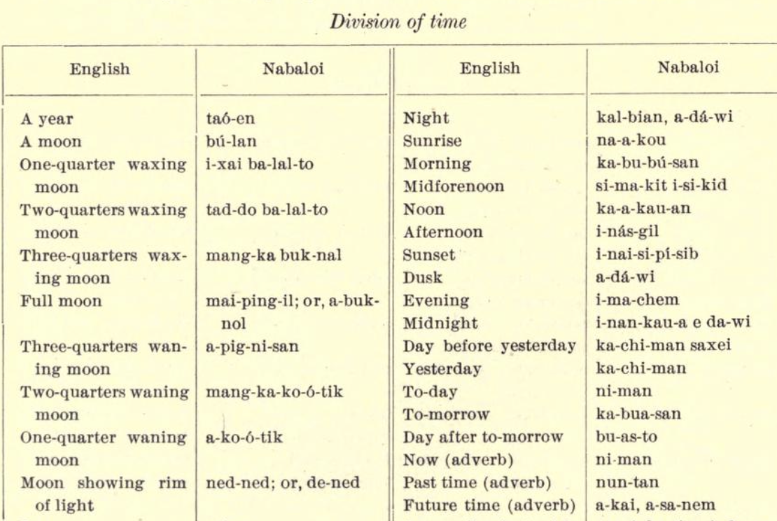
Classical Arabic | clas1259 |  | web | Ginzel, Handbuch der mathematischen und technischen Chronologie; das Zeitrechnungswesen der Völker | https://archive.org/details/handbuchdermathe01ginz/page/242/mode/2up | 1906 | 12
NA | NA |  | web | de Baecker, L'archipel Indien; origines--langues--littératures--religions--morale--droit public et privé des populations | https://archive.org/details/larchipelindien00baecgoog/page/406/mode/2up?q=paik&view=theater | 1874 | 4 |  |  |  |  |  |  | can't figure out language
Meriam Mir | meri1244 |  | web | Hamacher, Dancing with the stars: astronomy and music in the Torres Strait | http://www.aboriginalastronomy.com.au/wp-content/uploads/2018/05/Hamacher-Dancing-with-Stars.pdf | 2016 | 6 |  | In the Meriam Mir language, for comparison, the moon is called meb (which is also the term for a month).14 The new moon (thin crescent) is called aketi meb, the first quarter moon is meb degemli, a nearly full moon (waxing or waning gibbous) is eip meb, a full moon is giz meb, a third quarter moon is meb zizimi, and a lunar eclipse is meb dimdi. Meriam elder and co-author Segar Passi gave the name kerkar meb, which literally translates to ‘new moon’ – when it first appears as a waxing crescent. |  | https://cosmosmagazine.com/space/lunar-traditions-of-the-first-australians-2/
Tzotzil | tzot1259 |  | web | Vogt, Zinacanteco astronomy | http://www.jstor.org/stable/23760077 | 1997 | 3 | not connected | Phases of the moon are of critical importance in the ("seven [female] goatherds") or Siete Cab agricultural cycle. The phases commonly recognized are: goats")by Spanish-speaking Zinacantecos a 'unen hch'ulme'tik ("tender or infant moon"), 'o'loi sha Ii analogous to calling the constellation "Se hch'ulme'tik ("halfway moon"), and yih sha Ii hch'ulme'tik English. It is clearly known to "corne ou ("füll or mature

