Sheet1
epoch | 0 | 5 | 10 | 15 | 20 | 25 | 30 | 35 | 40 | 45 | 50 |  | 27s
Acc | 0.3347 | 0.5748 | 0.6509 | 0.6841 | 0.7142 | 0.7339 | 0.7662 | 0.7862 | 0.7942 | 0.8005 | 0.8007
epoch | 0 | 5 | 10 | 15 | 20 | 25 | 30 | 35 | 40 | 45 | 50 |  | 67s
Acc | 0.358 | 0.6876 | 0.746 | 0.7785 | 0.7808 | 0.8237 |  |  |  |  |  | MOA
yes cls token
Length 65
Sinusoid 1d | Add
sinusoid 1d
learnable
epoch | 0 | 5 | 10 | 15 | 20 | 25 | 30 | 35 | 40 | 45 | 50
Acc | 0.3468 | 0.5817 | 0.6429 | 0.6881 | 0.7197 | 0.7442 | 0.7601 | 0.7669 | 0.7699
Loss | 1.8162 | 1.174 | 1.1023 | 0.8707 | 0.7907 | 0.7593 | 0.7078 | 0.792 | 0.8769
 |  |  |  |  |  |  | overfit ->
Learnable | Add
epoch | 0 | 5 | 10 | 15 | 20 | 25 | 30 | 35 | 40 | 45 | 50
Acc | 0.3335 | 0.5914 | 0.6382 | 0.6713 | 0.6968 | 0.7297 | 0.7434 | 0.7508 | 0.7526
Loss | 1.9235 | 1.1513 | 1.0244 | 0.9537 | 0.8622 | 0.7794 | 0.7795 | 0.7951 | 0.8377
 |  |  |  |  |  |  | overfit ->
Sinusoid 1d | Prod
epoch | 0 | 5 | 10 | 15 | 20 | 25 | 30 | 35 | 40 | 45 | 50
Acc | 0.4513 | 0.6081 | 0.6649 | 0.6845 | 0.7129 | 0.7371 | 0.75 | 0.756 | 0.7602
Loss | 1.5844 | 1.0851 | 0.9424 | 0.879 | 0.8196 | 0.7509 | 0.7368 | 0.7615 | 0.8056
 |  |  |  |  |  |  | overfit ->

Sheet3
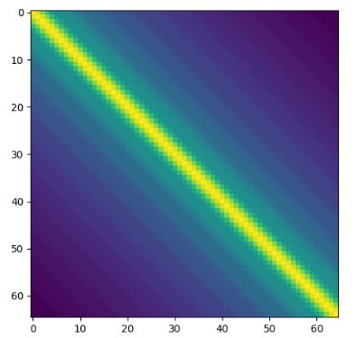
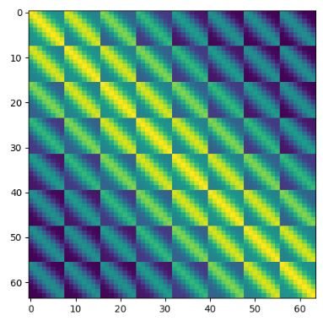
no cls token
Length 64
Learnable | Add
epoch | 0 | 5 | 10 | 15 | 20 | 25 | 30 | 35 | 40 | 45 | 50
Acc | 0.3093 | 0.5802 | 0.6423 | 0.6816 | 0.7029 | 0.7332 | 0.7509 | 0.7626 | 0.7842 | 0.7829 | 0.784
Loss | 2.0864 | 1.177 | 1.0056 | 0.8942 | 0.8484 | 0.761 | 0.712 | 0.6836 | 0.6554 | 0.6578 | 0.6568

Sinusoid 1d | Add
epoch | 0 | 5 | 10 | 15 | 20 | 25 | 30 | 35 | 40 | 45 | 50
Acc | 0.3952 | 0.5885 | 0.6581 | 0.7097 | 0.7517 | 0.7761 | 0.7923 | 0.7986 | 0.8116 | 0.815 | 0.8176
Loss | 1.8187 | 1.1439 | 0.9828 | 0.8213 | 0.6939 | 0.6536 | 0.616 | 0.6433 | 0.6703 | 0.7073 | 0.7115
 |  |  |  |  |  |  |  | overfitt-> | .8040(36) / 0.6297
Sinusoid 2d | Add
epoch | 0 | 5 | 10 | 15 | 20 | 25 | 30 | 35 | 40 | 45 | 50
Acc | 0.374 | 0.5779 | 0.6538 | 0.7101 | 0.7508 | 0.7707 | 0.7944 | 0.8031 | 0.811 | 0.8181 | 0.8181
Loss | 1.8114 | 1.1943 | 0.9669 | 0.8298 | 0.7164 | 0.6708 | 0.6303 | 0.6191 | 0.6584 | 0.6853 | 0.6914
 |  |  |  |  |  |  |  | overfitt->
Relative PE |  |  |  |  |  |  |  |  |  |  |  | s
 |  |  |  |  |  |  |  |  |  |  |  | 17
Convit
Epoch | 0 | 5 | 10 | 15 | 20 | 25 | 30 | 35 | 40 | 45 | 50 | 13s
Acc | 0.3607 | 0.5279 | 0.6121 | 0.7126 | 0.7701 | 0.8041 | 0.8198 | 0.8345 | 0.8487 | 0.8481 | 0.8521
Loss | 1.7704 | 1.3063 | 1.072 | 0.8197 | 0.667 | 0.5573 | 0.521 | 0.4847 | 0.4546 | 0.4659 | 0.4581
 |  |  |  |  |  |  |  |  |  |  | overfitt->
Convit not init
 |  | 0.5161 | 0.6126 | 0.6657 | 0.7163 | 0.7464 | 0.7687 | 0.8004 | 0.8084 | 0.8159 | 0.8186
 |  |  |  |  |  |  |  |  |  |  | 0.5491
 |  |  |  |  |  |  |  |  |  |  | no overfitting

MOA
Epoch
Acc |  |  |  |  | 0.7853 | 0.7958 | 0.8144 | 0.8291 | 0.833 | 0.8345
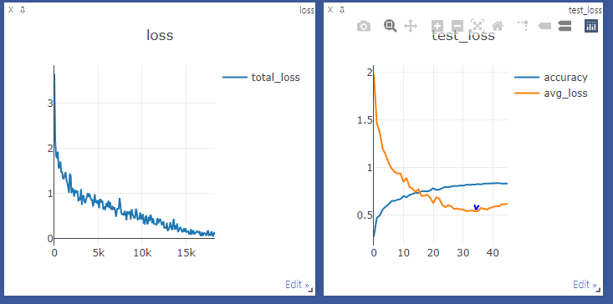
Loss |  |  |  |  |  |  |  | overfitt->

