ReLU
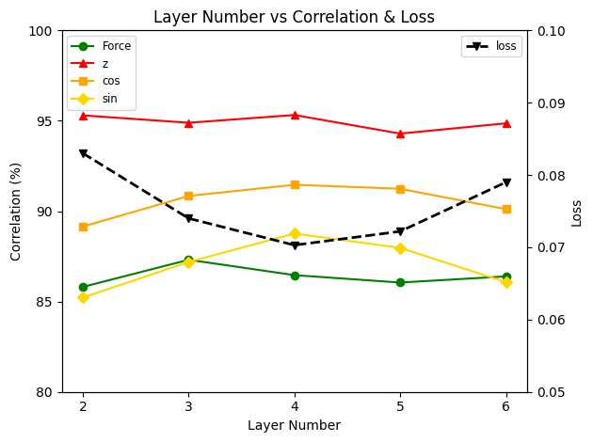
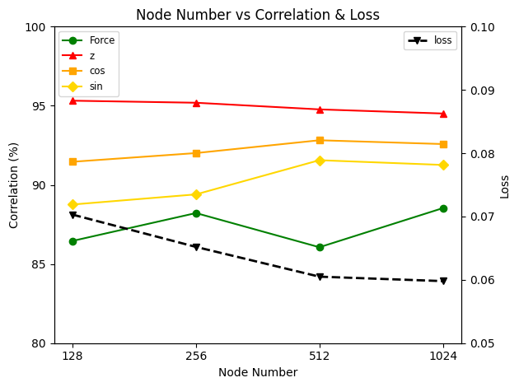
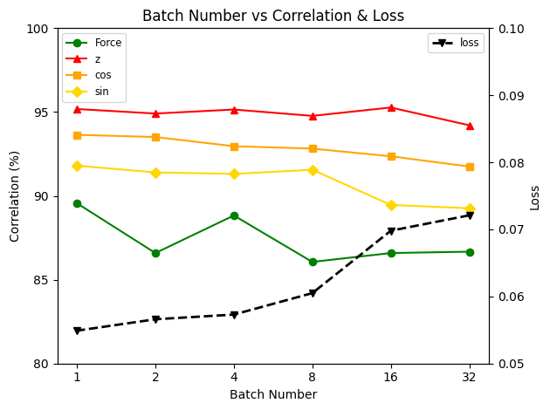
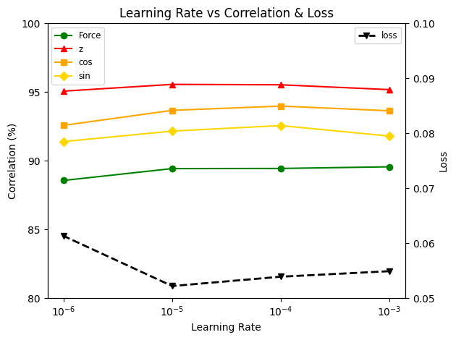
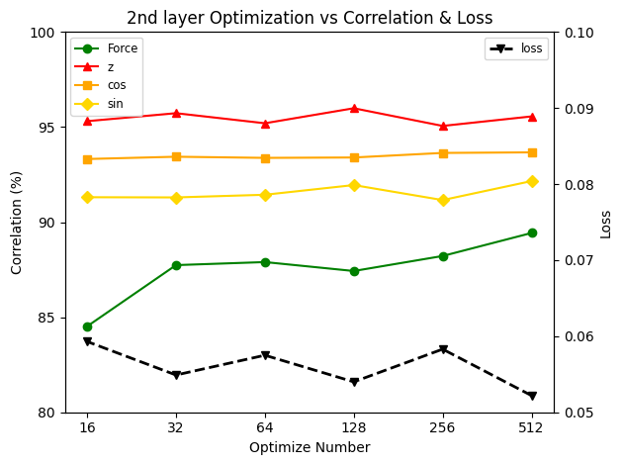

ModelNum | LayerNum | Force | z | cos | sin | sqrt_avg | sqrt_std | loss | Hidden Layer | batch | Params | rate
L2 | 2 | 85.81 | 95.3 | 89.15 | 85.22 | 0.76 | 0.45 | 0.083 | 128/128 | 8 | 21,764 | 0.3
L3 | 3 | 87.31 | 94.89 | 90.84 | 87.19 | 0.83 | 0.33 | 0.074 | 128/128/128 | 8 | 38,276 | 0.3
L4 | 4 | 86.46 | 95.32 | 91.46 | 88.76 | 0.84 | 0.31 | 0.0703 | 128/128/128/128 | 8 | 54,272 | 0.3
L5 | 5 | 86.05 | 94.29 | 91.24 | 87.97 | 0.89 | 0.31 | 0.0722 | 128/128/128/128/128 | 8 | 71,300 | 0.3
L6 | 6 | 86.39 | 94.86 | 90.11 | 86.07 | 0.82 | 0.33 | 0.079 | 128/128/128/128/128/128 | 8 | 87,296 | 0.3

ModelNum | NodeNum | Force | z | cos | sin | sqrt_avg | sqrt_std | loss | Hidden Layer | batch | Params | rate
N8
N16
N32
N64 |  | 86.9 | 94.96 | 90.4 | 86.18 | 0.81 | 0.3 | 0.0754
N128 | 128 | 86.46 | 95.32 | 91.46 | 88.76 | 0.84 | 0.31 | 0.0703 | 128/128/128/128 | 8 | 54,272 | 0.3
N256 | 256 | 88.22 | 95.19 | 92.01 | 89.4 | 0.73 | 0.25 | 0.0652 | 256/256/256/256 | 8 | 207,876 | 0.3
N512 | 512 | 86.06 | 94.77 | 92.82 | 91.56 | 0.94 | 0.32 | 0.0605 | 512/512/512/512 | 8 | 808,964 | 0.3
N1024 | 1024 | 88.53 | 94.51 | 92.58 | 91.26 | 0.87 | 0.31 | 0.0598 | 1024/1024/1024/1024 | 8 | 3,190,788 | 0.3

ModelNum | BatchNum | Force | z | cos | sin | sqrt_avg | sqrt_std | loss | Hidden Layer | batch | Params | rate
B32 | 32 | 86.67 | 94.21 | 91.75 | 89.26 | 0.87 | 0.36 | 0.0721 | 512/512/512/512 | 32 | 808,964 | 0.3
B16 | 16 | 86.59 | 95.27 | 92.36 | 89.46 | 0.9 | 0.35 | 0.0698 | 512/512/512/512 | 16 | 808,964 | 0.3
B8 | 8 | 86.06 | 94.77 | 92.82 | 91.56 | 0.94 | 0.32 | 0.0605 | 512/512/512/512 | 8 | 808,964 | 0.3
B4 | 4 | 88.83 | 95.15 | 92.96 | 91.31 | 0.88 | 0.28 | 0.0573 | 512/512/512/512 | 4 | 808,964 | 0.3
B2 | 2 | 86.59 | 94.91 | 93.51 | 91.4 | 0.9 | 0.29 | 0.0566 | 512/512/512/512 | 2 | 808,964 | 0.3
B1 | 1 | 89.56 | 95.18 | 93.64 | 91.8 | 0.92 | 0.3 | 0.0549 | 512/512/512/512 | 1 | 808,964 | 0.3

ModelNum | LRNum | Force | z | cos | sin | sqrt_avg | sqrt_std | loss | Hidden Layer | batch | Params | rate
LR3 | 10^-3 | 89.56 | 95.18 | 93.64 | 91.8 | 0.92 | 0.3 | 0.0549 | 512/512/512/512 | 1 | 808,964 | 0.3
LR4 | 10^-4 | 89.44 | 95.53 | 93.98 | 92.56 | 0.92 | 0.29 | 0.0539 | 512/512/512/512 | 1 | 808,964 | 0.4
LR5 | 10^-5 | 89.43 | 95.56 | 93.67 | 92.16 | 0.92 | 0.28 | 0.0522 | 512/512/512/512 | 1 | 808,964 | 0.5
LR6 | 10^-6 | 88.57 | 95.07 | 92.58 | 91.4 | 0.96 | 0.35 | 0.0613 | 512/512/512/512 | 1 | 808,964 | 0.6

ModelNum | Optimal | Force | z | cos | sin | sqrt_avg | sqrt_std | loss | Hidden Layer | batch | Params | rate
OpN512 |  | 89.43 | 95.56 | 93.67 | 92.16 | 0.92 | 0.28 | 0.0522 | 512/512/512/512 | 1 | 808,964 | 0.5
OpN256 |  | 88.22 | 95.06 | 93.64 | 91.16 | 0.91 | 0.3 | 0.0583 | 512/256/256/256 | 1 | 282,884 | 0.5
OpN128 |  | 87.43 | 95.99 | 93.4 | 91.95 | 0.89 | 0.27 | 0.054 | 512/128/128/128 | 1 |  | 0.5 | a
OpN64 |  | 87.9 | 95.2 | 93.38 | 91.44 | 0.95 | 0.25 | 0.0575 | 512/64/64/64 | 1 | 60,356 | 0.5
OpN32 |  | 87.74 | 95.73 | 93.44 | 91.3 | 0.86 | 0.22 | 0.0549 | 512/32/32/32 | 1 | 37,604 | 0.5
OpN16 |  | 84.52 | 95.31 | 93.32 | 91.31 | 0.87 | 0.2 | 0.0593 | 512/16/16/16 | 1 |  | 0.5
OpN8 |  | 67.87 | 85.8 | 81.56 | 87.14 | 0.76 | 0.38 | 0.1252 | 512/8/8/8 | 1 |  | 0.5

ModelNum | Optimal | Force | z | cos | sin | sqrt_avg | sqrt_std | loss | Hidden Layer | batch | Params | rate
OpN512 | 512 | 89.43 | 95.56 | 93.67 | 92.16 | 0.92 | 0.28 | 0.0522 | 512/512/512/512 | 1 | 808,964 | 0.5
OpN256 | 256 | 88.22 | 95.06 | 93.64 | 91.16 | 0.91 | 0.3 | 0.0583 | 512/256/256/256 | 1 | 282,884 | 0.5
OpN128 | 128 | 87.43 | 95.99 | 93.4 | 91.95 | 0.89 | 0.27 | 0.054 | 512/128/128/128 | 1 |  | 0.5
OpN64 | 64 | 87.9 | 95.2 | 93.38 | 91.44 | 0.95 | 0.25 | 0.0575 | 512/64/64/64 | 1 | 60,356 | 0.5
OpN32 | 32 | 87.74 | 95.73 | 93.44 | 91.3 | 0.86 | 0.22 | 0.0549 | 512/32/32/32 | 1 | 37,604 | 0.5
OpN16 | 16 | 84.52 | 95.31 | 93.32 | 91.31 | 0.87 | 0.2 | 0.0593 | 512/16/16/16 | 1 |  | 0.5
OpN8 | 8 | 67.87 | 85.8 | 81.56 | 87.14 | 0.76 | 0.38 | 0.1252 | 512/8/8/8 | 1 |  | 0.5

ModelNum | Optimal | Force | z | cos | sin | sqrt_avg | sqrt_std | loss | Hidden Layer | batch | Params | rate
Op2N32 |  | 87.38 | 95.91 | 93.49 | 91.64 | 0.87 | 0.26 | 0.0556 | 512/64/32/32 | 1 | 808,964 | 0.5
Op2N32_2 |  | 88.6 | 95.96 | 93.74 | 92.08 | 0.89 | 0.24 | 0.054 | 512/64/64/32 | 1 | 58,148 | 0.5
Op2N32_3 |  | fail |  |  |  |  |  |  | 512/64/64/16 |  |  | 0.5
 |  |  |  |  |  |  |  |  |  |  | 60,356 | 0.5
 |  |  |  |  |  |  |  |  |  |  | 37,604 | 0.5
 |  |  |  |  |  |  |  |  |  |  |  | 0.5
 |  |  |  |  |  |  |  |  |  |  |  | 0.5

