Sheet1
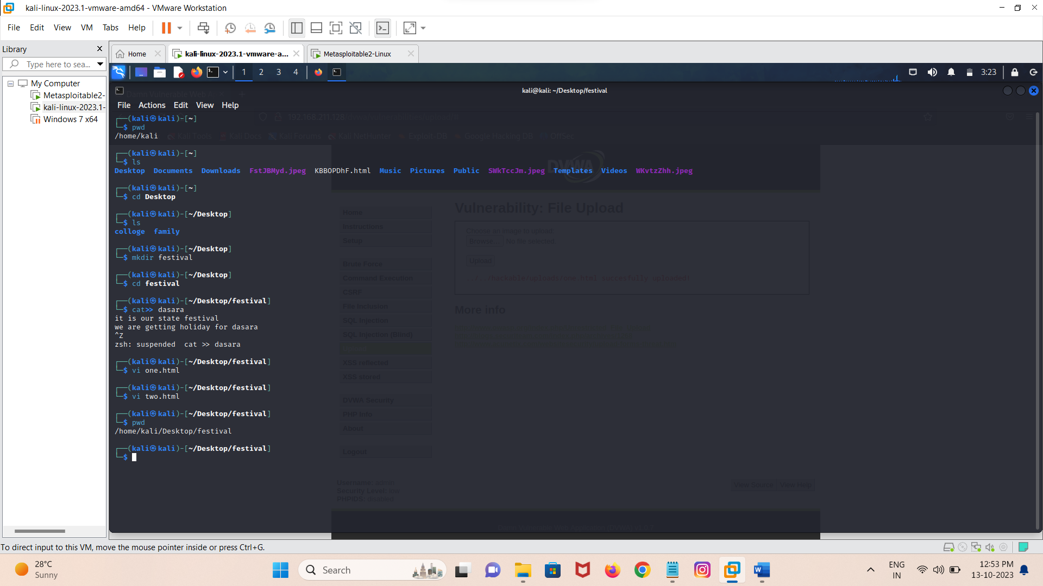
Step 1 |  | Find the IP address of metasploit and copy it

 |  | Note :- you have connect ur system to the internet

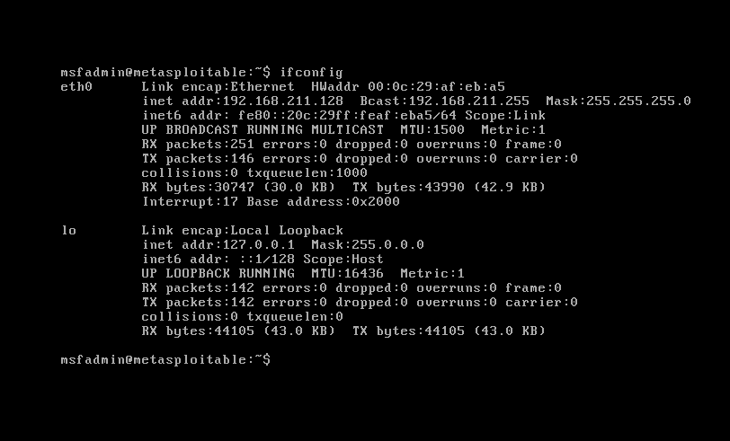

Step 2 |  | Open Fire fox browser in Kali linux & then paste the copied IP address of metasploit in the browser after that click on " DVWA " OPTION
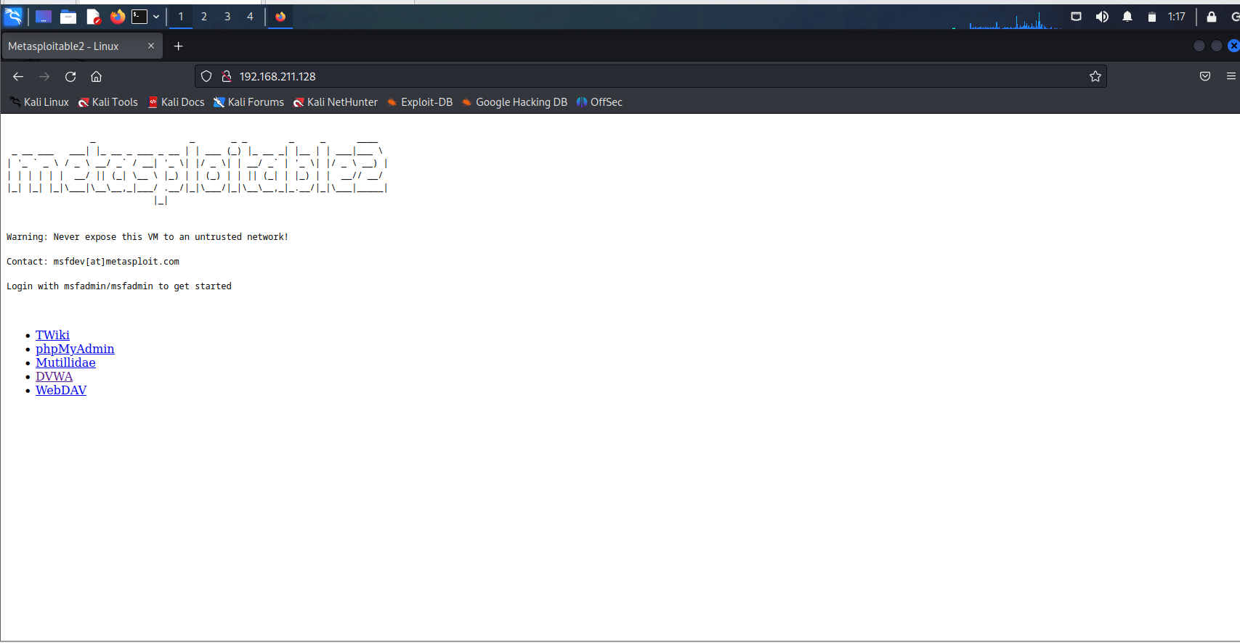

Step 3 |  | It asks for the user name and password enter for " Username = admin " & " password = password " and then click on login

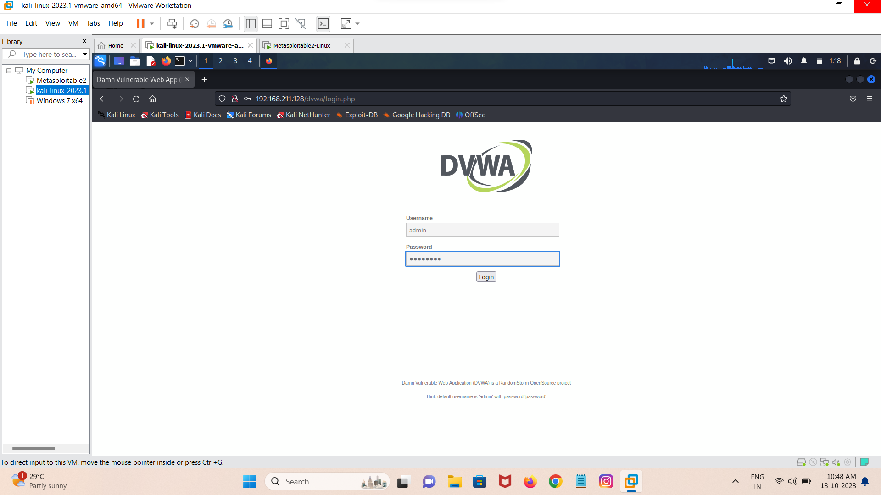

Step 3 |  | Click on " DVWA Security " option set security level = low and then click on submit

Step 4 |  | After that click on " XSS Reflected " option enter few payloads in their. Fr ex = <script> alert ("welcome DVWA");</script> or <script> window.alert("Welcome to CS");</script>

Step 5 |  | Now click on " XSS stored " and then enter some tiny programs. For ex = " Name = Prajwal " & " Message = Smart+Good boy "

Step 5 |  | click on " Command Execution " and enter few cmds given in the below picture

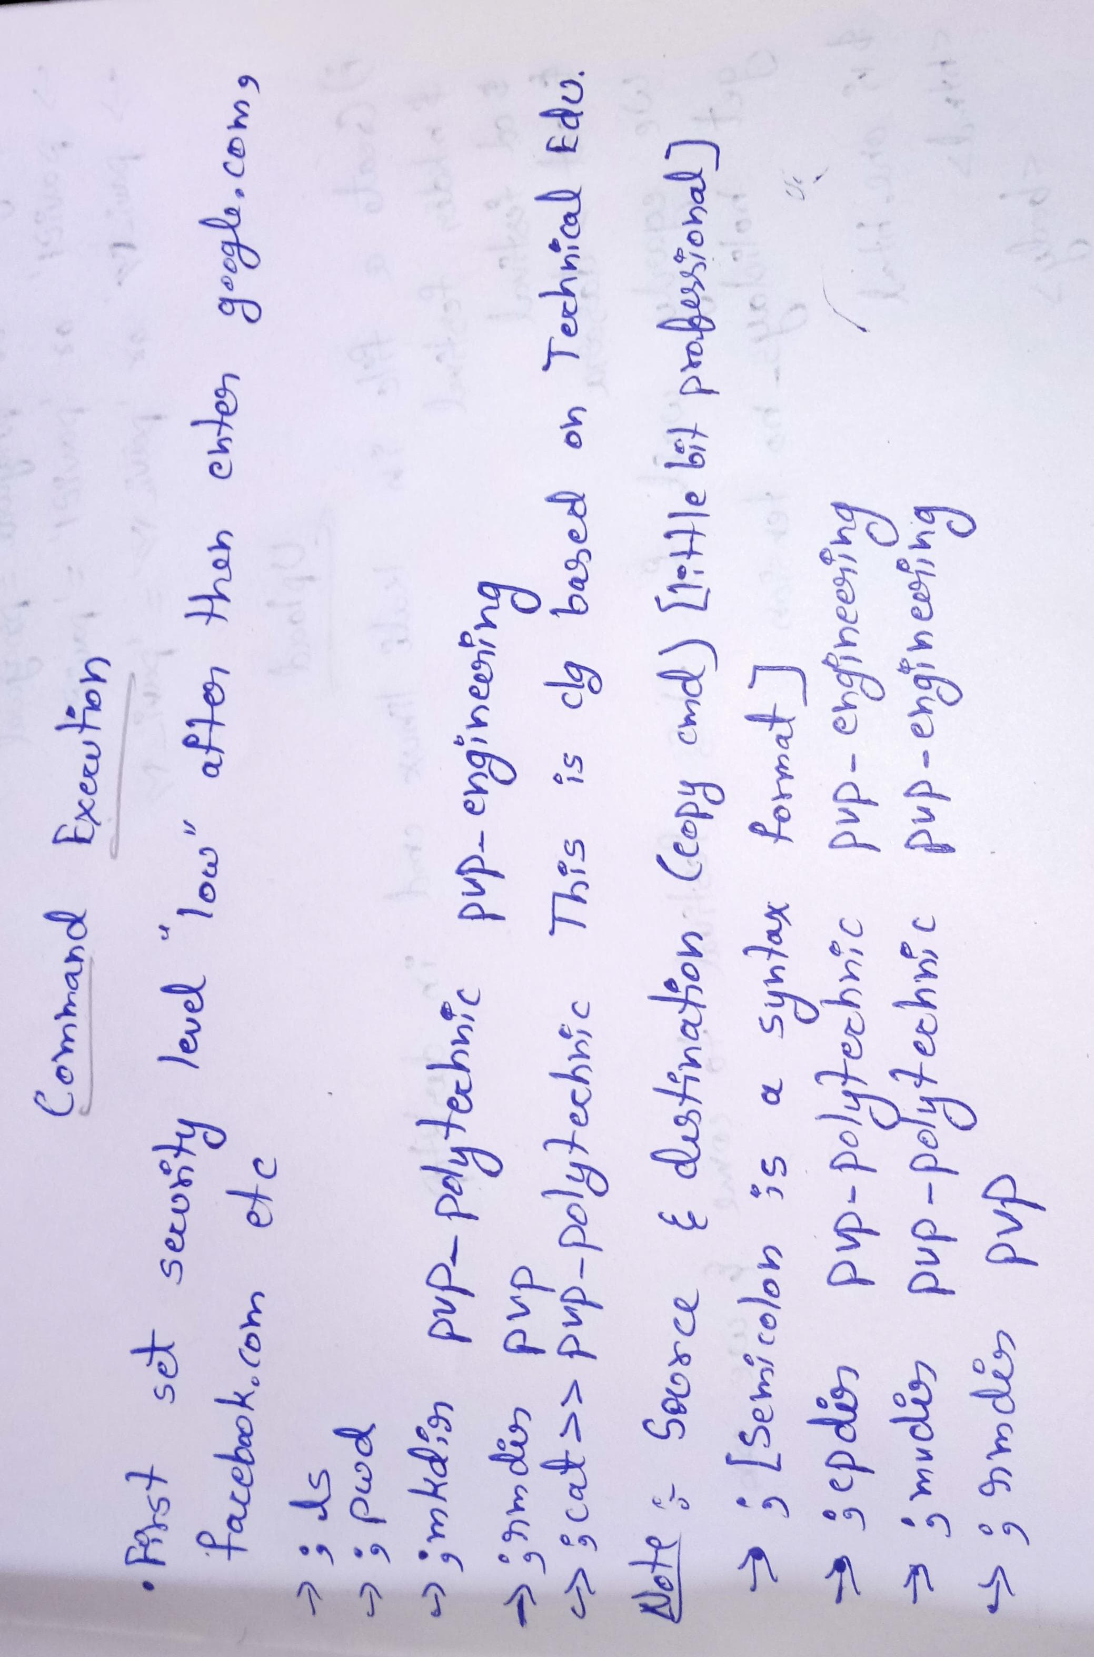

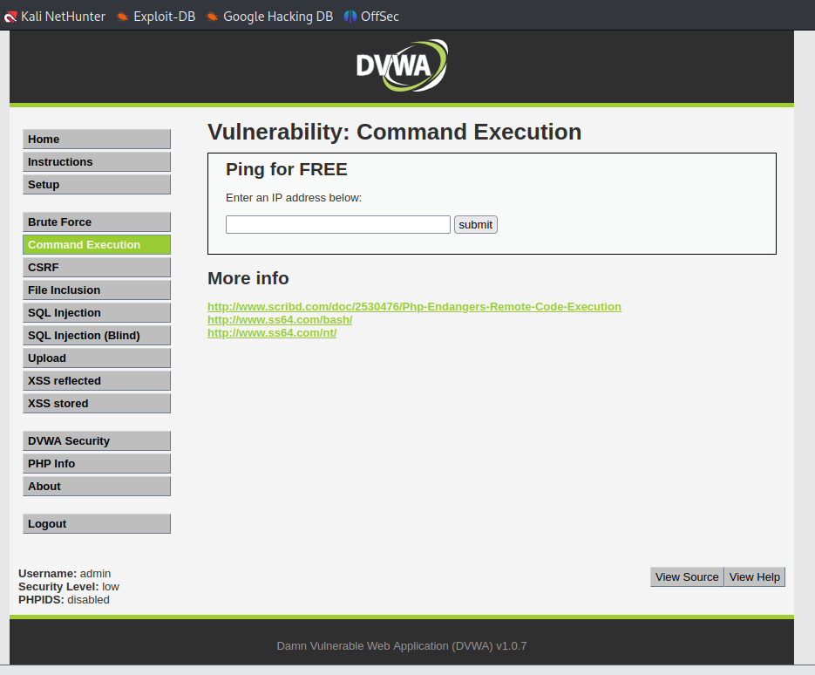

Step 6 | 11 | Now click on " SQL Injection " & enter few payloads. For ex = " i) 1' or '1' = '1 , ii)praj' or 'praj' = 'praj , iii)true' or 'true' = 'true , iv)!@#<>?' or '!@#<>?' = '!@#<>? Etc...

Step 7 |  | Now click on " Upload " option next click on ----> browser ----> select a file ----> upload , If there is ntg to upload go to terminal and create a file write down something . (Note :- If red line occurs the file has vulnerabilites or else not)

