Cover
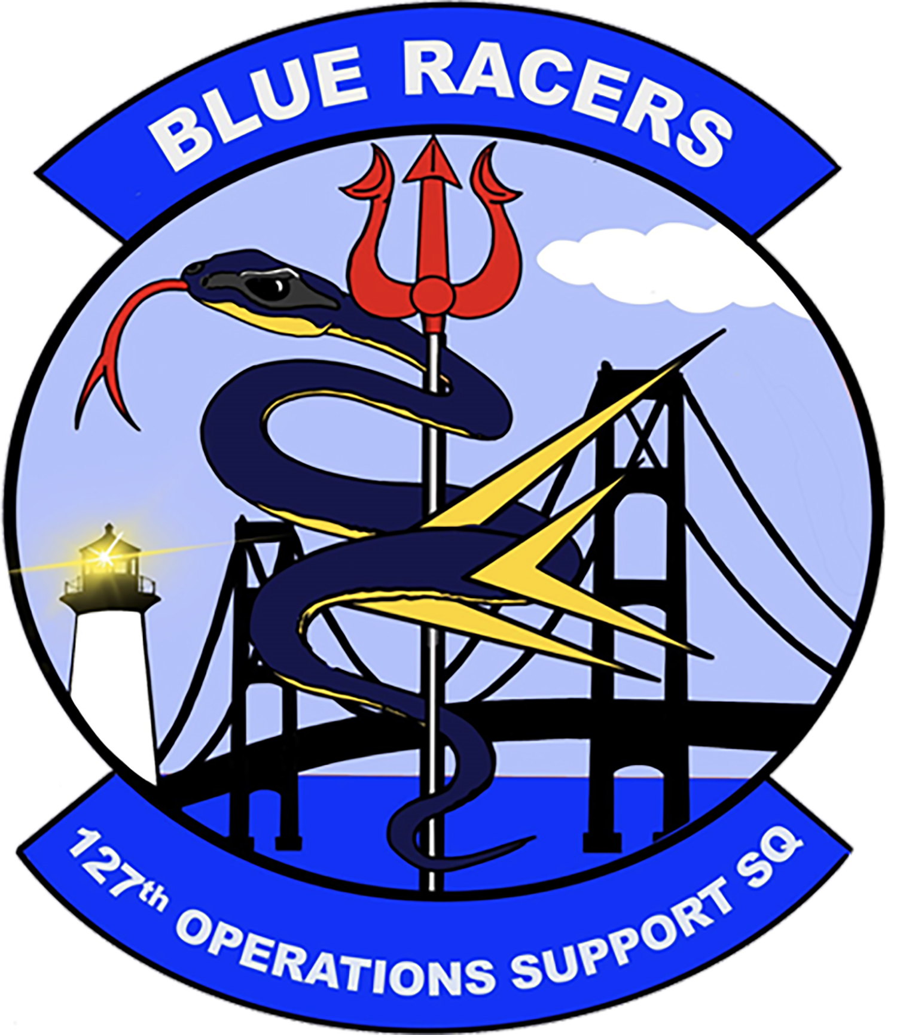
GREW - PRESTON - D.

ACCESSIBILITY: Users training records is available on KMTC local K: Drive at K:\OG\AM OPS\4. AMTM_NAMT\5. Personnel Training Records

