Sheet1
类别 | 截图 | 链接

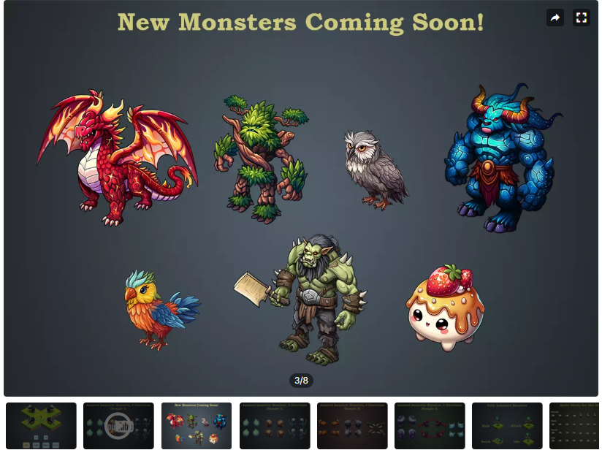
怪物 |  | https://assetstore.unity.com/packages/2d/characters/animated-isometric-monsters-legendaria-265852#description

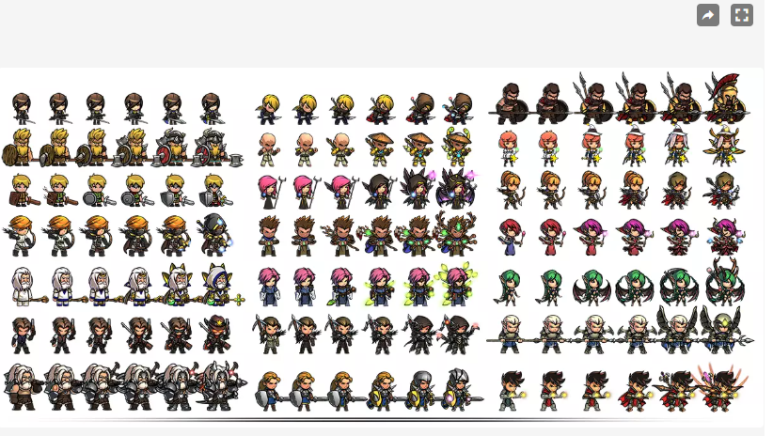
英雄 |  | https://assetstore.unity.com/packages/2d/characters/character-full-set-271850#description

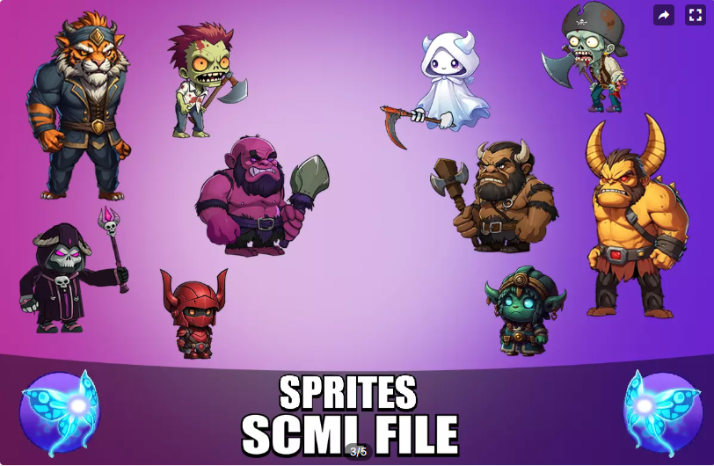
怪物 |  | https://assetstore.unity.com/packages/2d/characters/brutal-enemy-pack-30-characters-315096

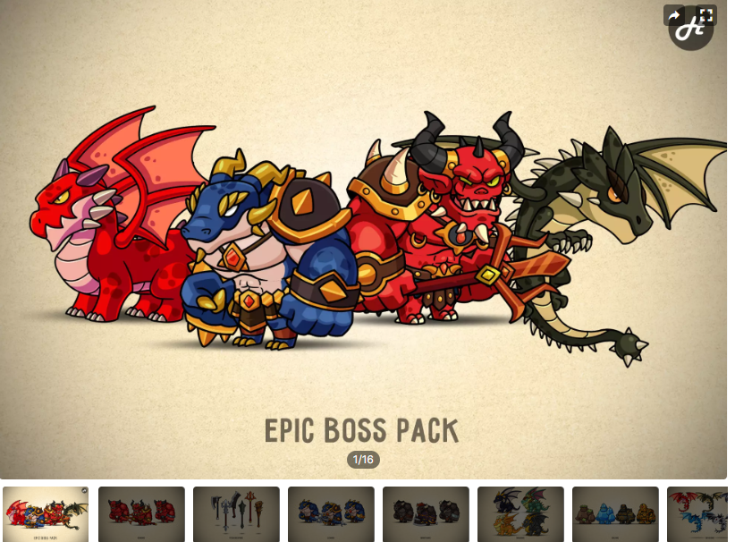
怪物 |  | https://assetstore.unity.com/packages/2d/characters/fantasy-monsters-animated-bosses-300879

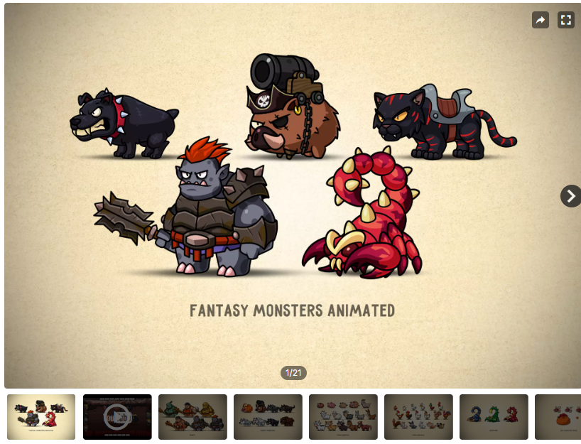
怪物 |  | https://assetstore.unity.com/packages/2d/characters/fantasy-monsters-animated-megapack-159572

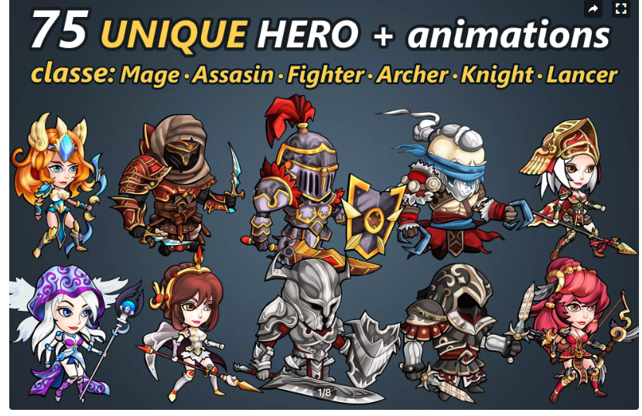
英雄 |  | https://assetstore.unity.com/packages/2d/characters/animated-2d-characters-heroes-pack-302889

