Headers
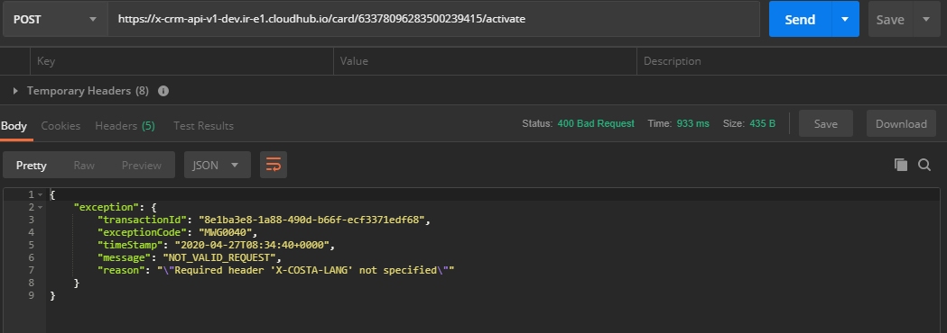
TestCase ID | Input | X-COSTA-LANG | X-COSTA-COUNTRY | X-COSTA-CHANNEL | X-COSTA-ORGANISATION | client_id | client_secret | StatusCode | ExceptionCode | Message | Result | Request | Response | X-COSTA-EXT-CORRELATION-ID
TC_CE_EI_031 | 63378051915500239201 | en-gb | GB | D |  | 79db5db62a8441278edddac6088d279c | 04e54F5b001649919419CF2fd481314C | 200 |  |  | FAIL |  | HTTP/1.1 400 Bad Request Content-Type: application/json; charset=UTF-8 Date: Wed, 30 Sep 2020 11:55:16 GMT Server: nginx Content-Length: 308 Connection: keep-alive { "exception": { "transactionId": "3986b901-f557-473d-a815-71390bde51bd", "exceptionCode": "MWS0019", "timeStamp": "2020-09-30T11:55:16+0000", "message": "INVALID_IDENTIFIER_STATUS", "reason": "Invalid card status Registered. Card status does not allow to execute this operation." } } | 3986b901-f557-473d-a815-71390bde51bd | Expected
TC_CE_EI_032 | 63378051915500239201 | en-gb | GB | D | Costa123123212 | 79db5db62a8441278edddac6088d279c | 04e54F5b001649919419CF2fd481314C | 200 |  |  | FAIL |  | HTTP/1.1 400 Bad Request Content-Type: application/json; charset=UTF-8 Date: Wed, 30 Sep 2020 11:55:17 GMT Server: nginx Content-Length: 308 Connection: keep-alive { "exception": { "transactionId": "a4e1e842-baaf-4ec6-9caa-16b02401fcb5", "exceptionCode": "MWS0019", "timeStamp": "2020-09-30T11:55:17+0000", "message": "INVALID_IDENTIFIER_STATUS", "reason": "Invalid card status Registered. Card status does not allow to execute this operation." } } | a4e1e842-baaf-4ec6-9caa-16b02401fcb5 | Expected
TC_CE_EI_033 | 63378051915500239201 | en-gb | GB | D | abc | 79db5db62a8441278edddac6088d279c | 04e54F5b001649919419CF2fd481314C | 200 |  |  | FAIL |  | HTTP/1.1 400 Bad Request Content-Type: application/json; charset=UTF-8 Date: Wed, 30 Sep 2020 11:55:18 GMT Server: nginx Content-Length: 308 Connection: keep-alive { "exception": { "transactionId": "772c5ff1-0b41-47ac-835a-19292b511c82", "exceptionCode": "MWS0019", "timeStamp": "2020-09-30T11:55:18+0000", "message": "INVALID_IDENTIFIER_STATUS", "reason": "Invalid card status Registered. Card status does not allow to execute this operation." } } | 772c5ff1-0b41-47ac-835a-19292b511c82 | Expected
TC_CE_EI_034 | 63378051915500239201 | en-gb | GB | D | null | 79db5db62a8441278edddac6088d279c | 04e54F5b001649919419CF2fd481314C | 200 |  |  | FAIL |  | HTTP/1.1 400 Bad Request Content-Type: application/json; charset=UTF-8 Date: Wed, 30 Sep 2020 11:55:19 GMT Server: nginx Content-Length: 308 Connection: keep-alive { "exception": { "transactionId": "c572a833-057a-418b-a82f-39062d27b2eb", "exceptionCode": "MWS0019", "timeStamp": "2020-09-30T11:55:19+0000", "message": "INVALID_IDENTIFIER_STATUS", "reason": "Invalid card status Registered. Card status does not allow to execute this operation." } } | c572a833-057a-418b-a82f-39062d27b2eb | Expected
TC_CE_EI_035 | 63378051915500239201 | en-gb | GB | D | Costa | 79db5db62a8441278edddac6088d279c | 04e54F5b001649919419CF2fd481314C | 200 |  |  | FAIL |  | HTTP/1.1 400 Bad Request Content-Type: application/json; charset=UTF-8 Date: Wed, 30 Sep 2020 11:55:20 GMT Server: nginx Content-Length: 308 Connection: keep-alive { "exception": { "transactionId": "93d9b24a-b7a5-4106-ae57-cbf84a954907", "exceptionCode": "MWS0019", "timeStamp": "2020-09-30T11:55:20+0000", "message": "INVALID_IDENTIFIER_STATUS", "reason": "Invalid card status Registered. Card status does not allow to execute this operation." } } | 93d9b24a-b7a5-4106-ae57-cbf84a954907 | Expected
TC_CE_EI_036 | 63378051915500239201 | en-gb | GB | D | Costa | 79db5db62a8441278edddac6088d279c | 04e54F5b001649919419CF2fd481314C | 200 |  |  | FAIL |  | HTTP/1.1 400 Bad Request Content-Type: application/json; charset=UTF-8 Date: Wed, 30 Sep 2020 11:55:21 GMT Server: nginx Content-Length: 308 Connection: keep-alive { "exception": { "transactionId": "0e96c94d-2c41-4b55-87e9-0cae9dba3b6c", "exceptionCode": "MWS0019", "timeStamp": "2020-09-30T11:55:21+0000", "message": "INVALID_IDENTIFIER_STATUS", "reason": "Invalid card status Registered. Card status does not allow to execute this operation." } } | 0e96c94d-2c41-4b55-87e9-0cae9dba3b6c | Expected
TC_CE_EI_037 | 63378051915500239201 | en-gb | GB | D | Costa | 79db5db62a8441278edddac6088d279c | 04e54F5b001649919419CF2fd481314C | 200 |  |  | FAIL |  | HTTP/1.1 400 Bad Request Content-Type: application/json; charset=UTF-8 Date: Wed, 30 Sep 2020 11:55:22 GMT Server: nginx Content-Length: 308 Connection: keep-alive { "exception": { "transactionId": "426ea7c8-c75f-4631-8279-2c23b59302a3", "exceptionCode": "MWS0019", "timeStamp": "2020-09-30T11:55:22+0000", "message": "INVALID_IDENTIFIER_STATUS", "reason": "Invalid card status Registered. Card status does not allow to execute this operation." } } | 426ea7c8-c75f-4631-8279-2c23b59302a3 | Expected

snaps
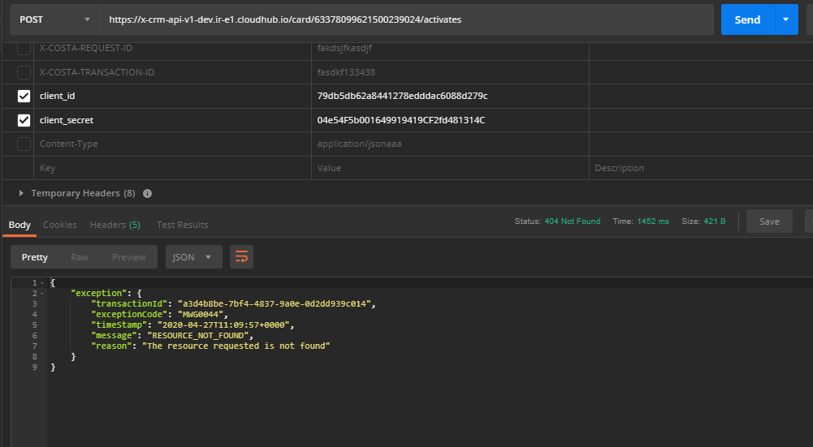

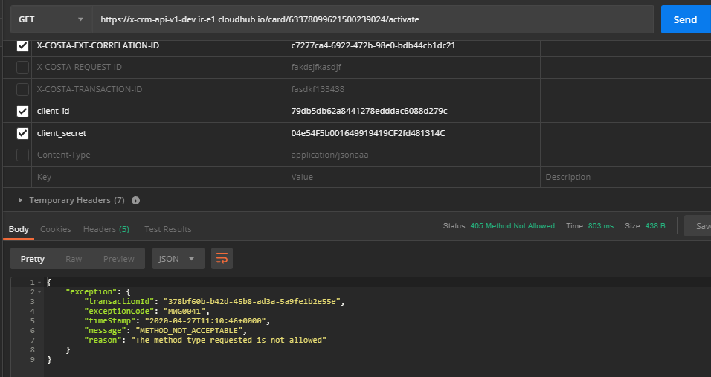

GDPR
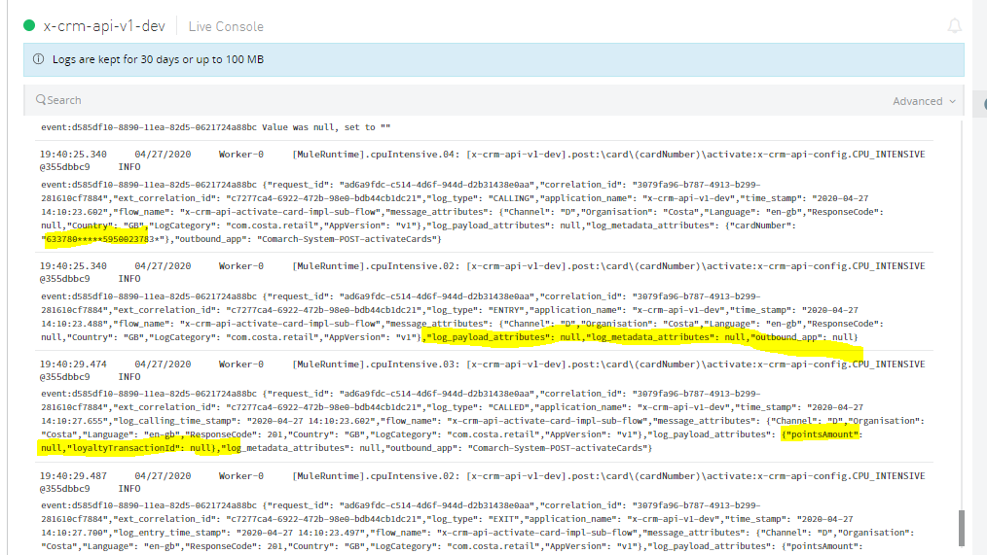
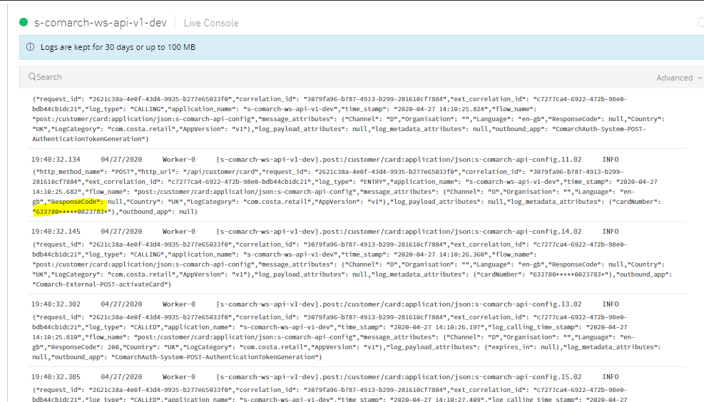
logs in masking

