Headers
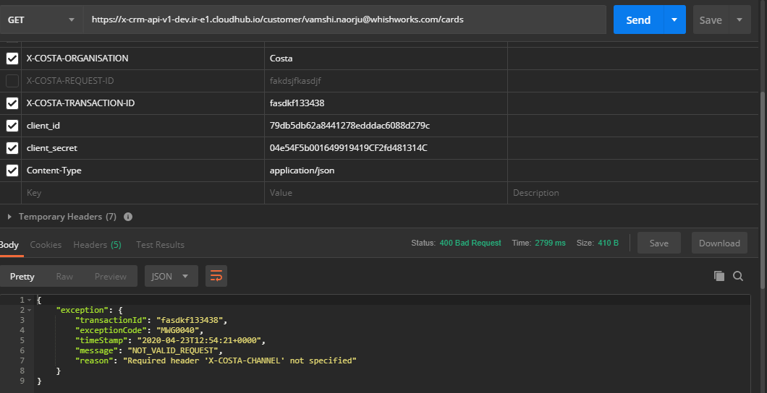
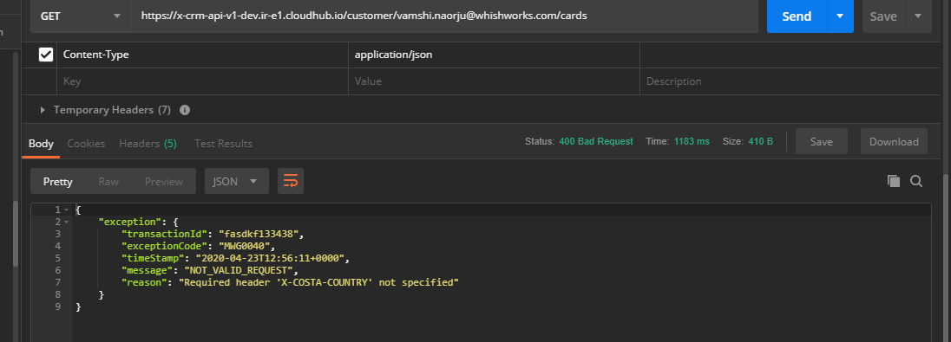
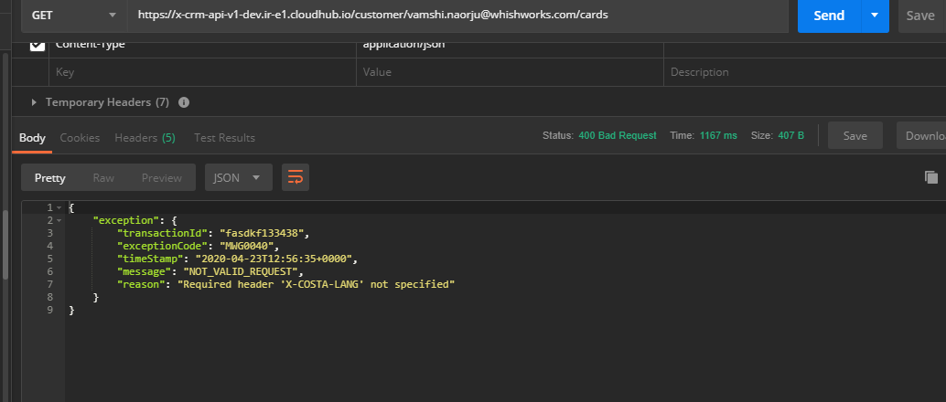
TestCase ID | email | X-COSTA-LANG | X-COSTA-COUNTRY | X-COSTA-CHANNEL | X-COSTA-ORGANISATION | X-COSTA-API-VERSION | client_id | client_secret | StatusCode | ExceptionCode | Message | X-COSTA-EXT-CORRELATION-ID | Request | Response | Result
TC_CE_EI_003 | kssrsn2@gmail.com |  | GB | D | Costa | 8 | 79db5db62a8441278edddac6088d279c | 04e54F5b001649919419CF2fd481314C | 400 | MWG0040 | NOT_VALID_REQUEST | b4d9df4e-76c3-492c-a82b-37669745b6fd |  | HTTP/1.1 400 Bad Request Content-Type: application/json; charset=UTF-8 Date: Wed, 30 Sep 2020 11:43:15 GMT Server: nginx Content-Length: 261 Connection: keep-alive { "exception": { "transactionId": "b4d9df4e-76c3-492c-a82b-37669745b6fd", "exceptionCode": "MWG0040", "timeStamp": "2020-09-30T11:43:15+0000", "message": "NOT_VALID_REQUEST", "reason": "\"Invalid value '' for header 'X-COSTA-LANG'\"" } } | PASS
TC_CE_EI_004 | kssrsn2@gmail.com | en-gbaaa | GB | D | Costa | 9 | 79db5db62a8441278edddac6088d279c | 04e54F5b001649919419CF2fd481314C | 400 | MWG0040 | NOT_VALID_REQUEST | 8b624365-180d-4a96-9075-29a897e48944 |  | HTTP/1.1 400 Bad Request Content-Type: application/json; charset=UTF-8 Date: Wed, 30 Sep 2020 11:43:15 GMT Server: nginx Content-Length: 269 Connection: keep-alive { "exception": { "transactionId": "8b624365-180d-4a96-9075-29a897e48944", "exceptionCode": "MWG0040", "timeStamp": "2020-09-30T11:43:15+0000", "message": "NOT_VALID_REQUEST", "reason": "\"Invalid value 'en-gbaaa' for header 'X-COSTA-LANG'\"" } } | PASS
TC_CE_EI_005 | kssrsn2@gmail.com | 123 | GB | D | Costa | 10 | 79db5db62a8441278edddac6088d279c | 04e54F5b001649919419CF2fd481314C | 400 | MWG0040 | NOT_VALID_REQUEST | a282bae7-078e-40fb-9a41-0b3106980d54 |  | HTTP/1.1 400 Bad Request Content-Type: application/json; charset=UTF-8 Date: Wed, 30 Sep 2020 11:43:16 GMT Server: nginx Content-Length: 264 Connection: keep-alive { "exception": { "transactionId": "a282bae7-078e-40fb-9a41-0b3106980d54", "exceptionCode": "MWG0040", "timeStamp": "2020-09-30T11:43:16+0000", "message": "NOT_VALID_REQUEST", "reason": "\"Invalid value '123' for header 'X-COSTA-LANG'\"" } } | PASS
TC_CE_EI_006 | kssrsn2@gmail.com | null | GB | D | Costa | 11 | 79db5db62a8441278edddac6088d279c | 04e54F5b001649919419CF2fd481314C | 400 | MWG0040 | NOT_VALID_REQUEST | f8192182-0475-448b-9fb3-87ba638a934d |  | HTTP/1.1 400 Bad Request Content-Type: application/json; charset=UTF-8 Date: Wed, 30 Sep 2020 11:43:17 GMT Server: nginx Content-Length: 265 Connection: keep-alive { "exception": { "transactionId": "f8192182-0475-448b-9fb3-87ba638a934d", "exceptionCode": "MWG0040", "timeStamp": "2020-09-30T11:43:17+0000", "message": "NOT_VALID_REQUEST", "reason": "\"Invalid value 'null' for header 'X-COSTA-LANG'\"" } } | PASS
TC_CE_EI_007 | kssrsn2@gmail.com | TRUE | GB | D | Costa | 11 | 79db5db62a8441278edddac6088d279c | 04e54F5b001649919419CF2fd481314C | 400 | MWG0040 | NOT_VALID_REQUEST | 3f2e451f-fd78-4936-9af2-a3ee325ddf43 |  | HTTP/1.1 400 Bad Request Content-Type: application/json; charset=UTF-8 Date: Wed, 30 Sep 2020 11:43:17 GMT Server: nginx Content-Length: 265 Connection: keep-alive { "exception": { "transactionId": "3f2e451f-fd78-4936-9af2-a3ee325ddf43", "exceptionCode": "MWG0040", "timeStamp": "2020-09-30T11:43:17+0000", "message": "NOT_VALID_REQUEST", "reason": "\"Invalid value 'true' for header 'X-COSTA-LANG'\"" } } | PASS
TC_CE_EI_008 | kssrsn2@gmail.com | en-gb |  | D | Costa | 11 | 79db5db62a8441278edddac6088d279c | 04e54F5b001649919419CF2fd481314C | 400 | MWG0040 | NOT_VALID_REQUEST | 0c0e8776-a240-4c2f-9426-673132c8f799 |  | HTTP/1.1 400 Bad Request Content-Type: application/json; charset=UTF-8 Date: Wed, 30 Sep 2020 11:43:18 GMT Server: nginx Content-Length: 264 Connection: keep-alive { "exception": { "transactionId": "0c0e8776-a240-4c2f-9426-673132c8f799", "exceptionCode": "MWG0040", "timeStamp": "2020-09-30T11:43:18+0000", "message": "NOT_VALID_REQUEST", "reason": "\"Invalid value '' for header 'X-COSTA-COUNTRY'\"" } } | PASS
TC_CE_EI_009 | kssrsn2@gmail.com | en-gb | GB11 | D | Costa | 11 | 79db5db62a8441278edddac6088d279c | 04e54F5b001649919419CF2fd481314C | 400 | MWG0040 | NOT_VALID_REQUEST | 6b528603-9051-4975-8fec-e1768e0d2390 |  | HTTP/1.1 400 Bad Request Content-Type: application/json; charset=UTF-8 Date: Wed, 30 Sep 2020 11:43:19 GMT Server: nginx Content-Length: 268 Connection: keep-alive { "exception": { "transactionId": "6b528603-9051-4975-8fec-e1768e0d2390", "exceptionCode": "MWG0040", "timeStamp": "2020-09-30T11:43:19+0000", "message": "NOT_VALID_REQUEST", "reason": "\"Invalid value 'GB11' for header 'X-COSTA-COUNTRY'\"" } } | PASS
TC_CE_EI_010 | kssrsn2@gmail.com | en-gb | 123 | D | Costa | 11 | 79db5db62a8441278edddac6088d279c | 04e54F5b001649919419CF2fd481314C | 400 | MWG0040 | NOT_VALID_REQUEST | 35e36e57-aca7-46bb-9473-b1fafe89e552 |  | HTTP/1.1 400 Bad Request Content-Type: application/json; charset=UTF-8 Date: Wed, 30 Sep 2020 11:43:20 GMT Server: nginx Content-Length: 267 Connection: keep-alive { "exception": { "transactionId": "35e36e57-aca7-46bb-9473-b1fafe89e552", "exceptionCode": "MWG0040", "timeStamp": "2020-09-30T11:43:20+0000", "message": "NOT_VALID_REQUEST", "reason": "\"Invalid value '123' for header 'X-COSTA-COUNTRY'\"" } } | PASS
TC_CE_EI_011 | kssrsn2@gmail.com | en-gb | null | D | Costa | 11 | 79db5db62a8441278edddac6088d279c | 04e54F5b001649919419CF2fd481314C | 400 | MWG0040 | NOT_VALID_REQUEST | 7d76be0f-09c5-4138-9284-43c497a3b1da |  | HTTP/1.1 400 Bad Request Content-Type: application/json; charset=UTF-8 Date: Wed, 30 Sep 2020 11:43:20 GMT Server: nginx Content-Length: 268 Connection: keep-alive { "exception": { "transactionId": "7d76be0f-09c5-4138-9284-43c497a3b1da", "exceptionCode": "MWG0040", "timeStamp": "2020-09-30T11:43:20+0000", "message": "NOT_VALID_REQUEST", "reason": "\"Invalid value 'null' for header 'X-COSTA-COUNTRY'\"" } } | PASS
TC_CE_EI_012 | kssrsn2@gmail.com | en-gb | GB |  | Costa | 11 | 79db5db62a8441278edddac6088d279c | 04e54F5b001649919419CF2fd481314C | 400 | MWG0040 | NOT_VALID_REQUEST | 2206c4ed-6ad3-4d2c-ac51-8a6486bd4cef |  | HTTP/1.1 400 Bad Request Content-Type: application/json; charset=UTF-8 Date: Wed, 30 Sep 2020 11:43:21 GMT Server: nginx Content-Length: 264 Connection: keep-alive { "exception": { "transactionId": "2206c4ed-6ad3-4d2c-ac51-8a6486bd4cef", "exceptionCode": "MWG0040", "timeStamp": "2020-09-30T11:43:21+0000", "message": "NOT_VALID_REQUEST", "reason": "\"Invalid value '' for header 'X-COSTA-CHANNEL'\"" } } | PASS
TC_CE_EI_013 | kssrsn2@gmail.com | en-gb | GB | AAAA | Costa | 11 | 79db5db62a8441278edddac6088d279c | 04e54F5b001649919419CF2fd481314C | 400 | MWG0040 | NOT_VALID_REQUEST | 88c9b20d-9a29-45fb-8959-e9b0169c093a |  | HTTP/1.1 400 Bad Request Content-Type: application/json; charset=UTF-8 Date: Wed, 30 Sep 2020 11:43:22 GMT Server: nginx Content-Length: 268 Connection: keep-alive { "exception": { "transactionId": "88c9b20d-9a29-45fb-8959-e9b0169c093a", "exceptionCode": "MWG0040", "timeStamp": "2020-09-30T11:43:22+0000", "message": "NOT_VALID_REQUEST", "reason": "\"Invalid value 'AAAA' for header 'X-COSTA-CHANNEL'\"" } } | PASS
TC_CE_EI_014 | kssrsn2@gmail.com | en-gb | GB | 123 | Costa | 11 | 79db5db62a8441278edddac6088d279c | 04e54F5b001649919419CF2fd481314C | 400 | MWG0040 | NOT_VALID_REQUEST | b9cbecd7-131d-445f-b6dc-ca5d78d73ef5 |  | HTTP/1.1 400 Bad Request Content-Type: application/json; charset=UTF-8 Date: Wed, 30 Sep 2020 11:43:22 GMT Server: nginx Content-Length: 267 Connection: keep-alive { "exception": { "transactionId": "b9cbecd7-131d-445f-b6dc-ca5d78d73ef5", "exceptionCode": "MWG0040", "timeStamp": "2020-09-30T11:43:22+0000", "message": "NOT_VALID_REQUEST", "reason": "\"Invalid value '123' for header 'X-COSTA-CHANNEL'\"" } } | PASS
TC_CE_EI_015 | kssrsn2@gmail.com | en-gb | GB | null | Costa | 11 | 79db5db62a8441278edddac6088d279c | 04e54F5b001649919419CF2fd481314C | 400 | MWG0040 | NOT_VALID_REQUEST | 6693474b-98f7-4e76-a190-ec3d118a7307 |  | HTTP/1.1 400 Bad Request Content-Type: application/json; charset=UTF-8 Date: Wed, 30 Sep 2020 11:43:23 GMT Server: nginx Content-Length: 268 Connection: keep-alive { "exception": { "transactionId": "6693474b-98f7-4e76-a190-ec3d118a7307", "exceptionCode": "MWG0040", "timeStamp": "2020-09-30T11:43:23+0000", "message": "NOT_VALID_REQUEST", "reason": "\"Invalid value 'null' for header 'X-COSTA-CHANNEL'\"" } } | PASS
TC_CE_EI_016 | kssrsn2@gmail.com | en-gb | GB | D |  | 11 | 79db5db62a8441278edddac6088d279c | 04e54F5b001649919419CF2fd481314C | 200 |  |  | bac14a5a-b4b7-49c0-a3ca-01fdab249ec6 |  | HTTP/1.1 200 OK Content-Type: application/json; charset=UTF-8 Date: Wed, 30 Sep 2020 11:43:24 GMT Server: nginx Content-Length: 284 Connection: keep-alive { "email": "kssrsn2@gmail.com", "firstName": "karan1", "lastName": "ww27", "identifiers": [ { "id": 199863952, "no": "6337803796510204628557", "type": { "code": "CP", "value": "Costa Pay" }, "costaPayEnabled": true } ] } | PASS
TC_CE_EI_017 | kssrsn2@gmail.com | en-gb | GB | D | Costa123123212 | 11 | 79db5db62a8441278edddac6088d279c | 04e54F5b001649919419CF2fd481314C | 200 |  |  | f4d52281-371a-4dec-a712-2a19d58711e1 |  | HTTP/1.1 200 OK Content-Type: application/json; charset=UTF-8 Date: Wed, 30 Sep 2020 11:43:24 GMT Server: nginx Content-Length: 284 Connection: keep-alive { "email": "kssrsn2@gmail.com", "firstName": "karan1", "lastName": "ww27", "identifiers": [ { "id": 199863952, "no": "6337803796510204628557", "type": { "code": "CP", "value": "Costa Pay" }, "costaPayEnabled": true } ] } | PASS
TC_CE_EI_018 | kssrsn2@gmail.com | en-gb | GB | D | abc | 11 | 79db5db62a8441278edddac6088d279c | 04e54F5b001649919419CF2fd481314C | 200 |  |  | 0e26c5e3-13ba-4864-b848-186af21085a6 |  | HTTP/1.1 200 OK Content-Type: application/json; charset=UTF-8 Date: Wed, 30 Sep 2020 11:43:25 GMT Server: nginx Content-Length: 284 Connection: keep-alive { "email": "kssrsn2@gmail.com", "firstName": "karan1", "lastName": "ww27", "identifiers": [ { "id": 199863952, "no": "6337803796510204628557", "type": { "code": "CP", "value": "Costa Pay" }, "costaPayEnabled": true } ] } | PASS
TC_CE_EI_019 | kssrsn2@gmail.com | en-gb | GB | D | null | 11 | 79db5db62a8441278edddac6088d279c | 04e54F5b001649919419CF2fd481314C | 200 |  |  | 2871700e-8f0c-495a-9f56-c4ea36ef0c49 |  | HTTP/1.1 200 OK Content-Type: application/json; charset=UTF-8 Date: Wed, 30 Sep 2020 11:43:26 GMT Server: nginx Content-Length: 284 Connection: keep-alive { "email": "kssrsn2@gmail.com", "firstName": "karan1", "lastName": "ww27", "identifiers": [ { "id": 199863952, "no": "6337803796510204628557", "type": { "code": "CP", "value": "Costa Pay" }, "costaPayEnabled": true } ] } | PASS
TC_CE_EI_020 | kssrsn2@gmail.com | en-gb | GB | D | Costa |  | 79db5db62a8441278edddac6088d279c | 04e54F5b001649919419CF2fd481314C | 200 |  |  | 4ccdff0d-94bf-4f75-b90c-aa750300ee22 |  | HTTP/1.1 200 OK Content-Type: application/json; charset=UTF-8 Date: Wed, 30 Sep 2020 11:43:27 GMT Server: nginx Content-Length: 284 Connection: keep-alive { "email": "kssrsn2@gmail.com", "firstName": "karan1", "lastName": "ww27", "identifiers": [ { "id": 199863952, "no": "6337803796510204628557", "type": { "code": "CP", "value": "Costa Pay" }, "costaPayEnabled": true } ] } | PASS
TC_CE_EI_021 | kssrsn2@gmail.com | en-gb | GB | D | Costa | 123 | 79db5db62a8441278edddac6088d279c | 04e54F5b001649919419CF2fd481314C | 200 |  |  | bca8fc8b-286d-417d-bb39-b5cd639dd460 |  | HTTP/1.1 200 OK Content-Type: application/json; charset=UTF-8 Date: Wed, 30 Sep 2020 11:43:27 GMT Server: nginx Content-Length: 284 Connection: keep-alive { "email": "kssrsn2@gmail.com", "firstName": "karan1", "lastName": "ww27", "identifiers": [ { "id": 199863952, "no": "6337803796510204628557", "type": { "code": "CP", "value": "Costa Pay" }, "costaPayEnabled": true } ] } | PASS
TC_CE_EI_022 | kssrsn2@gmail.com | en-gb | GB | D | Costa | null | 79db5db62a8441278edddac6088d279c | 04e54F5b001649919419CF2fd481314C | 200 |  |  | 5b4886a9-ca06-46af-a20a-677d29ed4652 |  | HTTP/1.1 200 OK Content-Type: application/json; charset=UTF-8 Date: Wed, 30 Sep 2020 11:43:28 GMT Server: nginx Content-Length: 284 Connection: keep-alive { "email": "kssrsn2@gmail.com", "firstName": "karan1", "lastName": "ww27", "identifiers": [ { "id": 199863952, "no": "6337803796510204628557", "type": { "code": "CP", "value": "Costa Pay" }, "costaPayEnabled": true } ] } | PASS
TC_CE_EI_023 | kssrsn2@gmail.com | en-gb | GB | D | Costa | 11 |  | 04e54F5b001649919419CF2fd481314C | 401 |  |  | 18a89456-8559-4f16-8dca-026de4620c50 |  | HTTP/1.1 401 Unauthorized Content-Type: application/json; charset=UTF-8 Date: Wed, 30 Sep 2020 11:43:28 GMT Server: nginx www-authenticate: Client-ID-Enforcement Content-Length: 31 Connection: keep-alive { "error": "Invalid Client" } | PASS
TC_CE_EI_024 | kssrsn2@gmail.com | en-gb | GB | D | Costa | 11 | 234567 | 04e54F5b001649919419CF2fd481314C | 401 |  |  | 81a27509-7117-4442-bdbe-364b0939171f |  | HTTP/1.1 401 Unauthorized Content-Type: application/json; charset=UTF-8 Date: Wed, 30 Sep 2020 11:43:29 GMT Server: nginx www-authenticate: Client-ID-Enforcement Content-Length: 31 Connection: keep-alive { "error": "Invalid Client" } | PASS
TC_CE_EI_025 | kssrsn2@gmail.com | en-gb | GB | D | Costa | 11 | 79db5db62a8441278edddac6088d279c |  | 401 |  |  | fd58e805-eab0-400a-bcb3-b52555f3aa81 |  | HTTP/1.1 401 Unauthorized Content-Type: application/json; charset=UTF-8 Date: Wed, 30 Sep 2020 11:43:29 GMT Server: nginx www-authenticate: Client-ID-Enforcement Content-Length: 31 Connection: keep-alive { "error": "Invalid Client" } | PASS
TC_CE_EI_026 | kssrsn2@gmail.com | en-gb | GB | D | Costa | 11 | 79db5db62a8441278edddac6088d279c | 123 | 401 |  |  | b041903c-159d-41c1-81e3-d4c15d90b01b |  | HTTP/1.1 401 Unauthorized Content-Type: application/json; charset=UTF-8 Date: Wed, 30 Sep 2020 11:43:29 GMT Server: nginx www-authenticate: Client-ID-Enforcement Content-Length: 31 Connection: keep-alive { "error": "Invalid Client" } | PASS

gdpr
