Headers
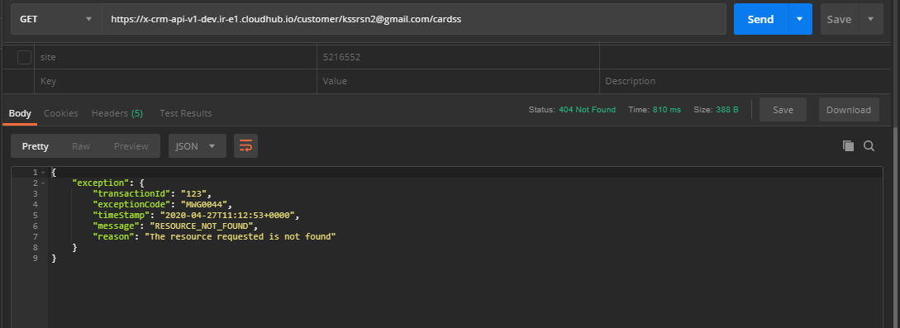
TestCase ID | email | offset | limit | dateFrom | dateTo | type | site | status | channel | sort | X-COSTA-LANG | X-COSTA-COUNTRY | X-COSTA-CHANNEL | X-COSTA-ORGANISATION | X-COSTA-API-VERSION | client_id | client_secret | StatusCode | ExceptionCode | Message | X-COSTA-EXT-CORRELATION-ID | Request | Response | Result
TC_CE_EI_003 | Alanwestwood4@gmail.com | 3 | 5 | 2020-03-09 | 2020-04-14 | G | 157 | Active | D | date |  | GB | D | Costa | 8 | 79db5db62a8441278edddac6088d279c | 04e54F5b001649919419CF2fd481314C | 400 | MWG0040 | NOT_VALID_REQUEST | 5b0044a3-f1d9-4e47-9eb6-9cbfce262d60 |  | HTTP/1.1 400 Bad Request Content-Type: application/json; charset=UTF-8 Date: Wed, 30 Sep 2020 11:49:04 GMT Server: nginx Content-Length: 261 Connection: keep-alive { "exception": { "transactionId": "5b0044a3-f1d9-4e47-9eb6-9cbfce262d60", "exceptionCode": "MWG0040", "timeStamp": "2020-09-30T11:49:04+0000", "message": "NOT_VALID_REQUEST", "reason": "\"Invalid value '' for header 'X-COSTA-LANG'\"" } } | PASS
TC_CE_EI_004 | Alanwestwood4@gmail.com | 3 | 5 | 2020-03-09 | 2020-04-14 | G | 157 | Active | D | date | en-gbaaa | GB | D | Costa | 9 | 79db5db62a8441278edddac6088d279c | 04e54F5b001649919419CF2fd481314C | 400 | MWG0040 | NOT_VALID_REQUEST | 2826a3e4-9f6a-47df-8213-a36962dec6ae |  | HTTP/1.1 400 Bad Request Content-Type: application/json; charset=UTF-8 Date: Wed, 30 Sep 2020 11:49:05 GMT Server: nginx Content-Length: 269 Connection: keep-alive { "exception": { "transactionId": "2826a3e4-9f6a-47df-8213-a36962dec6ae", "exceptionCode": "MWG0040", "timeStamp": "2020-09-30T11:49:05+0000", "message": "NOT_VALID_REQUEST", "reason": "\"Invalid value 'en-gbaaa' for header 'X-COSTA-LANG'\"" } } | PASS
TC_CE_EI_005 | Alanwestwood4@gmail.com | 3 | 5 | 2020-03-09 | 2020-04-14 | G | 157 | Active | D | date | 123 | GB | D | Costa | 10 | 79db5db62a8441278edddac6088d279c | 04e54F5b001649919419CF2fd481314C | 400 | MWG0040 | NOT_VALID_REQUEST | 8cf4880e-4904-4617-bc68-0a73ddf66ea8 |  | HTTP/1.1 400 Bad Request Content-Type: application/json; charset=UTF-8 Date: Wed, 30 Sep 2020 11:49:06 GMT Server: nginx Content-Length: 264 Connection: keep-alive { "exception": { "transactionId": "8cf4880e-4904-4617-bc68-0a73ddf66ea8", "exceptionCode": "MWG0040", "timeStamp": "2020-09-30T11:49:06+0000", "message": "NOT_VALID_REQUEST", "reason": "\"Invalid value '123' for header 'X-COSTA-LANG'\"" } } | PASS
TC_CE_EI_006 | Alanwestwood4@gmail.com | 3 | 5 | 2020-03-09 | 2020-04-14 | G | 157 | Active | D | date | null | GB | D | Costa | 11 | 79db5db62a8441278edddac6088d279c | 04e54F5b001649919419CF2fd481314C | 400 | MWG0040 | NOT_VALID_REQUEST | c9e1fcd1-c15f-4930-9e55-3829e4d400f6 |  | HTTP/1.1 400 Bad Request Content-Type: application/json; charset=UTF-8 Date: Wed, 30 Sep 2020 11:49:06 GMT Server: nginx Content-Length: 265 Connection: keep-alive { "exception": { "transactionId": "c9e1fcd1-c15f-4930-9e55-3829e4d400f6", "exceptionCode": "MWG0040", "timeStamp": "2020-09-30T11:49:06+0000", "message": "NOT_VALID_REQUEST", "reason": "\"Invalid value 'null' for header 'X-COSTA-LANG'\"" } } | PASS
TC_CE_EI_007 | Alanwestwood4@gmail.com | 3 | 5 | 2020-03-09 | 2020-04-14 | G | 157 | Active | D | date | TRUE | GB | D | Costa | 11 | 79db5db62a8441278edddac6088d279c | 04e54F5b001649919419CF2fd481314C | 400 | MWG0040 | NOT_VALID_REQUEST | dba0a50d-6051-403f-865b-ce5cdf88581e |  | HTTP/1.1 400 Bad Request Content-Type: application/json; charset=UTF-8 Date: Wed, 30 Sep 2020 11:49:07 GMT Server: nginx Content-Length: 265 Connection: keep-alive { "exception": { "transactionId": "dba0a50d-6051-403f-865b-ce5cdf88581e", "exceptionCode": "MWG0040", "timeStamp": "2020-09-30T11:49:07+0000", "message": "NOT_VALID_REQUEST", "reason": "\"Invalid value 'true' for header 'X-COSTA-LANG'\"" } } | PASS
TC_CE_EI_008 | Alanwestwood4@gmail.com | 3 | 5 | 2020-03-09 | 2020-04-14 | G | 157 | Active | D | date | en-gb |  | D | Costa | 11 | 79db5db62a8441278edddac6088d279c | 04e54F5b001649919419CF2fd481314C | 400 | MWG0040 | NOT_VALID_REQUEST | 3185eae3-708b-4cab-8840-b2004682c7e7 |  | HTTP/1.1 400 Bad Request Content-Type: application/json; charset=UTF-8 Date: Wed, 30 Sep 2020 11:49:08 GMT Server: nginx Content-Length: 264 Connection: keep-alive { "exception": { "transactionId": "3185eae3-708b-4cab-8840-b2004682c7e7", "exceptionCode": "MWG0040", "timeStamp": "2020-09-30T11:49:08+0000", "message": "NOT_VALID_REQUEST", "reason": "\"Invalid value '' for header 'X-COSTA-COUNTRY'\"" } } | PASS
TC_CE_EI_009 | Alanwestwood4@gmail.com | 3 | 5 | 2020-03-09 | 2020-04-14 | G | 157 | Active | D | date | en-gb | GB11 | D | Costa | 11 | 79db5db62a8441278edddac6088d279c | 04e54F5b001649919419CF2fd481314C | 400 | MWG0040 | NOT_VALID_REQUEST | 92d79393-b5bf-48f9-ae91-5ac21dde9f02 |  | HTTP/1.1 400 Bad Request Content-Type: application/json; charset=UTF-8 Date: Wed, 30 Sep 2020 11:49:08 GMT Server: nginx Content-Length: 268 Connection: keep-alive { "exception": { "transactionId": "92d79393-b5bf-48f9-ae91-5ac21dde9f02", "exceptionCode": "MWG0040", "timeStamp": "2020-09-30T11:49:08+0000", "message": "NOT_VALID_REQUEST", "reason": "\"Invalid value 'GB11' for header 'X-COSTA-COUNTRY'\"" } } | PASS
TC_CE_EI_010 | Alanwestwood4@gmail.com | 3 | 5 | 2020-03-09 | 2020-04-14 | G | 157 | Active | D | date | en-gb | 123 | D | Costa | 11 | 79db5db62a8441278edddac6088d279c | 04e54F5b001649919419CF2fd481314C | 400 | MWG0040 | NOT_VALID_REQUEST | b0ac244a-b507-4a27-98bf-ca25686d51b2 |  | HTTP/1.1 400 Bad Request Content-Type: application/json; charset=UTF-8 Date: Wed, 30 Sep 2020 11:49:09 GMT Server: nginx Content-Length: 267 Connection: keep-alive { "exception": { "transactionId": "b0ac244a-b507-4a27-98bf-ca25686d51b2", "exceptionCode": "MWG0040", "timeStamp": "2020-09-30T11:49:09+0000", "message": "NOT_VALID_REQUEST", "reason": "\"Invalid value '123' for header 'X-COSTA-COUNTRY'\"" } } | PASS
TC_CE_EI_011 | Alanwestwood4@gmail.com | 3 | 5 | 2020-03-09 | 2020-04-14 | G | 157 | Active | D | date | en-gb | null | D | Costa | 11 | 79db5db62a8441278edddac6088d279c | 04e54F5b001649919419CF2fd481314C | 400 | MWG0040 | NOT_VALID_REQUEST | 8f3f7a34-0079-4ca2-ba3a-ef9f276e64d3 |  | HTTP/1.1 400 Bad Request Content-Type: application/json; charset=UTF-8 Date: Wed, 30 Sep 2020 11:49:09 GMT Server: nginx Content-Length: 268 Connection: keep-alive { "exception": { "transactionId": "8f3f7a34-0079-4ca2-ba3a-ef9f276e64d3", "exceptionCode": "MWG0040", "timeStamp": "2020-09-30T11:49:09+0000", "message": "NOT_VALID_REQUEST", "reason": "\"Invalid value 'null' for header 'X-COSTA-COUNTRY'\"" } } | PASS
TC_CE_EI_012 | Alanwestwood4@gmail.com | 3 | 5 | 2020-03-09 | 2020-04-14 | G | 157 | Active | D | date | en-gb | GB |  | Costa | 11 | 79db5db62a8441278edddac6088d279c | 04e54F5b001649919419CF2fd481314C | 400 | MWG0040 | NOT_VALID_REQUEST | 7320595f-2283-4faf-9e0f-a9fc006661a6 |  | HTTP/1.1 400 Bad Request Content-Type: application/json; charset=UTF-8 Date: Wed, 30 Sep 2020 11:49:10 GMT Server: nginx Content-Length: 264 Connection: keep-alive { "exception": { "transactionId": "7320595f-2283-4faf-9e0f-a9fc006661a6", "exceptionCode": "MWG0040", "timeStamp": "2020-09-30T11:49:10+0000", "message": "NOT_VALID_REQUEST", "reason": "\"Invalid value '' for header 'X-COSTA-CHANNEL'\"" } } | PASS
TC_CE_EI_013 | Alanwestwood4@gmail.com | 3 | 5 | 2020-03-09 | 2020-04-14 | G | 157 | Active | D | date | en-gb | GB | AAAA | Costa | 11 | 79db5db62a8441278edddac6088d279c | 04e54F5b001649919419CF2fd481314C | 400 | MWG0040 | NOT_VALID_REQUEST | 3080b6f3-0b77-433c-ae5e-4111b2a0ad83 |  | HTTP/1.1 400 Bad Request Content-Type: application/json; charset=UTF-8 Date: Wed, 30 Sep 2020 11:49:11 GMT Server: nginx Content-Length: 268 Connection: keep-alive { "exception": { "transactionId": "3080b6f3-0b77-433c-ae5e-4111b2a0ad83", "exceptionCode": "MWG0040", "timeStamp": "2020-09-30T11:49:11+0000", "message": "NOT_VALID_REQUEST", "reason": "\"Invalid value 'AAAA' for header 'X-COSTA-CHANNEL'\"" } } | PASS
TC_CE_EI_014 | Alanwestwood4@gmail.com | 3 | 5 | 2020-03-09 | 2020-04-14 | G | 157 | Active | D | date | en-gb | GB | 123 | Costa | 11 | 79db5db62a8441278edddac6088d279c | 04e54F5b001649919419CF2fd481314C | 400 | MWG0040 | NOT_VALID_REQUEST | bb5ce5fb-c943-4d4b-b2ad-37fb0158e79a |  | HTTP/1.1 400 Bad Request Content-Type: application/json; charset=UTF-8 Date: Wed, 30 Sep 2020 11:49:11 GMT Server: nginx Content-Length: 267 Connection: keep-alive { "exception": { "transactionId": "bb5ce5fb-c943-4d4b-b2ad-37fb0158e79a", "exceptionCode": "MWG0040", "timeStamp": "2020-09-30T11:49:11+0000", "message": "NOT_VALID_REQUEST", "reason": "\"Invalid value '123' for header 'X-COSTA-CHANNEL'\"" } } | PASS
TC_CE_EI_015 | Alanwestwood4@gmail.com | 3 | 5 | 2020-03-09 | 2020-04-14 | G | 157 | Active | D | date | en-gb | GB | null | Costa | 11 | 79db5db62a8441278edddac6088d279c | 04e54F5b001649919419CF2fd481314C | 400 | MWG0040 | NOT_VALID_REQUEST | 1effdd6c-ee29-425e-b497-cce44449af43 |  | HTTP/1.1 400 Bad Request Content-Type: application/json; charset=UTF-8 Date: Wed, 30 Sep 2020 11:49:12 GMT Server: nginx Content-Length: 268 Connection: keep-alive { "exception": { "transactionId": "1effdd6c-ee29-425e-b497-cce44449af43", "exceptionCode": "MWG0040", "timeStamp": "2020-09-30T11:49:12+0000", "message": "NOT_VALID_REQUEST", "reason": "\"Invalid value 'null' for header 'X-COSTA-CHANNEL'\"" } } | PASS
TC_CE_EI_016 | Alanwestwood4@gmail.com | 3 | 5 | 2020-03-09 | 2020-04-14 | G | 157 | Active | D | date | en-gb | GB | D |  | 11 | 79db5db62a8441278edddac6088d279c | 04e54F5b001649919419CF2fd481314C | 200 |  |  | ddbaab58-ba14-4a02-b492-f3f145f42af8 |  | HTTP/1.1 200 OK Content-Type: application/json; charset=UTF-8 Date: Wed, 30 Sep 2020 11:49:13 GMT Server: nginx Content-Length: 32 Connection: keep-alive { "transactions": [ ] } | PASS
TC_CE_EI_017 | Alanwestwood4@gmail.com | 3 | 5 | 2020-03-09 | 2020-04-14 | G | 157 | Active | D | date | en-gb | GB | D | Costa123123212 | 11 | 79db5db62a8441278edddac6088d279c | 04e54F5b001649919419CF2fd481314C | 200 |  |  | 4129a54a-0fb3-4693-8993-b95436300063 |  | HTTP/1.1 200 OK Content-Type: application/json; charset=UTF-8 Date: Wed, 30 Sep 2020 11:49:14 GMT Server: nginx Content-Length: 32 Connection: keep-alive { "transactions": [ ] } | PASS
TC_CE_EI_018 | Alanwestwood4@gmail.com | 3 | 5 | 2020-03-09 | 2020-04-14 | G | 157 | Active | D | date | en-gb | GB | D | abc | 11 | 79db5db62a8441278edddac6088d279c | 04e54F5b001649919419CF2fd481314C | 200 |  |  | f60988f2-2dc8-4b11-99a3-c93783252ec5 |  | HTTP/1.1 200 OK Content-Type: application/json; charset=UTF-8 Date: Wed, 30 Sep 2020 11:49:14 GMT Server: nginx Content-Length: 32 Connection: keep-alive { "transactions": [ ] } | PASS
TC_CE_EI_019 | Alanwestwood4@gmail.com | 3 | 5 | 2020-03-09 | 2020-04-14 | G | 157 | Active | D | date | en-gb | GB | D | null | 11 | 79db5db62a8441278edddac6088d279c | 04e54F5b001649919419CF2fd481314C | 200 |  |  | 1c0827db-2a4f-4517-847f-5a9b5f7d9bde |  | HTTP/1.1 200 OK Content-Type: application/json; charset=UTF-8 Date: Wed, 30 Sep 2020 11:49:15 GMT Server: nginx Content-Length: 32 Connection: keep-alive { "transactions": [ ] } | PASS
TC_CE_EI_020 | Alanwestwood4@gmail.com | 3 | 5 | 2020-03-09 | 2020-04-14 | G | 157 | Active | D | date | en-gb | GB | D | Costa |  | 79db5db62a8441278edddac6088d279c | 04e54F5b001649919419CF2fd481314C | 200 |  |  | 2a4d44eb-13c1-43d2-8176-df19f9da6bc4 |  | HTTP/1.1 200 OK Content-Type: application/json; charset=UTF-8 Date: Wed, 30 Sep 2020 11:49:16 GMT Server: nginx Content-Length: 32 Connection: keep-alive { "transactions": [ ] } | PASS
TC_CE_EI_021 | Alanwestwood4@gmail.com | 3 | 5 | 2020-03-09 | 2020-04-14 | G | 157 | Active | D | date | en-gb | GB | D | Costa | 123 | 79db5db62a8441278edddac6088d279c | 04e54F5b001649919419CF2fd481314C | 200 |  |  | 2de6ce16-d1a4-4be7-8840-14ff7c6965d6 |  | HTTP/1.1 200 OK Content-Type: application/json; charset=UTF-8 Date: Wed, 30 Sep 2020 11:49:16 GMT Server: nginx Content-Length: 32 Connection: keep-alive { "transactions": [ ] } | PASS
TC_CE_EI_022 | Alanwestwood4@gmail.com | 3 | 5 | 2020-03-09 | 2020-04-14 | G | 157 | Active | D | date | en-gb | GB | D | Costa | null | 79db5db62a8441278edddac6088d279c | 04e54F5b001649919419CF2fd481314C | 200 |  |  | 94eaab7b-c20e-4279-8b57-3495e70d1454 |  | HTTP/1.1 200 OK Content-Type: application/json; charset=UTF-8 Date: Wed, 30 Sep 2020 11:49:17 GMT Server: nginx Content-Length: 32 Connection: keep-alive { "transactions": [ ] } | PASS
TC_CE_EI_023 | Alanwestwood4@gmail.com | 3 | 5 | 2020-03-09 | 2020-04-14 | G | 157 | Active | D | date | en-gb | GB | D | Costa | 11 |  | 04e54F5b001649919419CF2fd481314C | 401 |  |  | 0cd6618b-f7db-47ec-9e77-c441c861925d |  | HTTP/1.1 401 Unauthorized Content-Type: application/json; charset=UTF-8 Date: Wed, 30 Sep 2020 11:49:18 GMT Server: nginx www-authenticate: Client-ID-Enforcement Content-Length: 31 Connection: keep-alive { "error": "Invalid Client" } | PASS
TC_CE_EI_024 | Alanwestwood4@gmail.com | 3 | 5 | 2020-03-09 | 2020-04-14 | G | 157 | Active | D | date | en-gb | GB | D | Costa | 11 | 234567 | 04e54F5b001649919419CF2fd481314C | 401 |  |  | b4895b0c-6270-4cb4-bef4-6d39044ed39d |  | HTTP/1.1 401 Unauthorized Content-Type: application/json; charset=UTF-8 Date: Wed, 30 Sep 2020 11:49:18 GMT Server: nginx www-authenticate: Client-ID-Enforcement Content-Length: 31 Connection: keep-alive { "error": "Invalid Client" } | PASS
TC_CE_EI_025 | Alanwestwood4@gmail.com | 3 | 5 | 2020-03-09 | 2020-04-14 | G | 157 | Active | D | date | en-gb | GB | D | Costa | 11 | 79db5db62a8441278edddac6088d279c |  | 401 |  |  | 30616d31-d041-4a87-b8d3-9d55c99e1385 |  | HTTP/1.1 401 Unauthorized Content-Type: application/json; charset=UTF-8 Date: Wed, 30 Sep 2020 11:49:18 GMT Server: nginx www-authenticate: Client-ID-Enforcement Content-Length: 31 Connection: keep-alive { "error": "Invalid Client" } | PASS
TC_CE_EI_026 | Alanwestwood4@gmail.com | 3 | 5 | 2020-03-09 | 2020-04-14 | G | 157 | Active | D | date | en-gb | GB | D | Costa | 11 | 79db5db62a8441278edddac6088d279c | 123 | 401 |  |  | 8ee008e4-75b6-4b09-9f7a-8176b7981031 |  | HTTP/1.1 401 Unauthorized Content-Type: application/json; charset=UTF-8 Date: Wed, 30 Sep 2020 11:49:19 GMT Server: nginx www-authenticate: Client-ID-Enforcement Content-Length: 31 Connection: keep-alive { "error": "Invalid Client" } | PASS

Snaps
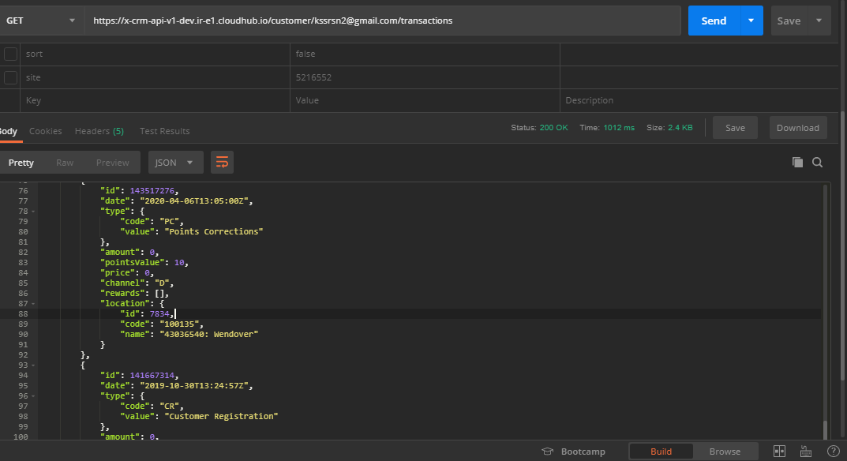

gdpr
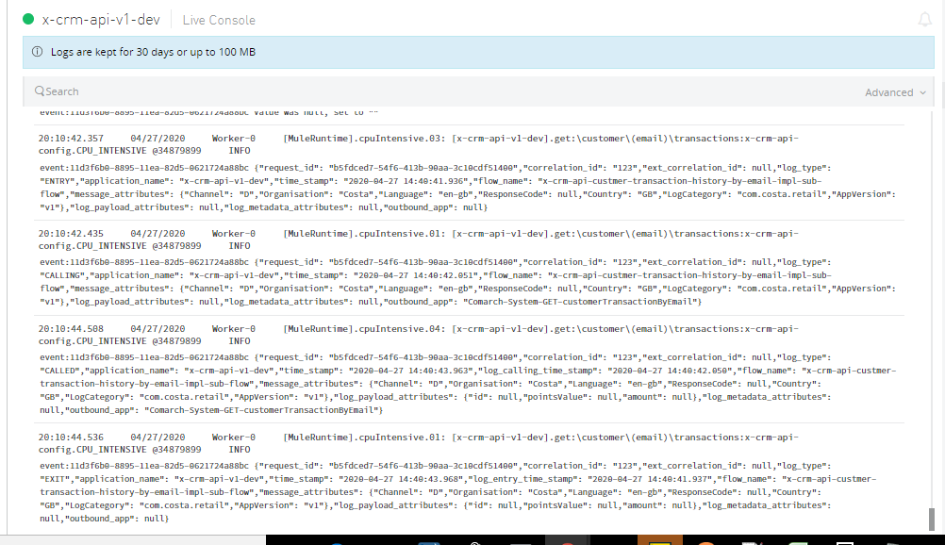
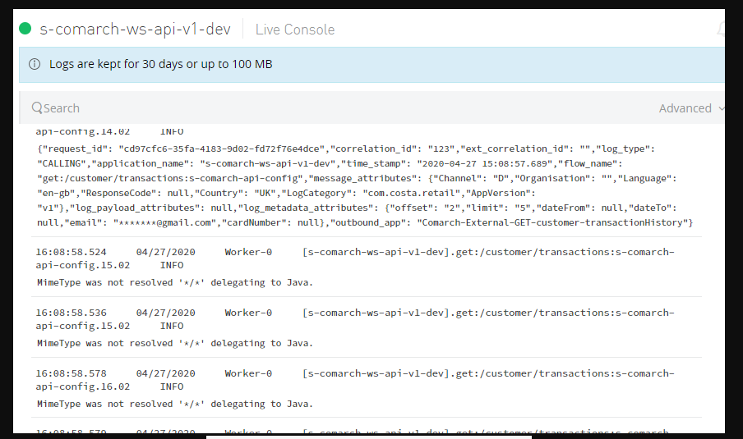
no data is looging

