Sheet1
#Site; | Sitename
#Country; | CountryName
#Data Source; | Source | Free text, will appear in the PVsyst site / meteo lists.
#Time step; | Hour
#Year; | 2010 | Only required when not specified in the data.
#Latitude; | 46.21 | Value in decimal degrees.
#Longitude; | 6.78 | Value in decimal degrees (- toward west).
#Altitude; | 440 | Value in m above seal level.
#Time Zone; | 1 | Value with respect to GMT (- toward west).

You may sometimes have to define additional fields, according to the data specificities :
#Time reference; | UT+X | Required when the data time reference is not legal time (*).
#Hour Shift; | 1 | First flag proposed by PVSyst to shift the dataset. Expressed in hours.
#Time Shift; | 10 | Second flag proposed by PVSyst to shift the dataset. Expressed in minutes (**).
#Plane tilt; | 30 | Plane tilt if import of DPI (POA) data.
#Albedo; | 0.2 | Yearly albedo.
#Summarization period; | 01/01/1997; 31/12/2001 | Flag that detects time series. Carefully specify first day and last day.

DATA:

1.First line includes column headers (without # as first character).
2.Second line mentions units (without # as first character). Should be "W/m2" or "MJ/m2", "deg.C" or "m/s"
3.Third line and next hold data

Dates: because in EXCEL, the date format may differ according to the Windows international settings, we require one column for each element of date.
Columns with the following headers are required:
For Hourly data: Year, Month, Day, Hour, (Minute),
The time is the beginning of the data interval, the solar geometry will be computed at the middle of the interval.

Synthetic data, TMY: If the data are generic, i.e. not really measured at a specified date, the year should be 1990 or 2059 (standard indicator in PVsyst)
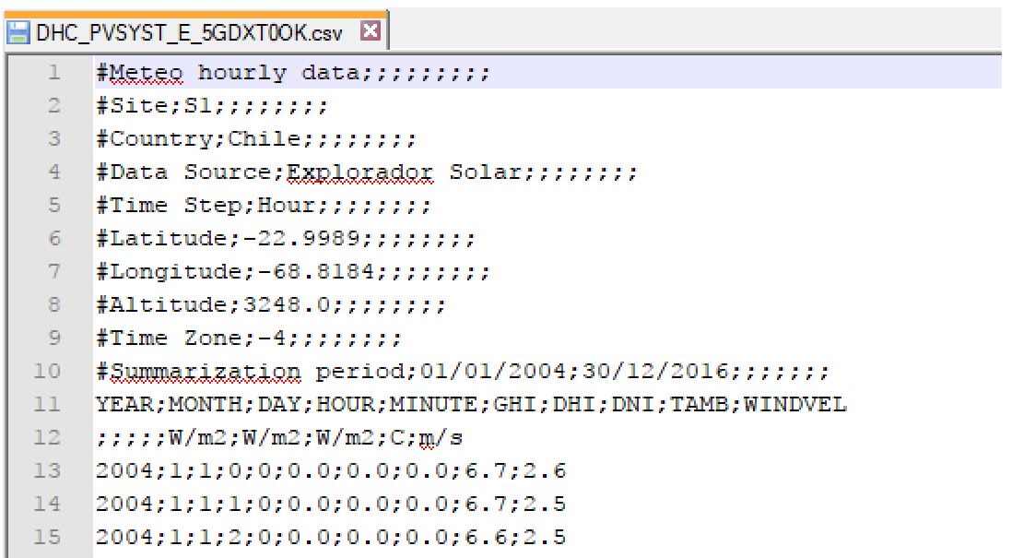
Mandatory data (column titles, in any order):
Header = GHI | Horizontal global irradiation [W/m2]
Header = Tamb | Ambient (dry bulb) air temperature [deg.C]

Additional data (optional, in any order)
Header = DHI | Diffuse horizontal irradiance [W/m2]
Header = DNI | Direct normal irradiance [W/m2]
Header = GPI | Plane of Array irradiance [W/m2]
Header = WindVel | Wind velocity (at 10m altitude) [m/sec]
Header = WindDir (*) | Wind direction [°] (**)
Header = SnowDepth (*) | Snow depth [cm]
Header = Linke (*) | Linke turbidity coefficient
Header = Pw (*) | Precipitable water column height [cm]
Header = Aod (*) | Aerosol optical depth

