Query
S. No. | Query | Comments
1 | Which services are applicable for SC.com | Education Classs Products, Education Show Tickets, Driver tip, Freight
2 | Is BOSS order creation applicable for SC.com | Yes
3 | PLCC payment order will got to processout? - | Yes and GK POS applicable for Paymetric
4 | Classic Customer | Onaccount + CC
5 | Lite Customer | CC
6 | EMS - What is difference between class and Show | Class is single event where show is bigger event
7 | 1P + EMS - will it Split order in OMS to get fulfilled from respective fulfilment center (Order leval or fulfilment level) | Yes, will split order in OMS
8 | 1P + 3P + EMS - will it Split order in OMS to get fulfilled from respective fulfilment center(Order leval or fulfilment level) | Yes, will split order in OMS
9 | What is difference between return/refund | Will be applicable for OneSFA with same concept as LUSA OneSFA
10 | OMS to Blackline Flow | Not Applicable and TC will be removed
11 | For Classic Customer, Will AP send individual order details to BL and S4 | Yes
12 | For Lite Customer, Will AP send individual order details to BL | Yes
13 | For Lite Customer, Will AP send aggregated order details to BL and S4 | Yes
14 | Which all Email will Trigger for 3P orders? | No
15 | Will single invoice PDF generate on SC.com for 1P and EMS order | Multiple Invoices will be received for 1P and EMS order
16 | For 1P+EMS order where ProReward used as payment, how the ProReward split into these 2 orders | Payment authorization processing; - for the processout payments (credit card, paypal, afterpay, apple pay) and pay on account a.) no changes are needed, a single authorization will be performed for the whole order b.) the oms will perform separate capture requests for each order (classes/products) - for the loyalty points payment, the website will handle the payment as follows a.) basket containing only regular products - single authorization b.) basket containing only class products - single authorization c.) basket containing regular + class products - a separate points authorization will be performed for each group - points will be split (prorated) between the 2 orders
17 | For Tax_Hold status, if OMS don't get response from SOVOS then how OMS going to calculate the tax for partial shipped order | for tax_hold status – if OMS doesn’t get a response from SOVOs – OMS uses the same tax values already present in the order for each line which came in Fluent from the frontend.
18 | As per new BOSS and BOPIS flow, not seeing email trigger flow for Invoices send to customer. Also is same going to apply for all other orders like Ecomm HD and OneSFA? | OMS should trigger ship confirmation and Invoice email at same time when order moved to Invoiced status and Invoices should be created
19 | For EMS order, Can the Order confirmation mail to SFMC be sent when Order status is SHIPPED, as, we don't have the status "PICK_PACK" | It should be order confirmation when Order status is Booked. There is no Ship confirmation email for EMS. Invoices pdf email should be triggered - Confirmed from OMS Team (KT Topic) | TC updated
20 | Is Ship confirmation email applicable for EMS order | N/A for EMS order - Confirmed from OMS Team (KT Topic) | TC to be updated
21 | Verify store send the Order status update to OMS when store associate click on collect on Courier Collection Screen for partial shipment | To check with store if this test cases is correct (TS_05) | TC Updated
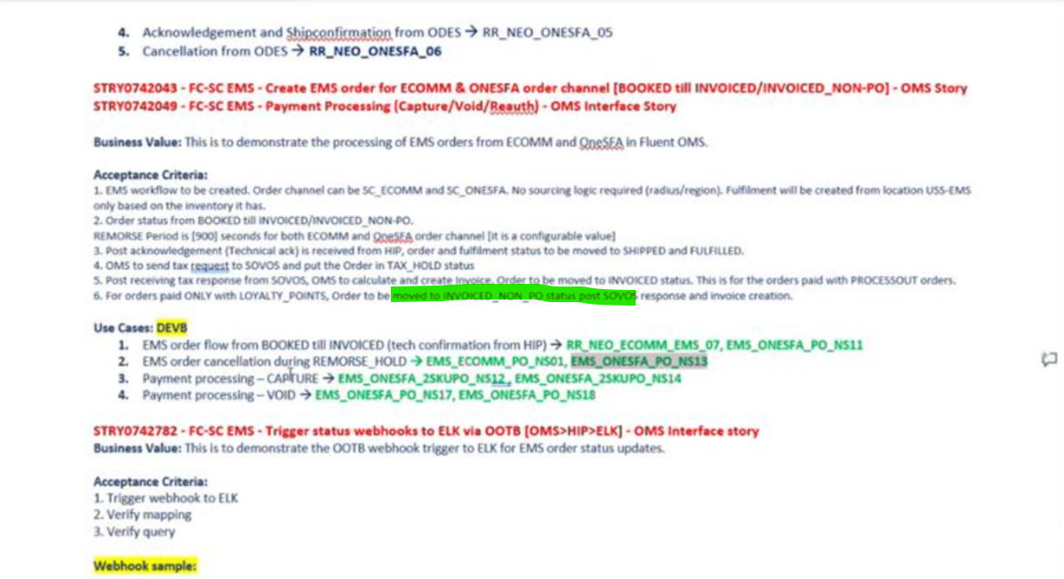
22 | Is class confirmation email applicable for EMS order | Class confirmation email will be trigger as a order confirmation email when order move to Booked status
23 | What will be order Invoice status If order placed using prorewards for 1P -? for EMS -? | Order Invoice status should be INVOICED_NON-PO (TS_37) - This Scenario was available in OMS Demo doc : S34 (STRY0742043, STRY0742049 ) - Confirmed | TC Updated
24 | What will be order Invoice status If order placed using Onaccount | Order Invoice status should be INVOICED_NON-PO (TS_79) (KT Topic) This Scenario was available in OMS Demo doc : S34 (STRY0742043, STRY0742049 ) - Confirmed | TC Updated
25 | Is partial shipment applicable to EMS order | EMS orders will only ever be fully fulfilled or fully cancelled - Confirmed by Matt (TS_23)
26 | What will be fulfilment location for refusal, is going to same as fulfilled location or any deafult fulfillment location be assigned. Return refusal order placed successfully when Lodged location is different from USS-QASCTR and invalid location(location not present in fluent) | It will same as fullfilment location as sales order. - Confirmed from OMS team (KT Topic). S27 STRY0692933, STRY0689615, STRY0680892, STRY0696467
27 | OMS expecting error when Refusal done more than ordered qty. | Is this possible scenario? -Confirmed from OMS team (KT Topic).S27 STRY0692933, STRY0689615, STRY0680892, STRY0696467 OMS will capture the log and will process with OneSFA as a unplanned Return
28 | Should be create the test cases for Invoice_BD(Bad_Debt) and InvoiceCE(Collected externally) for Order type BOPIS and BOSS? | This Scenario was available in OMS Demo doc S20. story no: STRY0638971 - TC to be created | TS_140, TS_141 and TS_144 created
29 | New attribute as orderItemAttributes at invoices level need to be added for BOSS and BOPIS order type. - Test cases need to be updated | This Scenario was available in OMS Demo doc S21. story no: STRY0645440- (TS_04) | TC Updated
30 | To validate BOSS and BOPIS order flow in OMS. Is QA team required to get Fluent store OMS access as well? | This Scenario was available in OMS Demo doc S21. story no: STRY0646276, STRY0641953, STRY0646282 - Need confirmation from OMS team (KT Topic) - Yes QA team required the access
31 | For Aged PickPack , S24 OMS story id: STRY0660556, Fluent should trigger the Aged Pickpack webhook to DHL first time on the 7th day and should continue triggering the webhook once in 3days till the 19th day ONLY if No correct response was received from DHL (ship confirmation or Cancellation) | Will OMS trigger the aged webhook till 19 days if DHL doesn't send order shippment to OMS, if Yes then how the payment authroization process work as it's hold till 14th days only and payment get expired. - Confirmed from OMS team (KT Topic) | TC Updated
32 | Order Creation from SC.com to OMS (BOSS - Store -InvoiceCE (Collected externally)) - TS_140 | Is this valid scenario for OMS. As per businsess scenario, once order move to payment exception hold then it should be send to OneSFA for using card swap option to re-capture the payment - Need confirmation from OMS team (KT Topic) - As per OMS team, Ecomm order will not flow to OneSFA to handel Payment Exception oder. Mindee to check with Leadership to make sure we all are aligned with this flow. | Ecomm TS_144 and OneSFA CX TS_87 created
33 | Cancel fulfilment from RYDER à PCNWEST_1P*_AF_NS15, EAST_PP_NS09 (in acknowledged and awaiting ack only-Sprint 26,story id-STRY0683664 ) | We are expecting getting order ack from fulfilment center, as it is a automatic process, will it be possible to get the order cancellation when fulfilment status is in awaiting_ack - Yes
34 | SFMC email trigger for Invoice email with pdf (S4 to send Invoice update to OMS then only OMS will trigger the email) - Design is in progress | Misha to check with Julie and update. (Order details flow from AP->S4. S4 to send Invoice update to OMS once receive payment due date then only OMS will trigger the email (not real time) - (Design discussion is in progress to finalized which order status, this email should be trigger, this is only for On account and combination of Onaccount+Prorewards payment method) - TS_07 | Test cases to be updated for all channels
35 | EMS scenario as Class +Show both - And in this case will OMS will create two orders with suffix as _a or _b? | Only one order will be received in OMS as in OMS it will treated as Event only - Confirmed by OMS team | TS_24 updated with Class+show as single order flow
36 | EMS Product Master feed from EMS to OMS | New TS to be added (Ecomm, OneSFA, OneSFA CX) - P1 | TS_142 created
37 | SC.COM getting inventory directly from EMS | New TS to be added (Ecomm, OneSFA, OneSFA CX) - P1 | TS_143 created
38 | If Story associate cancel the order then 2 cancel emails will be trigger (One to customer and one to store) | Updated the TS_137 | TC Updated
39 | Aged Pick Pack only applicable for DHL and Ryder (N/A for ODES) | Updated the flow for all ODES TS as Negative scenario | TC Updated
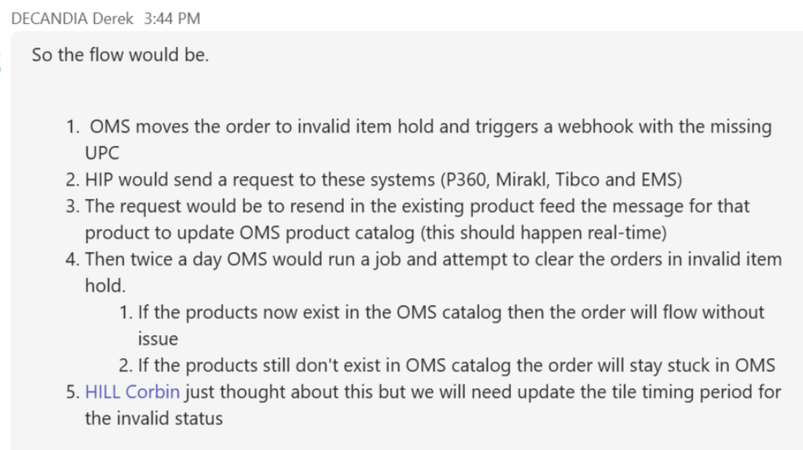
40 | EMS order Type - EDU, No FO call from SFCC to OMS, FO call from SFCC to EMS for inventory check | Updated the TS_22 | TC Updated
41 | Invalid Item Hold Order status - How this scenario going to handle in OMS | Renuka to check with OMS team and update Misha to check with Business and update
42 | Sovos Error response and No response not applicable when order stuck in Tax_Hold status | 1. Renuka to share updated flow diagram (QA team to update the test cases) - Done 2. Sunil to check with OMS team how to proceed with order if order stuck in Tax_Hold status if there is no response from Sovos
43 | How EMS getting order details via SFCC or OMS - | 1. Need to check with Matt (As per Business - EMS needs to receive the necessary fields downstream: Attendees/Customer information / Tickets / Sales channels. This info will be coming to EMS via OMS) - Done 2. New updated diagram will be shared to know when OMS sending order details to EMS - EMS-NA_DM_SFDC_Fluent_SFCC_Level_ProductFeed.xlsx 3. When order move to Booked status, OMS will trigger "SendFulfilmentToHIP" webhook to send the attendees details to EMS | TS_22 updated Need to update for all TS across channels
44 | Renuka to share updated flow diagrams | OMS will be sharing new update flow diagram in next sprint
45 | EMS Test Scenario for Level | Misha to check and confirm
46 | Ecomm Refusal | Multiple refusals for DHL (Ecomm) ((STRY0688247) - P1 | New TS-145 created
47 | For Refusal order | This step to be added when Credit Memo is in created status then OMS notifies Sovos via a webhook to "reverse" or cancel the tax transaction for Reconciling Tax Liability (Tax Cancellation). This is to ensure that L'Oréal does not pay taxes to the government for a sale that never effectively happened and tax ledger in Sovos remains accurate and synchronized with the actual revenue. | TS_138 updated TS_139 updated TS_145 updated
48 | Anti-Div Valid - Brand Agreements | TS_34 and TS_44 (Positive Flow) We need create new TS for Negative flow - TS_146 (New) | Updated and reviewed TS_44, TS_34
49 | test cases for tax exempt customer vs non tax exempt customer, tax exempted products vs non-exempt - combination of these | TS_05 and TS_96 updated | Reviewed
50 | STRY0801431 - FC-SC NEO -ALL Channels - Add cancellation reason and code for manual cancellation scenarios - Tracking story - OMS Interface Story | Need to create new test cases as per this story | TS_147 to TS_151 created as P1
51 | HIP-SC NEO Remediation SC.com - TAX and MISO files - OMS Interface story STRY0698116 | Need confirmation - Misha to check with Sunil to get confirmation if these files should be validated part of Burger SC E2E testing
52 | BOSS, BOPIS, Same Day - Need to update the SFMC email scenarios for Store if order status in OMS don't move to next steps in next 24 hours | Misha to identify existing test cases to update these scenario | Ecomm TS_07, TS_50, TS_86 updated
53 | Is Invoics PDF button going to available in SFCC screen once order get Invoiced to get the invoice pdf from AP? | Need to check with Julio - Verified with Mihai | TS_102 updated Updated for all TS across channels
54 | Is Invoics PDF button going to available in SFCC screen if order not get Invoiced? User should not able to view this button to get the invoice pdf | Need to design new Test case as Sunil suggested and will be applicable for other channel as well | TS_22 updated TS_102 updated TS_117 updated TS_138 updated TS_141 updated TS_144 updated Updated for all TS across channels EMS TS - Update Completed
55 | Reporting (Monitoring + Analytics) |  | All TS updated except CX (S) and CX (R)
56 | Shipment with Multiple tracking id for multiple boxes (Full Shipment/ Partail Shipment) | Test cases to be updated for each fulfilment locations (TEJ/ ODES/ Ryder/ Stores) | BOSS-TS_08-Partial Shipment ,TS_09-Full Shipment ODES TS_25-Full Shipment,TS_26-Partial Shipment Same Day TS_43-Full Shipment,TS_47 Partial Shipment Ryder TS_62-Partial Shipment ,TS_63 full Shipment BOPIS TS_79 Partial Shipment ,TS_90 Full Shipment TEJ TS_98-Partial Shipment,TS_102 Full Shipment
57 | TS to get updated for order to get fulfillment from each Ryder/ DHL/ ODES location/ Stores (few stores) | Need to update the TS | Bopis TS_82 Boss TS_14 ODES TS_29 ODES TS_30 BOSFFC Ryd TS_64 BOSFFC Ryd TS_67 BOSFFC Ryd TS_70 BOSFFC Ryd TS_76 BOSFFC Ryd TS_133 BOSFDC Tej TS_114 BOSFDC Tej TS_115
58 | TS to update to cover fulfillment validation for Fulfillment locations; DHL/ RYDER/ Store - Fulfillment at UPC level ODES - Fulfillment at SKU level | Need to update the TS | TS_12, TS_28, TS_61, TS_101 updated
59 | CarOPP attribute needed in SAP ECC; sum of discounts for condition type ZSCN | 1. Need to discuss with Sunil how to cover and validate these condition types 2. Would like to check if any other pricing condition which not listes here 3. We need which promo going to apply for these conditions
 | CarOPP attribute needed in SAP ECC; sum of discounts for condition type ZSCP
 | CarOPP attribute needed in SAP ECC; sum of discounts for condition type ZSD5
 | CarOPP attribute needed in SAP ECC; sum of discounts for condition type ZSD6
 | CarOPP attribute needed in SAP ECC; sum of discounts for condition type ZSDE
 | CarOPP attribute needed in SAP ECC; sum of discounts for condition type ZGKR
 | CarOPP attribute needed in SAP ECC;
 | CarOPP attribute needed in SAP ECC;
 | CarOPP attribute needed in SAP ECC; sum of discounts for condition type ZSSD
 | CarOPP attribute needed in SAP ECC; sum of discounts for condition type ZSCN
 | CarOPP attribute needed in SAP ECC; sum of discounts for condition type ZSCP

