Fecal cortisol
FECAL CORTISOL

Summer samples (i.e. April - July, the penning season); collected from the pen and the wild |  |  |  |  |  |  |  | Capture samples (i.e. collected in March from adult cows coming into the pen or being recollared in the wild)
Subsample | N | Min | Max | Mean (SD) | Median |  |  | Year | n | Min | Max | Mean (SD) | Median
All samples (2017-2019) | 728 | 17.3 | 1273.3 | 185.8 (199.6) | 91.22 |  |  | 2012 (Thutade) | 6 | 57.23 | 78.86 | 68.5 | 70
2016 samples (June, pen only) | 78 | 17.6 | 969.2 | 159.7 (153.9) | 119.5 |  |  | 2014 | na | na | na | na | na
Free-ranging samples (2017-2019) | 501 | 18.7 | 1273.3 | 211.9 (220.7) | 102.4 |  |  | 2015 | na | na | na | na | na
Free-ranging 2017 | 137 | 23.2 | 1273.3 | 260.0 (251.7) | 131.5 |  |  | 2016 | na | na | na | na | na
Free-ranging 2018 | 162 | 18.7 | 1016.2 | 257.3 (258.6) | 140.9 |  |  | 2017 | na | na | na | na | na
Free-ranging 2019 | 202 | 28.6 | 887.1 | 142.7(129) | 80.9 |  |  | 2018 | 11 | 28.64 | 93.99 | 63.79 | 63.5
Pen samples (2017-2019) | 227 | 17.3 | 687.6 | 128.2 (124.8) | 78.3 |  |  | 2019 | 18 | 24.58 | 153.71 | 55.08 | 43.7
Pen 2017 | 42 | 18.9 | 418.8 | 125.0 (114.5) | 76 |  |  | 2020 | pending | pending | pending | pending | pending
Pen 2018 | 69 | 17.3 | 687.6 | 161.8 (157.6) | 92.6
Pen 2019 | 116 | 28.8 | 677 | 109.4 (101.1) | 64.6
2017 (pen + free-ranging) | 179 | 18.9 | 1273.3 | 228.3 (233.9) | 112.2
2018 (pen + free-ranging) | 231 | 17.3 | 1016.2 | 228.8 (236.8) | 121.8
2019 (pen + free-ranging) | 318 | 28.6 | 887.1 | 130.6 (120.5) | 73

Fecal Cort over successive penning captures |  |  |  |  |  |  | Correlation between fecal cortisol level and 'freshness of pellets'
Wims_ID | times_captured | 2018 capture | 2019 capture | 2020 capture
C311K | 4 |  | 32.48 | 29.67
C312K | 5 | 6708.1 | 153.71 | 76.36
C313K | 3 | 86.71 |  | 76.70
C314K | 2
C315S | 6 | 33.58 |  | 41.79
C316S | 3
C317S | 5 | 63.5 | 47.97 | pending
C319K | 4 | 86.13
C332K | 3 | 93.99
C333K | 4 |  | 37.66 | 88.80
C335K | 3 | 59.48 |  | pending
C336K | 2 | 55.2
C337S | 2 | 90.66
C338K | 3 | 28.64 | 72.16
C341K | 2 |  | 48.02
C346K | 3 |  | 38.71 | 68.95
C347K | 2
C348S | 3 |  | 98.17
C349S | 2
C355K | 2 |  | 37.29 | 166.22
C364K | 2 | 71.78
C429K | 2 |  | 37.32 | pending
C431K | 2 |  | 24.58 | pending
C432K | 2 |  | 39.42 | 30.54

Notes

2017 cortisol in penned cows: does not seem to have a relationship to number of times a cow has been penned. Try linear regression if have time. Label points with WIMS_ID
Row Labels | 2017-04-01 | 2017-04-03 | 2017-04-04 | 2017-04-06 | 2017-04-10 | 2017-04-19 | 2017-04-24 | 2017-04-27 | 2017-05-16 | pre-calving average | 2017-05-30 | 2017-06-12 | 2017-07-05 | 2017-07-17 | post-calving average
C311K |  |  |  |  | 40.416 | 53.272 |  |  |  | 46.8 |  | 356.456 |  | 158.562 | 257.509
C315S |  |  |  |  |  |  | 41.072 |  |  | 41.1 |  |  | 86.164 | 67.302 | 76.733
C319K |  |  |  |  |  | 36.243 |  | 53.936 |  | 45.1 |  | 386.751 |  |  | 386.751
C341K |  |  |  |  |  |  |  |  |  | #DIV/0! |  | 91.136 | 225.46 | 292.176 | 202.924
C346K | 18.926 |  |  |  | 32.758 |  | 41.407 |  |  | 31.0 |  | 141.796 |  | 141.028 | 141.412
C348S |  |  |  | 80.32 | 71.59 |  |  | 129.99 |  | 94.0 | 102.07 | 181.41 |  | 106.36 | 129.94666667
C364K |  | 63.178 | 46.956 |  |  |  |  |  |  | 55.1 |  |  | 289.894 |  | 289.894
C365S |  |  |  |  |  | 46.982 | 24.702 |  | 24.698 | 32.1 |  | 253.342 | 144.004 | 278.56533333 | 225.30377778
C366K |  |  |  |  |  | 33.658 |  |  |  | 33.7 |  |  |  |  | #DIV/0!

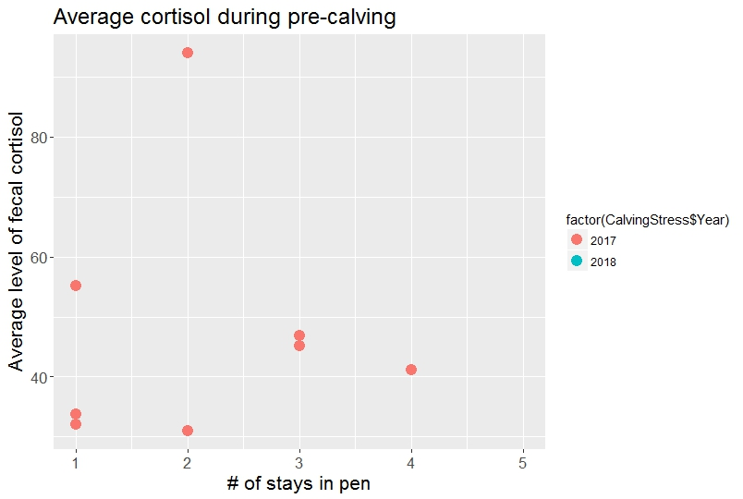
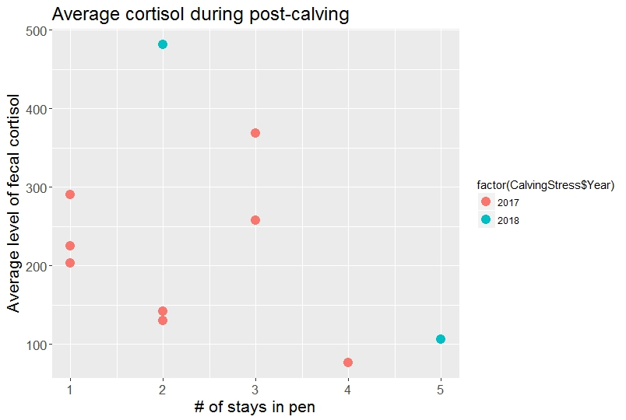

HAIR CORTISOL - MOST RESULTS STILL PENDING AS OF NOV 2020

Fecal_nitrogen
FECAL NITROGEN - new in 2020

Summer samples (i.e. April - July, the penning season); collected from the pen and the wild
Subsample | N | Min | Max | Mean (SD) | Median | Capture samples (i.e. collected in March from adult cows coming into the pen or being recollared in the wild)
All samples (2017-2019) | 396 | 1.50 | 4.00 | 2.68 (0.61) | 2.60 | Year | n | Min | Max | Mean (SD) | Median
2016 samples (June, pen only) | 76 | 2.30 | 4.70 | 3.4 (0.44) | 3.50 | 2012 (Thutade) | 6 | 1.3 | 2 | 1.7 | 1.65
Free-ranging samples (2017-2019) | 210 | 1.50 | 4.00 | 2.59 (0.66) | 2.40 | 2014 | 4 | 2.1 | 2.4 | 2.23 | 2.2
Free-ranging 2017 | 66 | 1.50 | 3.80 | 2.63 (0.60) | 2.50 | 2015 | 0* | na | na | na | na
Free-ranging 2018 | 66 | 1.50 | 4.00 | 2.6 (0.72) | 2.35 | 2016 | 0* | na | na | na | na
Free-ranging 2019 | 78 | 1.50 | 4.00 | 2.54 (0.66) | 2.40 | 2017 | 1* | na | na | na | na
Pen samples (2017-2019) | 186 | 1.80 | 4.00 | 2.78 (0.56) | 2.70 | 2018 | 3 | 1.6 | 2 | 1.76 | 1.7
Pen 2017 | 42 | 2.10 | 4.00 | 3.1 (0.50) | 3.00 | 2019 | 17 | 1.6 | 3.2 | 2.14 | 2
Pen 2018 | 66 | 1.80 | 3.80 | 2.66 (0.52) | 2.60
Pen 2019 | 78 | 1.80 | 3.80 | 2.73 (0.47) | 2.65
2017 (pen + free-ranging) | 108 | 1.50 | 4.00 | 2.81 (0.60) | 2.80
2018 (pen + free-ranging) | 132 | 1.50 | 4.00 | 2.63 (0.63) | 2.50
2019 (pen + free-ranging) | 156 | 1.50 | 4.00 | 2.63 (0.58) | 2.60

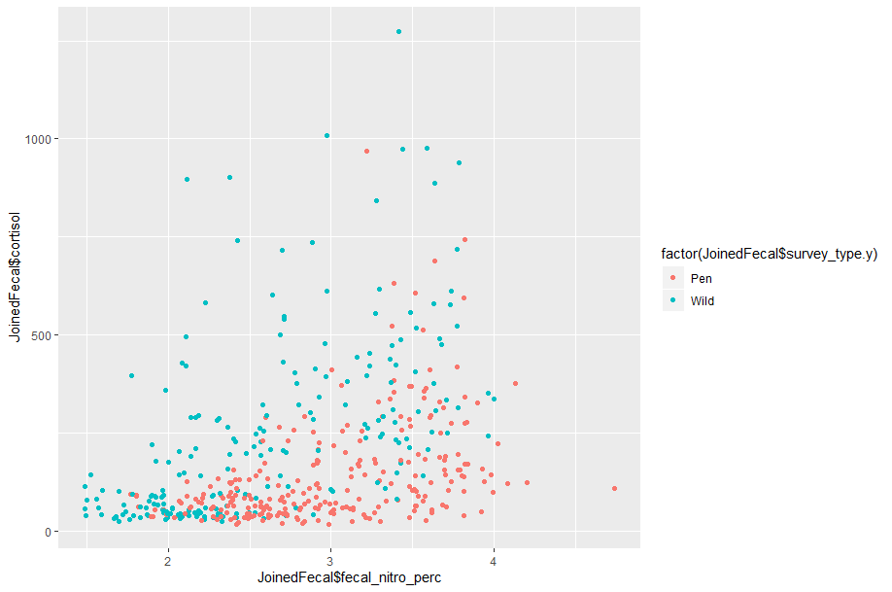
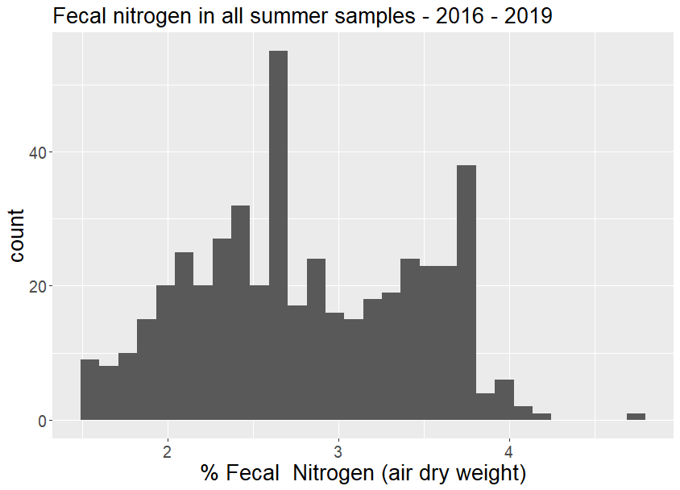

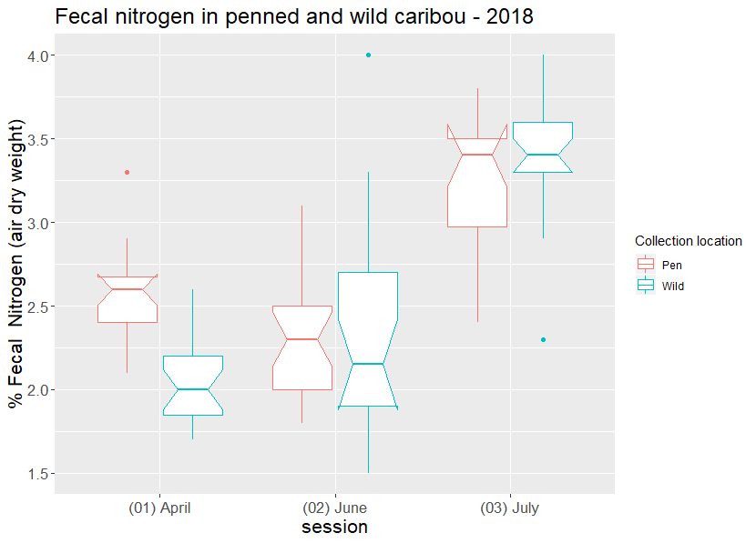
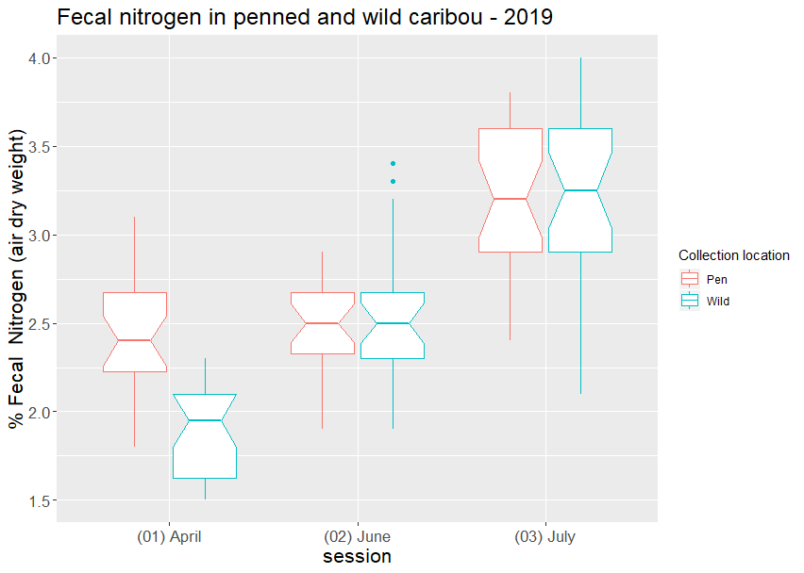
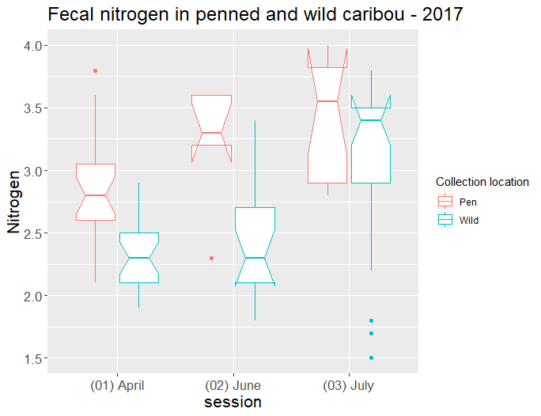

Major observation: across all three years, fecal nitrogen in spring (April collection session) is higher in penned cows than in free-ranging animals. However, this pattern becomes weak or non-existent in June and July, when the levels of nitrogen in the fecal pellets becomes very similar in penned and free-ranging animals. This might be due to the fact pennd animals begin eating nutrient-rich pellets in March, while the free-ranging caribou dont get 'better' food until ~May when spring green-up reaches the alpine.

Trace_nutrients
KLINSE-ZA |  |  |  |  |  |  |  |  |  |  | 2020 update
Trace Nutrient | Min | Max | Mean (SD) | Median
Mn (ng/mL) | 1.7 | 7.5 | 3.11 (1.01) | 2.8 |  |  |  |  |  |  | Trace Nutrient | Min | Max | Mean (SD) | Median | Note: From eyeballing the data, it does not seem as if levels of one trace nutrient are correlated i.e. if a cow has very low iron it doesn't mean that she's also defincient in copper, etc. But how to test this quamntitatively?
Fe (ug/mL) | 1.6 | 12 | 3.64 (2.10) | 3.05 |  |  |  |  |  |  | Mn (ng/mL) | 1.3 | 7.5 | 2.835 (1.11) | 2.6
Co (ng/mL) | 0.32 | 2.6 | 1.05 (0.76) | 0.76 |  |  |  |  |  |  | Fe (ug/mL) | 1.6 | 17 | 3.928 (11.06) | 2.95
Cu (ug/mL) | 0.34 | 1 | 0.47 (0.10) | 0.46 |  |  |  |  |  |  | Co (ng/mL) | 0.26 | 2.6 | 0.835 (0.65) | 0.54
Zn (ug/mL) | 0.17 | 1.4 | 0.74 (0.23) | 0.66 |  |  |  |  |  |  | Cu (ug/mL) | 0.25 | 0.66 | 0.456 (0.13) | 0.45
Se (ug/mL) | 0.045 | 0.34 | 0.072 (0.05) | 0.061 |  |  |  |  |  |  | Zn (ug/mL) | 0.17 | 1.4 | 0.704 (0.2) | 0.63
Mo (ng/mL) | 1.1 | 51 | 8.05 (10.77) | 3.8 |  |  |  |  |  |  | Se (ug/mL) | 0.045 | 0.55 | 0.078 (0.063) | 0.062
 |  |  |  |  |  |  |  |  |  |  | Mo (ng/mL) | 0.95 | 51 | 8.211 (NA) | 4.1

** results converted to ppm/ppb ** |  |  |  |  |  |  |  | Results from BCHRP
Trace Nutrient | Min | Max | Mean (SD) | Median | Level relative to NE BC caribou | Level relative to reference range |  | Trace Nutrient | Mean and Range of Values Free-ranging Boreal Caribou | Laboratory Reference Range α
Mn (ppm) | 0.0017 | 0.0075 | 0.00311 (0.001) | 0.0028 | comparable | na |  | Manganese (Mn) | 0.027 ppm (0.001-4.80) ppm | NE
Fe (ppm) | 1.6 | 12 | 3.64 (2.10) | 3.05 | lower | na |  | Iron (Fe) | 5.61 ppm (1.70-140.00 ppm) | NE
Co (ppb) | 0.32 | 2.6 | 1.05 (0.76) | 0.76 | higher | na |  | Cobalt (Co) | 0.65 ppb (0.27-1.70 ppb) | NE
Cu (ppm) | 0.34 | 1 | 0.47 (0.10) | 0.46 | comparable | low |  | Copper (Cu) | 0.43 ppm (0.11-0.74 ppm) | 0.70-1.80 ppm
Zn (ppm) | 0.17 | 1.4 | 0.74 (0.23) | 0.66 | lower | low |  | Zinc (Zn) | 1.04 ppm (0.59-3.00 ppm) | 1.10-2.50 ppm
Se (ppm) | 0.045 | 0.34 | 0.072 (0.05) | 0.061 | comparable | normal |  | Selenium (Se) | 0.054 ppm (0.030-0.51 ppm) | 0.050-0.140 ppm
Mo (ppm) | 0.0011 | 0.051 | 0.0081 (0.0011) | 0.0038 | lower | na |  | Molybdenum (Mo) | 0.034 ppm (0.0009-1.00 ppm) β | NE

Notes
C312K had very low Zn levels in 2018 (0.17ppm) and was not pregnant that year. Also not pregnant this year (2019) but no trace nutrient bloodwork done yet.
From eyeballing the data, it seems like there might be an association between lower Fe and Zn levels and reproductive failure. ANOVA test shows significant correlation with Zinc, but not significant with iron (see below)
 |  |  |  |  |  |  |  |  |  |  | 2020 update

> anova(zinc.mod) |  |  |  |  |  | > anova(iron.mod) |  |  |  |  | > summary(zinc.mod) |  |  |  |  |  | summary(iron.mod)
Analysis of Variance Table |  |  |  |  |  | Analysis of Variance Table
 |  |  |  |  |  |  |  |  |  |  | Call: |  |  |  |  |  | Call:
Response: CalvingNutri$Zn |  |  |  |  |  | Response: CalvingNutri$Fe |  |  |  |  | lm(formula = CalvingNutri_pen$`Zn (ug/mL)` ~ CalvingNutri_pen$calf_succes, |  |  |  |  |  | lm(formula = CalvingNutri_pen$`Fe (ug/mL)` ~ CalvingNutri_pen$calf_succes,
Df Sum Sq Mean Sq F value Pr(>F) |  |  |  |  |  | Df Sum Sq Mean Sq F value Pr(>F) |  |  |  |  | data = CalvingNutri_pen) |  |  |  |  |  | data = CalvingNutri_pen)
CalvingNutri$calf_succes 1 0.42967 0.42967 8.9943 0.004213 ** |  |  |  |  |  | CalvingNutri$calf_succes 1 14.289 14.2888 3.2223 0.07869 .
Residuals 50 2.38860 0.04777 |  |  |  |  |  | Residuals 50 221.719 4.4344 |  |  |  |  | Residuals: |  |  |  |  |  | Residuals:
 |  |  |  |  |  |  |  |  |  |  | Min 1Q Median 3Q Max |  |  |  |  |  | Min 1Q Median 3Q Max
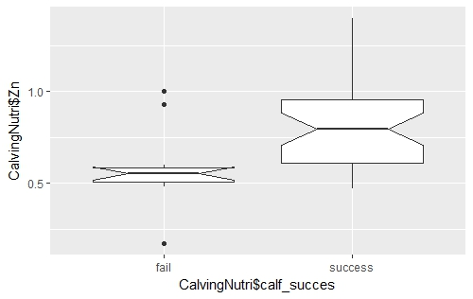
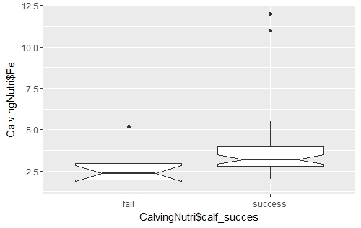
 |  |  |  |  |  |  |  |  |  |  | -0.41684 -0.12921 -0.04302 0.11829 0.66079 |  |  |  |  |  | -2.2921 -1.4921 -0.8921 0.0789 12.7079

 |  |  |  |  |  |  |  |  |  |  | Coefficients: |  |  |  |  |  | Coefficients:
 |  |  |  |  |  |  |  |  |  |  | Estimate Std. Error t value Pr(>|t|) |  |  |  |  |  | Estimate Std. Error t value Pr(>|t|)
 |  |  |  |  |  |  |  |  |  |  | (Intercept) 0.58684 0.04611 12.727 < 2e-16 *** |  |  |  |  |  | (Intercept) 2.7211 0.6431 4.231 6.15e-05 ***
 |  |  |  |  |  |  |  |  |  |  | CalvingNutri_pen$calf_successuccess 0.15236 0.05261 2.896 0.00487 ** |  |  |  |  |  | CalvingNutri_pen$calf_successuccess 1.5710 0.7337 2.141 0.0353 *
 |  |  |  |  |  |  |  |  |  |  | --- |  |  |  |  |  | ---
 |  |  |  |  |  |  |  |  |  |  | Signif. codes: 0 ‘***’ 0.001 ‘**’ 0.01 ‘*’ 0.05 ‘.’ 0.1 ‘ ’ 1 |  |  |  |  |  | Signif. codes: 0 ‘***’ 0.001 ‘**’ 0.01 ‘*’ 0.05 ‘.’ 0.1 ‘ ’ 1

 |  |  |  |  |  |  |  |  |  |  | Residual standard error: 0.201 on 80 degrees of freedom |  |  |  |  |  | Residual standard error: 2.803 on 80 degrees of freedom
 |  |  |  |  |  |  |  |  |  |  | Multiple R-squared: 0.0949, Adjusted R-squared: 0.08359 |  |  |  |  |  | Multiple R-squared: 0.0542, Adjusted R-squared: 0.04238
 |  |  |  |  |  |  |  |  |  |  | F-statistic: 8.388 on 1 and 80 DF, p-value: 0.004868 |  |  |  |  |  | F-statistic: 4.585 on 1 and 80 DF, p-value: 0.0353

 |  |  |  |  |  |  |  |  |  |  | > anova(zinc.mod) |  |  |  |  |  | > anova(iron.mod)
 |  |  |  |  |  |  |  |  |  |  | Analysis of Variance Table |  |  |  |  |  | Analysis of Variance Table

 |  |  |  |  |  |  |  |  |  |  | Response: CalvingNutri_pen$`Zn (ug/mL)` |  |  |  |  |  | Response: CalvingNutri_pen$`Fe (ug/mL)`
 |  |  |  |  |  |  |  |  |  |  | Df Sum Sq Mean Sq F value Pr(>F) |  |  |  |  |  | Df Sum Sq Mean Sq F value Pr(>F)
 |  |  |  |  |  |  |  |  |  |  | CalvingNutri_pen$calf_succes 1 0.3389 0.33888 8.3885 0.004868 ** |  |  |  |  |  | CalvingNutri_pen$calf_succes 1 36.03 36.028 4.5847 0.0353 *
 |  |  |  |  |  |  |  |  |  |  | Residuals 80 3.2319 0.04040 |  |  |  |  |  | Residuals 80 628.66 7.858
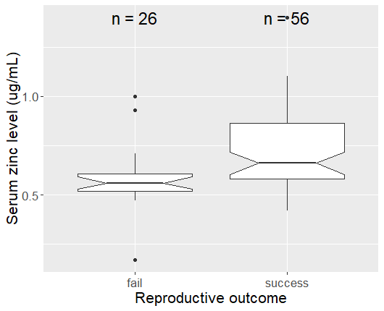
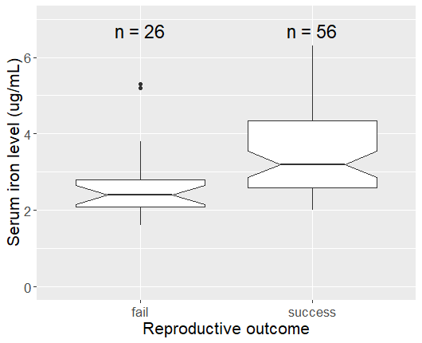

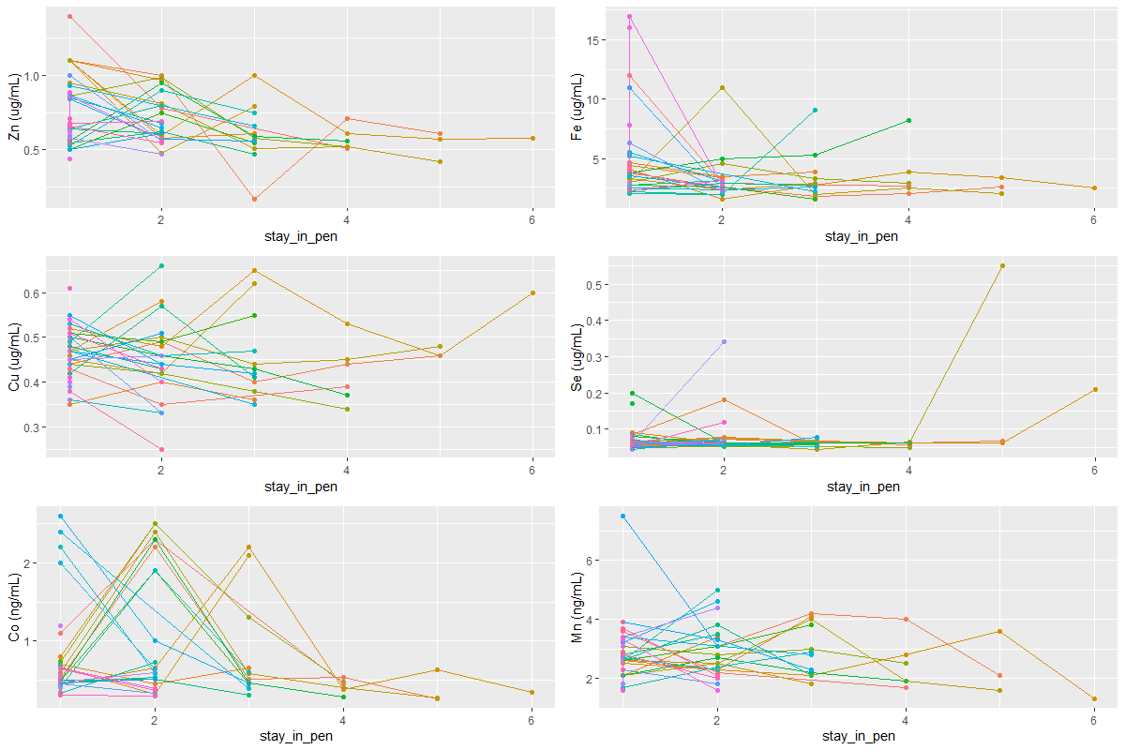
 |  |  |  |  |  |  |  |  |  |  | 2020 update
The number of times a cow has been penned do not strongly predict levels of trace nutrients. If anything, it seems to slightly decline on average in the top 4 cases (Zn, Fe, Cu, Se) and slightly increase on avearge for Co and Mn.
Colors represent individual cows. X axis denotes which penning stint this is FOR THAT COW (i.e. it does not represent year of penning program)
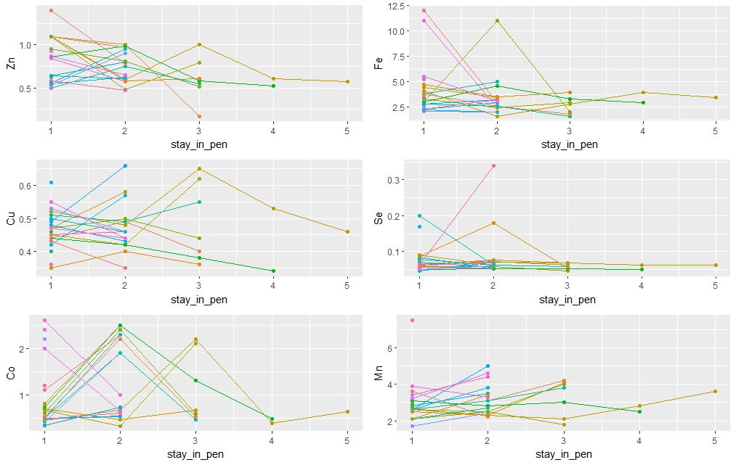

ONCP

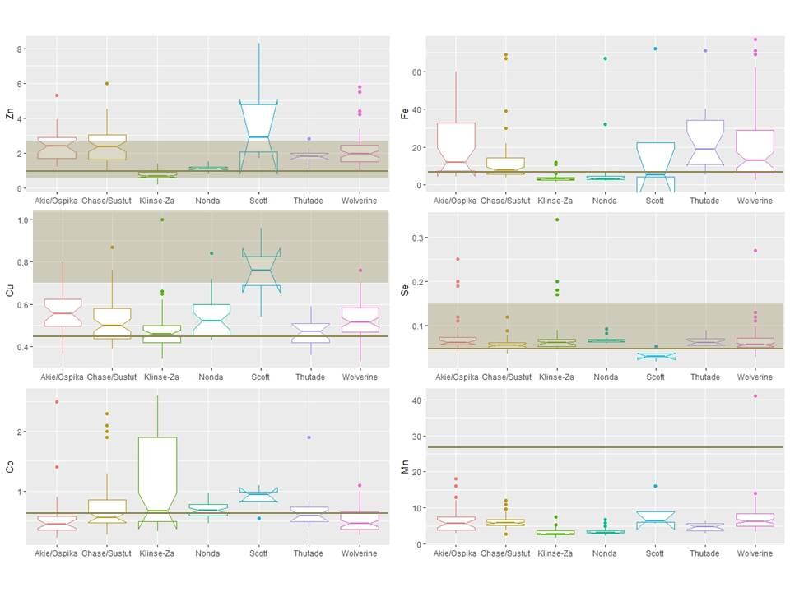
 | Akie/Ospika (n=28) | Chase/Sustut (n=56) | Klinse-Za (n=56) | Nonda (n=33) | Scott (n=4) | Thutade (n=17) | Wolverine (n=68) | Total = (n=262)
Mn (ppm)
Mean (SD) | 6.607 (3.841) | 6.268 (2.016) | 3.116 (1.007) | 3.436 (0.963) | 8.625 (4.937) | 4.735 (1.151) | 7.444 (4.742) | 5.516 (3.469)
Median (Q1, Q3) | 5.600 (3.775, 7.450) | 5.800 (5.175, 6.700) | 2.800 (2.500, 3.600) | 3.200 (2.900, 3.600) | 6.450 (6.050, 9.025) | 4.800 (3.700, 5.700) | 6.250 (5.000, 8.350) | 5.000 (3.400, 6.300)
Min - Max | 3.000 - 18.000 | 2.800 - 12.000 | 1.700 - 7.500 | 2.200 - 6.800 | 5.600 - 16.000 | 3.000 - 6.400 | 3.300 - 41.000 | 1.700 - 41.000
Fe (ppm)
Mean (SD) | 47.571 (99.423) | 17.841 (29.563) | 3.637 (2.102) | 6.467 (11.989) | 21.600 (33.608) | 23.559 (16.616) | 37.269 (83.748) | 22.021 (57.387)
Median (Q1, Q3) | 12.000 (7.475, 32.750) | 7.800 (5.675, 14.250) | 3.050 (2.575, 3.825) | 3.300 (3.000, 4.600) | 5.150 (4.400, 22.350) | 19.000 (11.000, 34.000) | 13.000 (6.150, 29.000) | 6.800 (3.600, 15.750)
Min - Max | 4.100 - 480.000 | 4.000 - 180.000 | 1.600 - 12.000 | 2.200 - 67.000 | 4.100 - 72.000 | 5.300 - 71.000 | 2.600 - 590.000 | 1.600 - 590.000
Co (ppb) *
Mean (SD) | 0.573 (0.448) | 0.719 (0.453) | 1.047 (0.764) | 0.676 (0.131) | 0.878 (0.238) | 0.671 (0.340) | 0.500 (0.204) | 0.710 (0.496)
Median (Q1, Q3) | 0.445 (0.345, 0.578) | 0.555 (0.465, 0.852) | 0.660 (0.487, 1.900) | 0.670 (0.580, 0.770) | 0.935 (0.825, 0.987) | 0.590 (0.490, 0.730) | 0.445 (0.350, 0.650) | 0.560 (0.440, 0.758)
Min - Max | 0.210 - 2.500 | 0.260 - 2.300 | 0.320 - 2.600 | 0.450 - 0.960 | 0.540 - 1.100 | 0.390 - 1.900 | 0.000 - 1.100 | 0.000 - 2.600
Se (ppm)
Mean (SD) | 0.081 (0.051) | 0.057 (0.014) | 0.072 (0.047) | 0.067 (0.007) | 0.033 (0.014) | 0.064 (0.011) | 0.065 (0.032) | 0.066 (0.034)
Median (Q1, Q3) | 0.062 (0.057, 0.074) | 0.056 (0.049, 0.062) | 0.061 (0.053, 0.069) | 0.066 (0.063, 0.069) | 0.030 (0.026, 0.036) | 0.061 (0.056, 0.071) | 0.056 (0.051, 0.072) | 0.060 (0.052, 0.070)
Min - Max | 0.037 - 0.250 | 0.036 - 0.120 | 0.045 - 0.340 | 0.058 - 0.092 | 0.019 - 0.053 | 0.052 - 0.090 | 0.029 - 0.270 | 0.019 - 0.340
Zn (ppm)
Mean (SD) | 2.500 (0.913) | 2.404 (1.002) | 0.746 (0.229) | 1.076 (0.161) | 3.950 (3.009) | 1.824 (0.390) | 2.134 (0.923) | 1.809 (1.086)
Median (Q1, Q3) | 2.400 (1.700, 2.900) | 2.350 (1.600, 3.025) | 0.660 (0.577, 0.908) | 1.100 (0.980, 1.200) | 2.900 (2.075, 4.775) | 1.800 (1.600, 2.000) | 1.950 (1.500, 2.425) | 1.600 (1.000, 2.375)
Min - Max | 1.200 - 5.300 | 0.950 - 6.000 | 0.170 - 1.400 | 0.790 - 1.500 | 1.700 - 8.300 | 1.100 - 2.800 | 0.930 - 5.800 | 0.170 - 8.300
Cu (ppm)
Mean (SD) | 0.563 (0.101) | 0.518 (0.101) | 0.475 (0.102) | 0.542 (0.098) | 0.755 (0.172) | 0.468 (0.068) | 0.521 (0.088) | 0.518 (0.104)
Median (Q1, Q3) | 0.555 (0.495, 0.622) | 0.500 (0.438, 0.580) | 0.460 (0.420, 0.500) | 0.520 (0.450, 0.600) | 0.760 (0.690, 0.825) | 0.470 (0.420, 0.510) | 0.515 (0.467, 0.582) | 0.500 (0.440, 0.577)
Min - Max | 0.370 - 0.800 | 0.390 - 0.870 | 0.340 - 1.000 | 0.430 - 0.840 | 0.540 - 0.960 | 0.360 - 0.590 | 0.330 - 0.760 | 0.330 - 1.000
Mo (ppm) *
Mean (SD) | 14.437 (52.461) | 0.280 (0.976) | 3.163 (7.885) | 2.200 (2.294) | 0.000 (0.000) | 0.159 (0.457) | 0.989 (1.442) | 2.823 (17.793)
Median (Q1, Q3) | 1.200 (0.000, 10.250) | 0.000 (0.000, 0.000) | 0.000 (0.000, 2.600) | 1.500 (0.000, 3.400) | 0.000 (0.000, 0.000) | 0.000 (0.000, 0.000) | 0.000 (0.000, 1.300) | 0.000 (0.000, 1.600)
Min - Max | 0.000 - 280.000 | 0.000 - 6.000 | 0.000 - 51.000 | 0.000 - 8.700 | 0.000 - 0.000 | 0.000 - 1.600 | 0.000 - 6.500 | 0.000 - 280.000

* For Cobalt, one observation was removed due to insufficient data, and so n = 205
** For Molybdenum 129 observation was removed due to <MDL, and so n = 77

Haptaglobin
 |  |  |  |  | 2020 update

Test | Min | Max | Mean (SD) | Median | Test | Min | Max | Mean (SD) | Median
Haptoglobin g/L | 0.15 | 1.36 | 0.28 (0.17) | 0.24 | Haptoglobin g/L | 0.15 | 1.36 | 0.28 (0.14) | 0.25
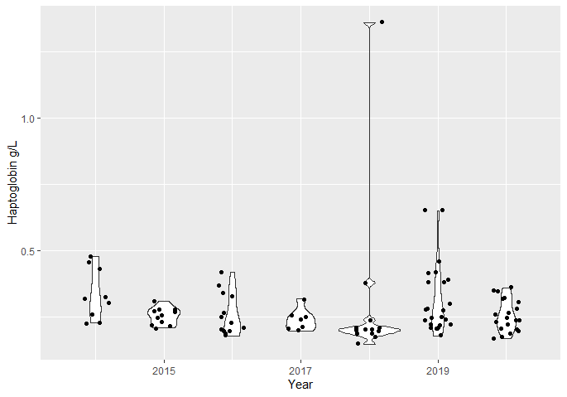

 |  |  |  |  | A potentially interesting test would be to analyze relationship between haptoglobin and pathogens and/or parasites at the cow/year level

