Faculty
Emp No | Name | Department | Designation | Blood Group | Photo
NGI230005 | Rajendra Prasad J |  |  |  | Image Unavailable
 | Poornima G |  | Asst Prof |  | Image Unavailable
 | TestUser 19 |  | Senior Professor | A+ | Image Unavailable
NGI250004 | Radha S | Administration | Adminstration | B+ | 
NGI240004 | Mithun C T | Computer Science | Visiting Faculty | A+
 | TestUser126 |  | Senior Professor | A+ | 
NGI160001 | Prakruthi B |  | Asst Prof |  | Image Unavailable
NGI240003 | Sai Teja Y | Computer Science | Asst Prof | O+ | 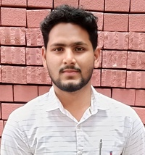
 | Jahanavi Rao |  | Asst Prof |  | Image Unavailable
 | Harshita |  |  |  | Image Unavailable
NGI230004 | Ashray D | Non-Teaching | Non Teaching | AB+ | 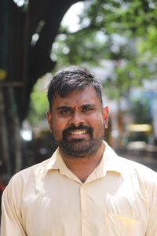
NGI230003 | Zainab | Admission | Non Teaching |  | Image Unavailable
 | Vidyullatha S N |  | Asst Prof |  | Image Unavailable
NGI230002 | Noor E Firdose |  | Asst Prof |  | Image Unavailable
 | Jai Gopi |  | Asst Prof |  | Image Unavailable
NGI220001 | Yashaswini | Commerce and Management | Asst Prof |  | Image Unavailable
NGI150001 | Pramod N |  |  |  | Image Unavailable
 | Test User 125 |  | Senior Professor | A+ | Image Unavailable
NGI250011 | Jacob Daniel | Commerce and Management | Asst Prof | O+ | 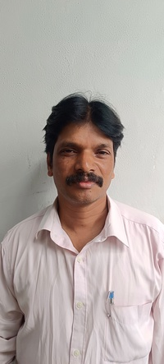
NGI250001 | Keerthana N |  | Asst Lib |  | Image Unavailable
NGI250006 | Lohith M |  | Asst Prof | O+ | 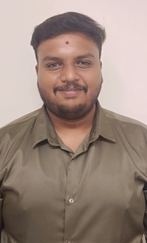
 | Pallavi |  |  |  | Image Unavailable
NGI240002 | Srujana M | Computer Science | Asst Prof | O+ | 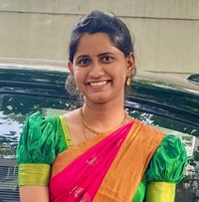
NGI240001 | Abdul Khader |  | Asst Prof |  | Image Unavailable
NGI250007 | ADMIN | Admission | ADMIN |  | Image Unavailable
NGI230001 | Devatha |  |  |  | Image Unavailable
NGI250012 | Dr Sunitha |  | Asst Prof |  | Image Unavailable
NGI230006 | Kulsum |  |  |  | Image Unavailable
NGI250013 | Naga Rathna |  | Asst Prof |  | Image Unavailable
NGI210002 | Padmini |  |  |  | Image Unavailable
NGI230007 | Suraj Shetty | Commerce and Management | Asst Prof |  | Image Unavailable
NGI250014 | Sushma M | Computer Science | Asst Prof |  | Image Unavailable
NGI250015 | Varun | Commerce and Management | Asst Prof |  | Image Unavailable

