PhysicalDiagram
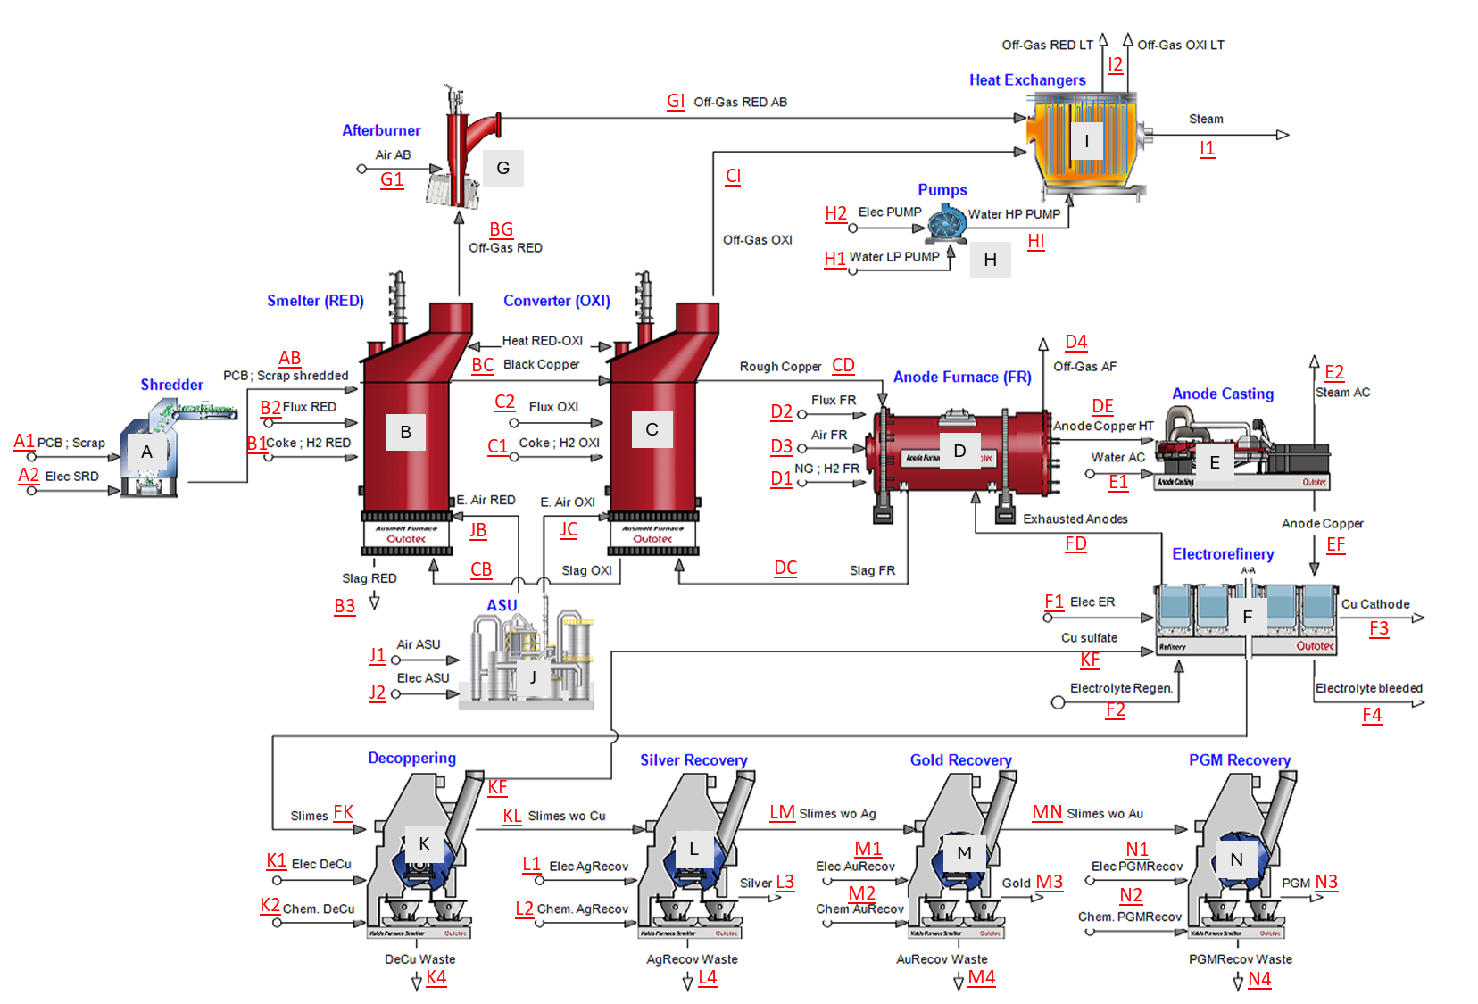
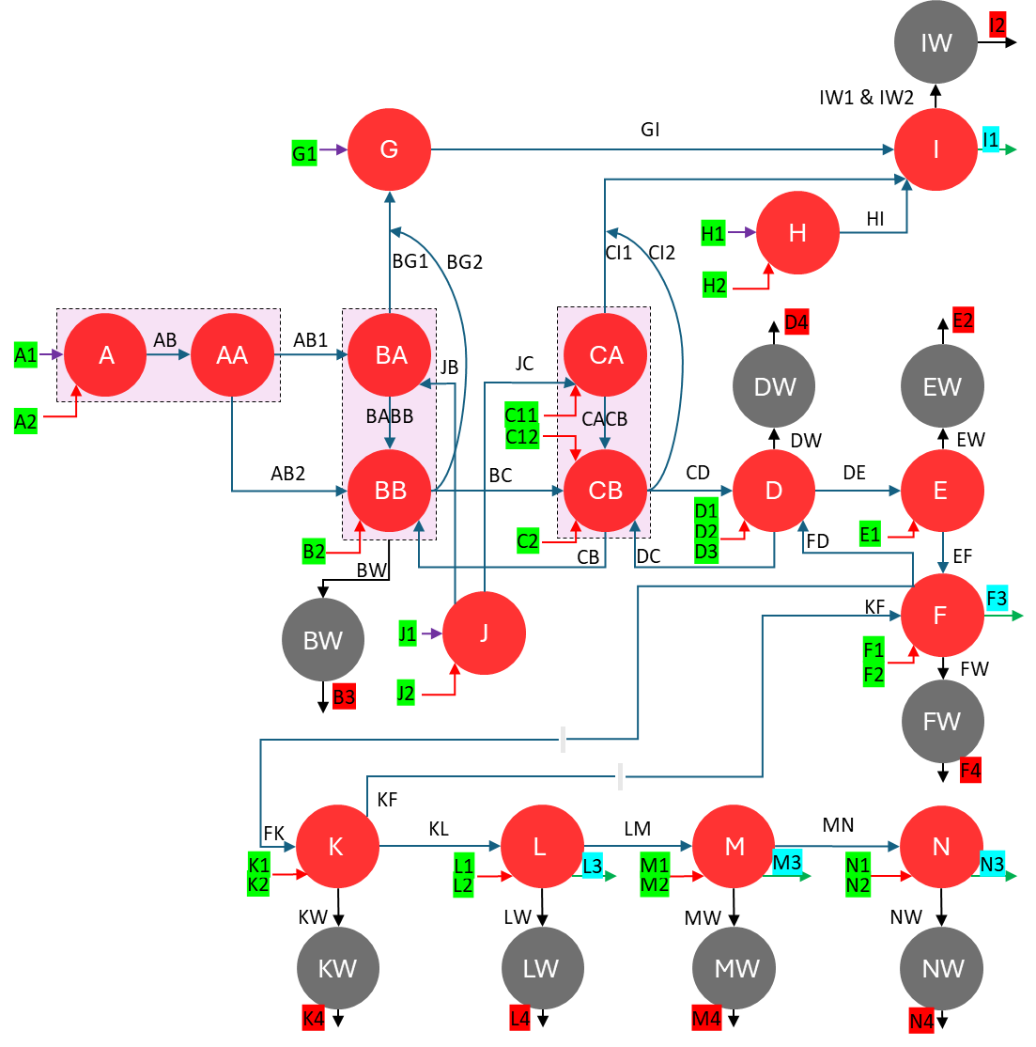

Formula de exergía de concentración y ver si tiene sentido
o Exergía ciclo de vida

1a1
Mining & concentration
1a2
Smelting & Refining
1a3
Rock
1a Scrap (Cu, Fe, Ni, Pb, Sn, Zn)
Ore
1a4
1a6
Fuel (M&C)
1a5
1a7
Fuel (S&R)
Natural
Resources
(M&C)
1a10
Chemical Production
Natural
Resources
(S&R)
1a11
Chemical Production

1a8
1a9
Fuel (EFC-M&C)
Fuel (EFC-S&R)

2b1
2b2
2b3
Rock
Mining & concentration
Smelting & Refining
2b / 3b / 4b
Flux (Ca, Si, Fe)
Ore

2b4
2b5
2b6
Fuel (M&C)
Fuel (S&R)
2b7
2b11
Natural
Resources
(M&C)
Chemical Production
2b10
Natural
Resources
(S&R)
Chemical Production

2b8
2b9
Fuel (EFC-M&C)
Fuel (EFC-S&R)

