PhysicalDiagram
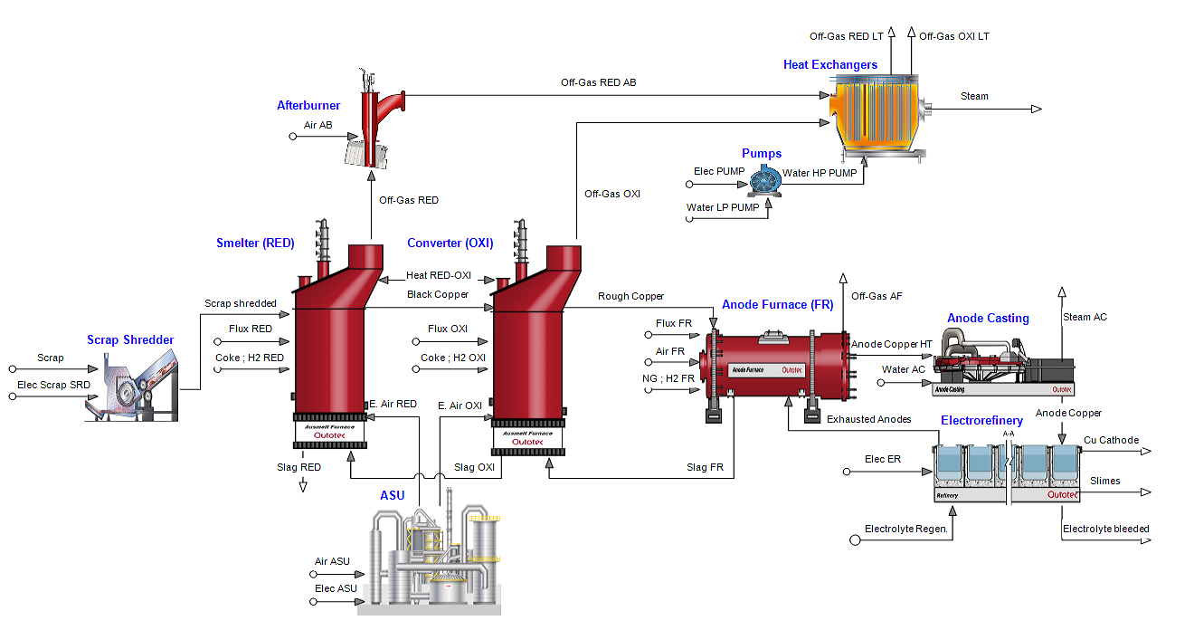
A1
A2
B2
B1
AB
BG
BC
B3
JB
C2
C1
JC
CB
J1
J2
G1
GI
CI
H2
H1
HI
I1
I2
I3
CD
D2
D3
D1
DC
D4
DE
E1
FD
F1
F2
F5
EF
E2
F3
F4

1a1
Mining & concentration
1a2
Smelting & Refining
1a3
Rock
1a Scrap (Cu, Fe, Ni, Pb, Sn, Zn)
Ore
1a4
1a6
Fuel (M&C)
1a5
1a7
Fuel (S&R)
Natural
Resources
(M&C)
1a10
Chemical Production
Natural
Resources
(S&R)
1a11
Chemical Production

B4
1a8
1a9
Fuel (EFC-M&C)
Fuel (EFC-S&R)

2b1
2b2
2b3
Rock
Mining & concentration
Smelting & Refining
2b / 3b / 4b
Flux (Ca, Si, Fe)
Ore

2b4
2b5
2b6
Fuel (M&C)
Fuel (S&R)
2b7
2b11
Natural
Resources
(M&C)
Chemical Production
2b10
Natural
Resources
(S&R)
Chemical Production

2b8
2b9
Fuel (EFC-M&C)
Fuel (EFC-S&R)

