PhysicalDiagram
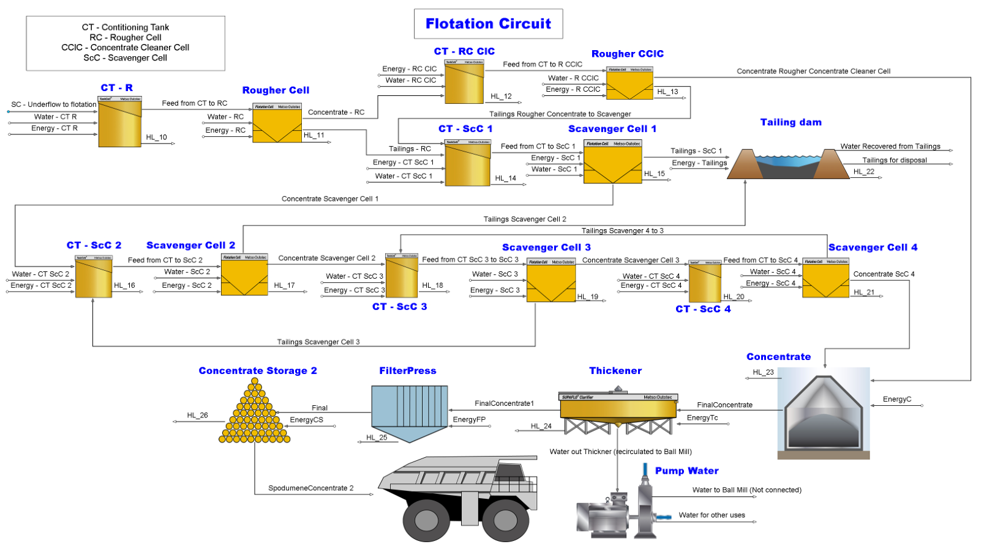
1
2
3
5
4
6
7
8
9
10
11
12
13
14
15
16
17
18
19
20
21
23
22
24
25
26
28
27
29
30
31
32
33
34
35
37
38
39
40
41
42
43
44
74
45
46
47
48
49
50
51
52
53
54
55
56
57
58
59
61
60
62
65
63
64
66
67
68
69
70
71
73
72
36

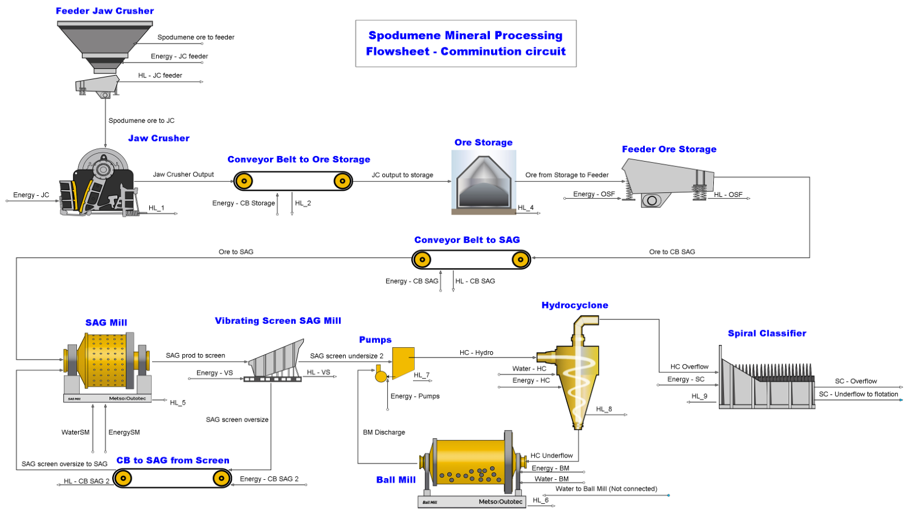
1
2
4
3
5
6
7
9
8
10
11
12
13
14
15
16
17
18
19
22
23
24
25
26
27
28
29
20
21
30
32
33
34
35
36
37
38
39
40
41
42
44
45
43
31

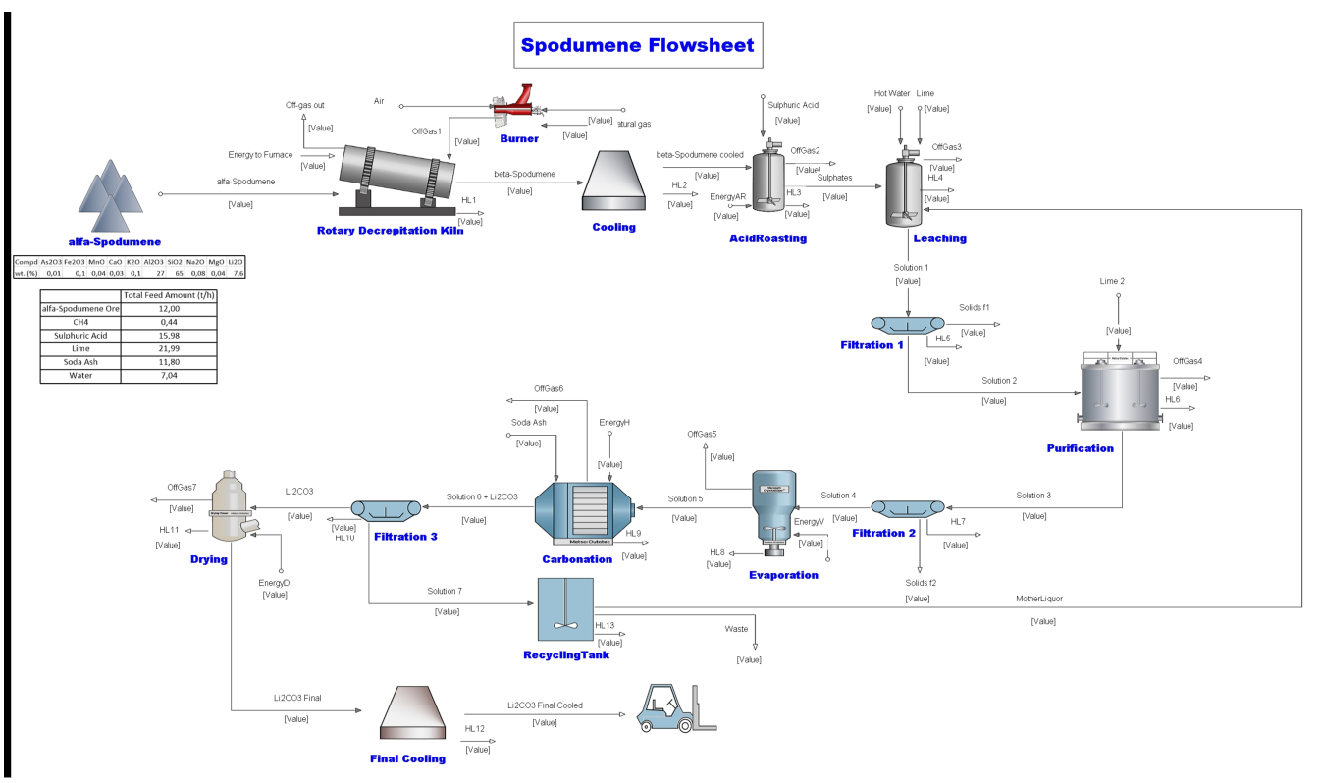
1
2
3
4
5
6
7
ELIMINATED
8
9
10
11
12
13
14
15
16
17
18
19
20
21
22
23
24
25
26
27
28
29
30
31
32
33
34
35
36
38
37
39
40
41
42
43
44
45
46
47
48
49
50
51

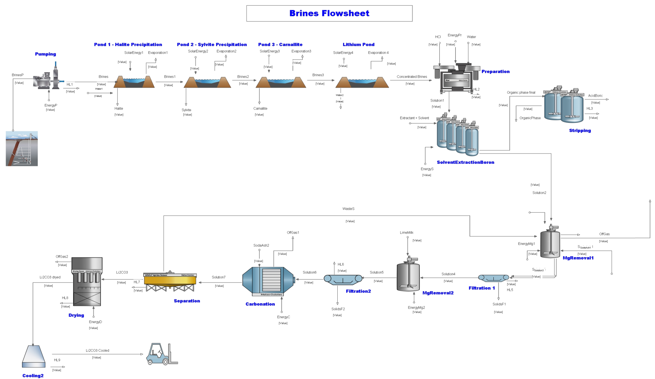
1
2
3
4
5
6
7
8
9
10
11
12
13
14
15
16
17
18
19
20
21
22
23
24
25
26
27
28
29

