PhysicalDiagram
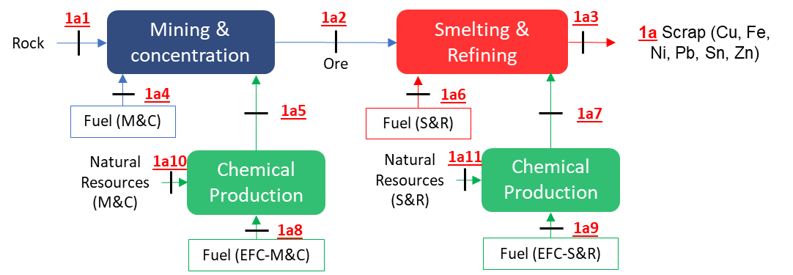
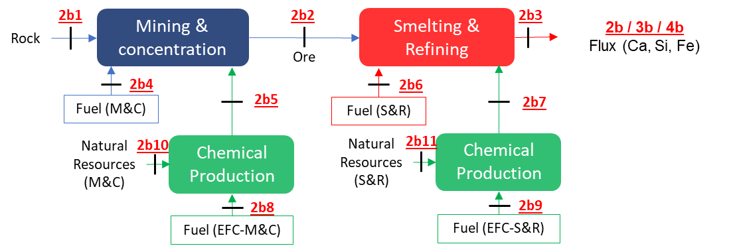
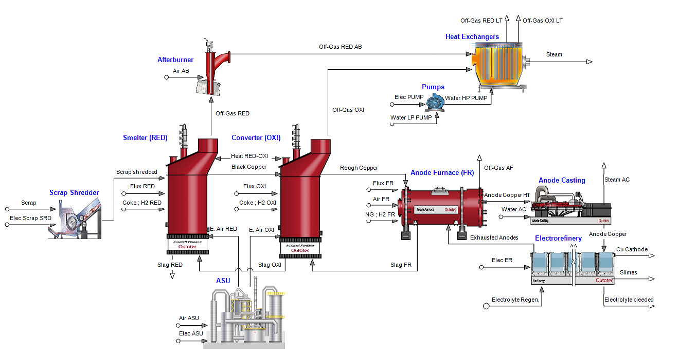
1a
1b
2b
2a
1.2
2.7
2.3
2c
10.2
3b
3a
10.3
3.2
10a
10b
7a
7.9
3.9
8b
8a
8.9
9a
9b
9c
3.4
4b
4c
4a
4.3
4d
4.5
5a
6.4
6a
6b
6e
5.6
5b
6c
6d

