PhysicalDiagram
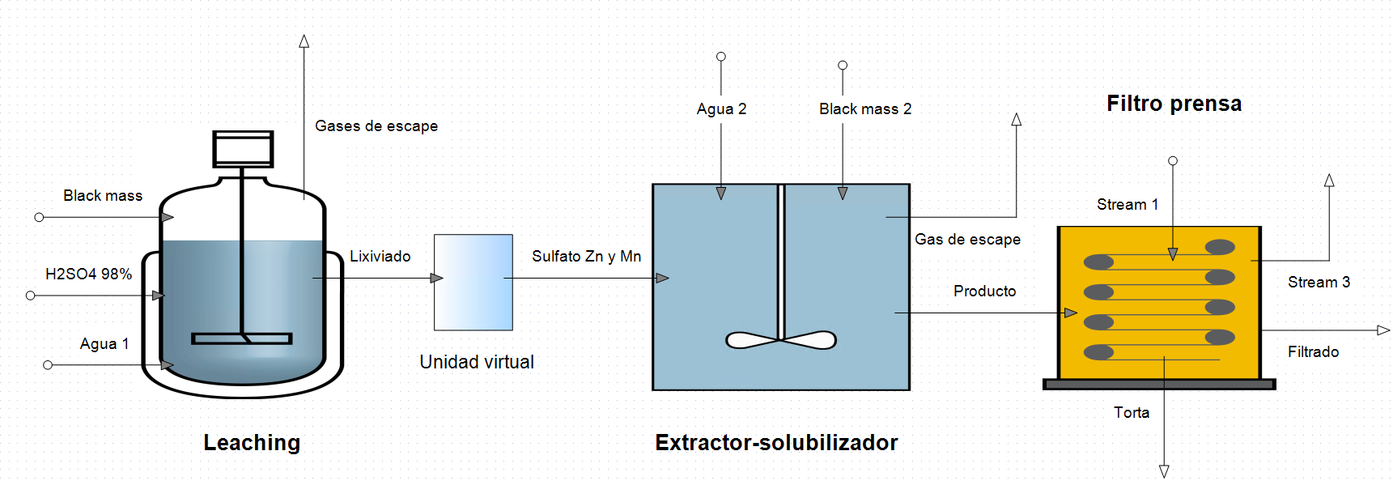
W1
W2

