PhysicalDiagram
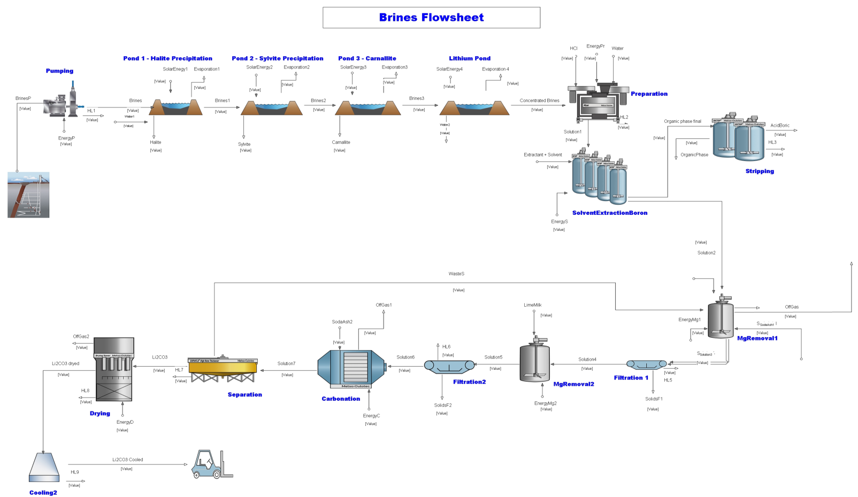
4.1
4.2
4.3
4.5
4.6
4.7
4.8
4.9
4.10
4.11
4.12
4.13
4.14
4.15
4.16
4.17
4.18
4.19
4.21
4.22
4.23
4.24
4.26
4.27
4.28
4.29
4.30
4.31
4.33
4.34
4.35
4.36
4.38
4.41
4.42
4.43
4.44
4.45
4.46
4.47
4.48
4.49
4.50
4.51
4.52
4.53
4.54
4.55
4.56
4.58
4.59
4.40
4.39

