PhysicalDiagram
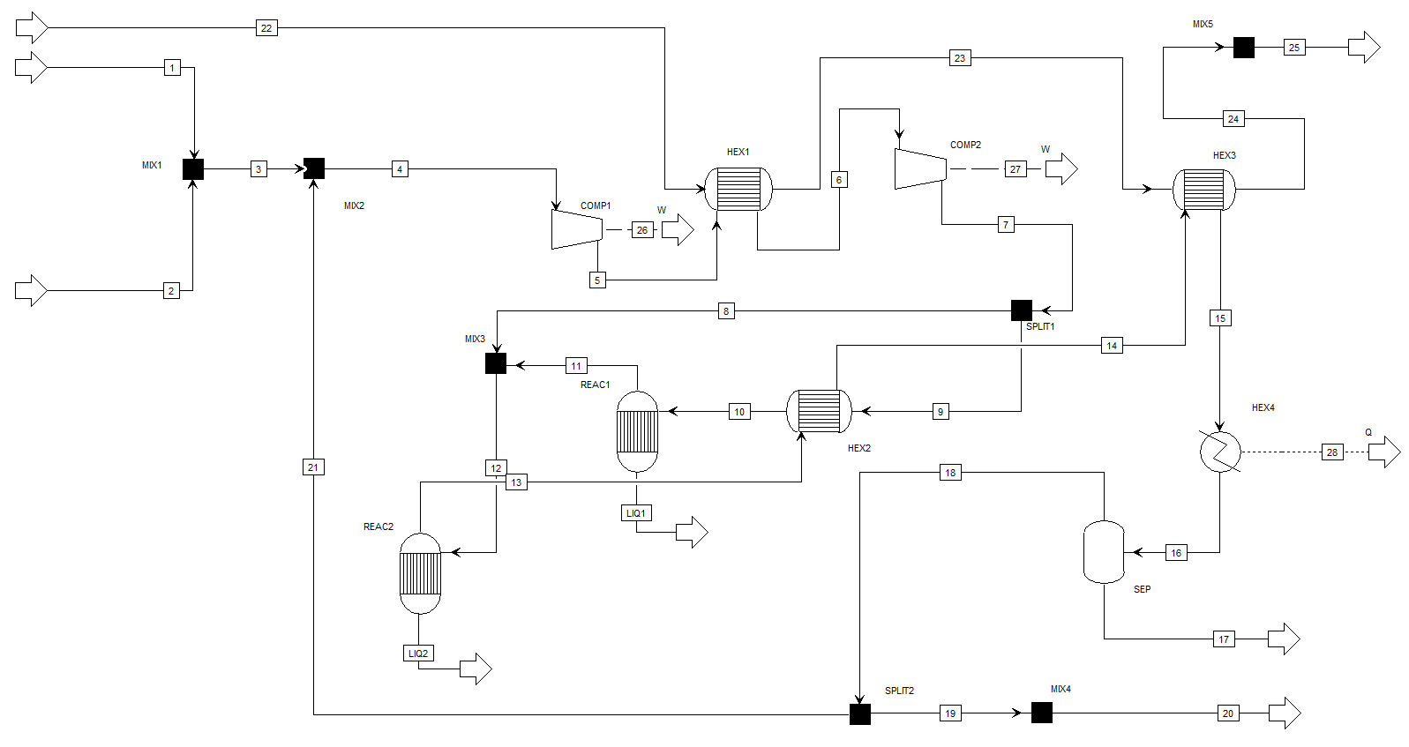

Process exergy table
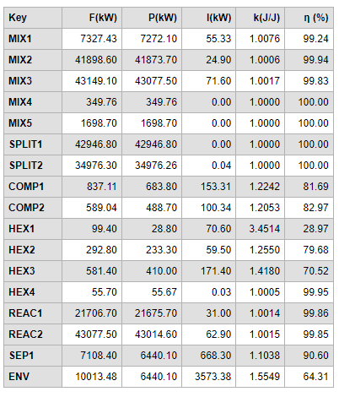
Base | Scenario 1 | Scenario 2 | Scenario 3

