PhysicalDiagram
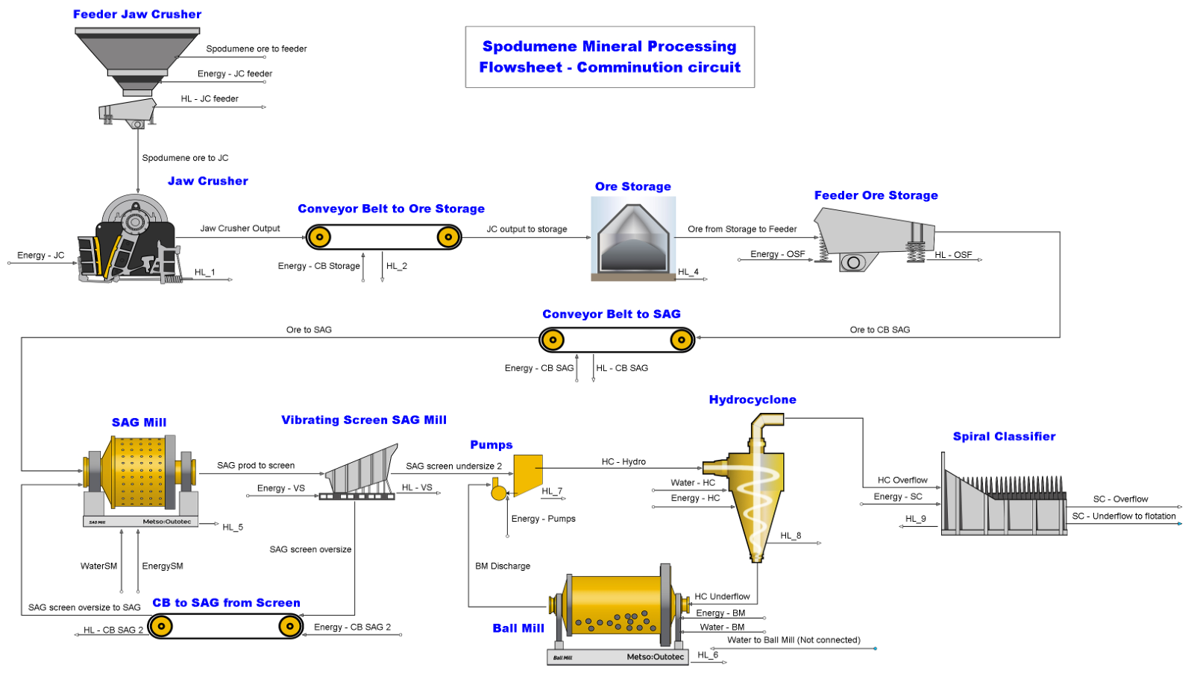
1.1
1.2
1.4
1.5
1.6
1.8
1.9
1.11
1.13
1.14
1.16
1.17
1.19
1.20
1.21
1.22
1.24
1.25
1.27
1.28
1.30
1.32
1.31
1.38
1.36
1.44
1.45
1.39
1.40

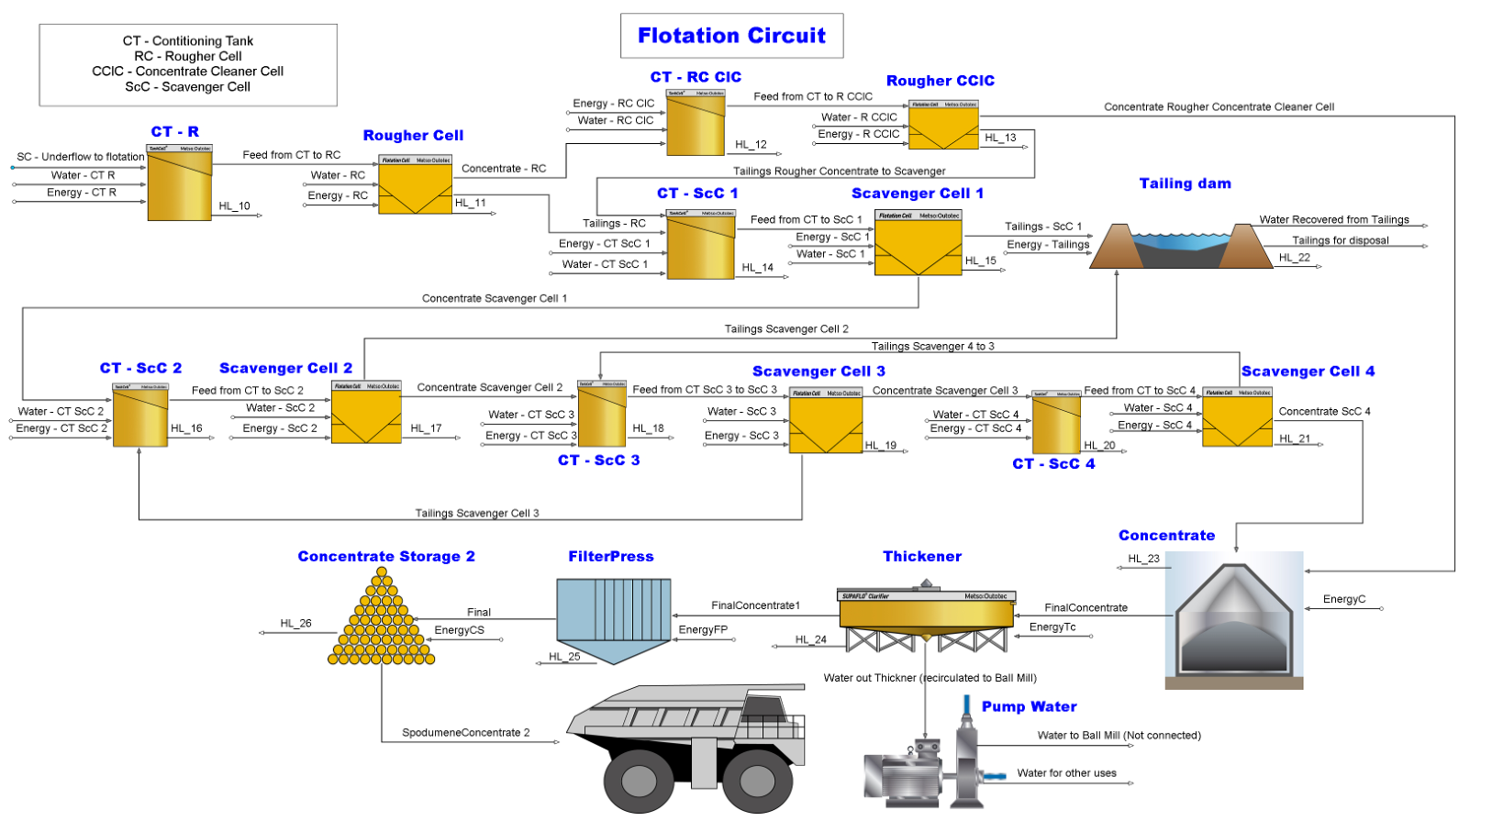
2.13
2.2
2.3
2.4
2.6
2.7
2.8
2.9
2.1
2.17
2.18
2.16
2.20
2.22
2.24
2.25
2.26
2.28
2.31
2.32
2.35
2.36
2.37
2.39
2.40
2.30
2.41
2.74
2.44
2.45
2.48
2.49
2.52
2.53
2.55
2.56
2.57
2.59
2.60
2.62
2.63
2.65
2.66
2.67
2.68
2.69
2.71
2.72

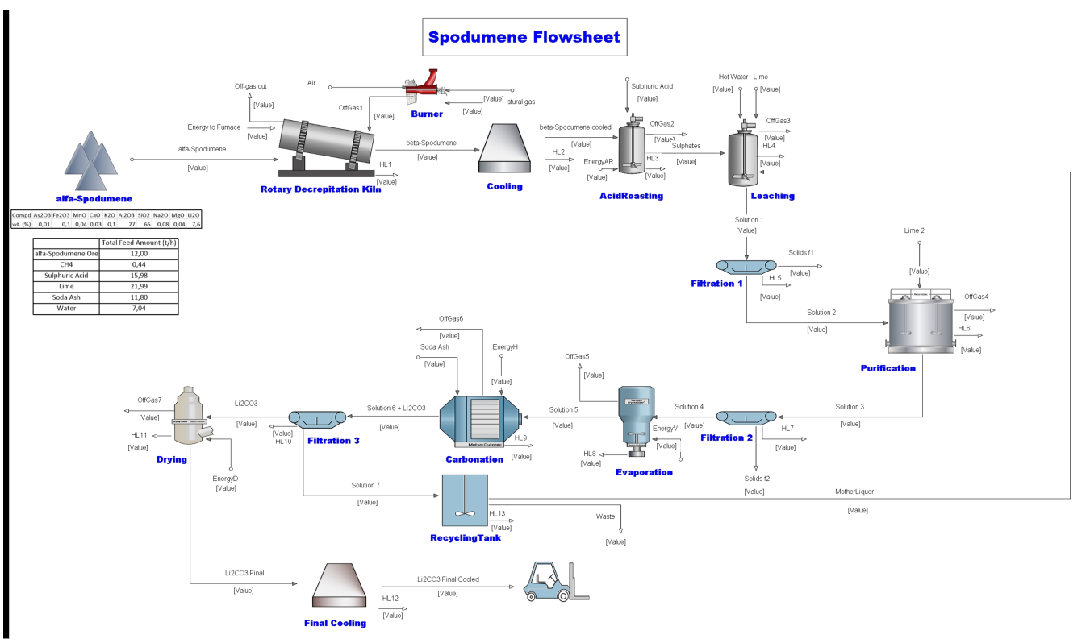
3.1
3.2
3.3
3.4
3.6
3.7
3.8
3.9
3.10
3.11
3.12
3.14
3.15
3.16
3.17
3.18
3.20
3.21
3.22
3.23
3.24
3.25
3.27
3.28
3.29
3.30
3.31
3.32
3.33
3.34
3.38
3.37
3.40
3.41
3.42
3.43
3.44
3.45
3.46
3.47
3.49
3.50
3.51

