工作表5
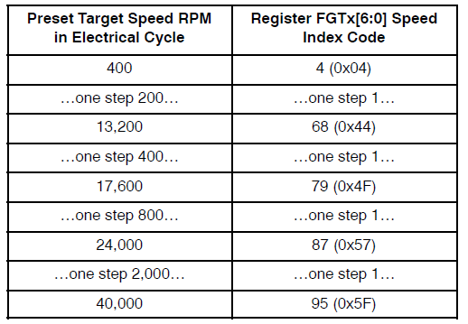
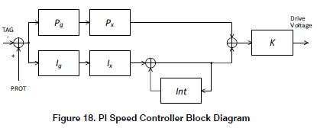
設10h、11h、16h即可(因為PWM為50% duty, 1KHz)

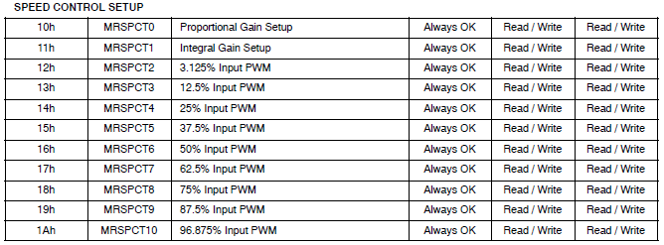



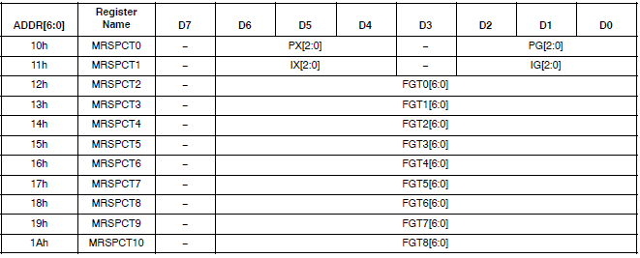
P/I X[2:0] | P/I G[2:0]
0 0 1 | 1 1 1 | P_Gain=2*1/8=1/4
0 0 0 | 1 1 1 | I_Gain=1*1/8=1/8

工作表2
