Sheet1
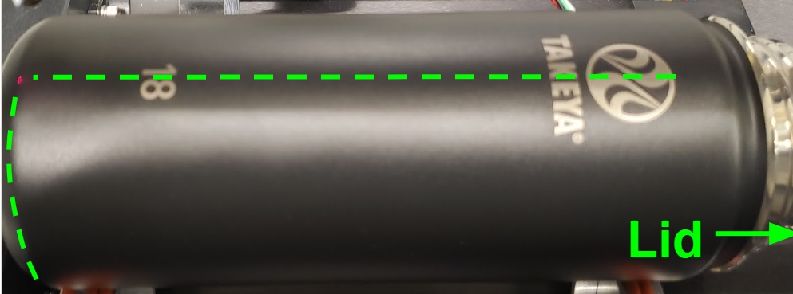
 | INPUTS |  |  | CONVERT | CALCS
BOTTLE | Bottle diameter | H for offset from start | H for centering | IN --> MM | Circumfrence | C/2
 | 3 | 1.375 | 5 | 1 | 9.4247779608 | 4.7123889804
INKSCAPE GRAPHIC | Logo width | Logo height |  | 25.4 | Logo Midx | Logo Midy
 | 4.25 | 1.887 |  | MM --> IN | 2.125 | 0.9435
 |  |  |  | 1
INKSCAPE VALUES |  |  |  | 0.03937007874
X (from start) | Y (opposite side)
1.375 | 3.7688889804
X (centered) | Y (full rotation)
4.0565 | 8.4812779608

