Graphical Representations
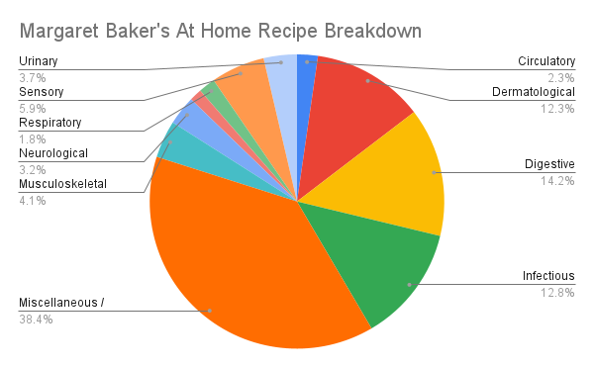
Graphical Representation for Margaret Baker
Circulatory | 5
Dermatological | 27
Digestive | 31
Infectious | 28
Miscellaneous Multispecialty | 84
Musculoskeletal | 9
Neurological | 7
Psychological | 3
Reproductive | 0
Respiratory | 4
Sensory | 13
Surgical | 0
Urinary | 8

Ms. Fr. 640 Categorial Breakdown of Medicinal Recipes

Ms. Fr. 640
Circulatory | 0
Dermatological | 13
Digestive | 9
Infectious | 8
Miscellaneous Multispecialty | 6
Musculoskeletal | 0
Neurological | 0
Psychological | 0
Reproductive | 0
Respiratory | 2
Sensory | 9
Surgical | 0
Urinary | 0

