Product Roadmap
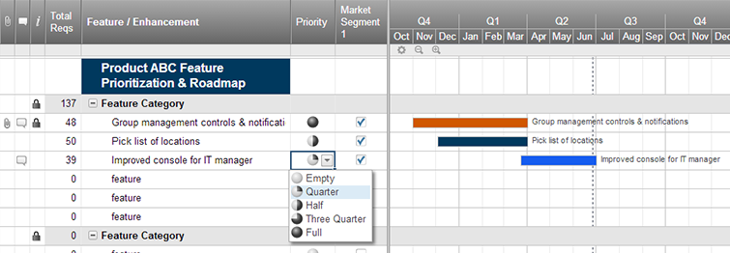
Agile Product Roadmap

<Agile Development Project> | Q2 |  |  | Q3 |  |  | Q4
 | February | March | April | May | June | July | August | September | October
Group 1

Manufacturer

Product 2

Group 3

Group 4

Group 5

Create an Agile Product Roadmap in Smartsheet

Project Plan
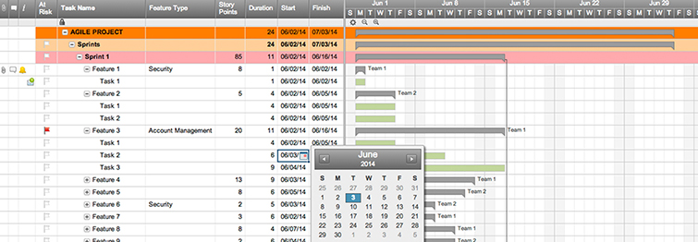
Agile Project Plan

Project Name | Inventory Management System
Project Manager | Jeffrey Lo
Project Deliverable | 1.) Develop a stock monitoring system 2.) Develop a website catalog which shows the products that we produce 3.) Deliever a payment and scheduling system
Scope Statement | Inventory Management System

Start Date | 2019-02-15
End Date | 2019-05-01
Overall Progress | 80%

Task Name | Responsible | Start | End | Days | Status
Sprint 1 | Toby Chan | 2019-02-15 | 2019-03-08 | 21 | Complete
Stock monitoring system: Importing json data into our database | Ivan Wong & Wong Kwun Hoi | 2019-02-15 | 2019-03-01 | 14 | Complete
Stock monitoring system: Exporting json data to the logistics | Toby Chan | 2016-03-01 | 2016-03-08 | 7 | Complete
Sprint 2 | Ivan Wong | 2019-03-08 | 2019-03-21 | 13 | Complete
Developing a website catalog to show our product | Jeffrey Lo | 2019-03-08 | 2019-03-14 | 6 | Complete
On the website catalog, provide a enquiry option for customers to express their interest to the product | Mark Kwok | 2019-03-14 | 2019-03-20 | 6 | Complete
On the website catalog, besides ordering option, provide select box for customers to choose the qunatity of the products | Ivan Wong & Wong Kwun Hoi | 2019-03-14 | 2019-03-20 | 6 | Complete
On the website catalog, develop a production planning system | Ivan Wong & Jeffrey Lo | 2019-03-14 | 2019-03-21 | 7 | Complete
Sprint 3 | Wong Kwun Hoi | 2019-03-20 | 2019-04-20 | 31 | In-progress
Developing a payment confirmation system | Jeffrey Lo | 2019-03-20 | 2019-04-15 | 26 | In-progress
Developing a Transportation and Delivery Scheduling system | Mark Kwok | 2019-03-20 | 2019-04-15 | 26 | In-progress
finalize and merge the payment and scheduling system | Wong Kwun Hoi | 2019-03-31 | 2019-04-15 | 15 | In-progress

Create an Agile Project Plan in Smartsheet

Sprint Backlog
Sprint Backlog Template ( Remaining outstanding efforts in hours )
Sprint Number | 1

Backlog Item | Story Points | Responsible | Status | Original Estimate | Day 1 | Day 2 | Day 3 | Day 4 | Day 5 | Sprint Review
User Story #1 | 10 | Mark Kwok | Complete
Investigating market trends | 5 | Mark Kwok | Complete | 4 | 4 | 3 | 2 | 1 | 0 | 0
Sprint Burndown
Receive market response | 5 | Mark Kwok | Complete | 4 | 4 | 3 | 2 | 1 | 0 | 0
User Story #2 | 25 | Toby Chan | Incomeplete
Develop a stock monitoring system | 30 | Toby Chan | Incomeplete | 24 | 20 | 16 | 10 | 4 | 2 | 0
User Story #3 | 20 | Ivan Wong | Complete
Develop a website catalog to display the products that we produce | 10 | Ivan Wong | Complete | 16 | 14 | 10 | 6 | 3 | 2 | 0
User Story #4 | 5 | Jeffrey Lo | Complete
On the website catalog, provide a ordering option for customers to order the products | 5 | Jeffrey Lo | Complete | 4 | 2 | 0 | 0 | 0 | 0 | 0
User Story #5 | 5 | Jeffrey Lo | Complete
On the website catalog, besides ordering option, provide select box for customers to choose the qunatity of the products | 5 | Jeffrey Lo | Complete | 6 | 5 | 4 | 3 | 2 | 1 | 0
User Story #6 | 10 | Jeffrey Lo | Complete
On the website catalog, develop a production planning system | 5 | Ivan Wong | Complete | 5 | 5 | 3 | 1 | 0 | 0 | 0
User Story #7 | 10 | Wong Kwun Hoi | Incomeplete
Developing a payment confirmation system (stage 1) | 5 | Wong Kwun Hoi | Incomeplete | 12 | 9 | 7 | 5 | 4 | 0 | 0
Developing a payment confirmation system (stage 2) | 5 | Wong Kwun Hoi | Incomplete | 14 | 10 | 7 | 3 | 2 | 1 | 0
User Story #8 | 10 | Toby Chan | Incomeplete
Developing a Transportation and Delivery Scheduling system | 10 | Toby Chan | Incomeplete | 18 | 15 | 10 | 6 | 4 | 2 | 0
User Story #9 | 10 | Ivan Wong | Incomeplete
finalize and merge the payment and scheduling system | 10 | Ivan Wong | Incomeplete | 8 | 6 | 2 | 0 | 0 | 0 | 0
Total | 100 |  |  | 107 | 66 | 59 | 34 | 19 | 8 | 0

Test Plan

Agile Test Plan

Project Name | Inventory Management System |  | Browser: | Python, Html, Css
Test Case ID |  |  | Version:
Written By: | Toby Chan, Ivan Wong, Jeffrey Lo |  | Description: | Testing on our inventory management system
Tested By: | Mark Kwok |  | Tested On: | Personal Computer and Notebooks

Test # | Date | Action | Expected Results | Actual Results | Pass?
1 | 2019-02-25 | Read json file | Select json file for input data source | Retrieve onlinw json file for source file using python
2 | 2019-02-26 | Decode json data | Read and list all data in json file | Listing out all data with dict
3 | 2019-02-27 | Insert into database | Insert successful | Insert successful
4 | 2019-02-27 | Prevent duplicated data input | duplicate data input from source data was prevented using sql coding | duplicate data input from source data was prevented using sql command 'ignore'
5 | 2019-02-27 | Query all rows of data in database | Display as a list | Display as a list
6 | 2019-02-27 | Generate CSV file | Write column name and data into file | Write column name and data into file
7 | 2019-02-28 | Add file type selection function | Available to select data file or online data
8 | 2019-02-28 | Use another table for exporting data to logistics | Call out and display all data in table in list form
9 | 2019-03-01
10 | 2019-03-02
11 | 2019-03-03
 | 2019-03-04
 | 2019-03-05
 | 2019-03-06

Create a Test Plan in Smartsheet

