Report
 |  |  | QUALITY REPORT

DATE RANGE: |  |  |  | LINE | AREA |  |  | PROGRAMA

2025 / 08/01 - 2025/08/09 |  |  |  | 9 | ZF - FORRADO |  |  | RU

Key Metrics

 | 20.00% |  |  | 20.00% |  |  | 20.00% |  |  | 180 | 180

 | Quality Percentage |  |  | Reject Percentage |  |  | Scrap Percentage

Production Summary

 | 180 |  |  | 180 |  |  | 180

 | Produced |  |  | Rejected |  |  | Scrap

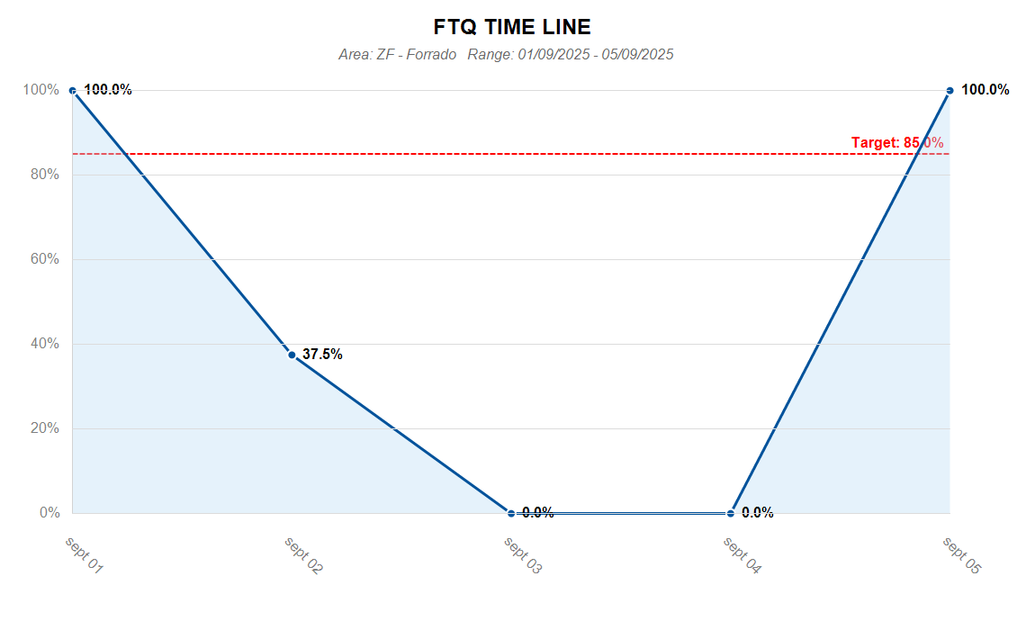

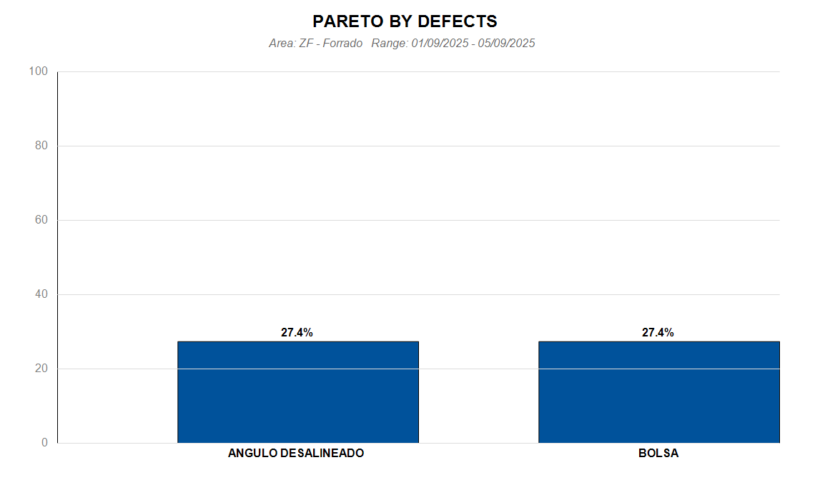

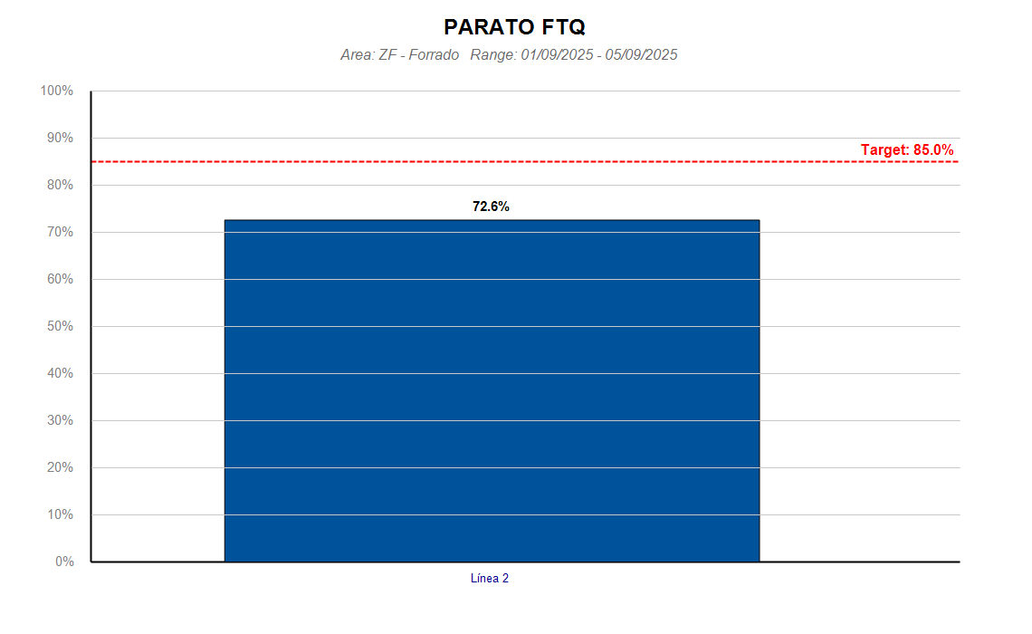

Week No | DATE | PROCESS |  | AREA | LINE | PROGAM | DEFECT NAME |  | DEFECT QUANTITY

