info

 | Info page |  |  | All contents are copyright Cuemacro
 | Hello xlwings!
 |  | web | https://www.cuemacro.com
 |  | GitHub | https://www.github.com/cuemacro/tcapy
 |  | e-mail | saeed@cuemacro.com

What does this spreadsheet do?
This spreadsheet demonstrates how to call Cuemacro's open source tcapy library from Excel.
tcapy is a Python based library which performs transaction cost analysis on your trade data.

It comes prepopulated with randomized test trades, for you to try using tcapy, however, you
can of course add your own trade data. However, do note that the trade data needs to be of a
similar format (eg. Date, id, execution_price etc. fields included). If you miss out lots of the fields
you'll have fewer possiblities of slicing and dicing the data later (eg. if you have no trader_id, you
can't calculate TCA by trader_id later etc.)

The tcapy_xl.py file has the Python code to:
- to read the inputs from Excel (via xlwings),
- to kick off the TCA computation in tcapy (including constructing the appropriate TCARequest)
- to return the output of the TCA computation results back to Excel including the data tables
and charts for aggregated outputs like slippage averages etc.

If you want to create a more elaborate and customised TCA calculation, you will need to edit
tcapy_xl.py

How to use this spreadsheet?
We can paste our sheets into sheet [trade_df] and then change the parameters such as start
date and finish date, as well as which tickers we'd like to do TCA on. Once we are happy
with our parameters, we can click "Run tcapy computation".

If you have use_multithreading set to TRUE, you'll need to make sure the tcapy backend is working
(ie. restart_tcapy.sh has been run) and if you want to use the market database such as Arctic/MongoDB
that needs to have been setup and populated. Alternatively, if you haven't got a database setup
or haven't got the backend running you can set use_multithreading to FALSE, and change the
market_data_store to dukascopy, which will download market data

Note, you'll need Redis running in the background either way (ie. restart_db.sh)

If we start the backend with Docker it should automatically start Arctic/MongoDB, MySQL, Redis etc.

What is tcapy and what is transaction cost analysis?
It combines high frequency market data with you own trade data to compute metrics such as
slippage and market impact. It can also summarize these results as bar charts, probability
distribution charts and more!

As well as outputing the raw data to the spreadsheet, we also demonstrate how to create
a PDF report which can be shared.

How can you install tcapy?
For this spreadsheet to work properly, you need to make sure that tcapy has been
downloaded and installed properly (as well as all the dependancies such as Anaconda!)

Download and installation instructions for tcapy are on GitHub at
https://github.com/cuemacro/tcapy/blob/master/INSTALL.md

The installation instructions will also describe how to kick off the tcapy backend using
restart_db.sh and restart_tcapy.sh, as well using Docker, which is an easier way to install
the backend.

Where can I find more tutorials on tcapy?
Jupyter notebooks which describe how to call the tcapy library programmatically from
Python and also discuss how the library works can be found on GitHub
https://github.com/cuemacro/tcapy/blob/master/tcapy_notebooks/introducing_tcapy.ipynb
https://github.com/cuemacro/tcapy/blob/master/tcapy_notebooks/populating_databases_for_tcapy.ipynb
https://github.com/cuemacro/tcapy/blob/master/tcapy_notebooks/compliance_tca_calculations.ipynb

(and much more!)

results
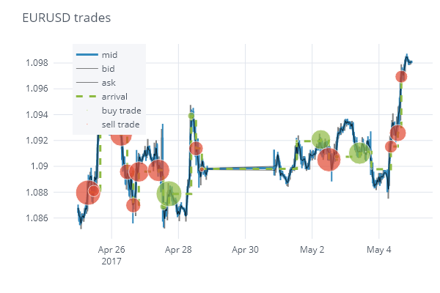
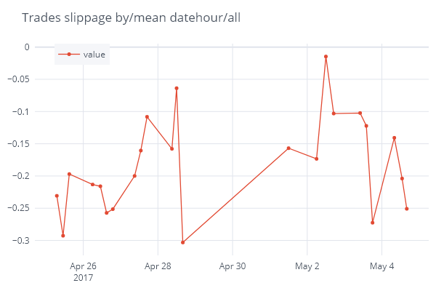
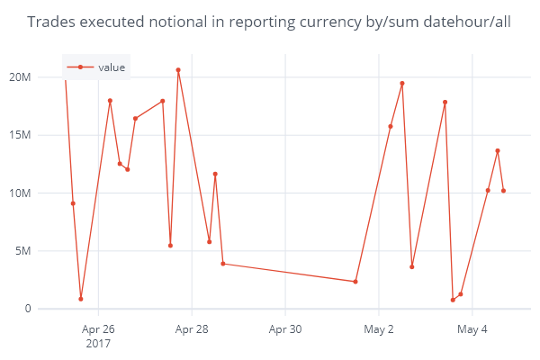
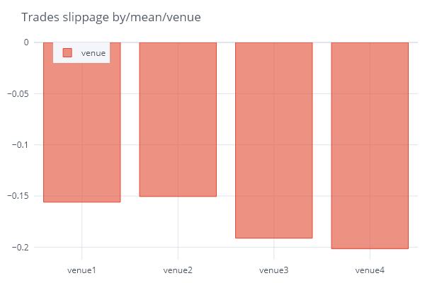
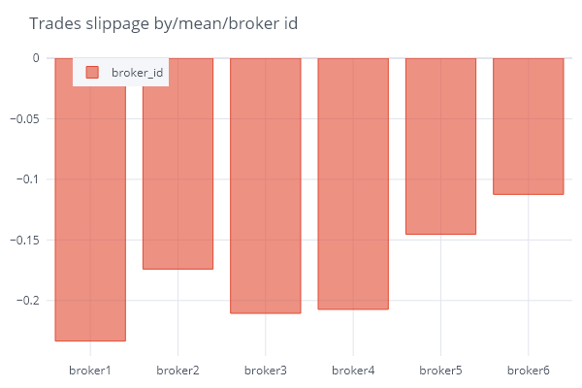
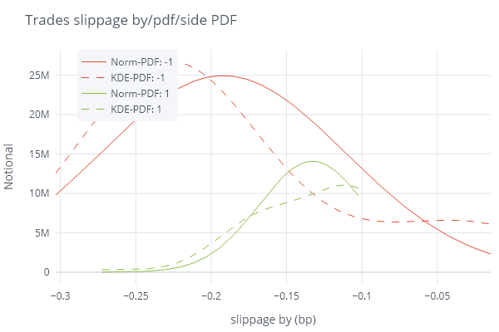
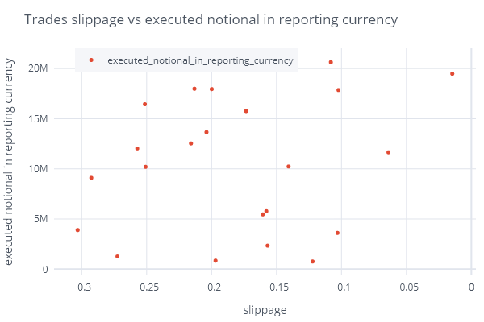
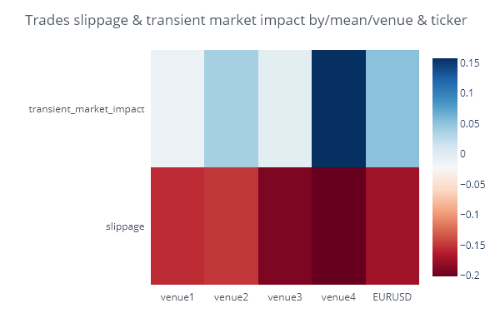
 | TCA Report
 | Generated by tcapy - Python TCA library by Cuemacro
 | Print in Letter size

Calculated 5.317s at 2020-09-15 13:50:26.721199

Ticker | EURUSD
Date | 2017-04-25 00:00:00+00:00 - 2017-05-05 00:00:00+00:00
Metric | slippage, transient market impact & permanent market impact

