Test Info
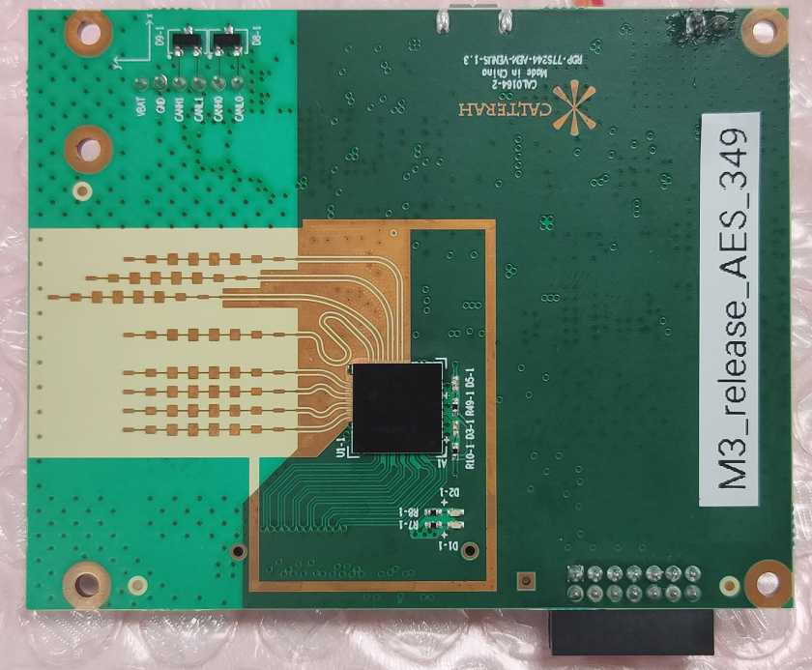
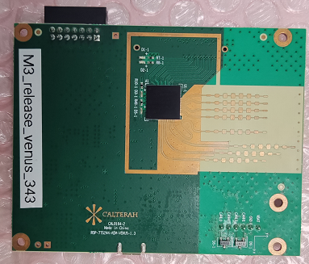
▉ Alps Chip Info: | M3

▉ Firmware Commit ID: |  |  |  | ▉ Bootloader Commit ID:

▉ GUI Commit ID: |  |  |  | ▉ DCK FPGA Commit ID:

▉ GNU Version Info: arc_gnu_2018.09_ide_win_install.exe |  |  |  | ▉ Metaware Version Info: mw_devkit_arc_Q_2020_06_win_install.exe

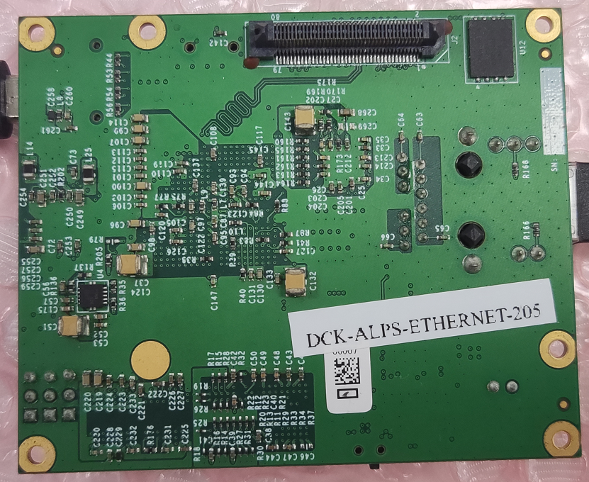
▉ Alps Venus RDP Board Info:RDP-77S244-AEM-VENUS-1.3 |  |  |  | ▉ Alps DCK Board Info: CAL0060 ALPS-DCK-ZYNQ-V2
 |  | CAL0164-2

AES ON Test Board |  |  | AES OFF Test Board

3_stage_boot_RAM
▉ Test Firmware Architecture ：
This test is based on the firmware architecture with ROM -> Boot -> Load Firmware image from external Flash and copy to RAM

▉ Firmware configuration:
The python script(make_bin.py) is provided to generate bin file.

1. Build the firmware use GNU or Metaware toolchain to generate "header.bin", "boot.bin" and "firmware_combine.bin":

Toolchain | AES On/Off | Build Command
GNU | AES ON | python make_bin.py -s 3 -m ram -tc gnu -aes true

 | AES OFF | python make_bin.py -s 3 -m ram -tc gnu

Metaware | AES ON | python make_bin.py -s 3 -m ram -tc mw -aes true

 | AES OFF | python make_bin.py -s 3 -m ram -tc mw

2. "header.bin", "boot.bin" and "firmware_combine.bin" shall be generated as below:

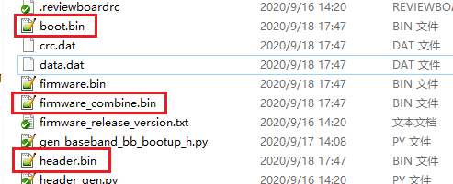

3. Use "header.bin", "boot.bin" and "firmware_combine.bin" to program Flash with "Downloader" tool（UART boot or CAN boot）.

▉ Test Case List:

Catalog | Test Case | Test Sequence | Test Result |  |  | Comment
 |  |  | Alps Venus RDP Ver1.3
 |  |  | GNU FUSA OFF | Metaware FUSA ON
 |  |  | AES OFF | AES ON | AES OFF
Firmware Upgrade | Firmware Upgrade through UART（UART Boot） | 1. Connect RDP board to PC through USB. 2. Configure stripping pin to UART Boot Mode（SPI_M1_SEL2:SPI_M1_SEL1:SPI_M1_SEL0 = 1:0:0）. 3. Use "CalterahDownloader" tool to verify the Firmware Upgrade Process. Follow the instructions by "Flash Downloader User Guide" in "Document" directory under Software Release Package. (1). Check whether Firmware Upgrade Process can be successfully completed. (2). Read the firmware bin file out and compare with the original one to check whether they are exactly the same. 4. Recover stripping pin to Flash Boot Mode. （SPI_M1_SEL2:SPI_M1_SEL1:SPI_M1_SEL0 = 0:0:0） 5. Use Calterah Radar GUI to check whether target info can be correctly shown on GUI. | PASS | PASS | PASS
 | Firmware Upgrade through UART（OTA） | 1. Before OTA process, make sure the Flash on RDP board is NOT empty which means the Flash has been upgraded through UART boot for the first time. 2. Connect RDP board to PC through USB. 3. Configure stripping pin to Flash Boot Mode（SPI_M1_SEL2:SPI_M1_SEL1:SPI_M1_SEL0 = 0:0:0）. 4. Use "CalterahDownloader" tool to verify the Firmware Upgrade Process. Follow the instructions by "Flash Downloader User Guide" in "Document" directory under Software Release Package. (1). Check whether Firmware Upgrade Process can be successfully completed. (2). Check whether firmware can re-boot automatically after upgrade process finished(LED should start blinking automatically after upgrade process finished). (3). Read the firmware bin file out and compare with the original one to check whether they are exactly the same. 5. Use Calterah Radar GUI to check whether target info can be correctly shown on GUI. | PASS | PASS | PASS
 | Firmware Upgrade through CAN (CAN Boot) | 1. Connect RDP board to PC through USB-CAN adapter. 2. Configure stripping pin to CAN Boot Mode（SPI_M1_SEL2:SPI_M1_SEL1:SPI_M1_SEL0 = 1:1:0）. 3. Use "CalterahDownloader" tool to verify the Firmware Upgrade Process. Follow the instructions by "How to download radar sensor firmware into QSPI Flash on Calterah Radar Development Platfrom" in "Document" directory under Software Release Package. (1). Check whether Firmware Upgrade Process can be successfully completed. (2). Read the firmware bin file out and compare with the original one to check whether they are exactly the same. 4. Recover stripping pin to Flash Boot Mode. （SPI_M1_SEL2:SPI_M1_SEL1:SPI_M1_SEL0 = 0:0:0） 5. Use Calterah Radar GUI to check whether target info can be correctly shown on GUI. | PASS | PASS | PASS
 | Firmware Upgrade through CAN(OTA) | 1. Before OTA process, make sure the Flash on RDP board is NOT empty which means the Flash has been upgraded through CAN boot for the first time. 2. Connect RDP board to PC through CAN. 3. Configure stripping pin to Flash Boot Mode（SPI_M1_SEL2:SPI_M1_SEL1:SPI_M1_SEL0 = 0:0:0）. 4. Use "CalterahDownloader" tool to verify the Firmware Upgrade Process. Follow the instructions by "Flash Downloader User Guide" in "Document" directory under Software Release Package. (1). Check whether Firmware Upgrade Process can be successfully completed. (2). Check whether firmware can re-boot automatically after upgrade process finished(LED should start blinking automatically after upgrade process finished). (3). Read the firmware bin file out and compare with the original one to check whether they are exactly the same. 5. Use Calterah Radar GUI to check whether target info can be correctly shown on GUI. | PASS | PASS | PASS
Firmware Stability | Target Output through UART(Stability Test) | 1. Connect RDP board to PC through USB. 2. Set "BaudRate=3000000" and "NewFormat=1"(Binary Output) in "InitConfigAlps.ini" file under "C:\Calterah" directory. 3. Click the "Start" button on Calterah Radar GUI, leave it running for one hour and make sure no firmware hang happen. | PASS | PASS | PASS
 | Target Output through CAN(Stability Test) | 1. Connect RDP board to PC through USB-CAN adapter. 2. Set "NewFormat=2"(CAN Output) in "InitConfigAlps.ini" file under "C:\Calterah" directory. 2. Click the "Start" button on Calterah Radar GUI, leave it running for one hour and make sure no firmware hang happen. | PASS | PASS | PASS
 | Dynamic Data Sampling(1M per Frame) under CAN interface | 1. Connect RDP board to Ethernet DCK board and to PC through USB-CAN adapter. 2. Use "Calterah Radar GUI" to choose the data sampling interface to LVDS, Data sampling type to ADC and frames number to 1000 . 3. Use "Calterah Radar GUI" to start the Dynamic sampling process by check the "DynamicData" checkbox on top right corner of the GUI. 4. Check whether data sampling process can be normally finished or not. 5. Check whether the output sampling data size under "DataFile" directory is as expected. 6. Repeat step 2 to 5 for 3 times and make sure the generated .dat file are the same. | PASS | PASS | PASS
HIL | Data Consistency and Correctness Check on BK output(1M per Frame) under CAN interface | 1. Connect RDP board to Ethernet DCK board and to PC through USB-CAN adapter. 2. Click HIL Enable in Data Capture Pannel. 3. Select HIL type to NULL. 4. Load ADC Data generated in above "Date Sampling/Dynamic Data Sampling(1M per Frame)" in "DataFile" directory. 5. Set the number of frame to 1000. 6. Click Start Button to start HIL 7. Check whether the HIL process can be normally completed(No firmware hang happen). 8. Check whether the generated BK data is the same as the data generated in above "Date Sampling/Dynamic Data Sampling(1M per Frame)" testing. 9. Repeat step 6 to 8 for 3 times to make sure the generated BK data are the same. | POK | POK | POK | Bug 2217

3_stage_boot_XIP
▉ Test Firmware Architecture ： |  |  |  |  |  |  | Pass
This test is based on the firmware architecture with ROM -> Boot -> Firmware image execute in external Flash under XIP mode |  |  |  |  |  |  | NT
 |  |  |  |  |  |  | NG
▉ Firmware configuration: |  |  |  |  |  |  | POK
The python script(make_bin.py) is provided to generate bin file.

1. Build the firmware use GNU or Metaware toolchain to generate "header.bin", "boot.bin" and "firmware_combine.bin":

Toolchain | AES On/Off | Build Command
GNU | AES ON | python make_bin.py -s 3 -m xip -tc gnu -aes true

 | AES OFF | python make_bin.py -s 3 -m xip -tc gnu

Metaware | AES ON | python make_bin.py -s 3 -m xip -tc mw -aes true

 | AES OFF | python make_bin.py -s 3 -m xip -tc mw
 |  | 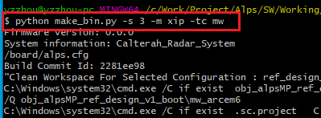

2. "header.bin", "boot.bin" and "firmware_combine.bin" shall be generated as below:
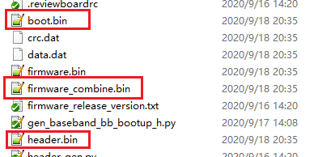

3. Use "header.bin", "boot.bin" and "firmware_combine.bin" to program Flash with "Downloader" tool（UART boot or CAN boot）.

▉ Test Case List:

Catalog | Test Case | Test Sequence | Test Result |  |  | Comment
 |  |  | Alps Venus RDP Ver1.3
 |  |  | GNU FUSA OFF | Metaware FUSA ON
 |  |  | AES OFF | AES ON | AES OFF
Firmware Upgrade | Firmware Upgrade through UART（UART Boot） | 1. Connect RDP board to PC through USB. 2. Configure stripping pin to UART Boot Mode（SPI_M1_SEL2:SPI_M1_SEL1:SPI_M1_SEL0 = 1:0:0）. 3. Use "CalterahDownloader" tool to verify the Firmware Upgrade Process. Follow the instructions by "Flash Downloader User Guide" in "Document" directory under Software Release Package. (1). Check whether Firmware Upgrade Process can be successfully completed. (2). Read the firmware bin file out and compare with the original one to check whether they are exactly the same. 4. Recover stripping pin to Flash Boot Mode. （SPI_M1_SEL2:SPI_M1_SEL1:SPI_M1_SEL0 = 0:0:0） 5. Use Calterah Radar GUI to check whether target info can be correctly shown on GUI. | PASS | PASS | PASS
 | Firmware Upgrade through UART（OTA） | 1. Before OTA process, make sure the Flash on RDP board is NOT empty which means the Flash has been upgraded through UART boot for the first time. 2. Connect RDP board to PC through USB. 3. Configure stripping pin to Flash Boot Mode（SPI_M1_SEL2:SPI_M1_SEL1:SPI_M1_SEL0 = 0:0:0）. 4. Use "CalterahDownloader" tool to verify the Firmware Upgrade Process. Follow the instructions by "Flash Downloader User Guide" in "Document" directory under Software Release Package. (1). Check whether Firmware Upgrade Process can be successfully completed. (2). Check whether firmware can re-boot automatically after upgrade process finished(LED should start blinking automatically after upgrade process finished). (3). Read the firmware bin file out and compare with the original one to check whether they are exactly the same. 5. Use Calterah Radar GUI to check whether target info can be correctly shown on GUI. | PASS | PASS | PASS
 | Firmware Upgrade through CAN (CAN Boot) | 1. Connect RDP board to PC through USB-CAN adapter. 2. Configure stripping pin to CAN Boot Mode（SPI_M1_SEL2:SPI_M1_SEL1:SPI_M1_SEL0 = 1:1:0）. 3. Use "CalterahDownloader" tool to verify the Firmware Upgrade Process. Follow the instructions by "How to download radar sensor firmware into QSPI Flash on Calterah Radar Development Platfrom" in "Document" directory under Software Release Package. (1). Check whether Firmware Upgrade Process can be successfully completed. (2). Read the firmware bin file out and compare with the original one to check whether they are exactly the same. 4. Recover stripping pin to Flash Boot Mode. （SPI_M1_SEL2:SPI_M1_SEL1:SPI_M1_SEL0 = 0:0:0） 5. Use Calterah Radar GUI to check whether target info can be correctly shown on GUI. | PASS | PASS | PASS
 | Firmware Upgrade through CAN(OTA) | 1. Before OTA process, make sure the Flash on RDP board is NOT empty which means the Flash has been upgraded through CAN boot for the first time. 2. Connect RDP board to PC through CAN. 3. Configure stripping pin to Flash Boot Mode（SPI_M1_SEL2:SPI_M1_SEL1:SPI_M1_SEL0 = 0:0:0）. 4. Use "CalterahDownloader" tool to verify the Firmware Upgrade Process. Follow the instructions by "Flash Downloader User Guide" in "Document" directory under Software Release Package. (1). Check whether Firmware Upgrade Process can be successfully completed. (2). Check whether firmware can re-boot automatically after upgrade process finished(LED should start blinking automatically after upgrade process finished). (3). Read the firmware bin file out and compare with the original one to check whether they are exactly the same. 5. Use Calterah Radar GUI to check whether target info can be correctly shown on GUI. | PASS | PASS | PASS
Firmware Stability | Target Output through UART(Stability Test) | 1. Connect RDP board to PC through USB. 2. Set "BaudRate=3000000" and "NewFormat=1"(Binary Output) in "InitConfigAlps.ini" file under "C:\Calterah" directory. 3. Click the "Start" button on Calterah Radar GUI, leave it running for one hour and make sure no firmware hang happen. | PASS | PASS | PASS
 | Target Output through CAN(Stability Test) | 1. Connect RDP board to PC through USB-CAN adapter. 2. Set "NewFormat=2"(CAN Output) in "InitConfigAlps.ini" file under "C:\Calterah" directory. 2. Click the "Start" button on Calterah Radar GUI, leave it running for one hour and make sure no firmware hang happen. | PASS | PASS | PASS
XIP | Flash data Erase/Read/Write under XIP mode | 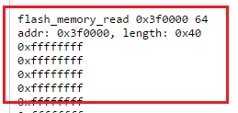 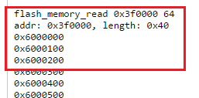 1. Open serial port debug tool, for example XCOM. 2. Send flash erase command "flash_erase 0x3f0000 256" on XCOM to erase the flash from 0x3f0000 address with 256(0x100) bytes length. 3. Send flash read command "flash_memory_read 0x3f0000 64" on XCOM to read back flash data from 0x3f0000 address with 64(0x40) word length. Check whether all the read out data is 0xffffffff. 4. Send flash write command "flash_memory_write 0x3f0000 6 64" to write flash from 0x3f0000 address with data 0x6 and 64(0x40) word length. 5. Send flash read command "flash_memory_read 0x3f0000 64" on XCOM again to verify the read out data should be the same as data write in sequence "4" above. | PASS | PASS | PASS

Data Sampling | Static Data Sampling(1M per Frame) under CAN interface | 1. Connect RDP board to Ethernet DCK board and to PC through USB-CAN adapter. 2. Use "Calterah Radar GUI" to choose the data sampling interface to LVDS, Data sampling type to ADC and frames number to 1000 . 3. Use "Calterah Radar GUI" to start the static sampling process. 4. Check whether data sampling process can be normally finished or not. 5. Check whether the output sampling data size under "DataFile" directory is as expected. 6. Repeat step 2 to 5 for 3 times and make sure the generated .dat file are the same. | PASS | PASS | PASS
 | Dynamic Data Sampling(1M per Frame) under CAN interface | 1. Connect RDP board to Ethernet DCK board and to PC through USB-CAN adapter. 2. Use "Calterah Radar GUI" to choose the data sampling interface to LVDS, Data sampling type to ADC and frames number to 1000 . 3. Use "Calterah Radar GUI" to start the Dynamic sampling process by check the "DynamicData" checkbox on top right corner of the GUI. 4. Check whether data sampling process can be normally finished or not. 5. Check whether the output sampling data size under "DataFile" directory is as expected. 6. Repeat step 2 to 5 for 3 times and make sure the generated .dat file are the same. | PASS | PASS | PASS
HIL | Data Consistency and Correctness Check on BK output(1M per Frame) under CAN interface | 1. Connect RDP board to Ethernet DCK board and to PC through USB-CAN adapter. 2. Click HIL Enable in Data Capture Pannel. 3. Select HIL type to NULL. 4. Load ADC Data generated in above "Date Sampling/Dynamic Data Sampling(1M per Frame)" in "DataFile" directory. 5. Set the number of frame to 1000. 6. Click Start Button to start HIL 7. Check whether the HIL process can be normally completed(No firmware hang happen). 8. Check whether the generated BK data is the same as the data generated in above "Date Sampling/Dynamic Data Sampling(1M per Frame)" testing. 9. Repeat step 6 to 8 for 3 times to make sure the generated BK data are the same. | PASS | POK(第一次，采集hil的数据会存在差异，2、3采集的HIL正常) | POK(第二次HIL异常) | Bug 2217
 | Data Consistency and Correctness Check on 1D FFT Output | 1. Connect RDP board to Ethernet DCK board and to PC through USB-CAN adapter. 2. Click HIL Enable in Data Capture Pannel. 3. Select HIL type to FFT1D. 4. Select ADC Test Data in "DataFile" directory. 5. Set the number of frame to 1000. 6. Click Start Button to start HIL 7. Check whether the HIL back file (XXX_HILBack.dat) is created under "DataFile" directory. 8. Check whether the size of HIL back file (XXX_HILBack.dat) is the same as expected. 9. Use binary comparing tool (eg. Beyond Comapre) to check whether the HILBack FFT data is the same as the theoretic FFT data. 10. Repeat step 4 to 8 for 3 times and make sure the generated .dat file are the same. | PASS | POK(第一次，采集hil的数据会存在差异，2、3采集的HIL正常) | POK(第二次HIL异常) | Bug 2217
 | Data Consistency and Correctness Check on 2D FFT Output | 1. Connect RDP board to Ethernet DCK board. 2. Click HIL Enable in Data Capture Pannel. 3. Select FFT2D. 4. Select ADC Test Data in "DataFile" directory. 5. Set the number of frame to 1000. 6. Click Start Button to start HIL 7. Check whether the HIL back file (XXX_HILBack.dat) is created under "DataFile" directory. 8. Check whether the size of HIL back file (XXX_HILBack.dat) is the same as expected. 9. Use binary comparing tool (eg. Beyond Comapre) to check whether the HILBack FFT data is the same as the theoretic FFT data. 10. Repeat step 4 to 8 for 3 times and make sure the generated .dat file are the same. | PASS | POK(第一次，采集hil的数据会存在差异，2、3采集的HIL正常) | POK(第二次HIL异常) | Bug 2217
Playback | Video Playback Function | 1. Open "Calterah Radar GUI". 2. Change the Mode to "Playback". 3. Load the "Data File" including log data and video data. 4. Check the playback performance including "Fast Forward" and "Back Space" | PASS | PASS | PASS
Performance | Radar Performance Test with Target Simulator | 1. Set up the RDP board with Target Simulator. 2. Set multiple target on Target Simulator with specified Range, Velocity and Angle. 3. Check the radar detect result on "Calterah Radar GUI" that the value of output Range, Velocity and Angle from Alps is as expected. | will be covered by automation testing with target siluator

