카운팅소트
Counting Sort

Data[0]
Data[1]
 | i
 | 0 | Data[0] | 0 | Count | [ | 0 | ] | Count | [ | ] | Data
 | 1 | Data[1] | 4 | Count | [ | 4 | ] | Count | [ | ] | 0 | 1 | 2 | 3 | 4 | 5 | 6 | 7
Data[2]
 | 2 | Data[2] | 1 | Count | [ | 1 | ] | Count | [ | ] | 0 | 4 | 1 | 3 | 1 | 2 | 4 | 1
Data[3]
 | 3 | Data[3] | 3 | Count | [ | 3 | ] | Count | [ | ]
Data[4]
 | 4 | Data[4] | 1 | Count | [ | 1 | ] | Count | [ | ] | Count | (데이터 갯수)
Data[5]
 | 5 | Data[5] | 2 | Count | [ | 2 | ] | Count | [ | ] | 0 | 1 | 2 | 3 | 4
Data[6]
 | 6 | Data[6] | 4 | Count | [ | 4 | ] | Count | [ | ] | 1 | 3 | 1 | 1 | 2
Data[7]
 | 7 | Data[7] | 1 | Count | [ | 1 | ] | Count | [ | ]

Data[i]
 |  |  |  | Count | [ |  |  |  | ]

 |  | 백준 10989

Power of a Number
Power of a Number
$a^{n}$ = a⨉a⨉a⨉.......a
$Naive Algorithm : T\left(n\right)=$Θ(n)

$a^{n}$ = $a^{n/2}$⨉$a^{n/2}: n이$ 짝수일 때
$T\left(n\right)= T\left(n/2\right)+$Θ(1)
$T\left(n\right)$ = Θ(logn)
$a^{n}$ = $a^{(n−1)/2}$⨉$a^{(n−1)/2}\text{⨉} a: n이$ 홀수일 때

$2^{8}$
$$=$$
$$16$$
x
$$16$$
$2^{11}$
$$=$$
$2^{5}$
x
$2^{5}$
x
$$2$$

$2^{4}$
$$=$$
$$16$$
$2^{5}$
$$=$$
$2^{2}$
x
$2^{2}$
x
$$2$$

$2^{2}$
$$=$$
$$4$$
$2^{2}$
$$=$$
$2^{1}$
x
$$2$$

$2^{1}$
$$2$$
$2^{1}$
$$2$$

$$16$$
$$2$$
$$4$$
x
$$32$$
$$16$$
$$2$$
$$4$$
x

 | 백준 1629 곱셈

 | 나머지 정리 : (a*b)%c는 ((a%c)*(b%c))%c 같다

Quick Sort
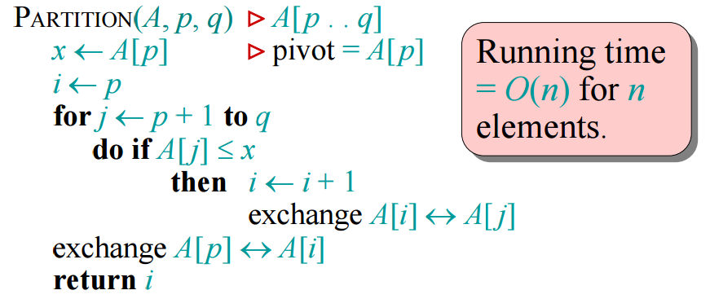
Quick Sort

Quick Sort 예제1
 | Quick Sort 예제

pivot |  | 0 | 1 | 2 | 3 | 4 | 5 | 6 | 7 | 8 | '' Created by: minseo Date: 5/22/24 Desc : Excute time : ms(time.perf_counter()) ''' import time # 측정 시작 start_time = time.perf_counter() data = [3, 2, 4, 6, 9, 1, 8, 7, 5] def quick_sort(_from, _to): if _from < _to: pivot = partition(_from, _to) quick_sort(_from, pivot - 1) quick_sort(pivot + 1, _to) def partition(left, right): where = left pivot = data[where] while left < right: while left < len(data) and data[left] <= pivot: left += 1 while data[right] > pivot: right -= 1 if left < right: data[left], data[right] = data[right], data[left] data[where], data[right] = data[right], data[where] return right quick_sort(0, len(data)-1) print(data) # 측정 종료 시간 end_time = time.perf_counter() # 실행 시간 출력 print(f"실행 싯간: {(end_time - start_time) * 1000:.7f} milliseconds")
3 |  | 3 | 2 | 1 | 6 | 9 | 4 | 8 | 7 | 5
where
right
left

pivot |  | 0 | 1 | 2 | 3 | 4 | 5 | 6 | 7 | 8
1 |  | 1 | 2 | 3 | 6 | 9 | 4 | 8 | 7 | 5
where
left
right

pivot |  | 0 | 1 | 2 | 3 | 4 | 5 | 6 | 7 | 8
6 |  | 1 | 2 | 3 | 4 | 5 | 6 | 8 | 7 | 9
where
right
left

pivot |  | 0 | 1 | 2 | 3 | 4 | 5 | 6 | 7 | 8
6 |  | 1 | 2 | 3
where
left
right

pivot |  | 0 | 1 | 2 | 3 | 4 | 5 | 6 | 7 | 8
6 |  | 1 | 2 | 3
where
left
right

