Deploy-service-xubuntu
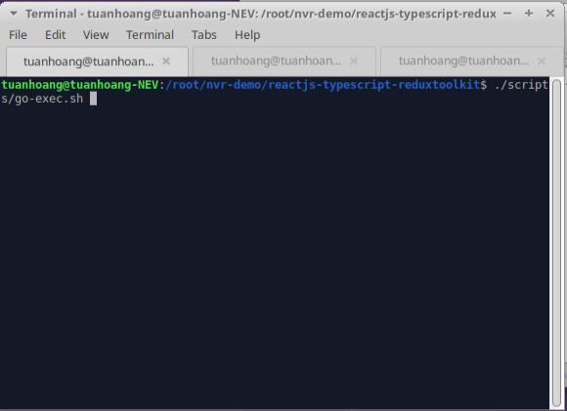
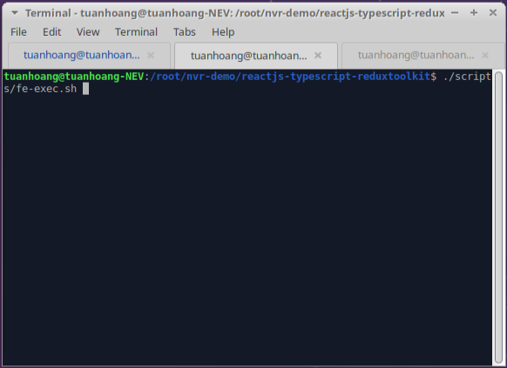
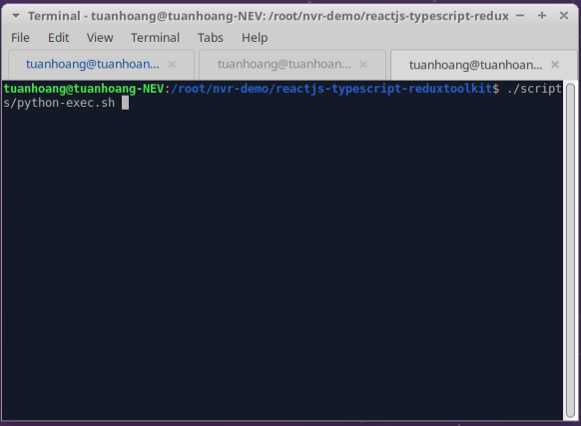
I. Cài đặt môi trường
 | 1. Install Node
 |  | - Install curl :
 |  |  | + apt Install curl -y
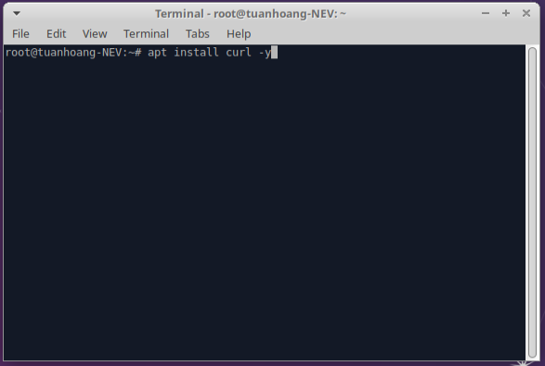

 |  | - Install sourcelist for node 16:
 |  |  | + curl -sL https://deb.nodesource.com/setup_16.x | sudo bash -
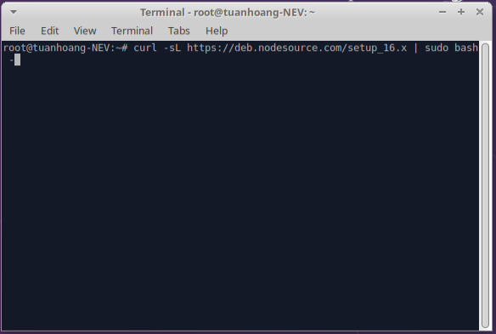

 |  | - Install nodejs v16
 |  |  | + apt-get install nodejs -y
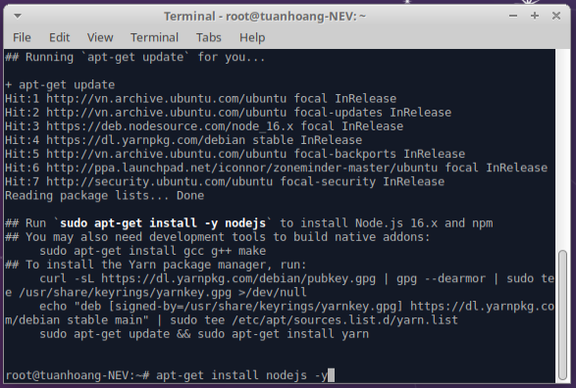

 | 2. Install golang v1.19
 |  | - Download the Go language
 |  |  | + wget https://go.dev/dl/go1.19.linux-amd64.tar.gz
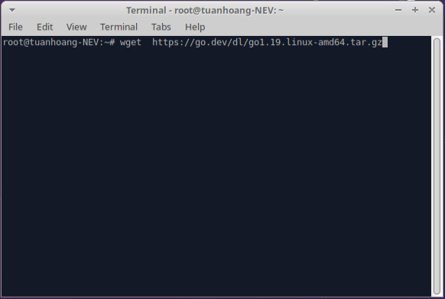

 |  | - Extract the downloaded
 |  |  | + tar -xvf go1.19.linux-amd64.tar.gz
 |  |  | + mv go /usr/local
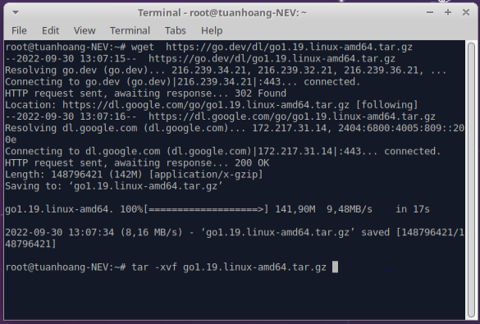

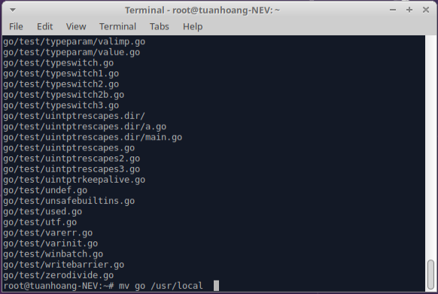

 |  | - Setup environment
 |  |  | + sh -c 'echo "export PATH=$PATH:/usr/local/go/bin" >> /etc/profile'
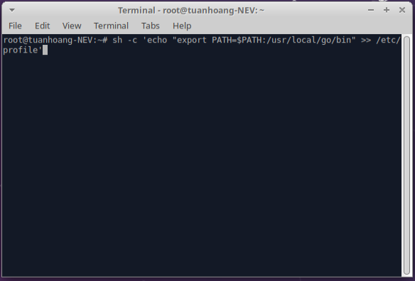

 | 3. Install Yarn
 |  | - Import the GPG key :
 |  |  | + curl -sL https://dl.yarnpkg.com/debian/pubkey.gpg | sudo apt-key add -
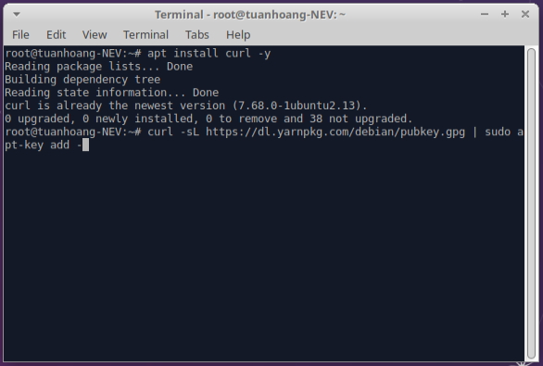

 |  | - Add and Enable official Yarn repository
 |  |  | + echo "deb https://dl.yarnpkg.com/debian/ stable main" |
 |  |  | + sudo tee /etc/apt/sources.list.d/yarn.list
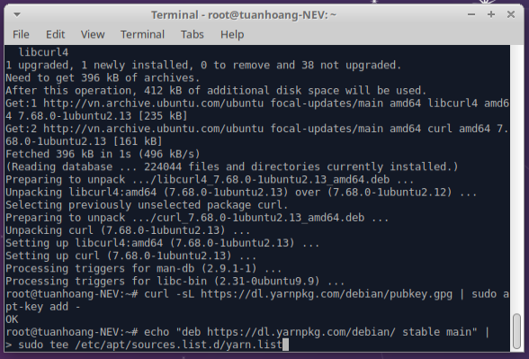

 |  | - Update system cache
 |  |  | + apt update
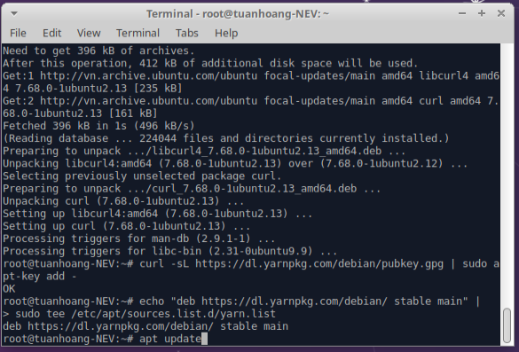

 |  | - Install Yarn
 |  |  | + apt install yarn -y
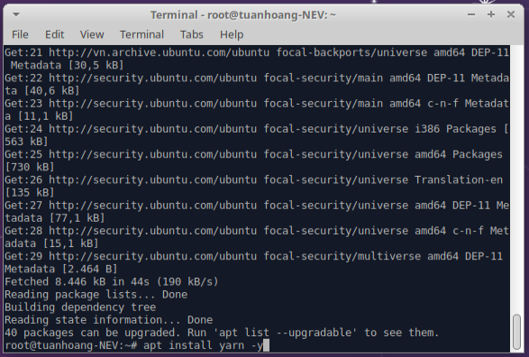

 | 4. Install python3-pip
 |  | Command : apt install python3-pip -y
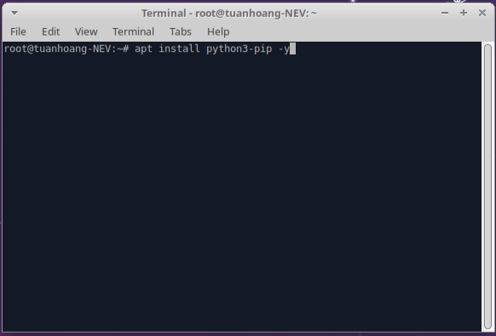

 | 5. Install git
 |  | Command : apt install git -y
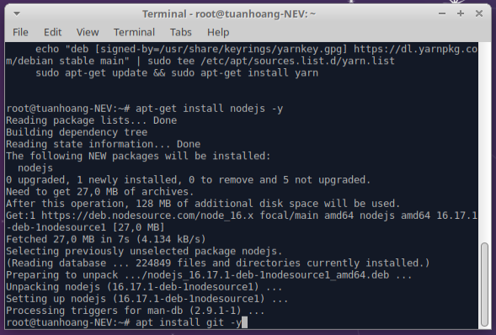

 | 6. Reboot computer

II. Run source
 | 1. Clone source from github
 |  | Command: git clone https://github.com/thangtran97/reactjs-typescript-reduxtoolkit.git

 | 2. Update permissions of .sh file
 |  | Open terminal inner folder source code
 |  | Command : chmod 755 ./scripts/*.sh setup.sh
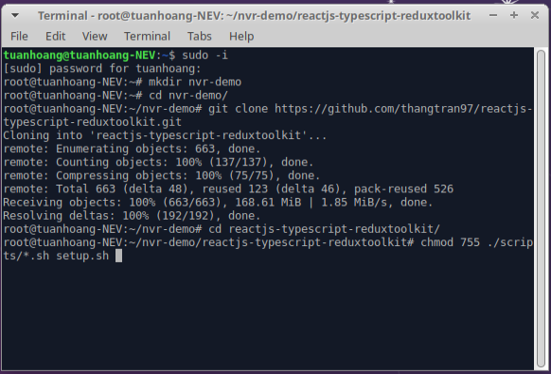

 | 3. Run setup.sh file
 |  | Command : ./setup.sh
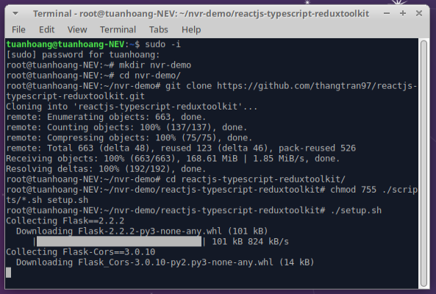

 | 4. Run all shell file in folder : /scripts
 |  | Command: ./scripts/fe-exec.sh
 |  | ./scripts/go-exec.sh
 |  | ./scripts/python-exec.sh

Run-demo
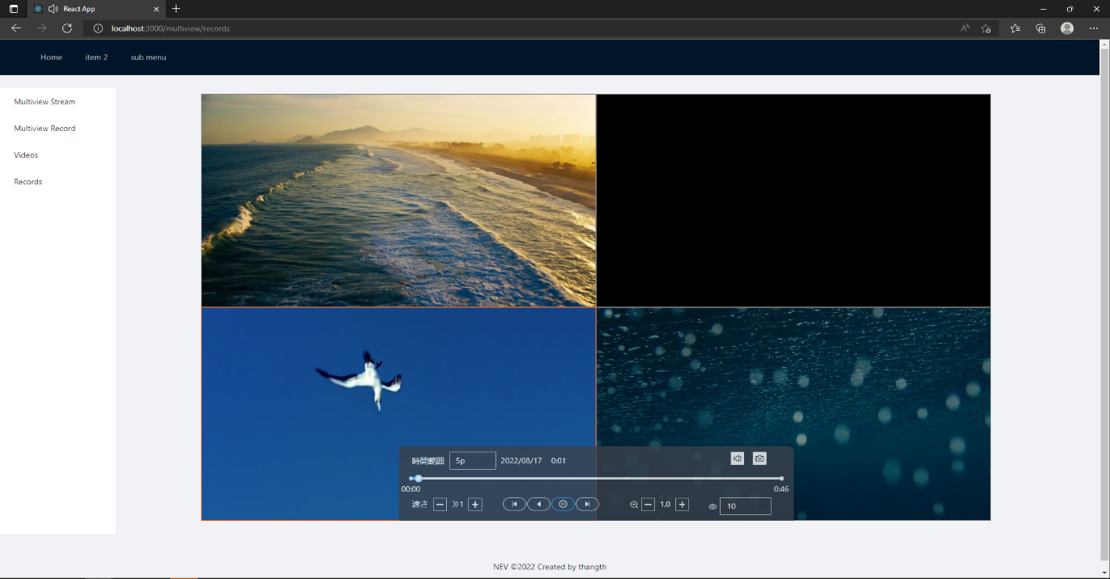
I. Open in browser
 | 1. Open browser with link : localhost:3000

II. Open view stream
 | 1. Click on "Multiview Stream" in nav-left menu
 | 2. Select stream mode (1 stream, 4 stream, 9 stream,…)
 | 3. Click on "+" button in center of the screen
 | 4. Select live you want to view

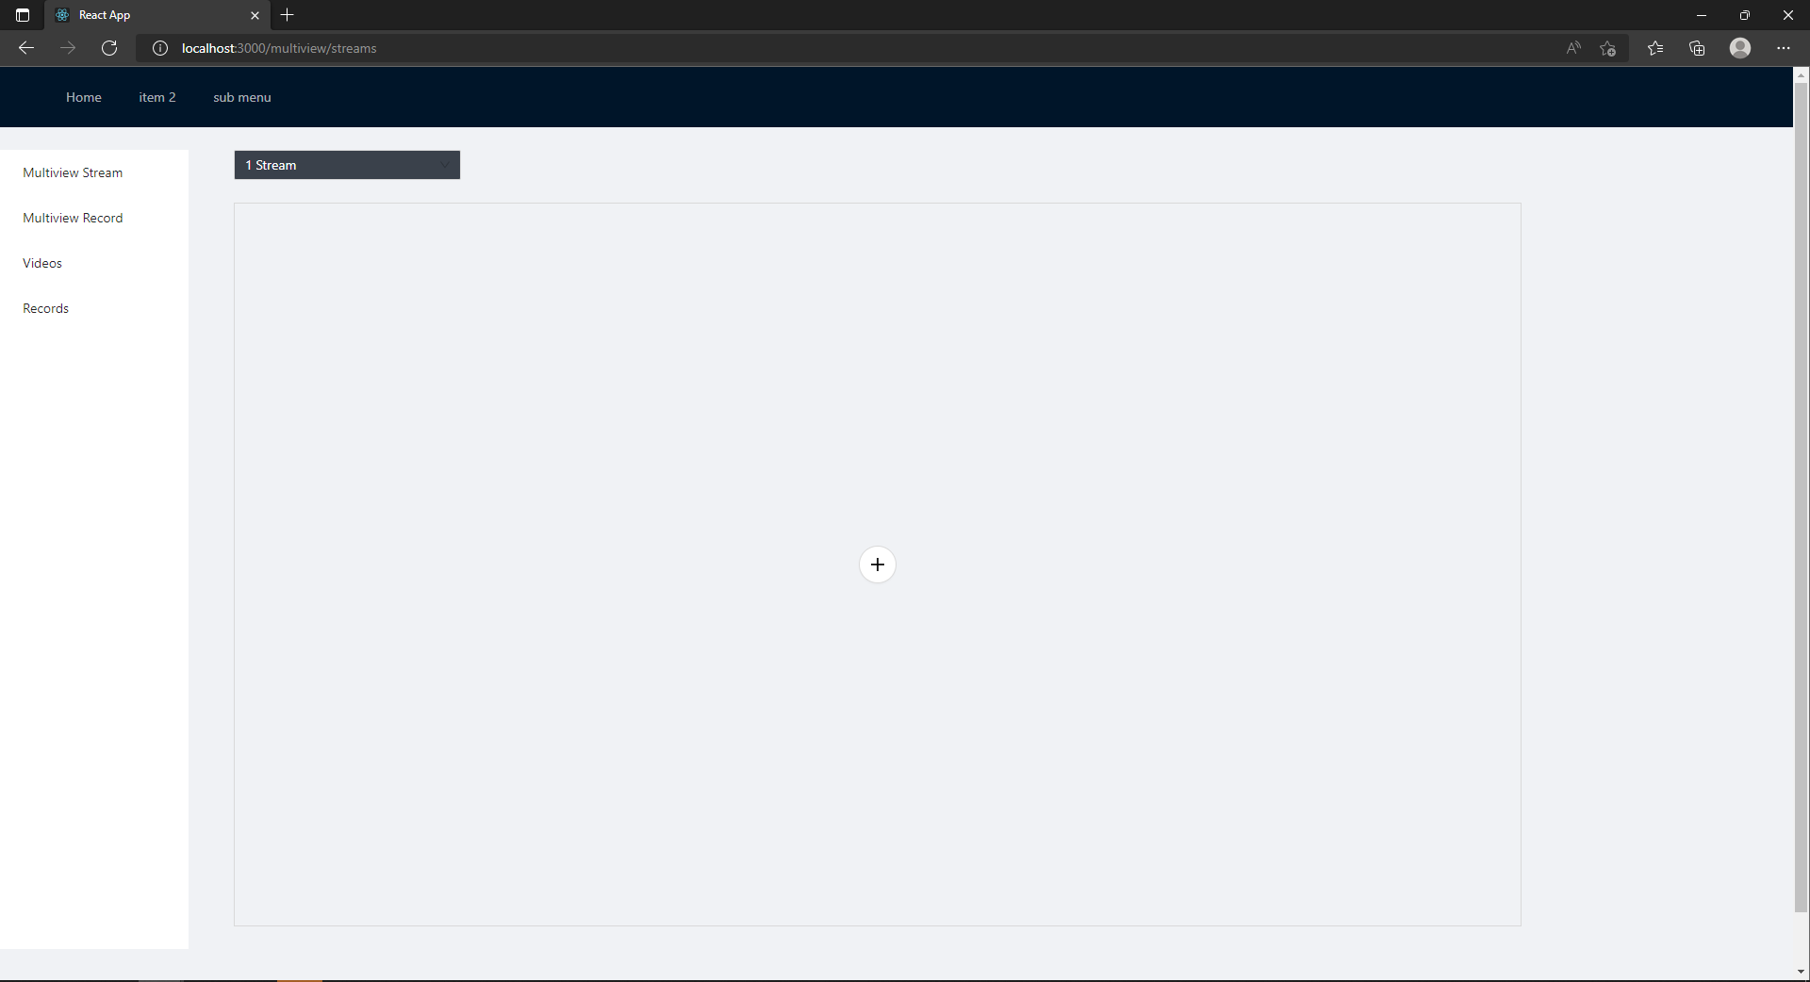

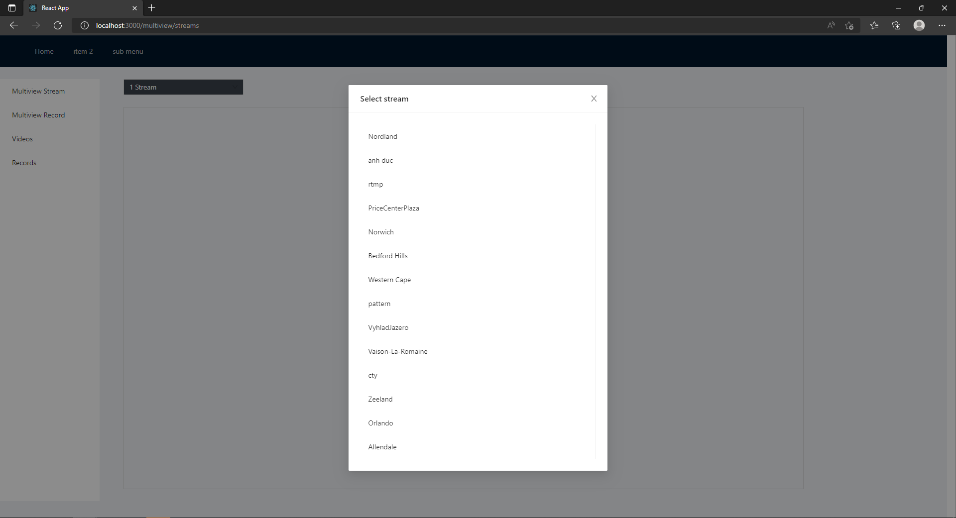

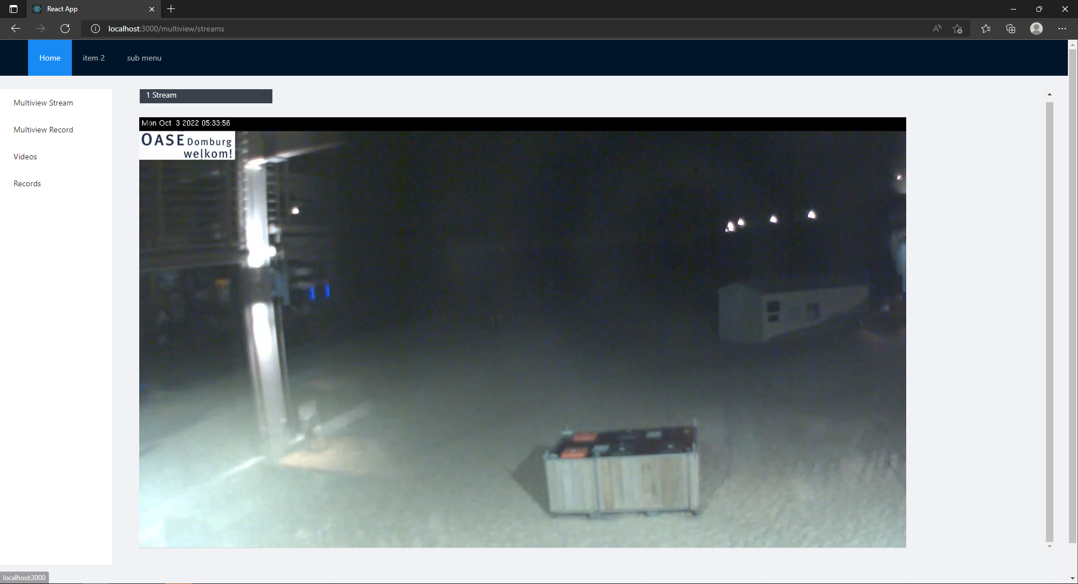

III. Open view record
 | 1. Click on "MultiviewRecord" in nav-left menu
 | 2. Select sub-frame in playback frame
 | 3. Move the mouse to the bottom of the playback frame
 | 4. Click on play button in center of the screen

