공식 문서
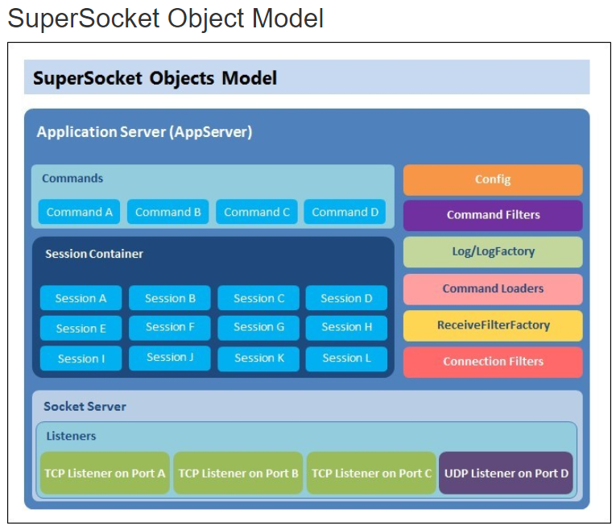
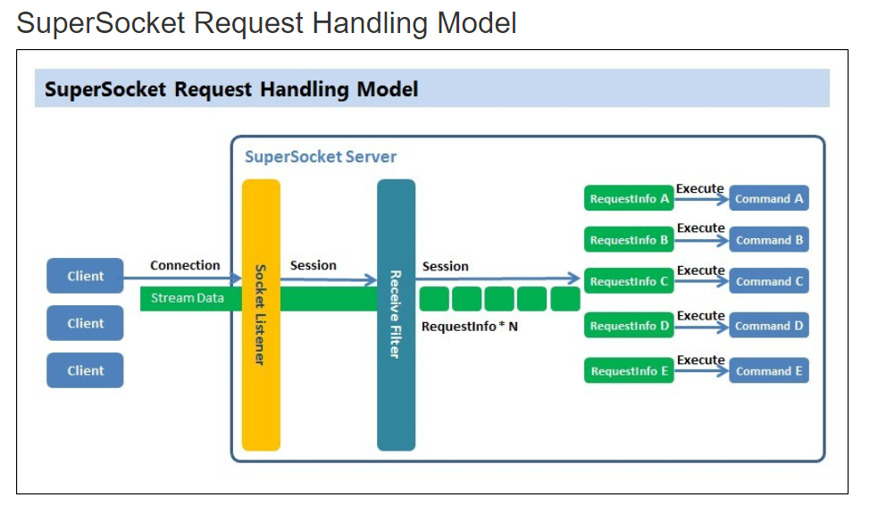
http://docs.supersocket.net/v1-6/en-US

Send
AppSession.cs
내부 함수는 TrySend와 같은 것을 사용하므로 TrySend를 참조 바람

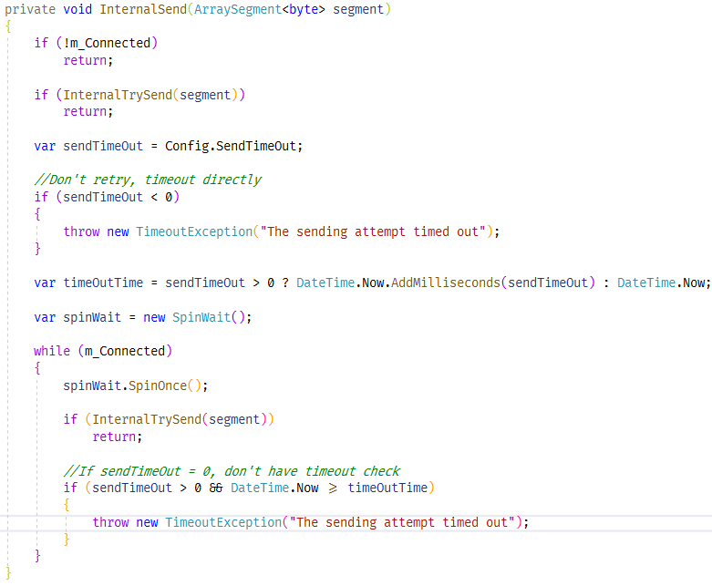
AppSession.cs

TrySend
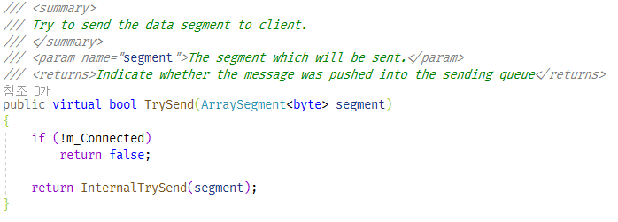
AppSession.cs

AppSession.cs

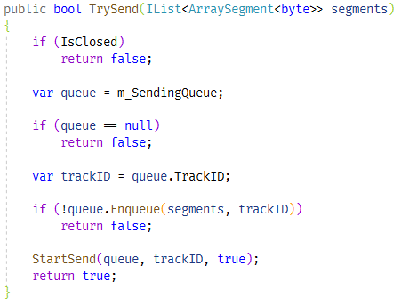
SocketSession.cs

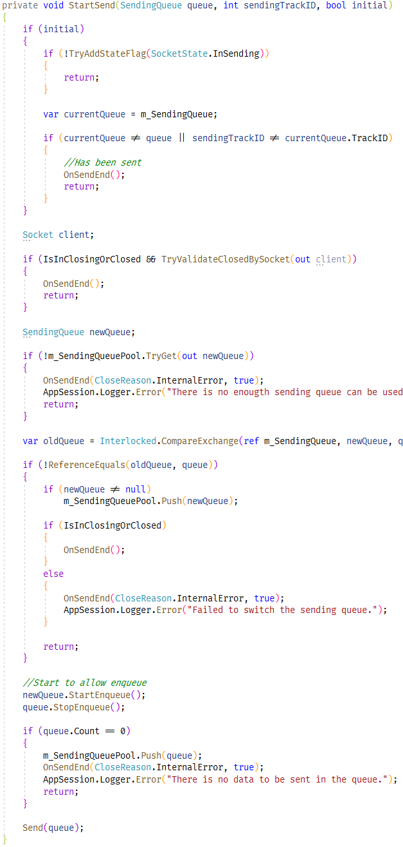
SocketSession.cs

TrackID는 Clear()이 호출될 때마다 1 증가. CLear() 호출은 접속이 끊어질 때와 큐에 있는 것을 모두 다 보냈을 때 이다.

다른 스레드에서 아래 함수가 호출되지 않는다면 성공이다.
public virtual void Initialize(IAppSession appSession)
protected virtual void OnClosed(CloseReason reason)

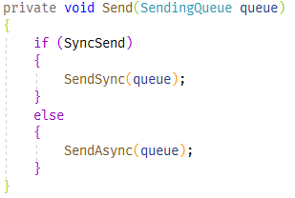

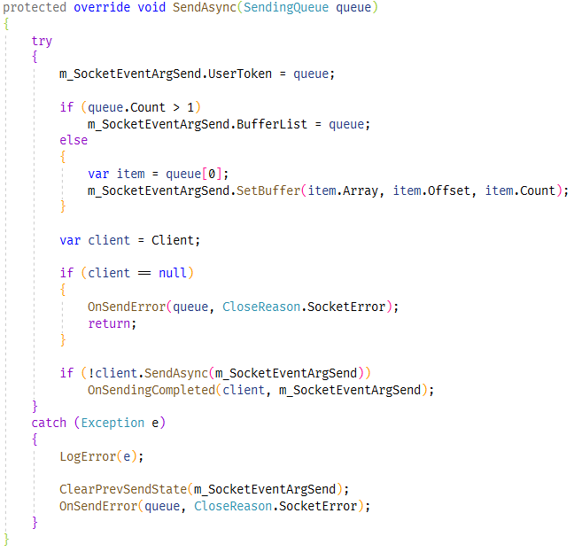
AsyncSocketSession.cs
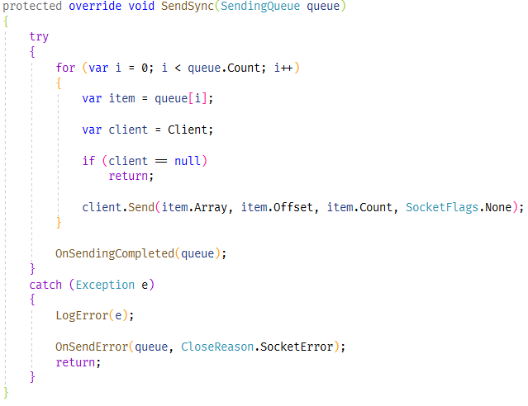
AsyncSocketSession.cs

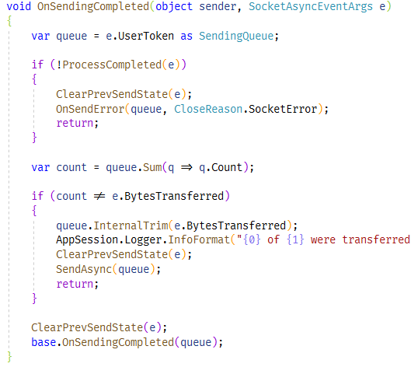

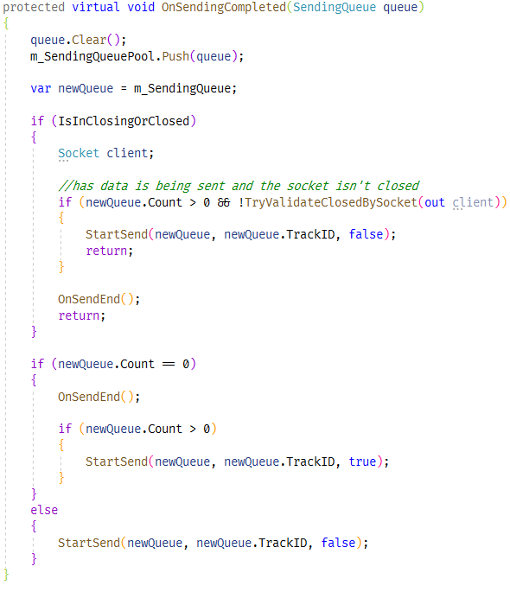
SocketSession.cs

sendingQUeuePool
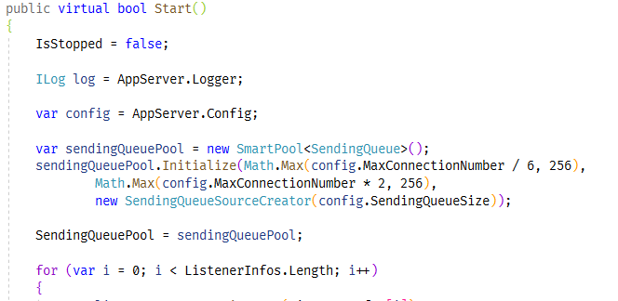
SocketServerBase.cs
SocketSession.cs

연결 수에 기반해서 크기를 정한다.

특정 클라이언트에서 Send가 집중 되는데 Send를 완료하지 못해서 Send 큐를 반환하지 않고 사용만 하고 있다면 다른 세션에 영향을 미친다

ClearIdleSession
옵션에서 enable로 한 경우
세션 중에서 특정 시간 동안 redv, send가 없는 세션을 찾아서 접속을 종료 시킨다.

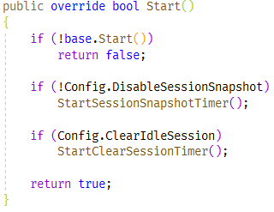
AppServer.cs

AppServer.cs

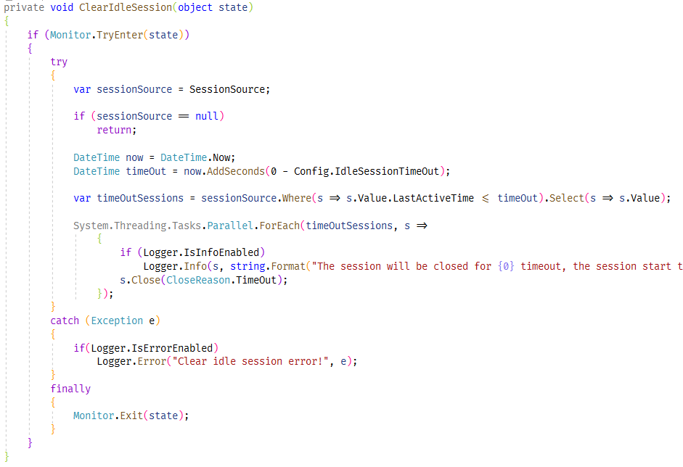
AppServer.cs

세션 컬렉션에서 배열로 복사
이유: 세션 컬렉션 원본에 접근하지 않게 하기 위해.

