Mục lục




Thế giới
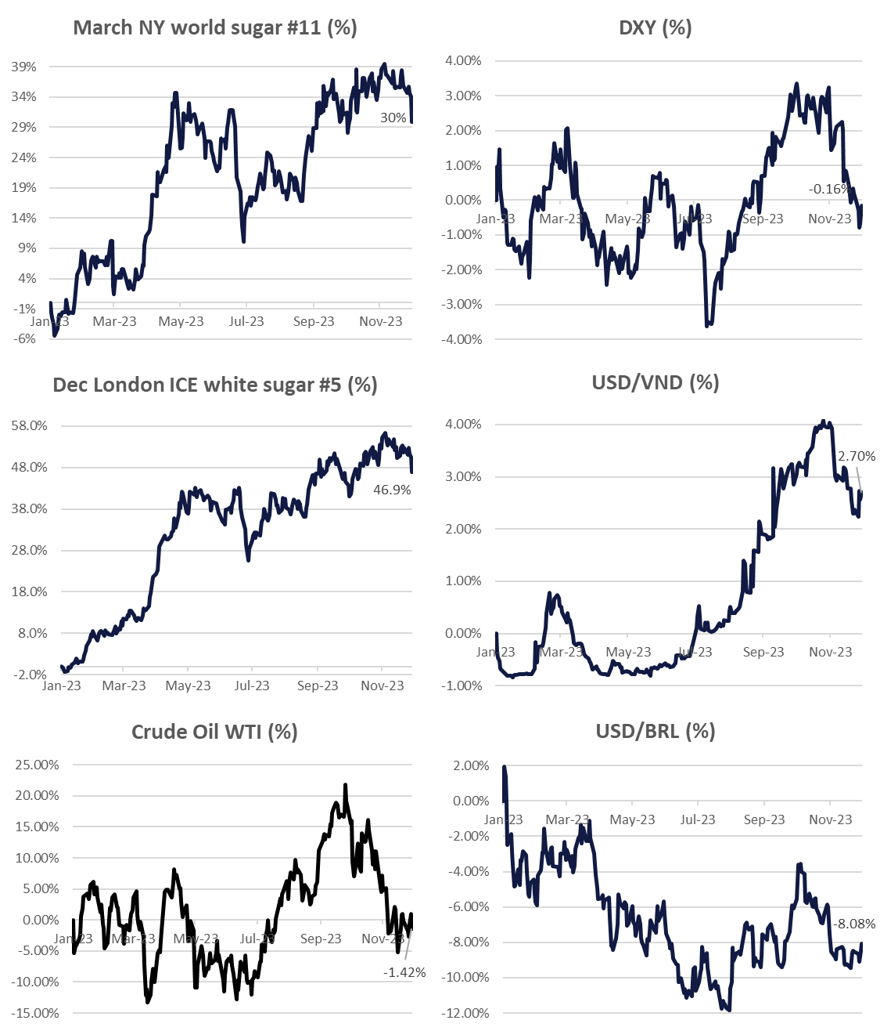
Tickets | Last price | Net change % Change | 5-Day %Change | 1 Month % Change | 3 Month % Change | 52-Week % Change
NY ICE RAW SUGAR #11
#11 Mar '24 | 22.72 | -0.64 | -3.13 | -4.61 | -3.98 | +4.99
 |  | -2.74% | -12.13% | -16.89% | -14.93% | +28.21%
#11 May '24 | 21.87 | -0.59 | -2.92 | -4.11 | -3.41 | +4.87
 |  | -2.63% | -11.80% | -15.85% | -13.52% | +28.73%
#11 Jul '24 | 21.33 | -0.55 | -2.72 | -3.52 | -2.71 | +4.83
 |  | -2.51% | -11.32% | -14.18% | -11.29% | +29.33%
#11 Oct '24 | 21.09 | -0.52 | -2.66 | -3.23 | -2.47 | +4.71
 |  | -2.41% | -11.20% | -13.29% | -10.49% | +28.77%
LDN ICE WHITE SUGAR #5
#5 Mar '24 | 644.80 | -9.60 | -65.70 | -93.20 | -70.40 | +165.40
 |  | -1.47% | -9.26% | -12.65% | -9.86% | +34.57%
#5 May '24 | 626.70 | -10.40 | -64.10 | -93.20 | -75.20 | +154.50
 |  | -1.63% | -9.30% | -12.98% | -10.74% | +32.83%
#5 Aug '24 | 611.00 | -10.80 | -60.50 | -80.10 | -61.80 | +150.40
 |  | -1.74% | -9.02% | -11.60% | -9.19% | +32.69%
#5 Oct '24 | 597.40 | -10.00 | -58.50 | -70.60 | -51.20
 |  | -1.65% | -8.92% | -10.57% | -7.89%
#5 Dec '24 | 588.10 | -10.60 | -57.00 | -66.50 | -44.90
 |  | -1.77% | -8.84% | -10.16% | -7.09%
METAL
Gold | 1,992.49 | -11.74 | -34.92 | +56.24 | +71.89 | +196.96
 |  | -0.59% | -1.72% | +2.90% | +3.74% | +10.96%
FUELS
Crude Oil WTI | 71.28 | 0.05 | -1.87 | -5.98 | -13.98 | +0.06
 |  | 0.07% | -2.56% | -7.75% | -16.42% | +0.08%
Brent Crude Oil | 75.86 | 0.02 | -2.20 | -5.30 | -12.75 | +0.34
 |  | 0.03% | -2.82% | -6.53% | -14.39% | +0.45%
RBOB Gasoline | 2.0513 | 0.0015 | -0.0837 | -0.1158 | -0.4396 | +0.0416
 |  | 0.07% | -3.92% | -5.35% | -17.65% | +2.07%
Ethanol | 1.695 | -0.070 | -0.155 | -0.313 | -0.495 | -0.620
 |  | -3.97% | -8.38% | -15.59% | -22.60% | -26.78%
CURRENCIES
U.S Dollar Index | 104.11 | 0.13 | +0.48 | -1.69 | -0.46 | -0.82
 |  | 0.13% | +0.46% | -1.60% | -0.44% | -0.78%
Australian Dollar | 1.5252 | 0.0048 | +0.0142 | -0.0474 | -0.0273 | +0.0533
 |  | 0.32% | +0.94% | -3.01% | -1.76% | +3.62%
Brazilian Real | 4.95794 | 0.02659 | +0.01350 | +0.05224 | +0.02843 | -0.28272
 |  | 0.54% | +0.27% | +1.06% | +0.58% | -5.39%
Euro | 0.92928 | 0.00013 | +0.00634 | -0.00676 | -0.00101 | -0.02027
 |  | 0.01% | +0.69% | -0.72% | -0.11% | -2.13%
Japanese Yen | 146.319 | 1.324 | -0.900 | -5.204 | -0.270 | +9.735
 |  | 0.91% | -0.61% | -3.43% | -0.18% | +7.13%
Indian Rupee | 83.3637 | -0.0726 | -0.0711 | -0.0163 | +0.3851 | +0.9231
 |  | -0.09% | -0.09% | -0.02% | +0.46% | +1.12%
Chinese Yuan | 7.1774 | 0.0142 | +0.0878 | -0.1125 | -0.1122 | +0.2195
 |  | 0.20% | +1.24% | -1.54% | -1.54% | +3.15%
Thai Baht | 35.6982 | 0.1173 | +0.4585 | -0.3655 | +0.1869 | +0.9918
 |  | 0.33% | +1.30% | -1.01% | +0.53% | +2.86%
Vietnam dong | 24,226.51 | -50.90 | -60.99 | -121.70 | +171.68 | +456.52
 |  | -0.21% | -0.25% | -0.50% | +0.71% | +1.92%

