Mục lục




Thế giới
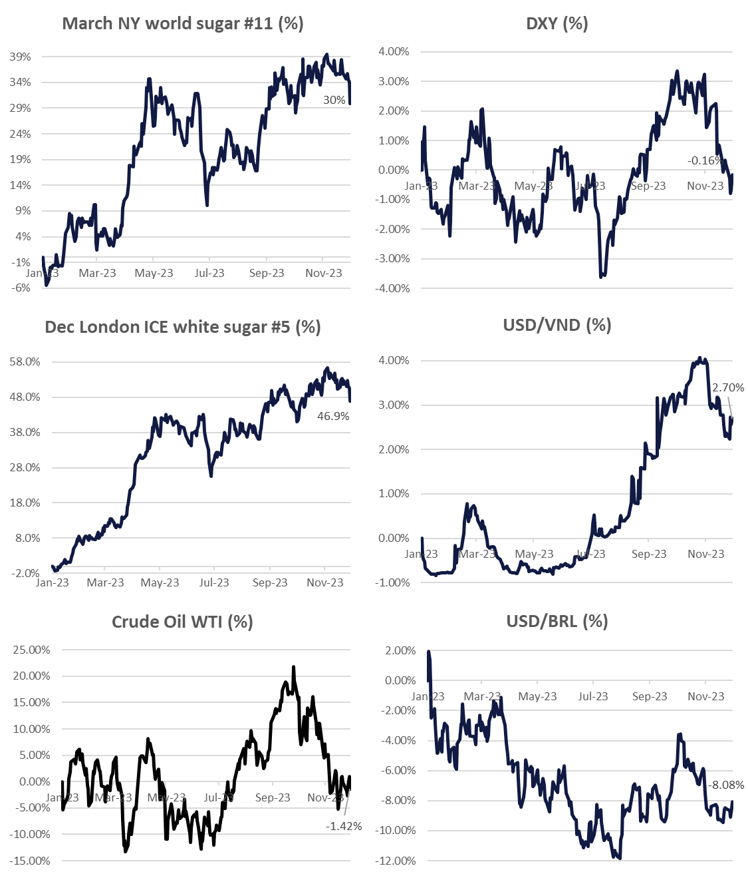
Tickets | Last price | Net change % Change | 5-Day %Change | 1 Month % Change | 3 Month % Change | 52-Week % Change
NY ICE RAW SUGAR #11
#11 Mar '24 | 22.66 | -0.70 | -3.21 | -4.69 | -4.06 | +4.91
 |  | -3.00% | -12.44% | -17.19% | -15.23% | +27.76%
#11 May '24 | 21.79 | -0.67 | -2.99 | -4.18 | -3.48 | +4.80
 |  | -2.98% | -12.09% | -16.12% | -13.79% | +28.32%
#11 Jul '24 | 21.25 | -0.63 | -2.79 | -3.59 | -2.78 | +4.76
 |  | -2.88% | -11.62% | -14.46% | -11.58% | +28.90%
#11 Oct '24 | 21.01 | -0.60 | -2.73 | -3.30 | -2.54 | +4.64
 |  | -2.78% | -11.50% | -13.57% | -10.79% | +28.34%
LDN ICE WHITE SUGAR #5
#5 Mar '24 | 642.40 | -12.00 | -67.60 | -95.10 | -72.30 | +163.50
 |  | -1.83% | -9.53% | -12.90% | -10.12% | +34.18%
#5 May '24 | 624.20 | -12.90 | -65.30 | -94.40 | -76.40 | +153.30
 |  | -2.02% | -9.47% | -13.14% | -10.91% | +32.58%
#5 Aug '24 | 609.30 | -12.50 | -61.80 | -81.40 | -63.10 | +149.10
 |  | -2.01% | -9.21% | -11.79% | -9.39% | +32.41%
#5 Oct '24 | 595.00 | -12.40 | -58.50 | -70.60 | -51.20
 |  | -2.04% | -8.92% | -10.57% | -7.89%
#5 Dec '24 | 588.10 | -10.60 | -57.00 | -66.50 | -44.90
 |  | -1.77% | -8.84% | -10.16% | -7.09%
METAL
Gold | 1,991.58 | -12.65 | -35.73 | +55.43 | +71.08 | +196.15
 |  | -0.63% | -1.76% | +2.86% | +3.70% | +10.91%
FUELS
Crude Oil WTI | 71.19 | -0.04 | -1.90 | -6.01 | -14.01 | +0.03
 |  | -0.06% | -2.60% | -7.79% | -16.45% | +0.04%
Brent Crude Oil | 75.79 | -0.05 | -2.27 | -5.37 | -12.82 | +0.27
 |  | -0.07% | -2.91% | -6.62% | -14.47% | +0.36%
RBOB Gasoline | 2.0415 | -0.0083 | -0.0932 | -0.1253 | -0.4491 | +0.0321
 |  | -0.40% | -4.37% | -5.78% | -18.04% | +1.60%
Ethanol | 1.695 | -0.070 | -0.155 | -0.313 | -0.495 | -0.620
 |  | -3.97% | -8.38% | -15.59% | -22.60% | -26.78%
CURRENCIES
U.S Dollar Index | 104.11 | +0.13 | +0.48 | -1.69 | -0.46 | -0.82
 |  | +0.13% | +0.46% | -1.60% | -0.44% | -0.78%
Australian Dollar | 1.5239 | +0.0035 | +0.0124 | -0.0492 | -0.0291 | +0.0515
 |  | +0.23% | +0.82% | -3.13% | -1.87% | +3.50%
Brazilian Real | 4.95339 | +0.02204 | +0.00550 | +0.04424 | +0.02043 | -0.29072
 |  | +0.45% | +0.11% | +0.90% | +0.41% | -5.55%
Euro | 0.93049 | +0.00134 | +0.00688 | -0.00622 | -0.00047 | -0.01973
 |  | +0.14% | +0.75% | -0.66% | -0.05% | -2.08%
Japanese Yen | 146.260 | +1.265 | -0.991 | -5.295 | -0.361 | +9.644
 |  | +0.87% | -0.67% | -3.49% | -0.25% | +7.06%
Indian Rupee | 83.3634 | -0.0729 | -0.0724 | -0.0176 | +0.3838 | +0.9218
 |  | -0.09% | -0.09% | -0.02% | +0.46% | +1.12%
Chinese Yuan | 7.1773 | +0.0141 | +0.0879 | -0.1124 | -0.1121 | +0.2196
 |  | +0.20% | +1.24% | -1.54% | -1.54% | +3.16%
Thai Baht | 35.7198 | +0.1389 | +0.4739 | -0.3501 | +0.2023 | +1.0072
 |  | +0.39% | +1.34% | -0.97% | +0.57% | +2.90%
Vietnam dong | 24,226.51 | -50.90 | -60.99 | -121.70 | +171.68 | +456.52
 |  | -0.21% | -0.25% | -0.50% | +0.71% | +1.92%

