Mục lục




Thế giới
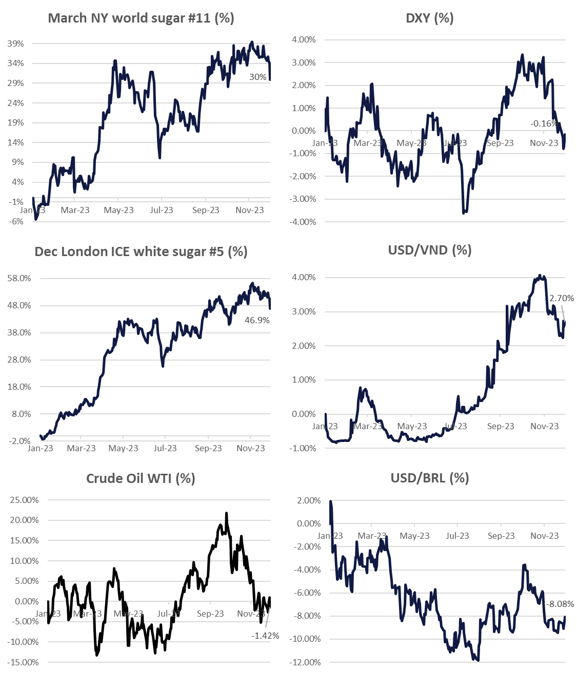
Tickets | Last price | Net change % Change | 5-Day Change | 1 Month % Change | 3 Month % Change | 52-Week % Change
NY ICE RAW SUGAR #11
#11 Mar '24 |  |  | -1.66 (-6.15%) | -2.44 (-8.79%) | -1.57 (-5.84%)
#11 May '24
#11 Jul '24
#11 Oct '24
LDN ICE WHITE SUGAR #5
#5 Mar '24
#5 May '24
#5 Aug '24
#5 Oct '24
#5 Dec '24
METAL
Gold
FUELS
Crude Oil WTI
Brent Crude Oil
RBOB Gasoline
Ethanol
CURRENCIES
U.S Dollar Index
Australian Dollar
Brazilian Real
Euro
Japanese Yen
Indian Rupee
Chinese Yuan
Thai Baht
Vietnam dong

